Sheet1
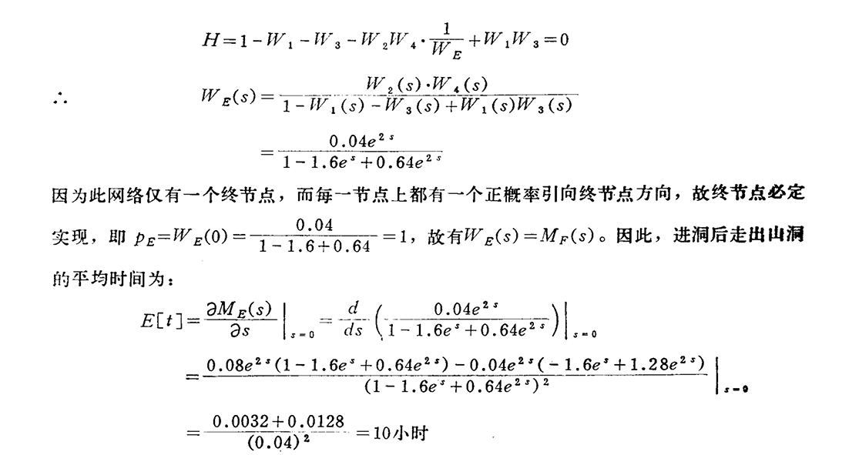
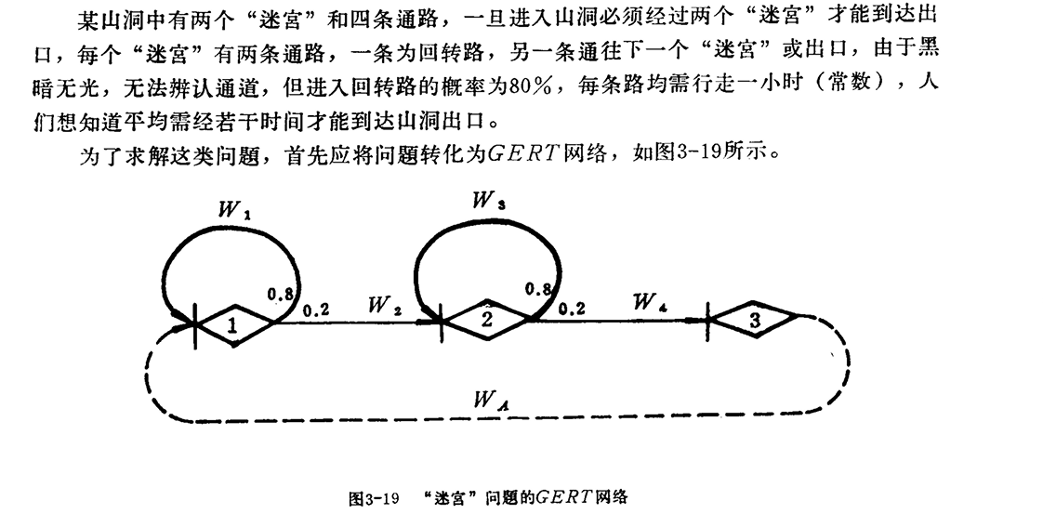
start | end | ave | var | p
1 | 2 | 1 | 0 | 0.2
2 | 3 | 1 | 0 | 0.2
1 | 1 | 1 | 0 | 0.8
2 | 2 | 1 | 0 | 0.8

