Overview
In this file the initial transport shares are determined for most datasets. Below you can find information on each sheet in this file.

Sheets

 | Assumptions | Assumptions used in the determination of initial shares
 | NL | A CBS-based, more detailed determination of initial transport shares for the Netherlands
 | Transport_numbers | Eurostat data on the number of vehicles, per vehicle type and fuel
 | DE | Determination of initial transport shares based on Transport_numbers for the Germany dataset
 | ES | Determination of initial transport shares based on Transport_numbers for the Spain dataset
 | FR | Determination of initial transport shares based on Transport_numbers for the France dataset
 | PL | Determination of initial transport shares based on Transport_numbers for the Poland dataset
 | UK | Determination of initial transport shares based on Transport_numbers for the United Kingdom dataset

 | Shares NG | More detailed determination of all natural gas related shares (CNG/LNG over car/truck) for every country
 | Worldwide NGV | NGVA data on the number of natural gas vehicles

NL
NL 2013 |  |  |  |  | nu voor mln kms in nl
 |  | aantal | mln kms in nl | kms in nl door nl | km per voertuigtype |  |  | Bron: | http://statline.cbs.nl/Statweb/publication/?DM=SLNL&PA=71407NED&D1=13-19&D2=0-5&D3=0&D4=13&VW=T
 | personenauto | 7915613 | 98482.6 | 113821 | 12441.563275
 | bestelauto | 832121 | 15656.8 | 16309.2 | 18815.532837 |  |  |  | Zie source_analyses/eu/2013/8_transport/CBS voor tabellen
 | vrachtauto | 67096 | 2065.9 | 2726.1 | 30790.211041
 | trekker | 70422 | 3835.2 | 6542.8 | 54460.253898
 | speciaal | 63312 | 416.6 | 727.3 | 6580.1111954
 | bus | 10464 | 616.4 | 700.3 | 58906.727829

 | totaal |  | 121073.6 | 140826.7 | #DIV/0!

 | personenauto's | aantal | jaarlijks km | efficiëntie (km/MJ) | energievraag per auto (MJ) | totale energievraag (MJ)

 | benzine | 6276990 | 12441.563275 | 0.47619047619 | 26127.282878 | 1.6400069335E+11
 | diesel | 1339935 | 12441.563275 | 0.52631578947 | 23638.970223 | 31674683565
 | lpg | 202322 | 12441.563275 | 0.5 | 24883.12655 | 5034403929.9 |  | Bron: | CE Delft, ECN, TNO (2014): verzamelde kennisnotities t.b.v. de visie duurzame brandstoffenmix
 | elektriciteit | 90703 | 12441.563275 | 1.5384615385 | 8087.0161288 | 733516623.93
 | cng | 3125 | 12441.563275 | 0.47619047619 | 26127.282878 | 81647758.992
 | onbekend | 2538 | 12441.563275

 | totaal | 7915613 |  |  |  | 2.0152494523E+11

 | bestelauto's | aantal | jaarlijks km | efficiëntie (km/MJ) | energievraag per auto (MJ) | totale energievraag (MJ)

 | benzine | 26958 | 18815.532837 | 0.43298500881 | 43455.390959 | 1171470429.5 | *
 | diesel | 786387 | 18815.532837 | 0.47619047619 | 39512.618958 | 31072209885
 | lpg | 16384 | 18815.532837 | 0.45385355539 | 41457.277603 | 679236036.25 | **
 | elektriciteit | 459 | 18815.532837 | 1.3964724781 | 13473.615221 | 6184389.3865 | **
 | cng | 1931 | 18815.532837 | 0.4329004329 | 43463.880854 | 83928753.929
 | onbekend | 2 | 18815.532837

 | totaal | 832121 | 18815.532837 |  |  | 33013029494

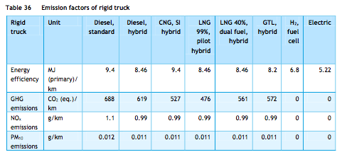
 | vrachtauto | aantal | jaarlijks km | efficiëntie (km/MJ) | energievraag per auto (MJ) | totale energievraag (MJ)

 | benzine | 908 | 30790.211041 | 0.09652285264 | 318994.00193 | 289646553.75
 | diesel | 65754 | 30790.211041 | 0.10638297872 | 289427.98378 | 19031047646
 | lpg | 249 | 30790.211041 |  | #DIV/0! | #DIV/0!
 | elektriciteit | 22 | 30790.211041 | 0.19157088123 | 160724.90163 | 3535947.8359
 | cng | 154 | 30790.211041 | 0.10638297872 | 289427.98378 | 44571909.503
 | onbekend | 9 | 30790.211041 |  | #DIV/0! | #DIV/0!

 | totaal | 67096 | 30790.211041 |  | #DIV/0! | #DIV/0!

 | trekker voor oplegger | aantal | jaarlijks km | efficiëntie (km/MJ) | energievraag per auto (MJ) | totale energievraag (MJ)
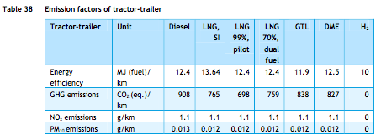
 | benzine | 26 | 54460.253898 | 0.073328106331 | 742692.76302 | 19310011.839 | *
 | diesel | 70271 | 54460.253898 | 0.08064516129 | 675307.14833 | 47454508621
 | lpg | 16 | 54460.253898 |  | #DIV/0! | #DIV/0!
 | elektriciteit | 2 | 54460.253898 |  | #DIV/0! | #DIV/0!
 | cng | 58 | 54460.253898 |  | #DIV/0! | #DIV/0!
 | onbekend | 49 | 54460.253898 |  | #DIV/0! | #DIV/0!

 | totaal | 70422 | 54460.253898 |  | #DIV/0! | #DIV/0!

 | speciaal voertuig | aantal | jaarlijks km | efficiëntie (km/MJ) | energievraag per auto (MJ) | totale energievraag (MJ)

 | benzine | 2947 | 6580.1111954 | 0.09652285264 | 68171.536744 | 200901518.78 | ***
 | diesel | 58359 | 6580.1111954 | 0.10638297872 | 61853.045236 | 3609681866.9 | ***
 | lpg | 1915 | 6580.1111954 |  | #DIV/0! | #DIV/0!
 | elektriciteit | 4 | 6580.1111954 |  | #DIV/0! | #DIV/0!
 | cng | 86 | 6580.1111954 |  | #DIV/0! | #DIV/0!
 | onbekend | 1 | 6580.1111954 |  | #DIV/0! | #DIV/0!

 | totaal | 63312 | 6580.1111954 |  | #DIV/0! | #DIV/0!

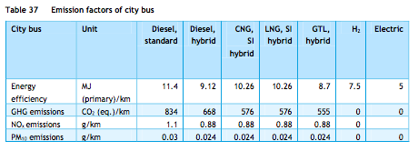
 | bus | aantal | jaarlijks km | efficiëntie (km/MJ) | energievraag per auto (MJ) | totale energievraag (MJ)

 | benzine | 25 | 58906.727829 | 0.07976039636 | 738546.07697 | 18463651.924 | *
 | diesel | 9606 | 58906.727829 | 0.087719298246 | 671536.69725 | 6450781513.8
 | lpg | 75 | 58906.727829 |  | #DIV/0! | #DIV/0!
 | elektriciteit | 87 | 58906.727829 | 0.2 | 294533.63914 | 25624426.606
 | cng | 671 | 58906.727829 | 0.09746588694 | 604383.02752 | 405541011.47
 | onbekend | 0 | 58906.727829

 | totaal | 10464 | 58906.727829 |  | #DIV/0! | #DIV/0!

 | * verkregen door de efficiëntie verhouding tussen benzine en diesel motoren (zoals beschreven in truck_using_gasoline_mix) te gebruiken
 | ** verkregen door de efficiëntie verhouding tussen personenauto en vrachtwagen efficiëntie te gebruiken |  |  |  |  |  |  |  |  | Alle figuren van ECN, TNO, CE Delft (2013): Natural Gas in Transport
 | *** gelijkgezet (aanname) aan vrachtwagen efficiëntie

 | Gasoline | Energy consumed (MJ) |  |  | Energy consumed (MJ)

 | personenauto | 1.6400069335E+11 |  | cars | 1.6400069335E+11
 | bestelauto | 1171470429.5 |  | trucks | 1699792165.8
 | vrachtwagen | 289646553.75
 | trekker | 19310011.839
 | speciaal voertuig | 200901518.78 |  | share cars | 0.98974177921
 | bus | 18463651.924 |  | share trucks | 0.010258220792

 | Diesel | Energy consumed (MJ) |  |  | Energy consumed (MJ)

 | personenauto | 31674683565 |  | cars | 31674683565
 | bestelauto | 31072209885 |  | trucks | 1.0116811955E+11
 | vrachtwagen | 19031047646
 | trekker | 47454508621
 | speciaal voertuig | 3609681866.9 |  | share cars | 0.2384373321
 | bus | 671536.69725 |  | share trucks | 0.7615626679

 | Electricity | Energy consumed (MJ) |  |  | Energy consumed (MJ)

 | personenauto | 733516623.93 |  | cars | 733516623.93
 | bestelauto | 6184389.3865 |  | trucks | 35344763.828
 | vrachtwagen | 3535947.8359
 | trekker | 0 | set
 | speciaal voertuig | 0 | set | share cars | 0.95402973229
 | bus | 25624426.606 |  | share trucks | 0.045970267711

 | Technology shares | noot: deze waarden worden niet gebruikt, maar dienen enkele ter vergelijking van de initial shares zoals berekend door het ETM

 | personenauto's | aantal | jaarlijks km | efficiëntie (km/MJ) | energievraag per auto (MJ) | totale energievraag (MJ) | share

 | benzine | 6276990 | 12441.563275 | 0.47619047619 | 26127.282878 | 1.6400069335E+11 | 0.81379847624
 | diesel | 1339935 | 12441.563275 | 0.52631578947 | 23638.970223 | 31674683565 | 0.15717500148
 | lpg | 202322 | 12441.563275 | 0.5 | 24883.12655 | 5034403929.9 | 0.024981542231
 | elektriciteit | 90703 | 12441.563275 | 1.5384615385 | 8087.0161288 | 733516623.93 | 0.0036398304096
 | cng | 3125 | 12441.563275 | 0.47619047619 | 26127.282878 | 81647758.992 | 0.00040514963991
 | onbekend | 2538 | 12441.563275 | 0 | 0 | 0 | 0

 | totaal | 7915613 |  |  |  | 2.0152494523E+11

Shares NG
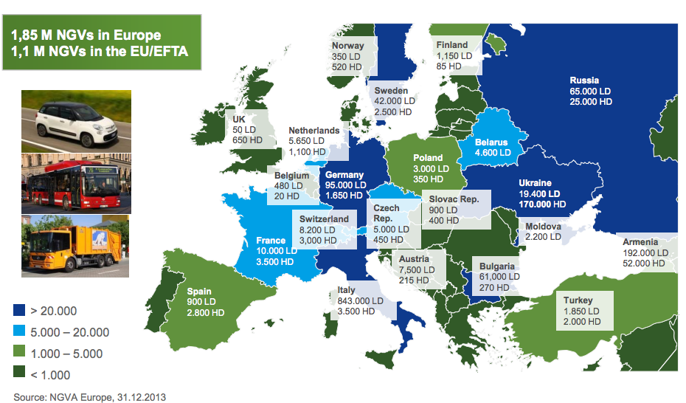
 | Input shares determination

 | Country | # LNG HDVs | # NG HDVs | # CNG HDVS | # CNG LDVs
 | br | 0 | 0 | 0 | 1743992 |  | See next sheet
 | de | 0 | 1650 | 1650 | 95000
 | es | 318 | 2800 | 2482 | 900
 | eu-27 | 1358 | 16620 | 15262 | 1069550
 | fr | 0 | 3500 | 3500 | 10000
 | nl | 291 | 1100 | 809 | 5650
 | pl | 0 | 350 | 350 | 3000
 | uk | 638 | 650 | 12 | 50
 | be | 20 | 27 | 7 | 472

LNG/CNG shares | Country | LNG | CNG | LNG share | CNG share
 | br | 0 | 56112942600 | 0.00% | 100.00%
 | de | 0 | 3987225000 | 0.00% | 100.00%
 | es | 161416800 | 1428805500 | 10.15% | 89.85%
 | eu-27 | 689320800 | 43020539250 | 1.58% | 98.42%
 | fr | 0 | 2295750000 | 0.00% | 100.00%
 | nl | 147711600 | 638064750 | 18.80% | 81.20%
 | pl | 0 | 293925000 | 0.00% | 100.00%
 | uk | 323848800 | 8376750 | 97.48% | 2.52%
 | be | 10152000 | 19134600 | 34.66% | 65.34%

CNG LD/HD shares | Country | LD | HD | LD share | HD share
 | br | 56112942600 | 0 | 100.00% | 0.00%
 | de | 3056625000 | 930600000 | 76.66% | 23.34%
 | es | 28957500 | 1399848000 | 2.03% | 97.97%
 | eu-27 | 34412771250 | 8607768000 | 79.99% | 20.01%
 | fr | 321750000 | 1974000000 | 14.02% | 85.98%
 | nl | 181788750 | 456276000 | 28.49% | 71.51%
 | pl | 96525000 | 197400000 | 32.84% | 67.16%
 | uk | 1608750 | 6768000 | 19.20% | 80.80%
 | be | 15186600 | 3948000 | 79.37% | 20.63%

 | Data for calculations from respective nodes source analyses, TNO 2013 natural gas in transport

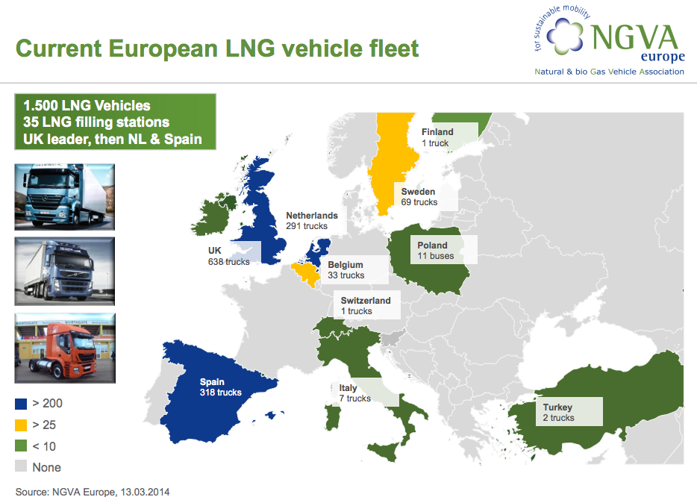
 | fuel | vehicle | annual kms | efficiency | energy consumed
 | CNG | LDV | 15000 | 0.4662004662 | 32175 | MJ
 | CNG | HDV | 60000 | 0.10638297872 | 564000 | MJ
 | LNG | HDV | 60000 | 0.11820330969 | 507600 | MJ

 | Sources

 | NVGA Europe (2014): Prospects and Development Status of European NGV Market
 | http://www.acer.europa.eu/Media/Events/3rd-Gas-Target-Model-Stakeholders-Workshop/Documents/10.%20Maedge%20Promoting%20gas%20in%20transport.pdf

 | NGVA Europe (2013): NGVs and Fuel Consumption Worldwide
 | http://www.ngvaeurope.eu/worldwide-ngv-statistics

Worldwide NGV
 |  |  |  |  |  |  |  |  |  |  | NGVs and fuel consumption worldwide
Country | Natural Gas Vehicles |  |  |  |  |  |  |  | Date |  | Monthly gas consumption (M Nm3) |  |  | Biomethane | Date
 | Total NGVs | LD+MD +HD Vehicles | LD Vehicles | MD+HD Buses | MD+HD Trucks | Other | % of total LD+MD+HD vehicles in the country | % of total NGVs worldwide | Month | Year | Reported consumption | Theoretical consumption | Ratio | Share | Month | Year
Algeria | 125 | 125 | 115 | 10 | 0 | 0 | 0.00% | 0.00% | December | 2011 | 0.00 | 0.05 | 0% | 0% | 0 | 0
Argentina | 2,244,346 | 2,244,346 | 2,244,330 | 0 | 16 | 0 | 17.53% | 12.66% | April | 2013 | 216.97 | 404.03 | 54% | 0% | April | 2013
Armenia | 244,000 | 244,000 | 192,000 | 17,300 | 34,700 | 0 | 55.45% | 1.38% | December | 2011 | 26.53 | 190.56 | 14% | 0% | September | 2011
Australia | 3,110 | 2,360 | 25 | 2,060 | 275 | 750 | 0.02% | 0.02% | June | 2013 | 0.00 | 7.08 | 0% | 0% | 0 | 0
Austria | 7,717 | 7,715 | 7,500 | 167 | 48 | 2 | 0.15% | 0.04% | June | 2013 | 13.50 | 2.00 | 677% | 0% | June | 2012
Bangladesh | 208,304 | 182,304 | 145,304 | 10,000 | 27,000 | 26,000 | 62.12% | 1.17% | April | 2013 | 91.55 | 139.49 | 66% | 0% | January | 2010
Belarus | 4,600 | 4,600 | 4,600 | 0 | 0 | 0 | 0.14% | 0.03% | September | 2011 | 1.03 | 0.83 | 124% | 0% | September | 2011
Belgium | 499 | 486 | 472 | 3 | 11 | 13 | 0.01% | 0.00% | June | 2013 | 0.00 | 0.13 | 0% | 0% | 0 | 0
Bolivia | 254,722 | 254,722 | 254,722 | 0 | 0 | 0 | 28.12% | 1.44% | December | 2012 | 26.28 | 45.85 | 57% | 0% | May | 2009
Bosnia & Herzegovina | 21 | 21 | 20 | 1 | 0 | 0 | 0.00% | 0.00% | October | 2010 | 0.00 | 0.01 | 0% | 0% | 0 | 0
Brazil | 1,743,992 | 1,743,992 | 1,743,992 | 0 | 0 | 0 | 4.97% | 9.84% | February | 2013 | 141.60 | 313.92 | 45% | 0% | May | 2012
Bulgaria | 61,270 | 61,270 | 61,000 | 240 | 30 | 0 | 1.83% | 0.35% | June | 2013 | 15.00 | 11.79 | 127% | 0% | June | 2012
Canada | 14,205 | 12,005 | 11,800 | 199 | 6 | 2,200 | 0.06% | 0.08% | December | 2010 | 0.00 | 2.94 | 0% | 0% | 0 | 0
Chile | 8,164 | 8,164 | 8,055 | 109 | 0 | 0 | 0.35% | 0.05% | December | 2011 | 3.20 | 1.78 | 180% | 0% | December | 2007
China | 1,577,000 | 1,527,000 | 1,089,070 | 376,025 | 61,905 | 50,000 | 1.53% | 8.89% | May | 2013 | 0.00 | 1514.32 | 0% | 0% | 0 | 0
Colombia | 450,633 | 450,633 | 427,173 | 13,800 | 9,660 | 0 | 15.45% | 2.54% | April | 2013 | 45.00 | 147.27 | 31% | 0% | April | 2013
Croatia | 155 | 155 | 66 | 71 | 18 | 0 | 0.01% | 0.00% | May | 2013 | 0.08 | 0.28 | 30% | 0% | December | 2011
Czech Republic | 5,500 | 5,410 | 4,954 | 401 | 55 | 90 | 0.11% | 0.03% | June | 2013 | 1.30 | 2.27 | 57% | 0% | June | 2013
Denmark | 15 | 15 | 15 | 0 | 0 | 0 | 0.00% | 0.00% | June | 2013 | 0.00 | 0.00 | 0% | 0% | 0 | 0
Dominican Republic | 10,909 | 10,909 | 10,909 | 0 | 0 | 0 | 0.90% | 0.06% | June | 2013 | 0.09 | 1.96 | 5% | 0% | October | 2010
Ecuador | 40 | 40 | 40 | 0 | 0 | 0 | 0.00% | 0.00% | May | 2009 | 0.00 | 0.01 | 0% | 0% | 0 | 0
Egypt | 193,555 | 193,208 | 191,909 | 1,299 | 0 | 347 | 5.44% | 1.09% | June | 2013 | 37.70 | 38.47 | 98% | 0% | June | 2013
Estonia | 194 | 194 | 170 | 18 | 6 | 0 | 0.03% | 0.00% | December | 2013 | 0.65 | 0.10 | 634% | 0% | June | 2013
Finland | 1,239 | 1,215 | 1,150 | 50 | 15 | 24 | 0.03% | 0.01% | June | 2013 | 0.32 | 0.40 | 78% | 25% | June | 2013
France | 13,538 | 13,538 | 10,000 | 2,493 | 1,045 | 0 | 0.04% | 0.08% | June | 2013 | 6.00 | 12.41 | 48% | 3% | December | 2011
Georgia | 3,000 | 3,000 | 3,000 | 0 | 0 | 0 | 0.56% | 0.02% | May | 2008 | 0.00 | 0.54 | 0% | 0% | 0 | 0
Germany | 96,349 | 96,293 | 94,707 | 1,496 | 90 | 56 | 0.20% | 0.54% | June | 2013 | 23.00 | 21.81 | 105% | 20% | June | 2013
Greece | 708 | 708 | 6 | 600 | 102 | 0 | 0.01% | 0.00% | June | 2013 | 1.33 | 2.11 | 63% | 0% | June | 2013
Hungary | 4,062 | 4,060 | 4,000 | 50 | 10 | 2 | 0.12% | 0.02% | June | 2013 | 0.22 | 0.90 | 24% | 2% | June | 2013
Iceland | 918 | 918 | 900 | 2 | 16 | 0 | 0.42% | 0.01% | November | 2012 | 0.17 | 0.22 | 79% | 100% | November | 2012
India | 1,500,000 | 1,493,095 | 1,469,004 | 23,376 | 715 | 6,905 | 3.53% | 8.46% | February | 2012 | 163.21 | 337.32 | 48% | 0% | February | 2012
Indonesia | 5,690 | 5,440 | 4,850 | 570 | 20 | 250 | 0.03% | 0.03% | December | 2012 | 0.00 | 2.67 | 0% | 0% | 0 | 0
Iran | 3,300,000 | 3,300,000 | 3,293,948 | 6,036 | 16 | 0 | 27.09% | 18.61% | April | 2013 | 480.00 | 611.07 | 79% | 0% | April | 2013
Ireland | 3 | 3 | 3 | 0 | 0 | 0 | 0.00% | 0.00% | June | 2013 | 0.00 | 0.00 | 0% | 0% | 0 | 0
Italy | 846,523 | 846,523 | 843,023 | 2,300 | 1,200 | 0 | 2.07% | 4.77% | June | 2013 | 75.00 | 162.24 | 46% | 0% | June | 2013
Japan | 42,590 | 40,640 | 16,564 | 1,560 | 22,516 | 1,950 | 0.05% | 0.24% | March | 2013 | 0.00 | 75.39 | 0% | 0% | 0 | 0
Kazahkstan | 3,200 | 3,200 | 3,000 | 200 | 0 | 0 | 0.13% | 0.02% | July | 2012 | 0.00 | 1.14 | 0% | 0% | 0 | 0
Korea | 35,872 | 35,862 | 3,049 | 31,833 | 980 | 10 | 0.22% | 0.20% | January | 2013 | 93.00 | 98.99 | 94% | 0% | January | 2012
Kyrgyzstan | 6,000 | 6,000 | 6,000 | 0 | 0 | 0 | 1.85% | 0.03% | April | 2007 | 0.60 | 1.08 | 56% | 0% | December | 2007
Latvia | 18 | 18 | 18 | 0 | 0 | 0 | 0.00% | 0.00% | December | 2011 | 0.00 | 0.00 | 79% | 0% | June | 2011
Lichtenstein | 143 | 143 | 64 | 61 | 18 | 0 | 0.50% | 0.00% | December | 2011 | 0.10 | 0.25 | 40% | 0% | April | 2007
Lithuania | 200 | 200 | 75 | 125 | 0 | 0 | 0.01% | 0.00% | December | 2012 | 0.20 | 0.39 | 51% | 0% | December | 2012
Luxembourg | 261 | 261 | 221 | 39 | 1 | 0 | 0.07% | 0.00% | June | 2013 | 0.06 | 0.16 | 35% | 0% | July | 2007
Macedonia | 54 | 54 | 7 | 47 | 0 | 0 | 0.02% | 0.00% | January | 2011 | 0.02 | 0.14 | 14% | 0% | April | 2007
Malaysia | 53,783 | 53,723 | 53,129 | 594 | 0 | 60 | 0.56% | 0.30% | July | 2012 | 14.80 | 11.35 | 130% | 0% | July | 2012
Mexico | 2,608 | 2,600 | 2,569 | 31 | 0 | 8 | 0.01% | 0.01% | May | 2012 | 1.37 | 0.56 | 246% | 0% | May | 2012
Moldova | 2,200 | 2,200 | 2,200 | 0 | 0 | 0 | 0.42% | 0.01% | September | 2011 | 0.38 | 0.40 | 96% | 0% | June | 2011
Mozambique | 661 | 650 | 500 | 150 | 0 | 11 | 0.21% | 0.00% | July | 2012 | 0.24 | 0.54 | 44% | 0% | July | 2012
Myanmar | 30,005 | 30,005 | 26,526 | 3,475 | 4 | 0 | 8.02% | 0.17% | May | 2012 | 0.00 | 15.21 | 0% | 0% | 0 | 0
Netherlands | 6,680 | 6,677 | 5,650 | 686 | 341 | 3 | 0.07% | 0.04% | June | 2013 | 0.00 | 4.10 | 0% | 50% | June | 2013
New Zealand | 201 | 164 | 19 | 61 | 84 | 37 | 0.01% | 0.00% | December | 2010 | 0.00 | 0.44 | 0% | 0% | 0 | 0
Nigeria | 2,210 | 2,210 | 1,923 | 0 | 287 | 0 | 0.04% | 0.01% | June | 2013 | 0.00 | 1.21 | 0% | 0% | 0 | 0
Norway | 877 | 876 | 353 | 514 | 9 | 1 | 0.03% | 0.00% | June | 2012 | 1.60 | 1.63 | 98% | 10% | June | 2012
Pakistan | 2,790,000 | 2,610,000 | 2,609,500 | 500 | 0 | 180,000 | 79.67% | 15.74% | March | 2012 | 245.75 | 487.41 | 50% | 0% | March | 2013
Panama | 15 | 15 | 15 | 0 | 0 | 0 | 0.00% | 0.00% | November | 2008 | 0.00 | 0.00 | 0% | 0% | 0 | 0
Paraguay | 2 | 2 | 2 | 0 | 0 | 0 | 0.00% | 0.00% | April | 2011 | 0.00 | 0.00 | 0% | 0% | 0 | 0
Peru | 157,973 | 157,973 | 157,962 | 11 | 0 | 0 | 10.49% | 0.89% | April | 2013 | 18.56 | 28.47 | 65% | 0% | May | 2012
Philippines | 71 | 71 | 11 | 60 | 0 | 0 | 0.00% | 0.00% | October | 2011 | 0.00 | 0.18 | 0% | 0% | 0 | 0
Poland | 3,392 | 3,350 | 3,000 | 320 | 30 | 42 | 0.02% | 0.02% | June | 2013 | 1.17 | 1.59 | 73% | 0% | June | 2013
Portugal | 586 | 486 | 46 | 354 | 86 | 100 | 0.01% | 0.00% | December | 2011 | 1.16 | 1.34 | 87% | 0% | December | 2010
Russia | 90,050 | 90,000 | 65,000 | 10,000 | 15,000 | 50 | 0.25% | 0.51% | June | 2013 | 30.40 | 86.70 | 35% | 0% | December | 2011
Serbia | 838 | 838 | 788 | 50 | 0 | 0 | 0.05% | 0.00% | Ocotber | 2012 | 0.31 | 0.29 | 106% | 0% | October | 2012
Singapore | 5,522 | 5,522 | 5,508 | 14 | 0 | 0 | 0.58% | 0.03% | December | 2011 | 1.03 | 1.03 | 100% | 0% | December | 2011
Slovakia | 1,284 | 1,284 | 900 | 334 | 50 | 0 | 0.06% | 0.01% | June | 2013 | 1.00 | 1.31 | 76% | 0% | June | 2013
Slovenia | 48 | 48 | 23 | 20 | 5 | 0 | 0.00% | 0.00% | June | 2013 | 0.08 | 0.08 | 95% | 0% | June | 2012
South Africa | 24 | 23 | 21 | 2 | 0 | 1 | 0.00% | 0.00% | August | 2010 | 0.00 | 0.01 | 0% | 0% | 0 | 0
Spain | 3,781 | 3,644 | 859 | 1,547 | 1,238 | 137 | 0.01% | 0.02% | June | 2013 | 7.84 | 8.52 | 92% | 0% | June | 2013
Sweden | 44,321 | 44,319 | 41,820 | 1,851 | 648 | 2 | 0.92% | 0.25% | June | 2013 | 11.70 | 15.02 | 78% | 60% | June | 2013
Switzerland | 11,058 | 10,998 | 8,126 | 2,572 | 300 | 60 | 0.24% | 0.06% | June | 2013 | 1.61 | 10.08 | 16% | 23% | December | 2011
Taiwan | 4 | 4 | 0 | 4 | 0 | 0 | 0.00% | 0.00% | May | 2005 | 0.00 | 0.01 | 0% | 0% | 0 | 0
Tajikistan | 10,600 | 10,600 | 10,600 | 0 | 0 | 0 | 4.96% | 0.06% | December | 2007 | 4.13 | 1.91 | 216% | 0% | December | 2007
Tanzania | 52 | 52 | 52 | 0 | 0 | 0 | 0.00% | 0.00% | August | 2012 | 0.00 | 0.01 | 0% | 0% | October | 2010
Thailand | 413,047 | 411,285 | 345,881 | 16,261 | 49,143 | 1,762 | 3.27% | 2.33% | June | 2013 | 285.17 | 258.63 | 110% | 0% | June | 2013
Trinidad & Tobago | 3,500 | 3,500 | 3,500 | 0 | 0 | 0 | 0.74% | 0.02% | March | 2012 | 0.80 | 0.63 | 127% | 0% | August | 2004
Tunesia | 34 | 34 | 32 | 2 | 0 | 0 | 0.00% | 0.00% | December | 2007 | 0.00 | 0.01 | 0% | 0% | 0 | 0
Turkey | 3,850 | 3,850 | 1,850 | 2,000 | 0 | 0 | 0.04% | 0.02% | December | 2011 | 4.20 | 6.33 | 66% | 0% | December | 2011
Ukraine | 388,000 | 387,981 | 19,400 | 232,788 | 135,793 | 19 | 5.13% | 2.19% | May | 2012 | 83.00 | 1109.24 | 7% | 0% | November | 2009
United Arab Emirates | 2,801 | 2,801 | 2,800 | 1 | 0 | 0 | 0.11% | 0.02% | April | 2013 | 0.00 | 0.51 | 0% | 0% | 0 | 0
United Kingdom | 559 | 519 | 20 | 3 | 496 | 40 | 0.00% | 0.00% | December | 2011 | 3.00 | 1.50 | 199% | 0% | August | 2010
USA | 250,000 | 250,000 | 231,400 | 14,600 | 4,000 | 0 | 0.10% | 1.41% | March | 2013 | 77.52 | 97.45 | 80% | 0% | August | 2012
Uzbekistan | 450,000 | 450,000 | 450,000 | 0 | 0 | 0 | 26.47% | 2.54% | November | 2011 | 8.82 | 81.00 | 11% | 0% | September | 2009
Venezuela | 105,890 | 105,890 | 105,890 | 0 | 0 | 0 | 2.12% | 0.60% | December | 2011 | 8.15 | 19.06 | 43% | 0% | November | 2008
Vietnam | 462 | 462 | 400 | 50 | 12 | 0 | 0.04% | 0.00% | July | 2012 | 0.00 | 0.26 | 0% | 0% | 0 | 0
NGV countries | 17,730,433 | 17,459,501 | 16,310,105 | 781,396 | 368,000 | 270,932 | 1.64% | 100.00% |  |  |  | 6,408.39

