Notes
Sources | Page |  | Notes

http://en.wikipedia.org/wiki/Oil_palm

 |  |  | For each hectare of oil palm, which is harvested year-round, the annual production averages 10 tonnes of fruit yielding 3,000 kg of pericarp oil and 750 kg of seed kernels yielding 250 kg of high quality palm kernel oil as well as 500 kg of kernel meal. Palm fronds and kernel meal are processed for use as livestock feed.[7]
 |  |  | 1 | ha
 |  |  | 3000 | kg | pericarp oil
 |  |  | 250 | kg | palm kernel oil

Sources | Page |  | Notes

RERIC international Energy journal_1998_Oil palm plantations-A plausible renewable source of energy_RERIC international Energy Journal_vol20
http://www.thaiscience.info/journals/Article/Oil%20palm%20plantations%20%E2%80%93%20a%20plausible%20renewable%20source%20of%20energy.pdf

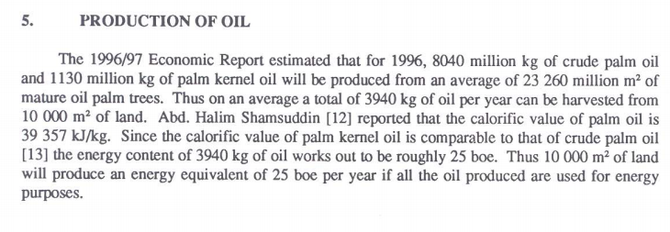

 | 114
 |  | average yield in kg/ha |  | 3940 | kg/ha
 |  | average yield kg/km2 |  | 394000 | kg/km2
 |  | energy content Kg |  | 39.357 | MJ/kg
 |  | Yield in MJ/km2 |  | 15506658 | MJ/km2
 |  |  |  | 15506.658 | GJ/km2
 |  |  |  | 155066.58 | MJ/ha

 |  |  |  | 39357 | kJ/kg

Sources | Page |  | Notes

http://www.indexmundi.com/commodities/?commodity=palm-oil&currency=eur
 |  |  |  | Palm oil - Monthly Price (Euro per Metric Ton)
 |  |  |  | Month | Price | Change
 |  |  |  | Jan-15 | 553.33 | -
 |  |  |  | Feb-15 | 559.11 | 1.04%
 |  |  |  | Mar-15 | 560.87 | 0.32%
 |  |  |  | Apr-15 | 549.12 | -2.10%
 |  |  |  | May-15 | 539.06 | -1.83%
 |  |  |  | Jun-15 | 540.83 | 0.33%
 |  |  |  | Jul-15 | 523.79 | -3.15%
 |  |  |  | Aug-15 | 435.23 | -16.91%
 |  |  |  | Sep-15 | 430.75 | -1.03%
 |  |  |  | Oct-15 | 472.32 | 9.65%
 |  |  |  | Nov-15 | 468.09 | -0.90%
 |  |  |  | Dec-15 | 478.65 | 2.26%

 |  |  | 509.2625 | Euro per Metric ton
 |  |  | 0.012939566024 | EUR/MJ
Sources | Page |  | Notes
IPCC_2006_Guidelines for National Greenhouse Gas Inventories - Vol 2 Energy - Ch 1 Introduction.pdf

 | 1.14 |  |  | definition waste oils
 | 1.15 |  |  | definition biodiesels and other liquid buifuels

 |  |  |  | 0.0733 | waste oils | bio oil
 |  |  |  | 0.0708 | biodiesels
 |  |  |  | 0.0796 | other liquid biofuels
 |  |  |  | 0.074566666667 | average

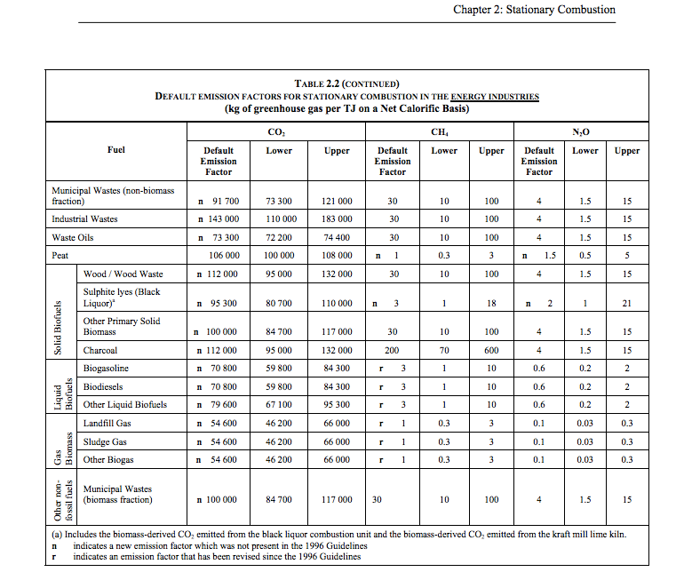

 | 1.24 |  |  | 73300 | kg CO2/TJ | waste oils
 |  |  |  | 1000000 | TJ/MJ
 |  |  |  | 0.0733 | kg CO2/TJ

 |  |  |  | 70800 | kg CO2/TJ | biodiesels
 |  |  |  | 1000000 | TJ/MJ
 |  |  |  | 0.0708 | kg CO2/TJ
 |  |  |  | 79600 | kg CO2/TJ | other liquid biofuels
 |  |  |  | 1000000 | TJ/MJ
 |  |  |  | 0.0796 | kg CO2/TJ

Sources | Page |  | Notes

EU JRC_201111_Well-to-wheel analysis of future automotive fuels and powertrains in the European context (version 3c) WTT Appendix 1
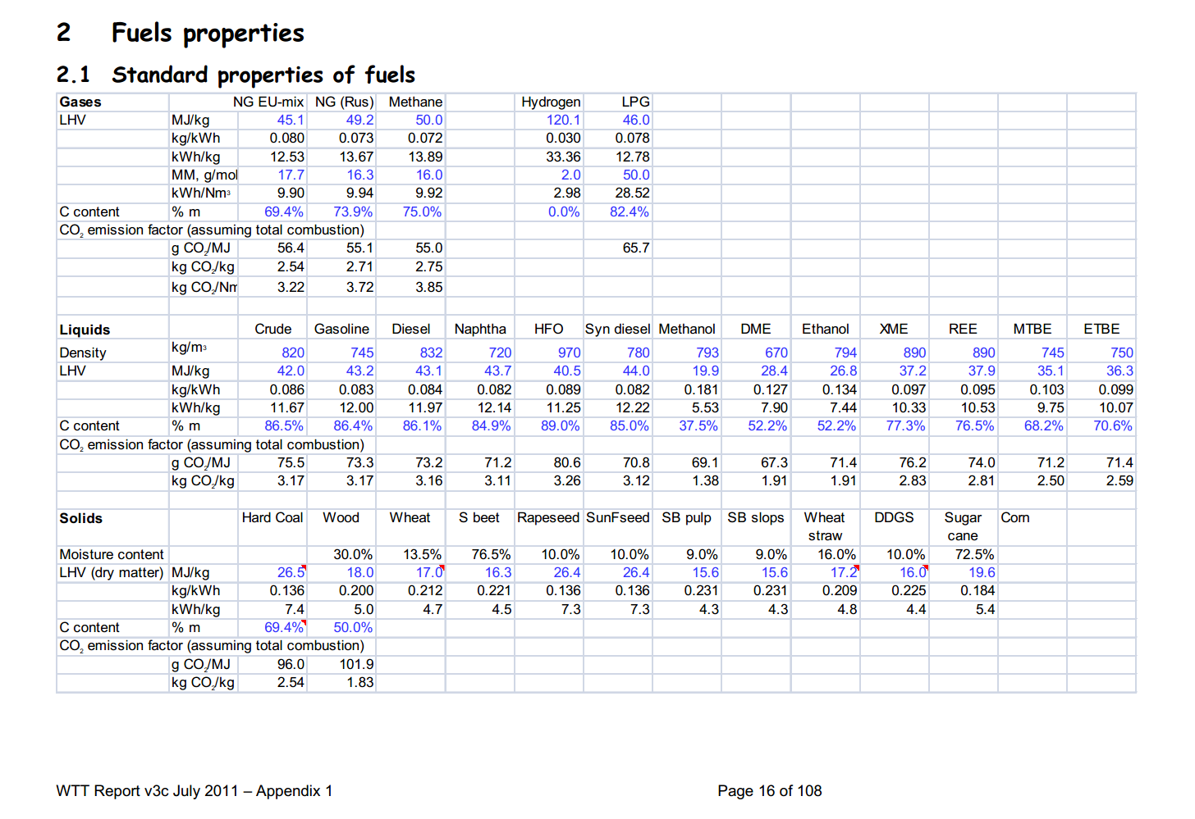

 | 16 |  |  | kg/m3 | Density
 |  |  |  | MJ/KG | LHV
 |  |  |  | kg/dm3 | transform to kg/Liter
 |  |  |  | MJ/L | LHV

Sources | Page |  | Notes

Borjesson_2010_Agricultural crop-based biofuels.pdf

 | 111

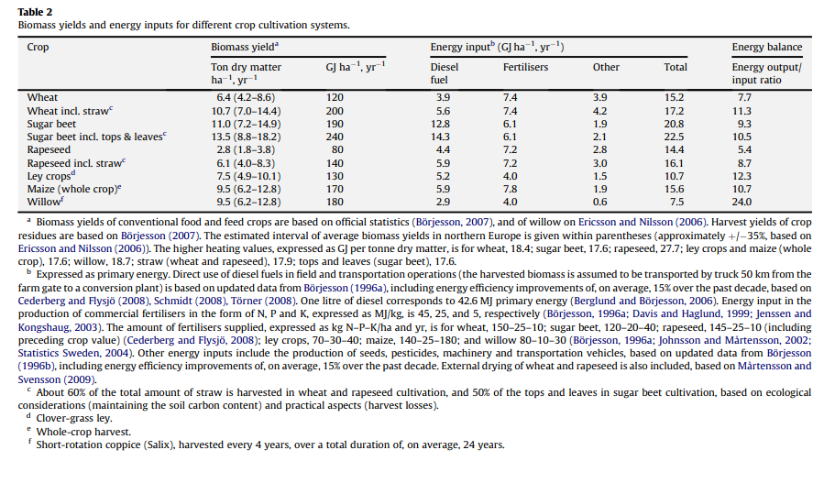

 | 111

 | 112

 | 113

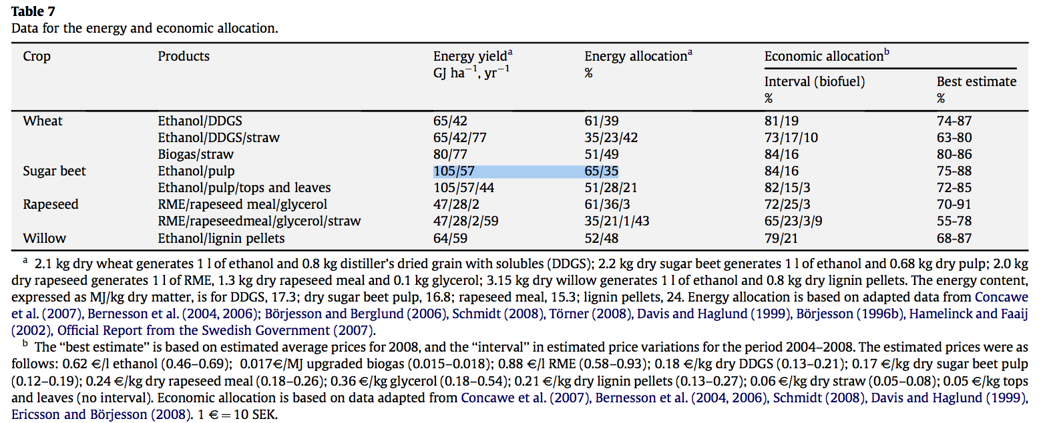
 | 114

 |  |  |  | GJ/ha/yr
 |  |  |  | MJ/ha/yr
 |  |  |  | MJ/km2/yr

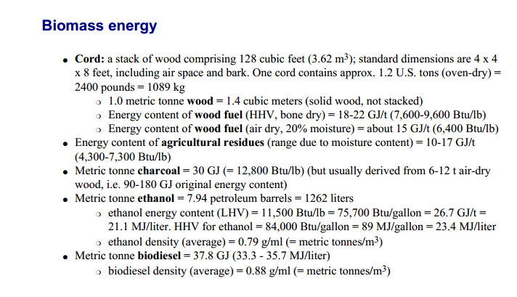
Sources | Page |  | Notes

CE_Delft_201109_Toelichting_ketenkentallen_incl_biodiesel_bio-ethanol_(LCA).pdf

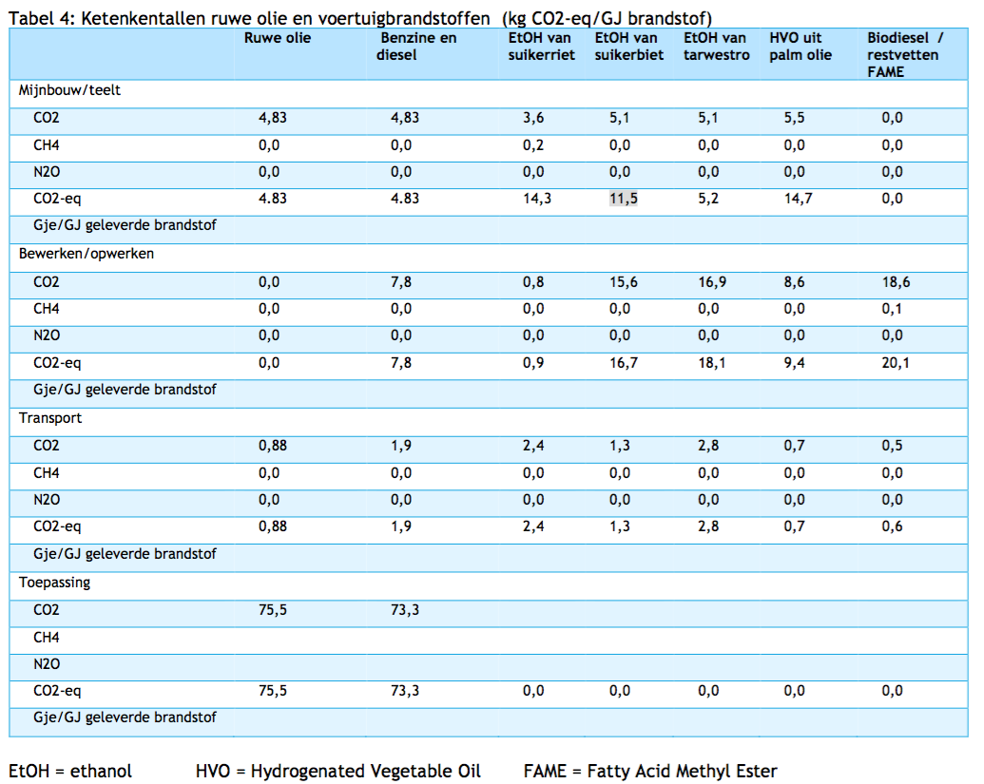

 | 12

