Notes
Source | Notes

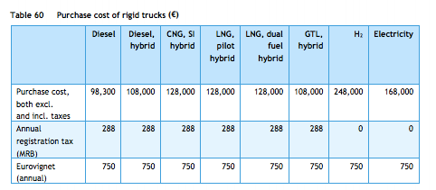
cedelft-ecn-tno
p.84

 |  | 248000 | euro

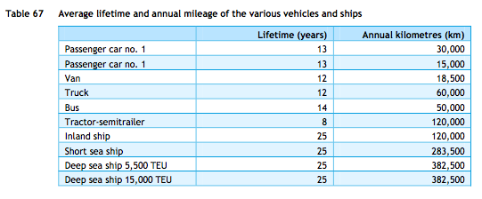

 |  | 12 | yrs

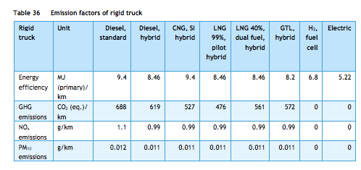
cedelft-ecn-tno
p.66

 |  | 6.8 | MJ/km
 |  | 0.14705882353 | km/MJ

