Table 150
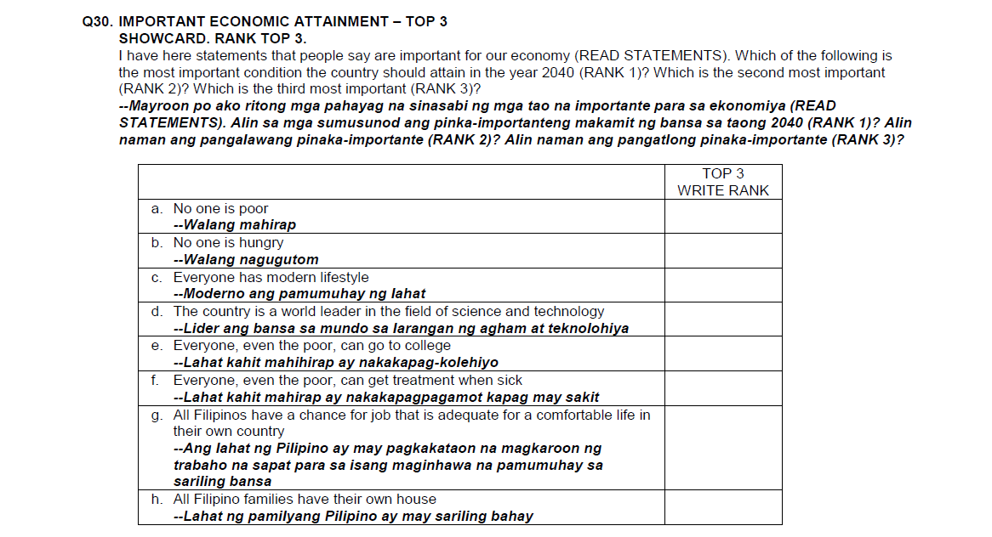
Table 150
Project: 2040

30. Important Economic Attainment: Rank 1
Banner 1: Standard Banner
All respondents

 |  | SEC |  |  |  |  |  | AGE |  |  |  | GENDER |  | WORK STATUS |  |  | LOCALE
 | TOTAL | ABC (NET) | AB | C1 | C2 | D | E | 15-19 | 20-29 | 30-39 | 40-50 | Male | Female | Working | Not Working | Student | Urban | Rural
BASE - Total interviews:
Unweighted | 10000 | 2280 | 60 | 493 | 1727 | 4784 | 2936 | 1511 | 3057 | 2967 | 2465 | 5002 | 4998 | 4927 | 4058 | 1015 | 4620 | 5380
Weighted | 10000 | 2260 | 60 | 482 | 1717 | 4820 | 2921 | 1978 | 3211 | 2594 | 2217 | 5032 | 4968 | 4653 | 4042 | 1305 | 4569 | 5431

 | % | % | % | % | % | % | % | % | % | % | % | % | % | % | % | % | % | %

a. No one is poor | 29 | 29 | 27 | 33 | 28 | 28 | 30 | 29 | 27 | 28 | 32 | 29 | 28 | 30 | 28 | 27 | 30 | 28
b. No one is hungry | 26 | 26 | 21 | 22 | 27 | 26 | 25 | 24 | 26 | 28 | 24 | 26 | 25 | 25 | 26 | 26 | 27 | 24
g. All Filipinos have a chance for job that is adequate for a comfortable life in their own country | 18 | 19 | 35 | 18 | 18 | 19 | 17 | 20 | 19 | 17 | 18 | 16 | 20 | 17 | 18 | 21 | 17 | 20
h. All Filipino families have their own house | 9 | 7 | 6 | 6 | 7 | 9 | 11 | 9 | 9 | 9 | 9 | 10 | 9 | 9 | 10 | 9 | 8 | 10
e. Everyone, even the poor, can go to college | 7 | 8 | 5 | 8 | 8 | 7 | 6 | 7 | 7 | 8 | 7 | 7 | 7 | 7 | 7 | 7 | 7 | 7
f. Everyone, even the poor, can get treatment when sick | 5 | 5 | - | 6 | 5 | 5 | 6 | 4 | 6 | 5 | 5 | 5 | 5 | 6 | 5 | 5 | 5 | 5
c. Everyone has modern lifestyle | 4 | 5 | - | 5 | 5 | 4 | 4 | 4 | 5 | 3 | 4 | 4 | 4 | 4 | 4 | 4 | 4 | 4
d. The country is a world leader in the field of science and technology | 2 | 3 | 7 | 3 | 2 | 2 | 2 | 2 | 2 | 2 | 2 | 2 | 2 | 2 | 2 | 2 | 2 | 2

