Sheet1
Substructure | Substructure in Molecule | Compound ID | Activity label | p_value | Compounds with substr. | Comp. with substr. active | Comp. with substr. inactive
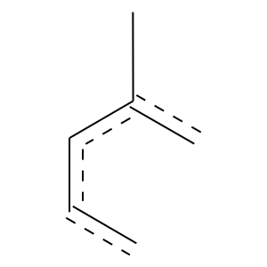 | 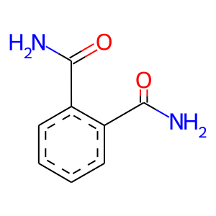 | 3 | 0 | 0.005372301398530611 | 41.0 | 6 | 35
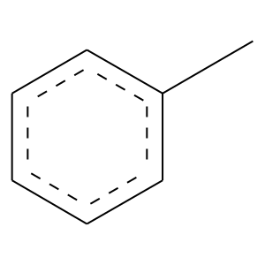 |  | 3 | 0 | 0.008308492751005321 | 40.0 | 6 | 34
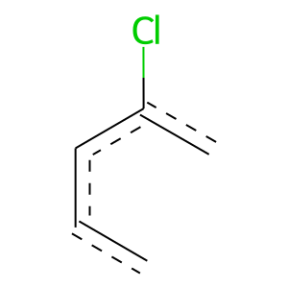 | 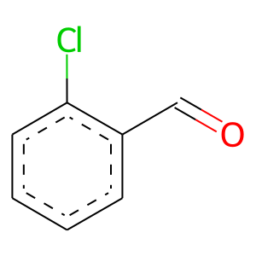 | 11 | 0 | 0 | 13.0 | 0 | 13
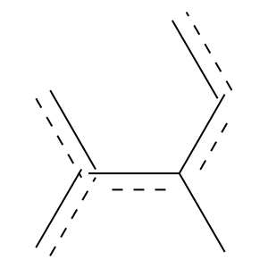 | 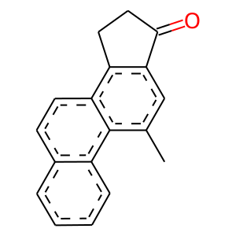 | 12 | 1 | 0 | 11.0 | 11 | 0
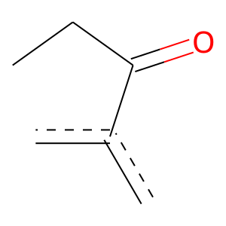 |  | 12 | 1 | 0 | 7.0 | 7 | 0
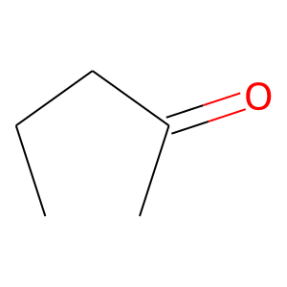 |  | 12 | 1 | 0 | 9.0 | 9 | 0
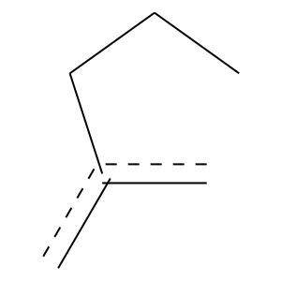 |  | 12 | 1 | 0 | 11.0 | 11 | 0
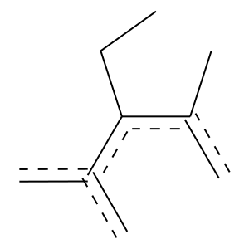 |  | 12 | 1 | 0 | 6.0 | 6 | 0
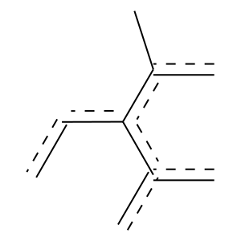 |  | 12 | 1 | 0 | 9.0 | 9 | 0
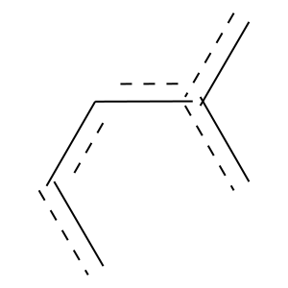 |  | 12 | 1 | 1.7019459281890697e-15 | 87.0 | 79 | 8
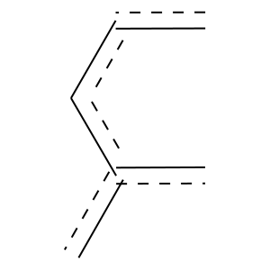 |  | 12 | 1 | 6.134963952496402e-23 | 117.0 | 108 | 9
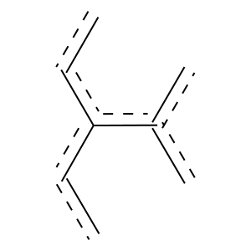 |  | 12 | 1 | 5.51579571192361e-16 | 69.0 | 66 | 3
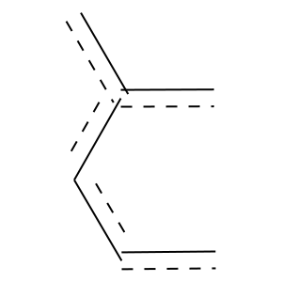 |  | 12 | 1 | 3.2437649939125168e-24 | 140.0 | 126 | 14
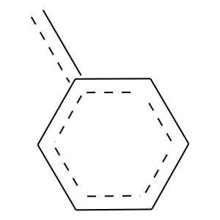 |  | 12 | 1 | 2.5099973217634027e-22 | 111.0 | 103 | 8
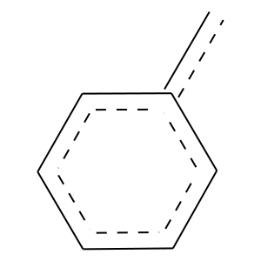 |  | 12 | 1 | 1.7807671897396234e-19 | 126.0 | 111 | 15
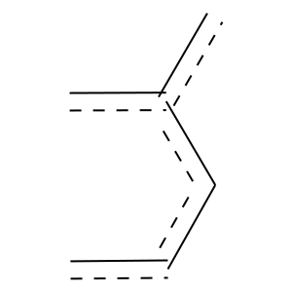 |  | 12 | 1 | 3.8393464837955704e-21 | 139.0 | 122 | 17
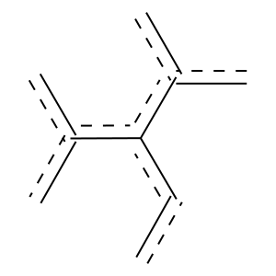 |  | 12 | 1 | 0 | 17.0 | 17 | 0
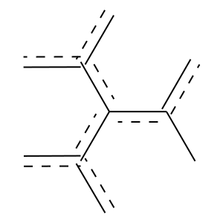 |  | 12 | 1 | 0 | 9.0 | 9 | 0
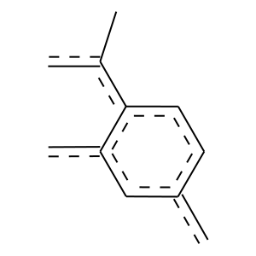 | 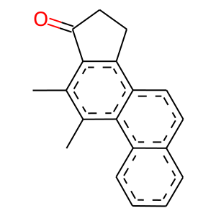 | 13 | 1 | 0 | 9.0 | 9 | 0
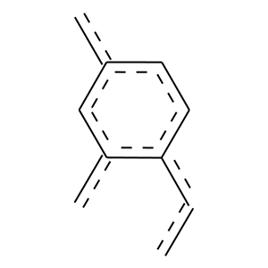 |  | 13 | 1 | 0 | 41.0 | 41 | 0
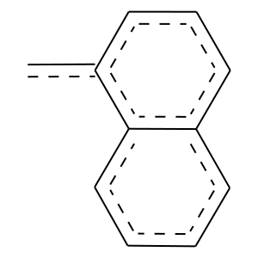 |  | 13 | 1 | 0 | 16.0 | 16 | 0
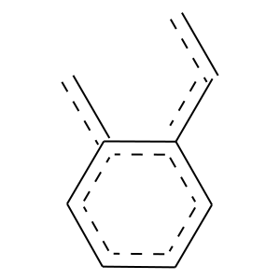 |  | 13 | 1 | 1.1051022772463965e-15 | 68.0 | 65 | 3
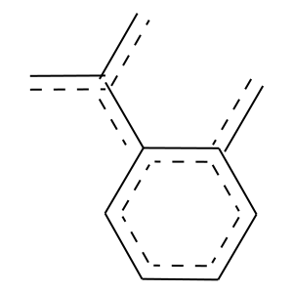 |  | 13 | 1 | 0 | 17.0 | 17 | 0
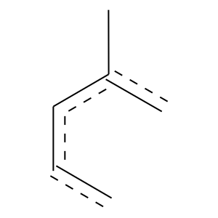 | 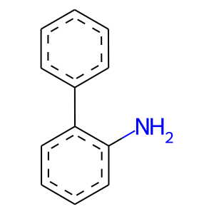 | 22 | 1 | 3.156807832114062e-05 | 71.0 | 55 | 16
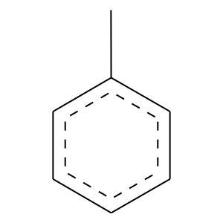 |  | 22 | 1 | 0.0034755655347782923 | 61.0 | 45 | 16
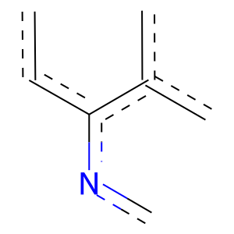 | 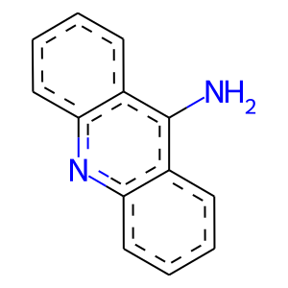 | 23 | 1 | 0 | 9.0 | 9 | 0
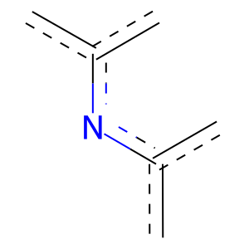 |  | 23 | 1 | 0 | 6.0 | 6 | 0
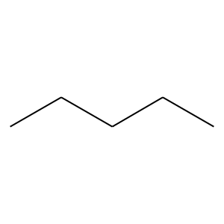 | 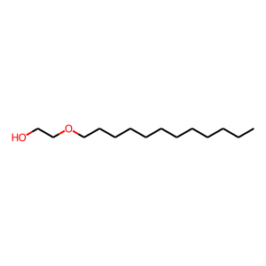 | 27 | 0 | 0.0003057851105767067 | 58.0 | 9 | 49
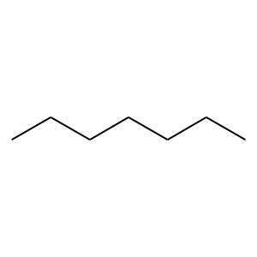 |  | 27 | 0 | 0.00046004101152611747 | 39.0 | 4 | 35
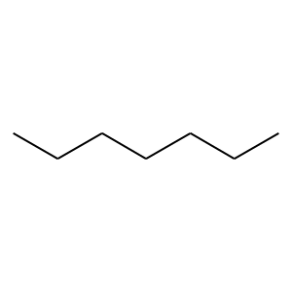 |  | 27 | 0 | 0.025360721522908084 | 34.0 | 5 | 29
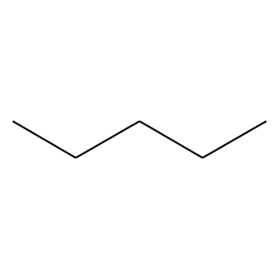 |  | 27 | 0 | 0.021681337650026923 | 60.0 | 13 | 47
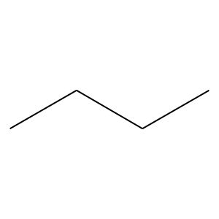 |  | 27 | 0 | 0.00017492782115022192 | 131.0 | 32 | 99
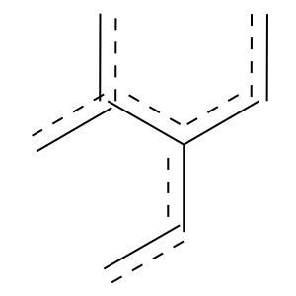 | 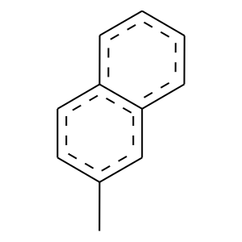 | 36 | 1 | 0.0027826575222227104 | 22.0 | 20 | 2
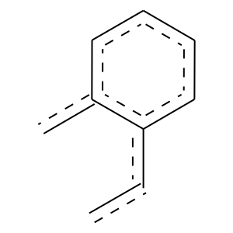 |  | 36 | 1 | 0.0017663516102450832 | 19.0 | 18 | 1
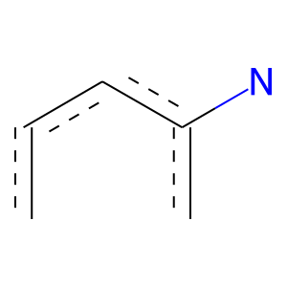 | 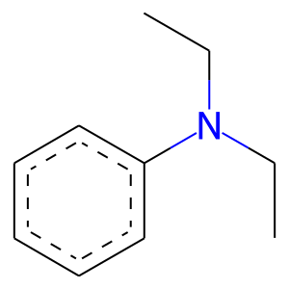 | 42 | 0 | 0 | 8.0 | 0 | 8
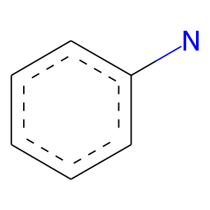 |  | 42 | 0 | 0 | 8.0 | 0 | 8
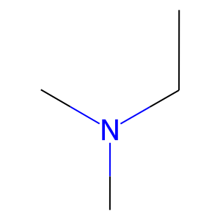 | 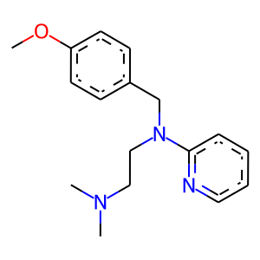 | 44 | 0 | 0 | 9.0 | 0 | 9
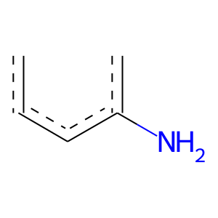 | 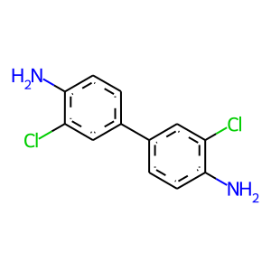 | 46 | 1 | 0 | 23.0 | 23 | 0
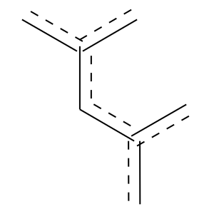 |  | 50 | 1 | 1.6689814223443807e-06 | 29.0 | 28 | 1
 |  | 56 | 1 | 6.80881100382305e-06 | 27.0 | 26 | 1
 |  | 56 | 1 | 0 | 16.0 | 16 | 0
 |  | 56 | 1 | 0 | 21.0 | 21 | 0
 |  | 59 | 0 | 0 | 6.0 | 0 | 6
 |  | 64 | 0 | 0 | 17.0 | 0 | 17
 |  | 66 | 1 | 0 | 19.0 | 19 | 0
 |  | 66 | 1 | 7.084184980984656e-06 | 31.0 | 29 | 2
 |  | 67 | 1 | 0 | 19.0 | 19 | 0
 |  | 67 | 1 | 0 | 9.0 | 9 | 0
 |  | 70 | 0 | 0 | 6.0 | 0 | 6
 |  | 71 | 0 | 0 | 6.0 | 0 | 6
 |  | 77 | 0 | 0 | 12.0 | 0 | 12
 |  | 77 | 0 | 0.007798780426264636 | 21.0 | 1 | 20
 |  | 78 | 0 | 0 | 6.0 | 0 | 6
 |  | 89 | 0 | 0 | 6.0 | 0 | 6
 |  | 89 | 0 | 0.003416563996372698 | 31.0 | 3 | 28
 |  | 89 | 0 | 0.011202893601315657 | 46.0 | 8 | 38
 |  | 95 | 1 | 0 | 7.0 | 7 | 0
 |  | 99 | 1 | 0.00350286232259129 | 18.0 | 17 | 1
 |  | 101 | 1 | 0 | 6.0 | 6 | 0
 |  | 101 | 1 | 0 | 9.0 | 9 | 0
 |  | 107 | 1 | 0 | 6.0 | 6 | 0
 |  | 107 | 1 | 0 | 6.0 | 6 | 0
 |  | 117 | 1 | 0 | 9.0 | 9 | 0
 |  | 132 | 1 | 0 | 28.0 | 28 | 0
 |  | 132 | 1 | 0 | 11.0 | 11 | 0
 |  | 132 | 1 | 0 | 16.0 | 16 | 0
 |  | 132 | 1 | 0 | 26.0 | 26 | 0
 |  | 132 | 1 | 0 | 11.0 | 11 | 0
 |  | 133 | 1 | 0 | 7.0 | 7 | 0
 |  | 151 | 0 | 0 | 6.0 | 0 | 6
 |  | 157 | 0 | 0.013365834378346628 | 20.0 | 1 | 19

