Sheet1
 | Compound ID | Number compounds | statistic | p_value | Diff. distribution means (w - wo) | Compounds with substr.
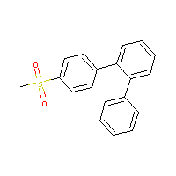 | 1 | 4743 | 0.95107039944 | 3.5206489095E-08 | 0.079074779594 | 219
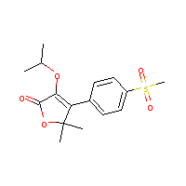 | 4 | 4743 | 2.5891025107 | 9.9468657381E-10 | 0.41089393875 | 58
 | 4 | 4743 | 2.4618841729 | 1.4279585713E-09 | 0.28916907967 | 107
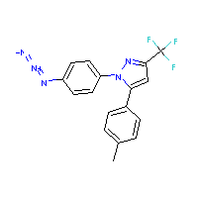 | 14 | 4743 | -0.23180940526 | 8.4167472661E-08 | -0.024155111027 | 137
 | 14 | 4743 | 0.83615069963 | 4.1544096528E-08 | 0.096100365214 | 112
 | 14 | 4743 | 1.0736061453 | 2.9171040102E-08 | 0.093660548963 | 198
 | 14 | 4743 | 1.9414328985 | 5.386270097E-09 | 0.18065521936 | 173
 | 14 | 4743 | 0.81738058251 | 4.2640617279E-08 | 0.09519699175 | 109
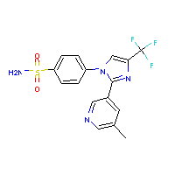 | 17 | 4743 | 1.8734983776 | 6.2927801618E-09 | 0.2116079313 | 116
 | 17 | 4743 | 2.2780876615 | 2.346135287E-09 | 0.35855269478 | 59
 | 17 | 4743 | 3.4481257758 | 5.8675145676E-11 | 0.45571816371 | 84
 | 17 | 4743 | 1.9326635205 | 5.4967675308E-09 | 0.21920904876 | 115
 | 17 | 4743 | 1.8734983776 | 6.2927801618E-09 | 0.2116079313 | 116
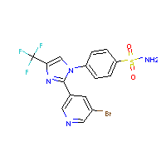 | 18 | 4743 | 1.8734983776 | 6.2927801618E-09 | 0.2116079313 | 116
 | 18 | 4743 | 1.8734983776 | 6.2927801618E-09 | 0.2116079313 | 116
 | 18 | 4743 | 3.4481257758 | 5.8675145676E-11 | 0.45571816371 | 84
 | 18 | 4743 | 2.2780876615 | 2.346135287E-09 | 0.35855269478 | 59
 | 18 | 4743 | 1.9326635205 | 5.4967675308E-09 | 0.21920904876 | 115
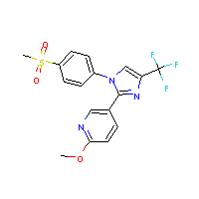 | 19 | 4743 | 1.8734983776 | 6.2927801618E-09 | 0.2116079313 | 116
 | 19 | 4743 | 1.8734983776 | 6.2927801618E-09 | 0.2116079313 | 116
 | 19 | 4743 | 3.3912140219 | 7.229066608E-11 | 0.32071421011 | 167
 | 19 | 4743 | 1.9326635205 | 5.4967675308E-09 | 0.21920904876 | 115
 | 20 | 4743 | 1.8734983776 | 6.2927801618E-09 | 0.2116079313 | 116
 | 20 | 4743 | 1.8734983776 | 6.2927801618E-09 | 0.2116079313 | 116
 | 20 | 4743 | 3.3912140219 | 7.229066608E-11 | 0.32071421011 | 167
 | 20 | 4743 | 1.9326635205 | 5.4967675308E-09 | 0.21920904876 | 115
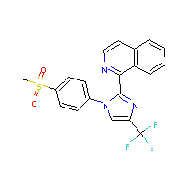 | 21 | 4743 | 3.3912140219 | 7.229066608E-11 | 0.32071421011 | 167
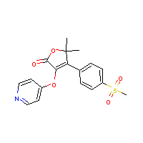 | 24 | 4743 | 2.5891025107 | 9.9468657381E-10 | 0.41089393875 | 58
 | 24 | 4743 | 2.4618841729 | 1.4279585713E-09 | 0.28916907967 | 107
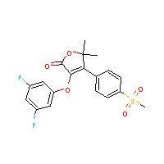 | 25 | 4743 | 2.5891025107 | 9.9468657381E-10 | 0.41089393875 | 58
 | 25 | 4743 | 2.4618841729 | 1.4279585713E-09 | 0.28916907967 | 107
 | 26 | 4743 | 2.5891025107 | 9.9468657381E-10 | 0.41089393875 | 58
 | 26 | 4743 | 2.4618841729 | 1.4279585713E-09 | 0.28916907967 | 107
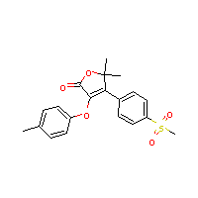 | 32 | 4743 | 2.5891025107 | 9.9468657381E-10 | 0.41089393875 | 58
 | 32 | 4743 | 2.4618841729 | 1.4279585713E-09 | 0.28916907967 | 107
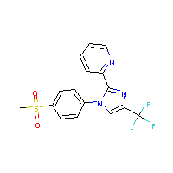 | 36 | 4743 | 3.3912140219 | 7.229066608E-11 | 0.32071421011 | 167
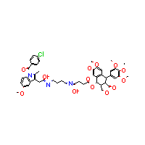 | 37 | 4743 | 2.7868897784 | 5.5059589977E-10 | 0.23895636107 | 205
 | 37 | 4743 | 0.8378277051 | 4.1446957769E-08 | 0.09546500459 | 114
 | 37 | 4743 | 4.2382425348 | 2.3652037877E-12 | 0.37837473311 | 188
 | 37 | 4743 | 3.8871577175 | 1.05936314E-11 | 0.33862112347 | 198
 | 37 | 4743 | 2.6411673605 | 8.5423587514E-10 | 0.24568535499 | 173
 | 37 | 4743 | 2.9246425709 | 3.5706185859E-10 | 0.27667423815 | 167
 | 37 | 4743 | 3.2551278373 | 1.1761747489E-10 | 0.28301315314 | 199
 | 37 | 4743 | 1.1198990786 | 2.7085093557E-08 | 0.13042213643 | 109
 | 37 | 4743 | 3.3053743538 | 9.8467696683E-11 | 0.28806544868 | 198
 | 37 | 4743 | 3.0377112142 | 2.4699317027E-10 | 0.28735052406 | 167
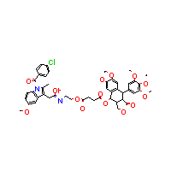 | 38 | 4743 | 2.7868897784 | 5.5059589977E-10 | 0.23895636107 | 205
 | 38 | 4743 | 3.0377112142 | 2.4699317027E-10 | 0.28735052406 | 167
 | 38 | 4743 | 0.8378277051 | 4.1446957769E-08 | 0.09546500459 | 114
 | 38 | 4743 | 4.2382425348 | 2.3652037877E-12 | 0.37837473311 | 188
 | 38 | 4743 | 3.8871577175 | 1.05936314E-11 | 0.33862112347 | 198
 | 38 | 4743 | 2.6411673605 | 8.5423587514E-10 | 0.24568535499 | 173
 | 38 | 4743 | 2.9246425709 | 3.5706185859E-10 | 0.27667423815 | 167
 | 38 | 4743 | 3.2551278373 | 1.1761747489E-10 | 0.28301315314 | 199
 | 38 | 4743 | 1.1198990786 | 2.7085093557E-08 | 0.13042213643 | 109
 | 38 | 4743 | 3.3053743538 | 9.8467696683E-11 | 0.28806544868 | 198
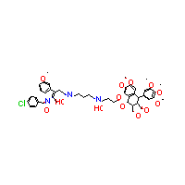 | 39 | 4743 | 2.7868897784 | 5.5059589977E-10 | 0.23895636107 | 205
 | 39 | 4743 | 0.8378277051 | 4.1446957769E-08 | 0.09546500459 | 114
 | 39 | 4743 | 4.2382425348 | 2.3652037877E-12 | 0.37837473311 | 188
 | 39 | 4743 | 3.8871577175 | 1.05936314E-11 | 0.33862112347 | 198
 | 39 | 4743 | 2.6411673605 | 8.5423587514E-10 | 0.24568535499 | 173
 | 39 | 4743 | 2.9246425709 | 3.5706185859E-10 | 0.27667423815 | 167
 | 39 | 4743 | 3.2551278373 | 1.1761747489E-10 | 0.28301315314 | 199
 | 39 | 4743 | 1.1198990786 | 2.7085093557E-08 | 0.13042213643 | 109
 | 39 | 4743 | 3.3053743538 | 9.8467696683E-11 | 0.28806544868 | 198
 | 39 | 4743 | 3.0377112142 | 2.4699317027E-10 | 0.28735052406 | 167
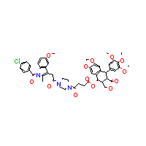 | 40 | 4743 | 2.7868897784 | 5.5059589977E-10 | 0.23895636107 | 205
 | 40 | 4743 | 3.0377112142 | 2.4699317027E-10 | 0.28735052406 | 167
 | 40 | 4743 | 4.2382425348 | 2.3652037877E-12 | 0.37837473311 | 188
 | 40 | 4743 | 3.8871577175 | 1.05936314E-11 | 0.33862112347 | 198
 | 40 | 4743 | 2.6411673605 | 8.5423587514E-10 | 0.24568535499 | 173
 | 40 | 4743 | 2.9246425709 | 3.5706185859E-10 | 0.27667423815 | 167
 | 40 | 4743 | 3.2551278373 | 1.1761747489E-10 | 0.28301315314 | 199
 | 40 | 4743 | 3.3053743538 | 9.8467696683E-11 | 0.28806544868 | 198
 | 1 | 4743 | 0.95107039944 | 0.00010966821353 | 0.079074779594 | 219
 | 4 | 4743 | 2.4618841729 | 4.4480909495E-06 | 0.28916907967 | 107
 | 14 | 4743 | -0.23180940526 | 0.00026218167734 | -0.024155111027 | 137
 | 14 | 4743 | 0.83615069963 | 0.00012940986069 | 0.096100365214 | 112
 | 14 | 4743 | 1.0736061453 | 9.0867789919E-05 | 0.093660548963 | 198
 | 14 | 4743 | 1.9414328985 | 1.6778231352E-05 | 0.18065521936 | 173
 | 14 | 4743 | 0.81738058251 | 0.00013282552283 | 0.09519699175 | 109
 | 17 | 4743 | 1.8734983776 | 1.9602010204E-05 | 0.2116079313 | 116
 | 17 | 4743 | 1.9326635205 | 1.7122430858E-05 | 0.21920904876 | 115
 | 17 | 4743 | 1.8734983776 | 1.9602010204E-05 | 0.2116079313 | 116
 | 18 | 4743 | 1.8734983776 | 1.9602010204E-05 | 0.2116079313 | 116
 | 18 | 4743 | 1.8734983776 | 1.9602010204E-05 | 0.2116079313 | 116
 | 18 | 4743 | 1.9326635205 | 1.7122430858E-05 | 0.21920904876 | 115
 | 19 | 4743 | 1.8734983776 | 1.9602010204E-05 | 0.2116079313 | 116
 | 19 | 4743 | 1.8734983776 | 1.9602010204E-05 | 0.2116079313 | 116
 | 19 | 4743 | 3.3912140219 | 2.2518542484E-07 | 0.32071421011 | 167
 | 19 | 4743 | 1.9326635205 | 1.7122430858E-05 | 0.21920904876 | 115
 | 20 | 4743 | 1.8734983776 | 1.9602010204E-05 | 0.2116079313 | 116
 | 20 | 4743 | 1.8734983776 | 1.9602010204E-05 | 0.2116079313 | 116
 | 20 | 4743 | 3.3912140219 | 2.2518542484E-07 | 0.32071421011 | 167
 | 20 | 4743 | 1.9326635205 | 1.7122430858E-05 | 0.21920904876 | 115
 | 21 | 4743 | 3.3912140219 | 2.2518542484E-07 | 0.32071421011 | 167
 | 24 | 4743 | 2.4618841729 | 4.4480909495E-06 | 0.28916907967 | 107
 | 25 | 4743 | 2.4618841729 | 4.4480909495E-06 | 0.28916907967 | 107
 | 26 | 4743 | 2.4618841729 | 4.4480909495E-06 | 0.28916907967 | 107
 | 32 | 4743 | 2.4618841729 | 4.4480909495E-06 | 0.28916907967 | 107
 | 36 | 4743 | 3.3912140219 | 2.2518542484E-07 | 0.32071421011 | 167
 | 37 | 4743 | 2.7868897784 | 1.7151062278E-06 | 0.23895636107 | 205
 | 37 | 4743 | 0.8378277051 | 0.00012910727345 | 0.09546500459 | 114
 | 37 | 4743 | 4.2382425348 | 7.3676097986E-09 | 0.37837473311 | 188
 | 37 | 4743 | 3.8871577175 | 3.2999161812E-08 | 0.33862112347 | 198
 | 37 | 4743 | 2.6411673605 | 2.660944751E-06 | 0.24568535499 | 173
 | 37 | 4743 | 2.9246425709 | 1.1122476895E-06 | 0.27667423815 | 167
 | 37 | 4743 | 3.2551278373 | 3.6637843427E-07 | 0.28301315314 | 199
 | 37 | 4743 | 1.1198990786 | 8.4370066431E-05 | 0.13042213643 | 109
 | 37 | 4743 | 3.3053743538 | 3.0672687517E-07 | 0.28806544868 | 198
 | 37 | 4743 | 3.0377112142 | 7.6938372538E-07 | 0.28735052406 | 167
 | 38 | 4743 | 2.7868897784 | 1.7151062278E-06 | 0.23895636107 | 205
 | 38 | 4743 | 3.0377112142 | 7.6938372538E-07 | 0.28735052406 | 167
 | 38 | 4743 | 0.8378277051 | 0.00012910727345 | 0.09546500459 | 114
 | 38 | 4743 | 4.2382425348 | 7.3676097986E-09 | 0.37837473311 | 188
 | 38 | 4743 | 3.8871577175 | 3.2999161812E-08 | 0.33862112347 | 198
 | 38 | 4743 | 2.6411673605 | 2.660944751E-06 | 0.24568535499 | 173
 | 38 | 4743 | 2.9246425709 | 1.1122476895E-06 | 0.27667423815 | 167
 | 38 | 4743 | 3.2551278373 | 3.6637843427E-07 | 0.28301315314 | 199
 | 38 | 4743 | 1.1198990786 | 8.4370066431E-05 | 0.13042213643 | 109
 | 38 | 4743 | 3.3053743538 | 3.0672687517E-07 | 0.28806544868 | 198
 | 39 | 4743 | 2.7868897784 | 1.7151062278E-06 | 0.23895636107 | 205
 | 39 | 4743 | 0.8378277051 | 0.00012910727345 | 0.09546500459 | 114
 | 39 | 4743 | 4.2382425348 | 7.3676097986E-09 | 0.37837473311 | 188
 | 39 | 4743 | 3.8871577175 | 3.2999161812E-08 | 0.33862112347 | 198
 | 39 | 4743 | 2.6411673605 | 2.660944751E-06 | 0.24568535499 | 173
 | 39 | 4743 | 2.9246425709 | 1.1122476895E-06 | 0.27667423815 | 167
 | 39 | 4743 | 3.2551278373 | 3.6637843427E-07 | 0.28301315314 | 199
 | 39 | 4743 | 1.1198990786 | 8.4370066431E-05 | 0.13042213643 | 109
 | 39 | 4743 | 3.3053743538 | 3.0672687517E-07 | 0.28806544868 | 198
 | 39 | 4743 | 3.0377112142 | 7.6938372538E-07 | 0.28735052406 | 167
 | 40 | 4743 | 2.7868897784 | 1.7151062278E-06 | 0.23895636107 | 205
 | 40 | 4743 | 3.0377112142 | 7.6938372538E-07 | 0.28735052406 | 167
 | 40 | 4743 | 4.2382425348 | 7.3676097986E-09 | 0.37837473311 | 188
 | 40 | 4743 | 3.8871577175 | 3.2999161812E-08 | 0.33862112347 | 198
 | 40 | 4743 | 2.6411673605 | 2.660944751E-06 | 0.24568535499 | 173
 | 40 | 4743 | 2.9246425709 | 1.1122476895E-06 | 0.27667423815 | 167
 | 40 | 4743 | 3.2551278373 | 3.6637843427E-07 | 0.28301315314 | 199
 | 40 | 4743 | 3.3053743538 | 3.0672687517E-07 | 0.28806544868 | 198

