README.md
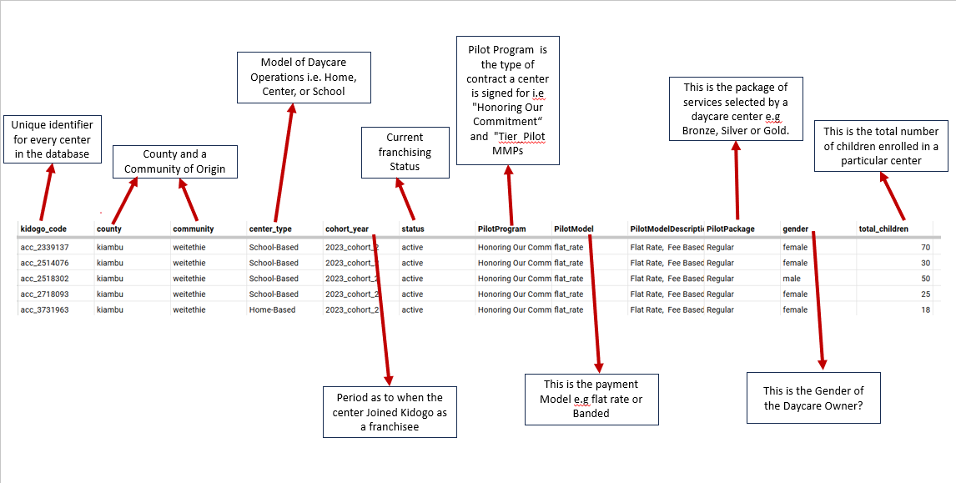
DATA DICTIONARY

Table 1: Collections_Raw
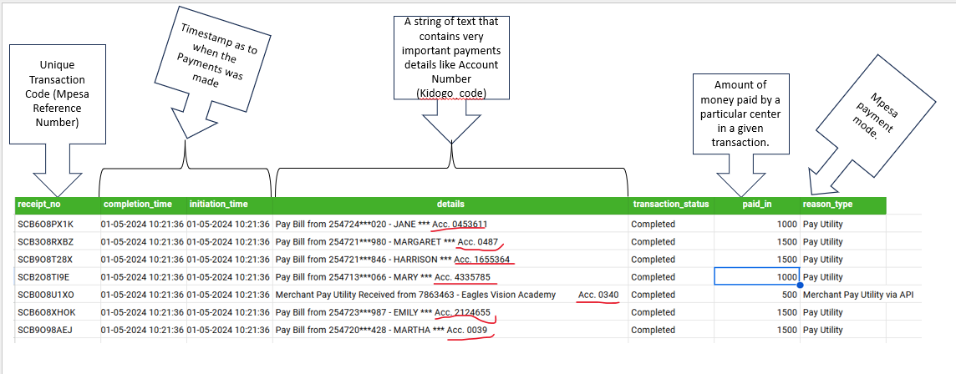

Table 2: AllCenters

