Sheet1
Coformer 1 | SMILES | Coformer 2 | SMILES | Tag | Score
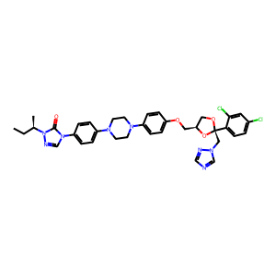 | CC[C@@H](C)n1ncn(-c2ccc(N3CCN(c4ccc(OC[C@H]5CO[C@](Cn6cncn6)(c6ccc(Cl)cc6Cl)O5)cc4)CC3)cc2)c1=O | 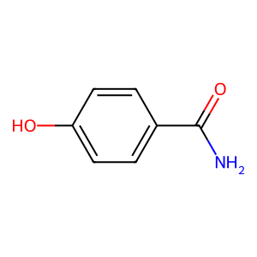 | NC(=O)c1ccc(O)cc1 | drug_0&coformer_0 | 49.257705688
 | CC[C@@H](C)n1ncn(-c2ccc(N3CCN(c4ccc(OC[C@H]5CO[C@](Cn6cncn6)(c6ccc(Cl)cc6Cl)O5)cc4)CC3)cc2)c1=O | 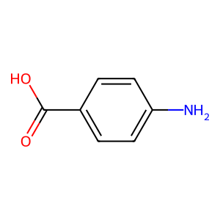 | Nc1ccc(C(=O)O)cc1 | drug_0&coformer_1 | 47.977035522
 | CC[C@@H](C)n1ncn(-c2ccc(N3CCN(c4ccc(OC[C@H]5CO[C@](Cn6cncn6)(c6ccc(Cl)cc6Cl)O5)cc4)CC3)cc2)c1=O | 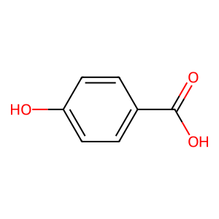 | O=C(O)c1ccc(O)cc1 | drug_0&coformer_2 | 46.227390289

