Reports
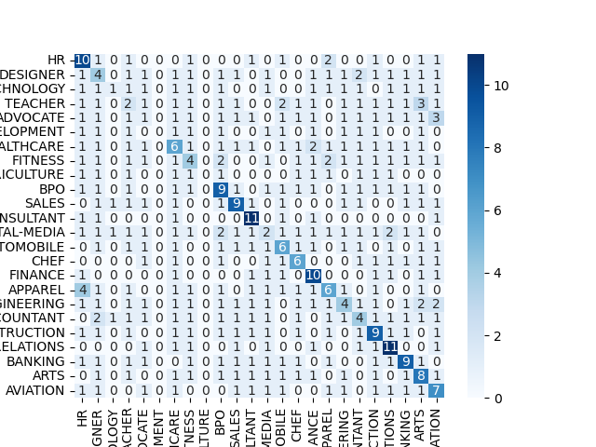
 | precision | recall | f1-score | support
ACCOUNTANT | 0.64705882353 | 0.91666666667 | 0.75862068966 | 12
ADVOCATE | 0.1875 | 0.25 | 0.21428571429 | 12
AGRICULTURE | 0 | 0 | 0 | 7
APPAREL | 0.75 | 0.3 | 0.42857142857 | 10
ARTS | 0 | 0 | 0 | 10
AUTOMOBILE | 0 | 0 | 0 | 3
AVIATION | 0.35714285714 | 0.41666666667 | 0.38461538462 | 12
BANKING | 0.46153846154 | 0.5 | 0.48 | 12
BPO | 0 | 0 | 0 | 2
BUSINESS-DEVELOPMENT | 0.47619047619 | 0.83333333333 | 0.60606060606 | 12
CHEF | 0.84615384615 | 0.91666666667 | 0.88 | 12
CONSTRUCTION | 1 | 0.90909090909 | 0.95238095238 | 11
CONSULTANT | 0.16666666667 | 0.090909090909 | 0.11764705882 | 11
DESIGNER | 0.66666666667 | 0.6 | 0.63157894737 | 10
DIGITAL-MEDIA | 0.4 | 0.2 | 0.26666666667 | 10
ENGINEERING | 0.78571428571 | 1 | 0.88 | 11
FINANCE | 0.66666666667 | 0.33333333333 | 0.44444444444 | 12
FITNESS | 0.2 | 0.090909090909 | 0.125 | 11
HEALTHCARE | 0.14285714286 | 0.16666666667 | 0.15384615385 | 12
HR | 0.75 | 0.81818181818 | 0.78260869565 | 11
INFORMATION-TECHNOLOGY | 0.5 | 0.75 | 0.6 | 12
PUBLIC-RELATIONS | 0.58823529412 | 0.90909090909 | 0.71428571429 | 11
SALES | 0.28571428571 | 0.5 | 0.36363636364 | 12
TEACHER | 0.38461538462 | 0.5 | 0.4347826087 | 10
accuracy | 0.50403225806 | 0.50403225806 | 0.50403225806 | 0.50403225806
macro avg | 0.42761336907 | 0.45839646465 | 0.42579297621 | 248
weighted avg | 0.46475592718 | 0.50403225806 | 0.4658599009 | 248

