Chart1
19 may first 60 vs whole day
580003282 | 56 | 580003282 | 56 | 580003282 | 15
580003282 | 36 | 580003282 | 36 | 580003282 | 15
580003285 | 91 | 580003285 | 91 | 580003285 | 12
580003285 | 71 | 580003285 | 71 | 580003285 | 12
580003288 | 106 | 580003288 | 106 | 580003288 | 8
580003288 | 105 | 580003288 | 105 | 580003288 | 8
580003291 | 119 | 580003291 | 119 | 580003291 | 5
580003291 | 118 | 580003291 | 118 | 580003291 | 5
580003294 | 160 | 580003294 | 160 | 580003294 | 2
580003294 | 135 | 580003294 | 135 | 580003294 | 2
580003297 | 197 | 580003297 | 197 | 580003297 | -1
580003297 | 158 | 580003297 | 158 | 580003297 | -1
580003300 | 191 | 580003300 | 191 | 580003300 | -4
580003300 | 190 | 580003300 | 190 | 580003300 | -4
580003304 | 180 | 580003304 | 180 | 580003304 | -9
580003304 | 174 | 580003304 | 174 | 580003304 | -9
580003307 | 98 | 580003307 | 98 | 580003307 | -12
580003307 | 78 | 580003307 | 78 | 580003307 | -12
580003310 | 43 | 580003310 | 43 | 580003310 | -16
580003310 | 29 | 580003310 | 29 | 580003310 | -16
580003313 | 28 | 580003313 | 28 | 580003313 | -19
580003313 | 21 | 580003313 | 21 | 580003313 | -19
580003316 | 10 | 580003316 | 10 | 580003316 | -23
580003316 | 8 | 580003316 | 8 | 580003316 | -23
580003319 | 8 | 580003319 | 8 | 580003319 | -26
580003319 | 2 | 580003319 | 2 | 580003319 | -26
580003323 | 3 | 580003323 | 3 | 580003323 | -31
580003323 | 1 | 580003323 | 1 | 580003323 | -31
580003326 | 1 | 580003326 | 1 | 580003326 | -35
580003326 | 1 | 580003326 | 1 | 580003326 | -35
580003329 | 0 | 580003329 | 0 | 580003329 | -38
580003329 | 0 | 580003329 | 0 | 580003329 | -38
580003332 | 0 | 580003332 | 0 | 580003332 | -42
580003332 | 0 | 580003332 | 0 | 580003332 | -42
580003335 | 0 | 580003335 | 0 | 580003335 | -45
580003335 | 0 | 580003335 | 0 | 580003335 | -45
580003338 | 0 | 580003338 | 0 | 580003338 | -49
580003338 | 0 | 580003338 | 0 | 580003338 | -49
580003341 | 0 | 580003341 | 0 | 580003341 | -52
580003341 | 0 | 580003341 | 0 | 580003341 | -52
580003345 | 0 | 580003345 | 0 | 580003345 | -56
580003345 | 0 | 580003345 | 0 | 580003345 | -56
580003348 | 0 | 580003348 | 0 | 580003348 | -60
580003348 | 0 | 580003348 | 0 | 580003348 | -60
580003351 | 0 | 580003351 | 0 | 580003351 | -63
580003351 | 0 | 580003351 | 0 | 580003351 | -63
580003354 | 0 | 580003354 | 0 | 580003354 | -66
580003354 | 0 | 580003354 | 0 | 580003354 | -66
580003357 | 0 | 580003357 | 0 | 580003357 | -70
580003357 | 0 | 580003357 | 0 | 580003357 | -70
...

Chart2
579657682 | -85 | 0
579657682 | -85 | 0
579657685 | -88 | 0
579657685 | -88 | 0
579657700 | 76 | 0
579657700 | 76 | 0
579657704 | 72 | 0
579657704 | 72 | 0
579657707 | 69 | 0
579657707 | 69 | 0
579657710 | 66 | 0
579657710 | 66 | 0
579657713 | 62 | 1
579657713 | 62 | 0
579657716 | 59 | 0
579657716 | 59 | 0
579657719 | 56 | 0
579657719 | 56 | 0
579657723 | 52 | 1
579657723 | 52 | 0
579657726 | 48 | 2
579657726 | 48 | 1
579657729 | 45 | 0
579657729 | 45 | 0
579657732 | 42 | 1
579657732 | 42 | 0
579657735 | 39 | 3
579657735 | 39 | 2
579657738 | 35 | 26
579657738 | 35 | 19
579657741 | 32 | 61
579657741 | 32 | 59
579657745 | 27 | 71
579657745 | 27 | 70
579657748 | 24 | 73
579657748 | 24 | 65
579657751 | 20 | 91
579657751 | 20 | 83
579657754 | 17 | 117
579657754 | 17 | 102
579657757 | 13 | 213
579657757 | 13 | 200
579657760 | 10 | 337
579657760 | 10 | 310
579657764 | 5 | 596
579657764 | 5 | 579
579657767 | 1 | 900
579657767 | 1 | 870
579657770 | -1 | 1142
579657770 | -1 | 1126
...

Chart3
2 | 0 | 0 | 0 | 0 | 0
3 | 0 | 0 | 0 | 0 | 0
3 | 0 | 0 | 0 | 0 | 0
3 | 0 | 0 | 0 | 0 | 0
3 | 0 | 0 | 0 | 0 | 0
4 | 0 | 0 | 0 | 0 | 0
4 | 1 | 0 | 10 | 0 | 2
5 | 0 | 2 | 26 | 4 | 28
5 | 3 | 2 | 0 | 19 | 61
6 | 0 | 0 | 0 | 1 | 4
6 | 0 | 0 | 0 | 0 | 0
7 | 0 | 0 | 0 | 0 | 0
8 | 0 | 0 | 0 | 0 | 0
9 | 0 | 0 | 0 | 0 | 0
10 | 0 | 0 | 0 | 0 | 0
11 | 0 | 0 | 26 | 0 | 0
 | 3 | 2 |  | 19 | 61
 |  |  |  |  | 95

Chart4
27th first peak
579657682 | 0 | 579657682 | -85
579657682 | 0 | 579657682 | -85
579657685 | 0 | 579657685 | -88
579657685 | 0 | 579657685 | -88
579657700 | 0 | 579657700 | 76
579657700 | 0 | 579657700 | 76
579657704 | 0 | 579657704 | 72
579657704 | 0 | 579657704 | 72
579657707 | 0 | 579657707 | 69
579657707 | 0 | 579657707 | 69
579657710 | 0 | 579657710 | 66
579657710 | 0 | 579657710 | 66
579657713 | 1 | 579657713 | 62
579657713 | 0 | 579657713 | 62
579657716 | 0 | 579657716 | 59
579657716 | 0 | 579657716 | 59
579657719 | 0 | 579657719 | 56
579657719 | 0 | 579657719 | 56
579657723 | 1 | 579657723 | 52
579657723 | 0 | 579657723 | 52
579657726 | 2 | 579657726 | 48
579657726 | 1 | 579657726 | 48
579657729 | 0 | 579657729 | 45
579657729 | 0 | 579657729 | 45
579657732 | 1 | 579657732 | 42
579657732 | 0 | 579657732 | 42
579657735 | 3 | 579657735 | 39
579657735 | 2 | 579657735 | 39
579657738 | 26 | 579657738 | 35
579657738 | 19 | 579657738 | 35
579657741 | 61 | 579657741 | 32
579657741 | 59 | 579657741 | 32
579657745 | 71 | 579657745 | 27
579657745 | 70 | 579657745 | 27
579657748 | 73 | 579657748 | 24
579657748 | 65 | 579657748 | 24
579657751 | 91 | 579657751 | 20
579657751 | 83 | 579657751 | 20
579657754 | 117 | 579657754 | 17
579657754 | 102 | 579657754 | 17
579657757 | 213 | 579657757 | 13
579657757 | 200 | 579657757 | 13
579657760 | 337 | 579657760 | 10
579657760 | 310 | 579657760 | 10
579657764 | 596 | 579657764 | 5
579657764 | 579 | 579657764 | 5
579657767 | 900 | 579657767 | 1
579657767 | 870 | 579657767 | 1
579657770 | 1142 | 579657770 | -1
579657770 | 1126 | 579657770 | -1
...

Sheet1
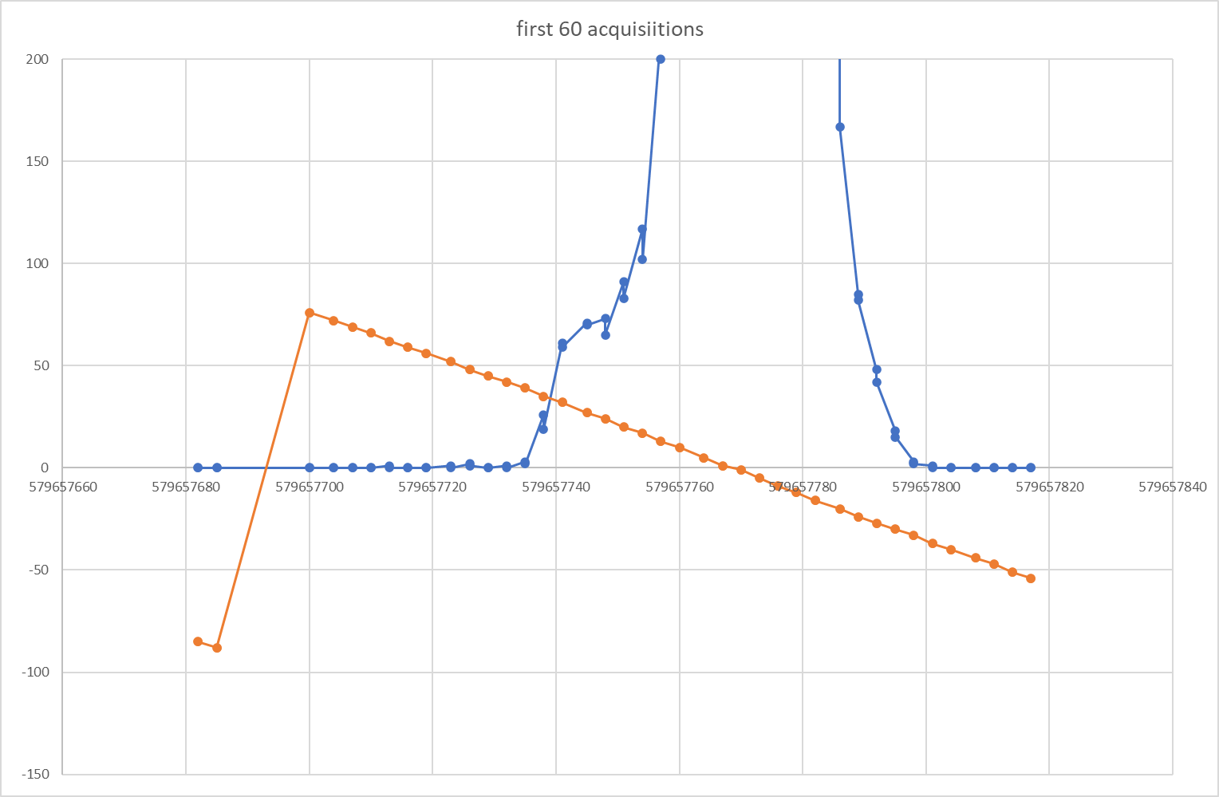

Chart5
580003282 | 56
580003282 | 36
580003285 | 91
580003285 | 71
580003288 | 106
580003288 | 105
580003291 | 119
580003291 | 118
580003294 | 160
580003294 | 135
580003297 | 197
580003297 | 158
580003300 | 191
580003300 | 190
580003304 | 180
580003304 | 174
580003307 | 98
580003307 | 78
580003310 | 43
580003310 | 29
580003313 | 28
580003313 | 21
580003316 | 10
580003316 | 8
580003319 | 8
580003319 | 2
580003323 | 3
580003323 | 1
580003326 | 1
580003326 | 1
580003329 | 0
580003329 | 0
580003332 | 0
580003332 | 0
580003335 | 0
580003335 | 0
580003338 | 0
580003338 | 0
580003341 | 0
580003341 | 0
580003345 | 0
580003345 | 0
580003348 | 0
580003348 | 0
580003351 | 0
580003351 | 0
580003354 | 0
580003354 | 0
580003357 | 0
580003357 | 0
...

