PCR Records
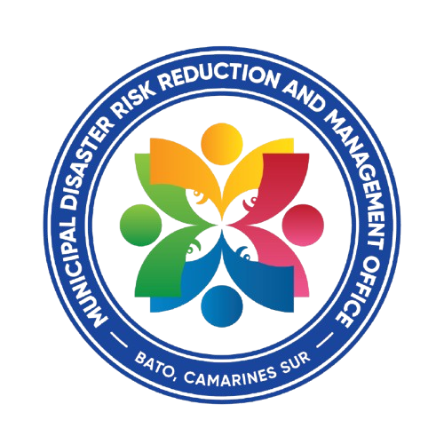
Republic of the Philippines
Province of Camarines Sur
Municipality of Bato
MUNICIPAL DISASTER RISK REDUCTION AND MANAGEMENT OFFICE
Mobile No: 09850837314 | Email Address: batocamsurmdrrmo24@gmail.com | FB Account: Mdrrmo Bato CamSur Eoc | FB Page: Bato CamSur Municipal Disaster Risk Reduction and Management Office
24/7 OPERATION

Type of Emergency | Date of Incident | Time of Incident | Location of Incident | Chief Complaint | Patient Name | Age | Sex | Address | Contact Number | Driver | Responders | Communicator | Remarks

