How to use
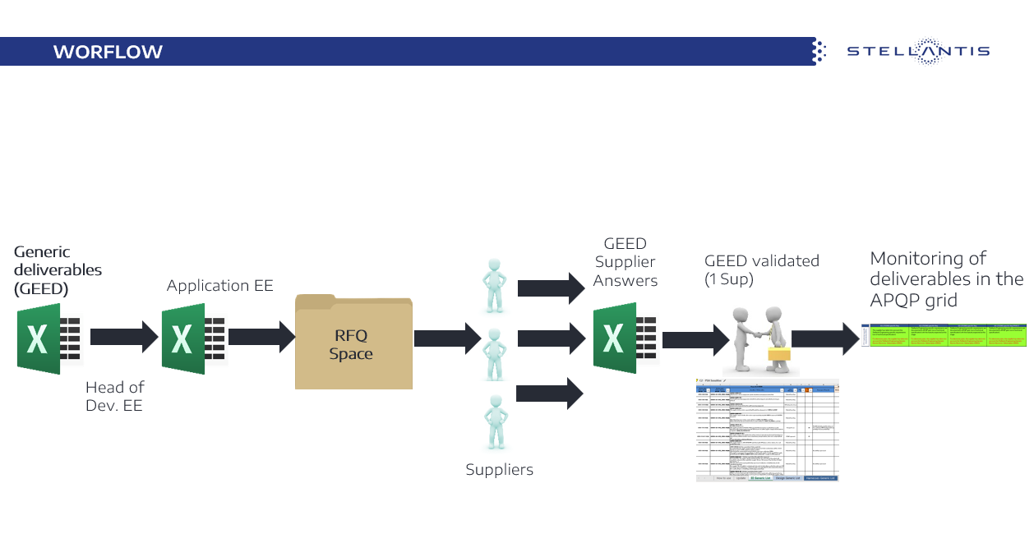
 | Generic EE Deliverables

Purpose
 | The purpose of GEED is to provide a list of requirements selected by the Profession, applicable by the supplier during development. The requirements to be selected, depend on the specificities of the part to be developed. The Profession must : - Update the tab(s) relating to the part (EE Generic List, SW Generic List, Connector, Design) - Specify in the "Applicable" column if the deliverable is requested for this development - Specify a date of request from the profession, then by setting a date negotiated with the supplier in the "date" column.
 | Integrate the instanciated GEED document fulfilled by the awarded supplier in APQP grid requirement "G1-17E ENG specific Req" (APQP STLA grid : 01276_22_00038)
Fields
 | Topic : requirements family
 | Deliverable reference : APQP reference
 | Deliverables : expected deliverable wih expected date to be negociated before kick Off Milestone
 | Milestone : APQP grid milestone : specific deliverables are progressively realised and are registered in Kick Off directory and PPAP directory
 | Applicable Y/N : to precise if such deliverable is requested or not for this development
 | Supplier schedule : indicative proposed date to be replace by delivery date accepted by the supplier
 | Remarks : deliverable analysis
 | RFQ SUPPLIER'S ANSWER / Status : Supplier status regarding list (Agree; Agree with reserves; Disagree; Not applicable)
 | RFQ SUPPLIER'S ANSWER / Justification : Explaination of Supplier anwer
 | RFQ SUPPLIER'S ANSWER /Proposals : Supplier proposal
 | RFQ Stellantis POSITION / Pilot Response : Person who gave the Stellantis status
 | RFQ Stellantis POSITION / Satus : Stellantis status
 | RFQ Stellantis POSITION / Comments : Stellantis comments
 | SUPPLIER'S RESPONSE : Supplier feedback during development
 | STLA's ANSWER : Monitoring by Stellantis of the Supplier response

Application
 | RFQ phase :
 | The GEED is one of the deliverables in the RFQ package.
 | The requirements to be made applicable by the supplier must be selected for the RFQ.
 | Rq1: In the case where the Profession is Tier 2, it is necessary to ensure the integration of the GEED in the RFQ Package of Tier 1.
 | Rq2: For electrical harnesses, the GEED is not applicable, because the requirements are in the harnesses generic specifications

 | Development phase and APQP Follow-up :
 | The Profession tracks deliverables based on the relevant milestones, in the dedicated tracking fields. The GEED must be integrated into the APQP grid at RI09 or G1-17E ENG, during the first update of Gate 1
 | The requirements must be applied by the supplier and to be monitored by STLA according to the corresponding milestones
 | Note 1: It's the GEED resulting from the RFQ phase, which must be integrated into the APQP grid
 | Note2: If there is no GEED for G1( old J1), it will be necessary to check with the supplier to take this into account.

