Supplier Guidance
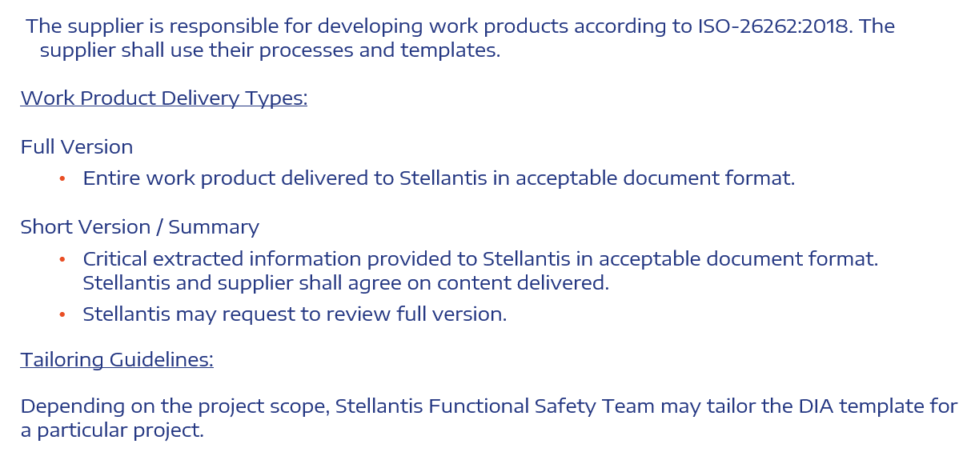

FMEA Risk
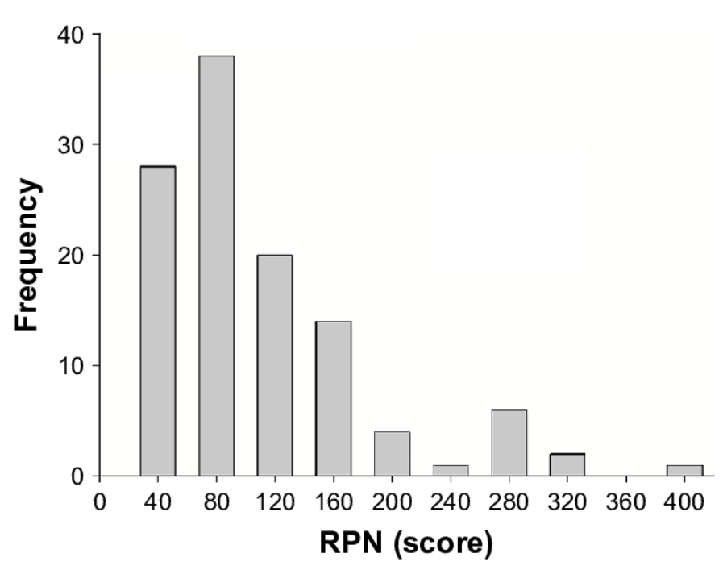

EXAMPLE ONLY

Scope
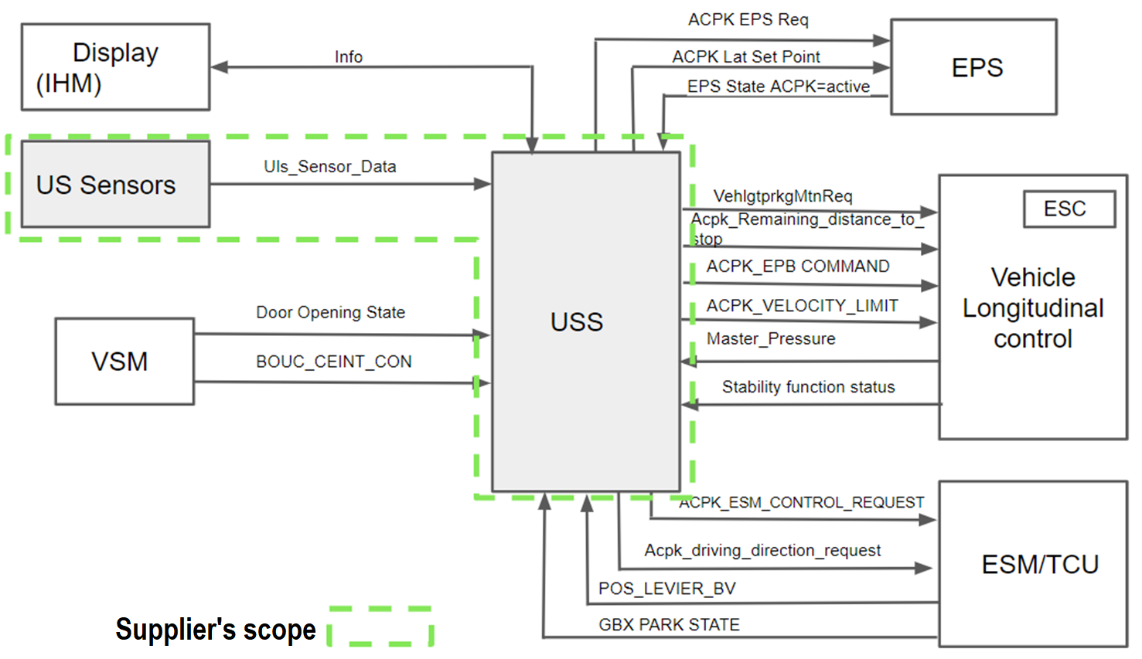
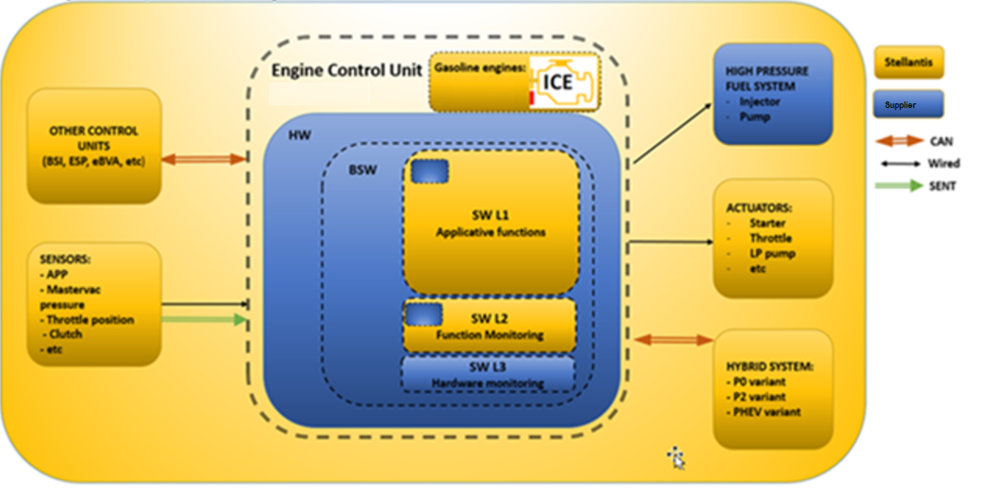
SYSTEM
OTHER SYSTEMS

Stellantis SYSTEM

HW
SW

SUPPLIER SYSTEM

HW
SW

WorkFlow_Basic
Stellantis
Supplier
TBD

