Cover - History - Status
DMOV
 |  | Docinfo Ref : | Version : | Review Status : | Current Evaluation :
 | Project Document | <fill doc ref here> | 1.0 | Not Started | - €
 | Template Document | DMOV_ELE06_0050 | Details of the modifications in document: 21067_23_00063

 |  |  | Project : Supplier: | <Fill project name here>
 |  |  | Supplier : | <Fill Supplier name here>

 |  | SW Development Methods Overview and Verification (DMOV) Evaluation Grids for SW Development Rules, SW Safety and Cybersecurity

 | Template History
 | Version (DocInfo) | Date | Author | Modifications
 | V8 | 12 December 2013 | Fabrice BEDOUCHA | Merge between software development rules V7 and software safety management checklist.
 | V8.1 | 21th August 2014 | Fabrice BEDOUCHA | Adding requirement REGLESSW-ST-11-007 Modifying of REGLESSW-ST-63-002 and REGLESSW-ST-63-003.
 | V9 | 13 October 2014 | Yann-Mikaël FOLL | Status of coding rules / ISO 26262 questions has been refined; distinction between conformity status, implementation satus, validation status. Deadlines has been refined as well; distinction between implementation delivery and validation delivery.
 | V9.1 | 11 December 2014 | Fabrice BEDOUCHA | Adding requirements REGLESSW-ST-63-005(0) and REGLESSW-ST-8-006(0)
 | V9.2 | 12 January 2015 | Fabrice BEDOUCHA | Adding requirement REGLESSW-ST-8-007(0)
 | V9.3 | 28 January 2015 | Fabrice BEDOUCHA | Replace µP by microcontroller Change of ISO 2626 Checklist numbers
 | V9.4 | 15 December 2015 | S. BROUSTE | - Worksheets "WP Mapping", "Graph Avancement", "Planning Info" created - Worksheet "Evaluation Status", separated from "Metrics" - "Are there sw components or functions safety related left without any technical safety measures? Added to ISO question ISO26262-6.7_140 - "Bug" in the graph because of the 2 temporal axes (not fixed) - Proposal to add a QIA worksheet and centralized all Q/A on these topics and show at the end that everything is closed; - actually, only the 4 first worksheets should be sent to the supplier : create an export / import macro?
 | V15.1 | 26/09/2017 | S. BROUSTE | in this worksheet, modification of cells that shall contain : - the reference of this document for the project - the reference of the DIA (if applicable) once it has been defined (which template? STLA? Supplier's one?) ; it shall be defined by the Functional Safety Managers (FSM) - this history shall be erased and replaced by the project document History
 | V16 | 12/01/2018 | Fabrice BEDOUCHA | Adding cybersecurity requirements
 | V18 | 27/02/2019 | Farid MALLOULI | Added global metrics for tracking review progress and conformity level with simpler metrics
 | V19 | 03/06/2019 | Fabrice BEDOUCHA | Update after internal reviews Software Development rules: REGLESSW-ST-5-004(0): new REGLESSW-ST-63-006(0): new REGLESSW-ST-63-007(0): new REGLESSW-ST-7-003(4): modified REGLESSW-ST-9-002(2): modified REGLESSW-ST-12-003(2): modified REGLESSW-ST-14-001(2): modified REGLESSW-ST-14-002(2): modified ISO 26262 checklist: ISO26262-6.7_30: modified ISO26262-8.11_10: new ISO26262-8.11_20: new ISO26262-8.12_10: new ISO26262-8.12_20: new
 | V20 | 16/10/2019 | Fabrice BEDOUCHA | Software Development rules: REGLESSW-ST-63-007(1): modified ISO 26262 checklist: ISO26262-6.5_00: new ISO26262-6.7_200: modified ISO26262-6.9_60: removed WP Mapping: Columns removed (redundant information with DIA)
 | V21 | 25/11/2019 | Farid MALLOULI | Add progress target based on planning info
 | V22 | 14/02/2020 | Fabrice BEDOUCHA | Add ISO 26262:2018 checklist
 | V23 | 9 June 2020 | Fabrice BEDOUCHA | Update after lessons learned - Software Development rules: REGLESSW-ST-8-007(1): modified REGLESSW-ST-16-001(0): new REGLESSW-ST-16-002(0): new
 | V24 | 25/06/2020 | Farid MALLOULI | Updated Metrics and Progress Graph : simplification of the metrics and bugsfixes in formulas.
 | V25 | 23/07/2020 | Farid MALLOULI | Creation of Document History section and mention of template version in document heading.
 | V26 | 15/10/2020 | Farid MALLOULI | Corrected minor error in Cells Input Validation
 | V27 | 29/10/2020 | Fabrice BEDOUCHA | ReadMe sheet: minor changes WP Mapping sheet: modified to be in accordance with ISO 26262:2018
 | V28 | 22/01/2021 | Fabrice BEDOUCHA | REGLESSW-ST-11-001(1): removed REGLESSW-ST-11-006(0): removed REGLESSW-ST-11-007(0): new, replace REGLESSW-ST-11-001 and REGLESSW-ST-11-006
 | V28.1 | 18/06/2021 | Philippe Quéré | Few improvement, but no change in the rules or questions. Added the ISO 26262 tables methods to ease the work. Corrected one typo "ASIL level" => ASIL. Corrected the wrong formatting of some cells, added the name of the project and the supplier name on the first sheet renamed "Cover - History").
 | V30 | 2 September 2021 25/11/21 | Fabrice Bedoucha Farid Mallouli | ISO26262-6.5_60, ISO26262-6.9_10 and ISO26262-6.9_20: Add notes of alignment of answers between "Answer to STLA SW dev. Rules" and "ISO 26262-2018 Checklist" FMA : classification of question into topics to improve reviews efficiency. Added Columns Action Plan and Key points in review checklists.
 | V31 | 23/06/2022 | Farid MALLOULI | Document reworked to : Add in the first page metrics information about review status Add questions classification into topics and key points in each sheet Add a column for action plan identification for each question in each sheet
 | V32 | 18/07/2022 | Fabrice Bedoucha | Slight changes in sheets "Cover - History - Status" and "ReadMe" REGLESSW-ST-5-002 (Generic rules): modified REGLESSW-ST-7-001 (Interrupt management): modified REGLESSW-ST-63-002 (Memory management): modified REGLESSW-ST-63-008(0) (Memory management): new REGLESSW-ST-11-002 (Operating system): removed REGLESSW-ST-16-001 (ECU phases): modified
 | V33 | 20 March 2023 | Fabrice Bedoucha | Stellantis format Answer to STLA SW Dev. Rules: - must replaced by shall - REGLESSW-ST-8-002: modified Add ISO 26262:2018 tables in tab "ISO 26262-2018 Checklist" Add tab "Software Checklist" Add tab "LRM Checklist", previously in a separate document named Serial Life Production Checklist" SL_SW_MOD_CL_95: created SL_SW_MOD_CL_100: modified
 | V34 | 16 February 2024 | Armando Hernandez Fabrice Bedoucha | ReadMe: Add a remark in the ReadMe in case of important lesson learned during development. Answer to STLA SW Dev. Rules: Creation of subdivisions (Autosar Classic and below, Extra cores...) and classification of the requirements in subdivisions. Modified requirements: REGLESSW-ST-5-003, REGLESSW-ST-5-002, REGLESSW-ST-9-001, REGLESSW-ST-9-002, REGLESSW-ST-9-003, REGLESSW-ST-10-002, REGLESSW-ST-11-008, REGLESSW-ST-13-003 New Requirements: REGLESSW-ST-63-009, REGLESSW-ST-63-010, REGLESSW-ST-63-011, REGLESSW-ST-63-012, REGLESSW-ST-63-013, REGLESSW-ST-63-014, REGLESSW-ST-7-010, REGLESSW-ST-8-008, REGLESSW-ST-10-004, REGLESSW-ST-10-005, REGLESSW-ST-10-006, REGLESSW-ST-10-007, REGLESSW-ST-10-008, REGLESSW-ST-11-0009, REGLESSW-ST-11-010 REGLESSW-ST-11-011, REGLESSW-ST-11-012, REGLESSW-ST-11-013, REGLESSW-ST-11-014, REGLESSW-ST-11-015 REGLESSW-ST-11-016, REGLESSW-ST-11-017, REGLESSW-ST-11-018, REGLESSW-ST-11-019, REGLESSW-ST-11-020, REGLESSW-ST-11-021, REGLESSW-ST-11-022, REGLESSW-ST-11-023, REGLESSW-ST-16-003, REGLESSW-ST-16-004, REGLESSW-ST-18-001, REGLESSW-ST-18-002, ISO 26262-2018 Checklist: ISO26262-6.7_60: precision added in case of partion with components with different ASIL. ISO26262-6.11_30: Table 15 added ISO26262-6.5_50, ISO26262-6.7_40, ISO26262-6.7_130, ISO26262-6.8_40, ISO26262-6.9_20, ISO26262-6.10_30, ISO26262-6.11_40: removed Software Checklist: DMOV_SW_Checklist_01035: new
 | V35 | 24 Juin 2024 | Fabrice Bedoucha | Answer to STLA SW Dev. Rules: REGLESSW-ST-63-015: new REGLESSW-ST-10-004: modified LRM Checklist: Correction list of choices and colors in columns C and E.
 | V36 | 19 March 2025 | Fabrice Bedoucha | Answer to STLA SW Dev. Rules: Replace Specific to "Autosar Classic and below (OSEK, no OS, …)" by Specific to "Autosar Classic - Operating System like OSEK - Scheduler and below" REGLESSW-ST-14-002: Modified REGLESSW-ST-14-004: New ISO 26262-2018 Checklist: Add TBA in Stellantis answer Add some missing NA ReadMe Minor updates
 | V37 | 31 July 2025 | Fabrice Bedoucha | Answer to STLA SW Dev. Rules: REGLESSW-ST-62-004: New REGLESSW-ST-62-005: New REGLESSW-ST-63-001: New REGLESSW-ST-11-024: New REGLESSW-ST-11-025: New REGLESSW-ST-11-026: New REGLESSW-ST-8-007: Modified REGLESSW-ST-8-009: New REGLESSW-ST-8-010: New

 | Details of the modifications in document: 21067_23_00063

 | Do not erase this line, insert new lines above to keep formula for template version used in the head of document

 | Document History
 | Version (DocInfo) | Date | Author | Modifications
 | 1.0

 | Evaluation Status
 | To be filled by Stellantis (STLA)

 | Review status | Not Started

 | Conclusion
 | Level | Current global Evaluation
 |  | To be filled by STLA (mandatory)

 | #REF!

 | Project Planning Information
 | Please always keep this planning information up to date (used for KPI calculation)

 | Main SW Deliveries and milestones |  |  | To be filled and maintained up to date (see help to fill project milestone on the right)

 | RFQ Start | RFQ End | V1 | V2 | V3 | V4 | V5 |  | DMOV Milestones | Description | Former project milestone
 |  |  |  |  |  |  |  |  | RFQ Start | Start of consultation phase | RFQ Start
 | Vx can be changed according to software version or milestones used in the project |  |  |  |  |  |  |  | RFQ End | End of consultation phase | RFQ End
 |  |  |  |  |  |  |  |  | V1 | First full spec SW version | ~Vf SW
 | Key Progress Indicators |  |  |  |  |  |  |  | V2 | Intermediate corrective SW version | VRS /~Vc1 SW
 | Expected progress based on Project Planning Info (to keep up to date) |  |  |  |  |  |  |  | V3 | Final corrective SW version | EL1 (~Vc3 SW)
 |  |  |  |  |  |  |  |  | V4 | Pre series SW version - SW Freezed | EL2 (~Vcx SW)
 | RFQ Phase |  |  |  |  |  |  |  | V5 | Start of mass production SW version | AMC (~Vcx SW)

 | REVIEW PROGRESS | Supplier Conformity Status Progress | STLA Conformity Status Progress | Supplier + STLA Global Progress
 | SW Dev Rules | 100.00% | #REF! | #REF! |  |  |  |  | Example :
 | Expected | 100.00% | 100.00% | 100.00%
 | ISO26262 | 100.00% | 0.00% | 50.00%
 | Expected | 100.00% | 100.00% | 100.00%
 | Security Rules | 100.00% | 0.00% | 50.00%
 | Expected | 100.00% | 100.00% | 100.00%
 | Implementation and Validation Status NA for RFQ Phase

 | CONFORMITY LEVEL | STLA Global Conformity Level | STLA Key Points Conformity Level
 | SW Dev Rules | #REF! | #REF!
 | Expected | 80.00% | 100.00%
 | ISO26262 | 0.00% | 0.00%
 | Expected | 80.00% | 100.00%
 | Security Rules | 0.00%
 | Expected | 80.00% | 100.00%
 | Implementation and Validation Status NA for RFQ Phase

 | EXPECTED TARGETS | Supplier + STLA Global Progress | STLA Global Conformity Level | STLA Key Points Conformity Level
 | Before end of RFQ | 100.00% | 80.00% | 100.00%

 | Development Phase

 |  | Supplier |  |  | STLA |  |  | Supplier + STLA Global Progress
 | REVIEW PROGRESS | Conformity Status Progress | Implementation Status Progress | Validation Status Progress | Conformity Status Progress | Implementation Status Progress | Validation Status Progress
 | SW Dev Rules | 100.00% | 100.00% | 100.00% | #REF! | #REF! | #REF! | #REF!
 | Expected | 100.00% | 100.00% | 100.00% | 100.00% | 100.00% | 100.00% | 100.00%
 | ISO26262 | 100.00% | 0.00% | 0.00% | 0.00% | 15.56% | 15.56% | 21.85%
 | Expected | 100.00% | 100.00% | 100.00% | 100.00% | 100.00% | 100.00% | 100.00%
 | Security Rules | 100.00% | 0.00% | 0.00% | 0.00% | 0.00% | 0.00% | 16.67%
 | Expected | 100.00% | 100.00% | 100.00% | 100.00% | 100.00% | 100.00% | 100.00%
 | WP Mapping | 32.93% |  |  |  |  |  | 32.93%

 |  | Supplier |  |  | STLA |  |  | STLA Global conformity Level
 | CONFORMITY LEVEL | Conformity Status | Implementation Status | Validation Status | Conformity Status | Implementation Status | Validation Status
 | SW Dev Rules | #REF! | #REF! | #REF! | #REF! | #REF! | #REF! | #REF!
 | Expected | 100.00% | 100.00% | 100.00% | 100.00% | 100.00% | 100.00% | 100.00%
 | ISO26262 | 100.00% | 0.00% | 0.00% | 0.00% | 15.56% | 15.56% | 21.85%
 | Expected | 100.00% | 100.00% | 100.00% | 100.00% | 100.00% | 100.00% | 100.00%
 | Security Rules | 100.00% | 0.00% | 0.00% | 0.00% | 0.00% | 0.00% | 16.67%
 | Expected | 100.00% | 100.00% | 100.00% | 100.00% | 100.00% | 100.00% | 100.00%

 | EXPECTED TARGETS (Progress) | STLA Global Conformity Progr. | STLA Key Points Conformity Prog. | STLA Global Implement. Progr. | STLA Key Points Implement. Progr. | STLA Global Validation Prog. | STLA Key Points Validation Prog. | Remark / Number of Open Action Plans
 | RFQ Start | 0.00% | 0.00% | 0.00% | 0.00% | 0.00% | 0.00% | Doc sent to Supplier
 | RFQ End | 100.00% | 100.00% | 0.00% | 0.00% | 0.00% | 0.00% | Red if Progress < 80%
 | V1 | 100.00% | 100.00% | 100.00% | 100.00% | 80.00% | 100.00% | Red if Progress < 80%
 | V2 | 100.00% | 100.00% | 100.00% | 100.00% | 100.00% | 100.00% | Red if Progress < 80%
 | V3 | 100.00% | 100.00% | 100.00% | 100.00% | 100.00% | 100.00% | Possible action plans
 | V4 | 100.00% | 100.00% | 100.00% | 100.00% | 100.00% | 100.00% | Red if open action plans
 | V5 | 100.00% | 100.00% | 100.00% | 100.00% | 100.00% | 100.00% | Review should be closed
 | For all sheets except WP Planning

 | EXPECTED TARGETS (Conformity) | STLA Global Conformity Level | STLA Key Points Conformity Level | STLA Global Implement. Level | STLA Key Points Implement. Level | STLA Global Validation Level | STLA Key Points Validation Level | Remark / Number of Open Action Plans
 | RFQ Start | 0.00% | 0.00% | 0.00% | 0.00% | 0.00% | 0.00% | Doc sent to Supplier
 | RFQ End | 80.00% | 100.00% | 0.00% | 0.00% | 0.00% | 0.00% | Doc sent to Supplier
 | V1 | 100.00% | 100.00% | 100.00% | 100.00% | 80.00% | 100.00% | Red if Conformity < 80%
 | V2 | 100.00% | 100.00% | 100.00% | 100.00% | 100.00% | 100.00% | Red if Conformity < 80%
 | V3 | 100.00% | 100.00% | 100.00% | 100.00% | 100.00% | 100.00% | Possible action plans
 | V4 | 100.00% | 100.00% | 100.00% | 100.00% | 100.00% | 100.00% | Red if open action plans
 | V5 | 100.00% | 100.00% | 100.00% | 100.00% | 100.00% | 100.00% | Review should be closed
 | For all sheets except WP Planning

 | SW Dev Rules & ISO26262 review Progress Graph
 | Based in Project planning Info and Expected Targets

 | RFQ Start | RFQ End | V1 | V2 | V3 | V4 | V5
 | 0 | 0 | 0 | 0 | 0 | 0 | 0
 | Today is :
 | 2026-04-17
Review progress
 | RFQ Start |  | RFQ End |  | V1 |  | V2 |  | V3 |  | V4 |  | V5 |  | STLA Global Conformity Progr. |  | STLA Global Implement. Progr. |  | STLA Global Validation Prog. |  | SW D.R. Conf. |  | SW D.R. Impl.
0 | 0 | 0 | 0 | 0 | 0 | 0 | 0 | 0 | 0 | 0 | 0 | 0 | 0 | 0 | 0.00% | 0 | 0.00% | 0 | 0.00% | 4/17/2026 | 0.00% | 4/17/2026 | 0.00%
 |  |  |  |  |  |  |  |  |  |  |  |  |  | 0 | 100.00% | 0 | 0.00% | 0 | 0.00%
 |  |  |  |  |  |  |  |  |  |  |  |  |  | 0 | 100.00% | 0 | 100.00% | 0 | 80.00%
 |  |  |  |  |  |  |  |  |  |  |  |  |  | 0 | 100.00% | 0 | 100.00% | 0 | 100.00%
 |  |  |  |  |  |  |  |  |  |  |  |  |  | 0 | 100.00% | 0 | 100.00% | 0 | 100.00%
 |  |  |  |  |  |  |  |  |  |  |  |  |  | 0 | 100.00% | 0 | 100.00% | 0 | 100.00%
 |  |  |  |  |  |  |  |  |  |  |  |  |  | 0 | 100.00% | 0 | 100.00% | 0 | 100.00%

 |  |  |  | SW D. R. : SW Development Rules
 |  |  |  |  |  | This graph tracks review progress, not conformity level

ReadMe
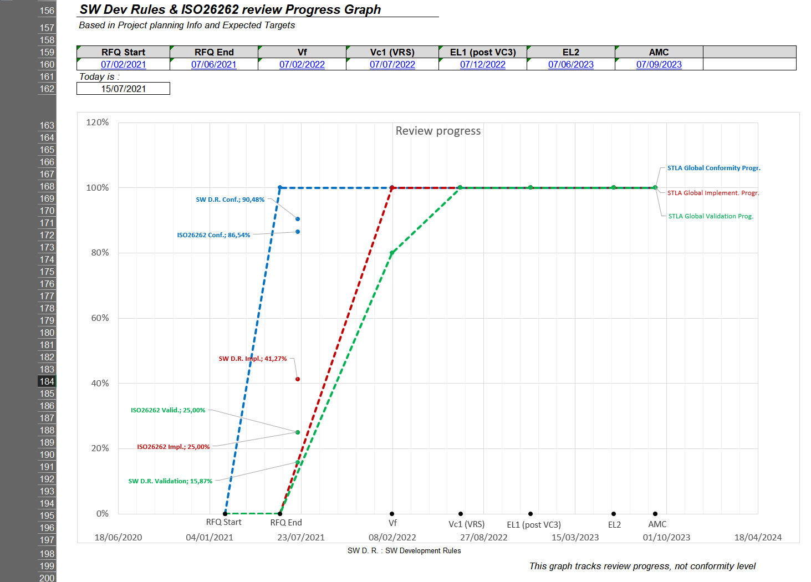
DMOV
This document is applied to all embedded software developed for Stellantis. The supplier shall apply each requirement. However the supplier can propose an alternative solution or explain the reason why it cannot fulfill the requirement. The aim is not to get all requirements applied but to get a consistent set of applied requirements, especially in term of software safety. These requirements are not exhaustive and it is up to the supplier to apply other requirements, for example based on its lessons learned, which can ensure the robustness of its product. These requirements are constantly evolving according to lessons learned from projects. So please note, that in case of lesson learned with high impact, new applicable requirements could be added to this document. STLA answer is facultative in colums "STLA review status", however, even if STLA answer is "OK", the supplier stays responsible for its technical choices, implementation and tests.
How to fill the document : - In column C, the supplier indicates the expected level of conformity. if it is "FC : Fully Compliant" - "LC : Largely Compliant" - "PC : Partially Compliant" - "NC: No Compliant" or if the requirement is "NA: Not Applicable". Note that column C does not reflect the current conformity level but the expected one at the end of the project. - In column D, the supplier indicates the current implementation status. - In column E, the supplier indicates the software version for which the implementation of the requirement is planned. - In column F, the supplier indicates in which software version the requirement is really implemented. - In column G, the supplier indicates the current validation status. - In column H, the supplier indicates the software version for which the validation of the requirement is planned. - In column I, the supplier indicates in which software version the requirement is really validated. - In column J, the supplier adds a comment to explain its choices, and all necessary informations on implementation and validation progression. In particular, if column C is different from FC (Fully Compliant), the supplier shall add an explanation here. For Request For Quotation, only columns C, E, H and J shall be filled in sheets: - Answer to STLA SW Dev. Rules - ISO 26262-2018 Checklist - Answer to security rules - These requirements are applicable to ECUs without cybersecurity. In the following cases, for a single ECU, several DMOVs have to be filled: - In case of several microcontrollers: one DMOV per microcontroller (otherwise it shall be justified) - In case of several Tier N suppliers: one DMOV between STLA and Tier 1 + additional DMOV between each Tier 1 and Sub Suppliers |  | 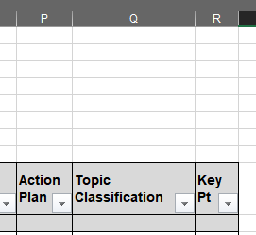
To ease the review, SW Dev Rules and ISO26262 contains a classification of questions, to focus on specific topics (definition in hidden sheet).
The Key points, identified by a 'X' in each checklist, have to be reviewed in priority.
In case of action plan defined on any question, please fill the action plan status in the corresponding column at the end of the checklists.

Note: Do not change the format of the document (new column, new line, content of the columns…) in order to keep formulas working properly (keep excel sheet protection activated)
 | Frontsheet - Metrics explanation

The frontsheet of this document contains several information explained here (some values are filled just for the example)

The first part contains global project information, the user has to fill document reference, Supplier and Project name.
Only editable cells can be modified, the sheet is protected (no password). Some lines are grouped to hide detailed level of information.

After document history, the Evaluation Status section contains information to be filled by STLA along the review.
During the review, some action plans could be defined in the checklists (see last column of each checklist), they are reported here.
All actions plan have to be closed before the defined milestone.

An important section is the project planning , it must be always kept up to date in order for the review progress calculation formulas to work.

The Key Progress Indicators contains useful metrics to track review progress and conformity level againt project planning.
The metrics are colored in orange (up to 20% late) and red (more than 20% late) if review is not on track compared to expected targets.
For each metrics a table gives this expected target for the related milestone.

Example below for RFQ phase, the line 'expected' is the calculation of expected target (at least) for current date considering planning information.
Some questions, identified as 'Key Points' have a specific metrics because they have too be all reviewed and agreed before RFQ End.
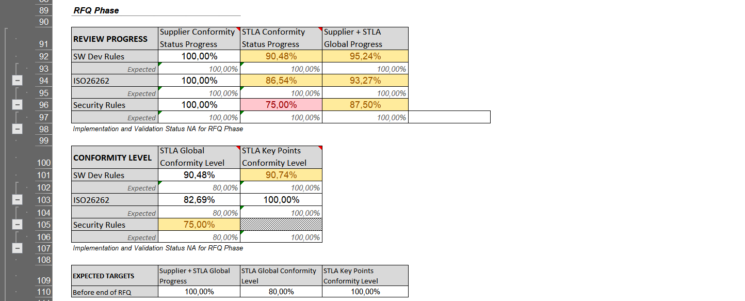

Example below for DEV phase, the line 'expected' is the calculation of expected target (at least) for current date considering planning information.
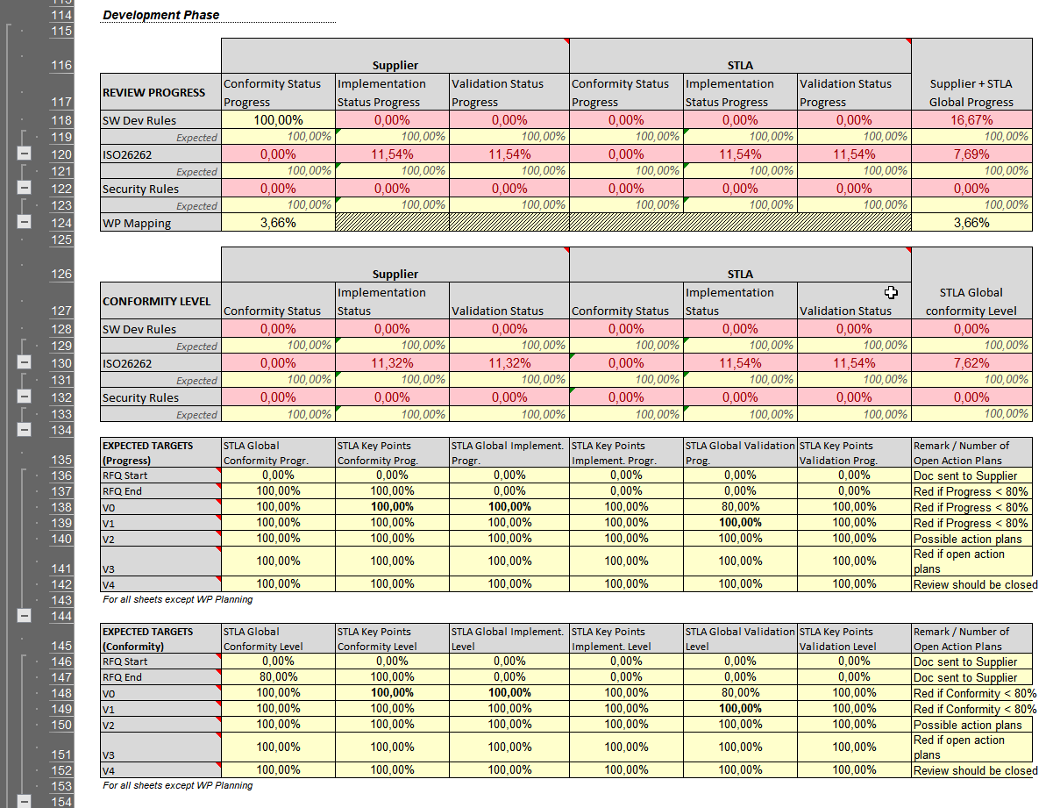

Note : More detailed metrics are provided in an Hidden sheet called 'Metrics', but they are not needed in usual review progress tracking.

Finally, a graphical view of the review progress is provided at the end of the frontsheet. The dots should be all above the corresponding curve.

ISO 26262-2018 Checklist
DMOV
Number | Question | Supplier Answer (please explain in column "Answer") |  |  |  |  |  |  |  | STLA review status
 |  | Conformity Level | Implementation / application status | Implementation delivery (planned) | Implementation delivery (real) | Verification & Validation status | Verification & Validation delivery (planned) | Verification & Validation delivery (real) | Justification/Answer | Conformity Level | Implementation Level | Verification & Validation Level | Comments | Documents or Meeting Minutes References | Action Plan | Topic Classification | Key Pt
General topics for the product development at the software level |  |  |  |  |  |  |  |  |  |  |  |  |  |  |  |  |  |  |  |  | Action Plan :
ISO26262-6.5_00(0) | What is the highest ASIL for the ECU and what is the highest ASIL for the software? | FC |  | B3 |  |  | B3 |  | the highest ASIL for ECU and software is ASIL B |  | NA | NA |  |  | - | General Topics |  | NA | Not Applicable | 5.00 € | -
ISO26262-6.5_10(0) | Are software safety activities described? Especially, are all chapters of the Part 6 concerned by this description and are supplier deliverables mentioned? ISO 26262-6:2018 - 5.2 | FC |  | B3 |  |  | B3 |  | the safety activities described in safety plan |  |  |  |  |  | - | Planification of SW Safety activities |  | NC | Non Compliant | - € | ongoing
ISO26262-6.5_20(0) | Are software safety activities scheduled? ISO 26262-6:2018 - 5.4.1 | FC |  | B3 |  |  | B3 |  | the safety activities cheduled in timeline |  |  |  |  |  | - | Planification of SW Safety activities |  | PC | Partly compliant | - € | closed
ISO26262-6.5_30(0) | What is the modelling language if any and what is the coding language? ISO 26262-6:2018 - 5.4.2 | NA |  |  |  |  |  |  | Coding language: C, modelling language is UML in software architecture design and detail design. |  | NA | NA |  |  | - | General Topics |  | LC | Largely compliant | - €
ISO26262-6.5_40(0) | 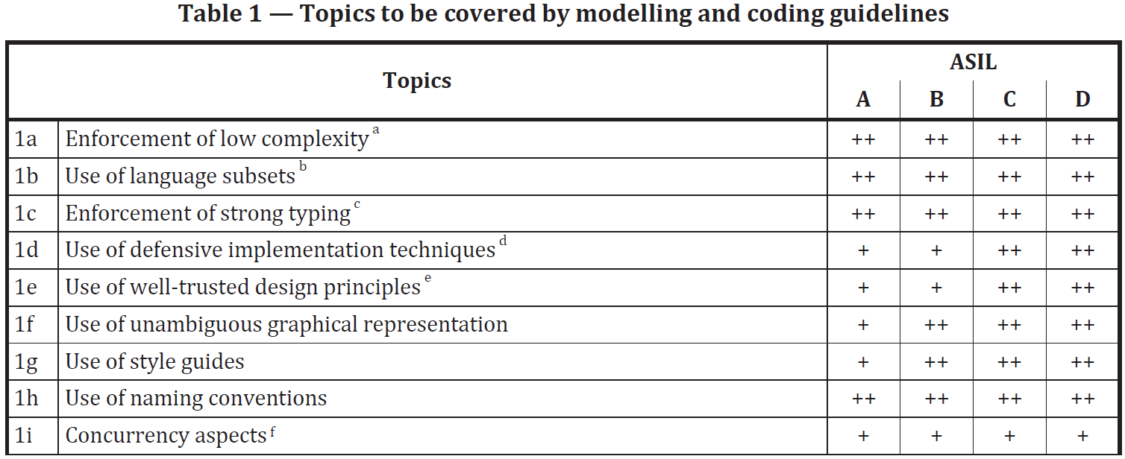 What are the topics that are fulfilled in Table 1 and how are they fulfilled? ISO 26262-6:2018 - 5.4.3 | FC |  | B3 |  |  | B3 |  | The software meets the rules required by ASIL B 1a Enforcement of low complexity 1b Use of language subsets 1c Enforcement of strong typing+ 1f Use of unambiguous graphical representation 1g Use of style guides 1h Use of naming conventions |  |  |  |  |  | - | SW Unit Design and Verification (incl. static analyses) | X | FC | Fully compliant | - €
ISO26262-6.5_60(0) | Are coding guidelines described and applied? ISO 26262-6:2018 - 5.4.3 | FC |  | B3 |  |  | B3 |  | yes, TIANMA has code guidelines document. |  |  |  | Note: it should be aligned with answer to REGLESSW-ST-14-001(2) and REGLESSW-ST-14-002(2) in sheet "Answer to STLA SW Dev. Rules" |  | - | SW Unit Design and Verification (incl. static analyses)
ISO26262-6.5_70(0) | Are tooling guidelines described and applied? ISO 26262-6:2018 - 5.4.3 | FC |  | B3 |  |  | B3 |  | Yes, tool guideline is avalible in system |  |  |  |  |  | - | Confidence in tools
Specification of software safety requirements |  |  |  |  |  |  |  |  |  |  |  |  |  |  |  |  |  | OK | OK | - €
ISO26262-6.6_10(0) | Are safety related functions identified? ISO 26262-6:2018 - 6.4.1 | FC |  | B3 |  |  | B3 |  | Safety related function will be presented in TSR/SSR allocated to Software. |  |  |  |  |  | - | Software Safety requirements and traceability |  | NA | Not Applicable | 7.00 €
ISO26262-6.6_20(0) | Are software safety requirements clear and complete? ISO 26262-6:2018 - 6.4.2 | FC |  | B3 |  |  | B3 |  | Safety related function will be presented in TSR/SSR allocated to Software. |  |  |  |  |  | - | Software Safety requirements and traceability |  | TBA | To Be Assessed | - €
ISO26262-6.6_30(0) | Is ASIL for software justified? Are different ASILs managed? ISO 26262-6:2018 - 6.4.3 | FC |  | B3 |  |  | B3 |  | ASILB requirments will be defined in TSR, QM requirements will be defined in system requirements |  |  |  |  |  | - | Software Safety requirements and traceability |  | NOK | NOK | - €
ISO26262-6.6_40(0) | Does Hardware Software Interface document exist and is complete? ISO 26262-6:2018 - 6.4.4 | FC |  | B3 |  |  | B3 |  | Hardware Software Interface will be presented in HSIS allocated to Software. |  |  |  |  |  | - | Software Safety requirements and traceability
ISO26262-6.6_50(0) | Are software safety requirement reviewed? ISO 26262-6:2018 - 6.4.7 | FC |  | B3 |  |  | B3 |  | Review activities will be planned in software timeline. |  |  |  |  |  | - | Software Safety requirements and traceability | X
SW architectural design
ISO26262-6.7_10(0) | What is the notation to describe software architecture? ISO 26262-6:2018 - 7.4.1 | FC |  | B2 |  |  | B2 |  | TianMa product will follow: 1a Natural language 1b Informal natations |  | NA | NA |  |  | - | SW Architecture and SW Safety Analysis
ISO26262-6.7_20(0) | Is software architecture justified to guarantee verifiability, suitability, feasibility, testability and maintainability? ISO 26262-6:2018 - 7.4.2 | FC |  | B3 |  |  | B3 |  | Architecture will be done Justification table is existing. |  |  |  |  |  | - | SW Architecture and SW Safety Analysis
ISO26262-6.7_30(0) | 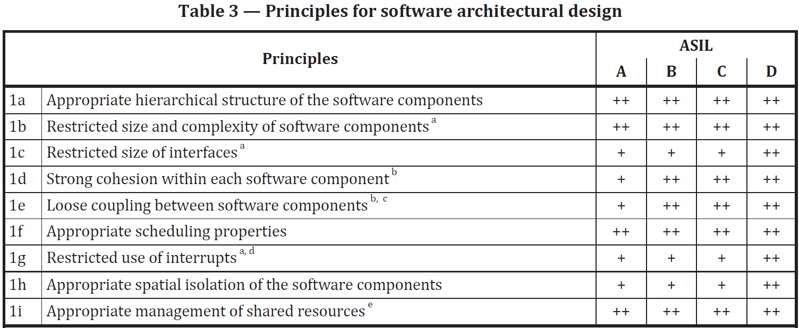 What are the principles for software architectural design that are fulfilled in Table 3 and how are they fulfilled? ISO 26262-6:2018 - 7.4.3 | FC |  | B3 |  |  | B3 |  | TianMa product will follow: 1a Appropriate hierarchical structure of the software components 1b Restricted size and complexity of software components 1d Strong cohesion within each software component 1e Loose coupling between software components 1f Appropriate scheduling properties 1i Appropriate management of shared resources |  |  |  |  |  | - | SW Architecture and SW Safety Analysis |  | OK | OK | - €
ISO26262-6.7_50(0) | Is architecture described (static design aspect of the software architectural elements and dynamic design aspect of the software architectural elements)? ISO 26262-6:2018 - 7.4.5 | FC |  | B3 |  |  | B3 |  | both of them will be presented in software architecture design. |  |  |  |  |  | - | SW Architecture and SW Safety Analysis |  | NOK | NOK | - €
ISO26262-6.7_60(1) | Is software partitioning used? If yes, does a SW partition contain only components with the same ASIL? Otherwise, how do you guarantee the Freedom From Interference of the lower ASILs components to the highest one? - For example if you have a partition with ASIL QM and ASIL B components or ASIL A and ASIL B components - Please share a table with the exhaustive list of components with their ASIL and partition allocation. ISO 26262-6:2018 - 7.4.9 | FC |  | B3 |  |  | B3 |  | SW ASIL B partition contain touch and telltale, the other areas are QM. |  |  |  |  |  | - | SW Architecture and SW Safety Analysis |  | NA | Not Applicable | 7.00 €
ISO26262-6.7_70(0) | What are the safety analyses applied at the architectural level? Describe the methodologies and the link with the architecture justification and safety mechanisms. ISO 26262-6:2018 - 7.4.10 | FC |  | B3 |  |  | B3 |  | SW FMEA and DFA will be done. Even, according to the preferable ASIL B, some key elementary and interface will be analyzed via SW FMEA to see if any risk can be identified and migrated. |  |  |  |  |  | - | SW Architecture and SW Safety Analysis | X
ISO26262-6.7_80(0) | How freedom from interference or sufficient independence between software components is managed? Which failures do you consider and what are the related safety mechanisms? ISO 26262-6:2018 - 7.4.11 | FC |  | B3 |  |  | B3 |  | software components are managed with clear interface defition, and strategy to exchange data, the shared data ensurance and data integrity will be checked. our wdgM will monitor Task and interrupt excute Time and times when ,monitored some error and the error had not recovery in some time wdgM will reset MCU |  |  |  |  |  | - | SW Architecture and SW Safety Analysis | X
ISO26262-6.7_90(0) | What are the mechanisms implemented for error detections at software architecture level? 1. Range checks of input and output data 2. Plausibility check 3. Detection of data errors 4. Monitoring of program execution by external element such as an ASIC or another software element performing a watchdog function 5. Temporal monitoring of program execution 6. Diverse redundancy in the software design 7. Access violation control mechanisms implemented in software or hardware 8. Others to be detailed ISO 26262-6:2018 - 7.4.12 | FC |  | B3 |  |  | B3 |  | The software will follow these: 1. Range checks of input and output data 2. Plausibility check 3. Detection of data errors 5. Temporal monitoring of program execution 4. the software will monitor the program execution by internal watchdog. 6. the software will detect error periodically and excute the safe action 7. Access violation control mechanisms implemented in software or hardware |  |  |  |  |  | - | SW Architecture and SW Safety Analysis | X
ISO26262-6.7_100(0) | What are the safety mechanisms for handling error at software architecture level? 1. Deactivation in order to achieving and maintaining of a safe state 2. Static recovery mechanism 3. Graceful degradation 4. Homogenous redundancy in the design 5. Diverse redundancy in the design 6. Correcting codes for data 7. Access permission management implemented in software or hardware 8. Others to be detailed ISO 26262-6:2018 - 7.4.12 | FC |  | B3 |  |  | B3 |  | The software will follow these: 1. Deactivation in order to achieving and maintaining of a safe state 2. Static recovery mechanism 3. Graceful degradation 6. Correcting codes for data 4.5. the software will detect error periodically and excute the safe action (No need redundancy in this project) 7. Software partition management realizes the management of access rights. |  |  |  |  |  | - | SW Architecture and SW Safety Analysis | X
ISO26262-6.7_110(0) | Are resources estimated and which one? ISO 26262-6:2018 - 7.4.13 | FC |  | B2 |  |  | B2 |  | EEROM and RAM will be estimated in software design, CPU Loading utilization pencentage, estimation Information can be found in TDR. |  |  |  |  |  | - | SW Architecture and SW Safety Analysis
ISO26262-6.7_120(0) | What are the principles for the verification of the software architectural design that are fulfilled in Table 4 and how are they fulfilled? ISO 26262-6:2018 - 7.4.14 | FC |  | B3 |  |  | B3 |  | TianMa product will follow: 1a Walk-through of the design 1b Inspection of the design 1c Simulation of dynamic behaviour of the design 1f Control flow analysis 1g Data flow analysis 1h Scheduling analysis |  |  |  |  |  | - | SW Architecture and SW Safety Analysis
Software unit design and implementation
ISO26262-6.8_10(0) | What is the notation to describe software unit design? ISO 26262-6:2018 - 8.4.3 | FC |  | B3 |  |  | B3 |  | TianMa product will follow: 1a Natural language 1b Informal natations (UML + data flow chart+words documents) |  | NA | NA |  |  | - | SW Unit Design and Verification (incl. static analyses)
ISO26262-6.8_20(0) | What is the level of description in the specification of the software units? ISO 26262-6:2018 - 8.4.4 | FC |  | B3 |  |  | B3 |  | function behaviour and input output parameter get defined |  |  |  |  |  | - | SW Unit Design and Verification (incl. static analyses)
ISO26262-6.8_30(0) | 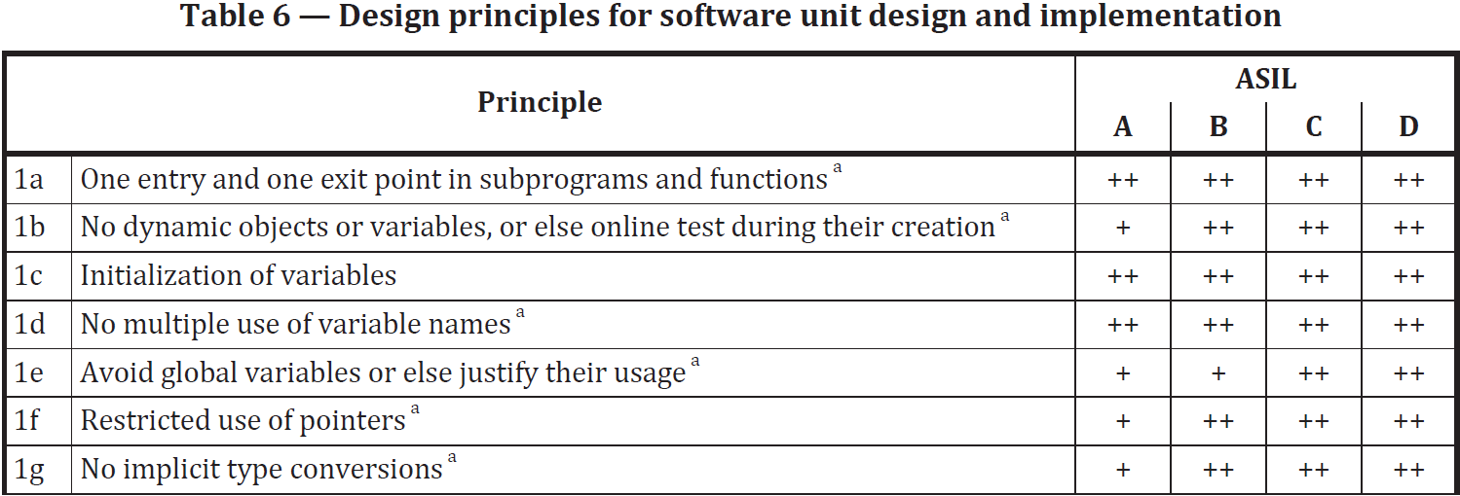 What are the design principles for software unit design and implementation in Table 6 that are fulfilled and how are they fulfilled? ISO 26262-6:2018 - 8.4.5 | FC |  | B3 |  |  | B3 |  | TianMa product will follow: 1a One entry and one exit point in subprograms and functions 1b No dynamic objects or variables, or else online test during their creation 1c Initialization of variables 1d No multiple use of variable names 1f Restricted use of pointers 1g No implicit type conversions 1h No hidden data flow or control flow 1i No unconditional jumps |  |  |  |  |  | - | SW Unit Design and Verification (incl. static analyses)
Software unit verification
ISO26262-6.9_10(0) | 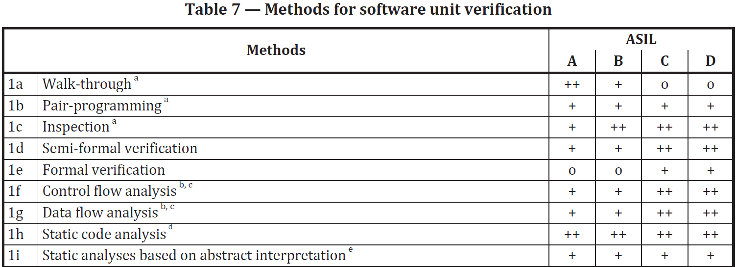 What are the methods for software unit verification in Table 7 that are fulfilled and how are they fulfilled? ISO 26262-6:2018 - 9.4.2 | FC |  | B3 |  |  | B3 |  | TianMa product will follow: 1c Inspection 1h Static code analysis 1j Requirements-based test 1k Interface test |  |  |  | Note: it should be aligned with answer to REGLESSW-ST-14-002(2) in sheet "Answer to STLA SW Dev. Rules" |  | - | SW Unit Design and Verification (incl. static analyses) (1a to 1i) SW Unit test (1j to 1n) | X
ISO26262-6.9_30(0) | What are the methods for deriving test cases for software unit testing (Table 8)? ISO 26262-6:2018 - 9.4.3 | FC |  | B3 |  |  | B3 |  | TianMa product will follow: 1a Analysis of requirements 1b Generation and analysis of equivalence classes 1c Analysis of boundary values |  |  |  |  |  | - | SW Unit test
ISO26262-6.9_40(0) | What is the structural coverage target (Table 9)? ISO 26262-6:2018 - 9.4.4 | FC |  | B3 |  |  | B3 |  | TianMa product will follow: 1a Statement coverage 1b Branch coverage |  |  |  |  |  | - | SW Unit test | X
ISO26262-6.9_50(0) | What is the test environment for software unit testing? ISO 26262-6:2018 - 9.4.5 | FC |  | B3 |  |  | B3 |  | VectorCAST will be used |  | NA | NA |  |  | - | SW Unit test
Software integration and verification
ISO26262-6.10_10(0) | What is the strategy applied for software integration? ISO 26262-6:2018 - 10.4.1 | FC |  | B2 |  |  | B2 |  | Software integration stategy will be defined in SW integration test plan. bottom-up intergration stragegy and HW-SW intergtation |  |  |  |  |  | - | SW Integration tests
ISO26262-6.10_20(0) | 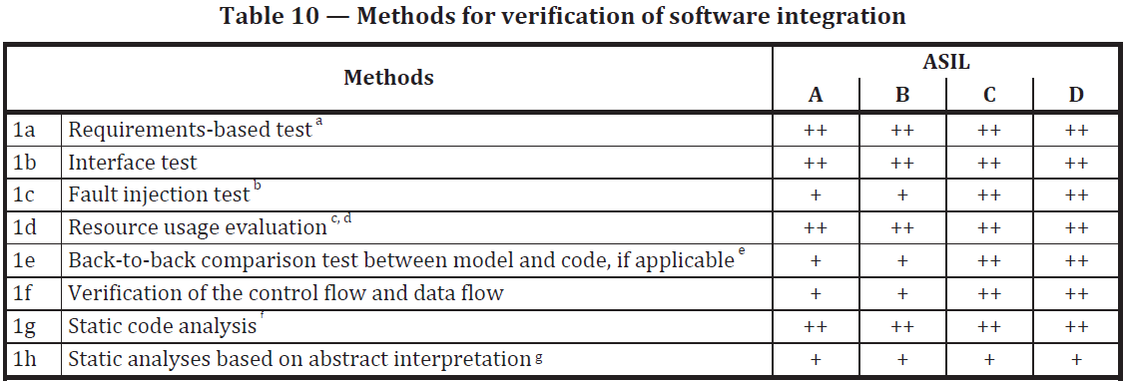 What are the methods for verification of software integration in Table 10 that are fulfilled and how are they fulfilled? ISO 26262-6:2018 - 10.4.2 | FC |  | B3 |  |  | B3 |  | TianMa product will follow: 1a Requirements-based test 1b Interface test 1d Resource usage evaluation 1g Static code analysis |  |  |  |  |  | - | SW Unit Design and Verification (incl. static analyses) (1f to 1h) SW Integration tests (1a to 1e) | X
ISO26262-6.10_40(0) | What are the methods for deriving test cases for software integration testing (Table 11)? ISO 26262-6:2018 - 10.4.3 | FC |  | B3 |  |  | B3 |  | TianMa product will follow: 1a Analysis of requirements 1b Generation and analysis of equivalence classes 1c Analysis of boundary values |  |  |  |  |  | - | SW Integration tests | X
ISO26262-6.10_50(0) | What is the structural coverage target at software architecture level? ISO 26262-6:2018 - 10.4.4 / 10.4.5 | NA |  |  |  |  |  |  | ASIL B project no need to follow this table |  |  |  |  |  | - | SW Integration tests | X
ISO26262-6.10_60(0) | What is the test environment for software integration testing? ISO 26262-6:2018 - 10.4.7 | FC |  | B3 |  |  | B3 |  | VectorCAST will be used |  | NA | NA |  |  | - | SW Integration tests
Testing of the embedded software
ISO26262-6.11_10(0) | What is the test environment for conducting the software testing (Table 13)? ISO 26262-6:2018 - 11.4.1 | FC |  | B3 |  |  | B3 |  | TianMa product will follow: 1a Hardware-in-the-loop is fulfilled 1b Electronic control unit network environments is not fulfilled use our bridge board and HUT as test tools |  | NA | NA |  |  | - | Testing of the embedded software
ISO26262-6.11_20(0) | What are the methods for tests of the embedded software (Table 14)? ISO 26262-6:2018 - 11.4.2 | FC |  | B3 |  |  | B3 |  | TianMa product will follow: 1a Requirements-based test 1b Fault injecting test |  |  |  |  |  | - | Testing of the embedded software | X
ISO26262-6.11_30(1) | What are the methods for deriving test cases for the test of the embedded software in Table 15 that are fulfilled and how are they fulfilled? ISO 26262-6:2018 - 11.4.3 | FC |  | B3 |  |  | B3 |  | TianMa product will follow: 1a Analysis of requirements 1b Generation and analysis of equivalence classes 1c Analysis of boundary values 1f Analysis of operational use cases |  |  |  |  |  | - | Testing of the embedded software
ISO26262-6.11_50(0) | Are all software safety requirement validated and tested OK? ISO 26262-6:2018 - 11.4.4 | FC |  | B3 |  |  | B3 |  | Software qualification report based on software functional safety requirements will be done and all requirements will be covered |  |  |  |  |  | - | Testing of the embedded software | X
Annex - C
ISO26262-6.C_10(0) | What is the strategy to manage configuration data? ISO 26262-6:2018 - Annex C.- 4.1 à 4.5 | FC |  | B2 |  |  | B2 |  | "data backup and recovery in EEPROM EEPROM data has CRC16 Verification mechanism , when crc error ,the eeprom data will be restored to the default value in the rom" |  |  |  |  |  | - | Configuration and calibration data management
ISO26262-6.C_20(0) | What is the strategy to manage calibration data? ISO 26262-6:2018 - Annex C.- 4.6 à 4.11 | NA |  |  |  |  |  |  | Intensity and brightness etc calibration will be done in the EOL test in Tianma plant, no separate calibration software package. |  |  |  |  |  | - | Configuration and calibration data management
Part 8 - Confidence in the use of software tools
ISO26262-8.11_10(0) | What is the process to qualify tools? ISO 26262-8:2018 - Clause 11 | FC |  | B2 |  |  | B2 |  | SW tool qualification report will be provided. |  |  |  |  |  | - | Confidence in tools
ISO26262-8.11_20(0) | What are the qualified tools or planned to be qualified in this project? ISO 26262-8:2018 - Clause 11 | FC |  | B2 |  |  | B2 |  | These tools (IAR\QAC\VectorCast\git) are qualified. |  |  |  |  |  | - | Confidence in tools
Part 8 - Qualification of software components
ISO26262-8.12_10(0) | What is the process to qualify software components? ISO 26262-8:2018 - Clause 12 | NA |  |  |  |  |  |  | New development project, not applicable |  |  |  |  |  | - | SW Components qualification
ISO26262-8.12_20(0) | What are the qualified software components or planned to be qualified in this project? ISO 26262-8:2018 - Clause 12 | NA |  |  |  |  |  |  | New development project, not applicable |  |  |  |  |  | - | SW Components qualification
To add a new question, insert new line above, to not suppress line.

Software Checklist
DMOV
Identifier | Check | Supplier answer |  | STLA review status
 |  | Response | Justification / Comment | Status | Remark / Comment
Block Diagram (SWE.2: BP1,BP6)
DMOV_SW_Checklist_00010 | High level block diagram for software architecture is available | YES | Refer software architecture design document
DMOV_SW_Checklist_00020 | Software Architecture Structure is shown clearly with all hierarchical levels and components of each level. | YES | Refer software architecture design document
DMOV_SW_Checklist_00030 | The diagram Identifies ECU class, ASIL/QM components, secure components, legacy components etc. | YES | Refer software architecture design document
DMOV_SW_Checklist_00040 | In-house/STLA developed Components are identified | YES | All modules are developed by Tianma.
DMOV_SW_Checklist_00050 | COTS are identified | YES
DMOV_SW_Checklist_00060 | Re-used Components are identified with reused version and estimate of reuse rate. | NOT APPLICABLE | No code reuse
DMOV_SW_Checklist_00070 | New Components are Identified | YES | New components marked in architecture design.
Components Interface Documents(SWE.2:BP3,BP4,BP6)
DMOV_SW_Checklist_00200 | Interface document of each component is available | YES | Refer software interface document
DMOV_SW_Checklist_00210 | I/O (sender/receiver) and API (client/server) list for each component is available in the Interface document | YES | Refer software interface document
DMOV_SW_Checklist_00220 | Data types are defined for the I/O (sender/receiver) list and for API (client/server) list | YES | Refer software interface document
DMOV_SW_Checklist_00230 | Ranges/resolutions are defined for the I/O (sender/receiver) values and and API (client/server) parameter values | YES | Refer software interface document
DMOV_SW_Checklist_00240 | Source of Input is identified. (e.g. Component name, EEPROM, Parameter etc.) | YES | Refer software interface document
DMOV_SW_Checklist_00250 | Category of Input is identified (e.g. A/D, Signal value from RAM, CAN value etc.) | YES | Refer software interface document
DMOV_SW_Checklist_00260 | Category of Output is identified e.g. EEPROM, RAM, CAN | YES | Refer software interface document
DMOV_SW_Checklist_00270 | Function (runnable) periodicity is defined and justified in the interface document | YES | Refer software architecture design document
Components Arch and Traceability(SWE.2: BP2,BP6,BP7,BP8)
DMOV_SW_Checklist_00400 | Baselined software requirements are allocated to components, and architecture design is available for each component and baselined | YES
DMOV_SW_Checklist_00410 | Bi-directional traceability is established between components and baselined Requirements | YES
DMOV_SW_Checklist_00420 | Complexity of Components is restricted and all components are evaluated for indicators of high complexity e.g. excessive number of requirements allocated, excessive number of global variables, difficult to achieve test coverage etc. And decisions made to stay within the restricted complexity range for components. | YES | The unit detailed design document reflects the complexity of the function and ensure testability
Memory Resources(SWE.2: BP5,BP6)
DMOV_SW_Checklist_00600 | High Level Memory Map (e.g. application, bootloader, calibration, manufacturing data) for the software blocks | YES
DMOV_SW_Checklist_00610 | The RAM/ROM/EEPROM budget is allocated to each component including bootloader if any. | YES | Refer software architecture design document
DMOV_SW_Checklist_00620 | Resource usage is followed and is not beyond the defined limit by STLA. If limits are not specified in ECU's specification, refer to tables in DMOV_SW_Checklist_05200 or DMOV_SW_Checklist_05210. | YES
CPU Resources(SWE.2: BP5,BP6)
DMOV_SW_Checklist_00800 | The CPU budget is allocated to each component/function and interrupts | YES | Refer software architecture design document
DMOV_SW_Checklist_00810 | CPU load is followed and is not beyond the defined limit specified by STLA. If limits are not specified in ECU's specification, refer to tables in DMOV_SW_Checklist_05200 or DMOV_SW_Checklist_05210. | YES
OS/Scheduler(SWE.2: BP4,BP6)
DMOV_SW_Checklist_01000 | Details of the OS design chosen is documented and justified. (e.g. Scheduler, Pre-emptive/Non Pre-emptive OS) | YES | Fellow Flexible Safety RTOS guideline, architecture document show OS design.
DMOV_SW_Checklist_01010 | Details of Interrupts with the periodicity and priorities assigned are documented. | YES | Refer software architecture design document
DMOV_SW_Checklist_01020 | Strategies are considered for minimizing the interrupts and execution time. | YES
DMOV_SW_Checklist_01030 | Details of tasks with the periodicity and priorities assigned is documented | YES | Refer software architecture design document
DMOV_SW_Checklist_01035 | Task multiple activation is documented and justified (ex : in AUTOSAR, value of OSTaskActivation parameter) | NOT APPLICABLE | Fsrtos does not support multiple activations of a task.
DMOV_SW_Checklist_01040 | Tick is documented and justified | YES
DMOV_SW_Checklist_01050 | Deadlock management strategy is documented | NOT APPLICABLE | No use in this project. |  | Note: it should be aligned with answer to REGLESSW-ST-11-004
DMOV_SW_Checklist_01060 | Execution overrun strategy is documented | YES
DMOV_SW_Checklist_01070 | Stack Management Strategy is documented | YES |  |  | Note: it should be aligned with answer to REGLESSW-ST-9-001, REGLESSW-ST-9-002 and REGLESSW-ST-9-003
DMOV_SW_Checklist_01080 | Stack sizes are followed and are not beyond the defined limit specified by STLA. If limits are not specified in ECU's specification, refer to tables in DMOV_SW_Checklist_05200 or DMOV_SW_Checklist_05210. | YES
Watchdog/Signal Management(SWE.2: BP4)
DMOV_SW_Checklist_01200 | Internal/External Watchdog Strategy is defined and documented | YES | Refer software architecture design document |  | Note: it should be aligned with answer to REGLESSW-ST-10-001, REGLESSW-ST-10-002 and REGLESSW-ST-10-003
DMOV_SW_Checklist_01210 | Error/Timeout/Invalid data handling strategies are defined and documented | YES
Network(SWE.2: BP4,BP6)
DMOV_SW_Checklist_01400 | Network and Number of CAN/LIN/Flexray/SPI channels and usage are identified and documented | YES | Can/LIN/Flexray not used in display ,SPI used in Dispaly internal.
DMOV_SW_Checklist_01410 | XCP usage is justified (e.g. for development time calibration, unavailability of features via UDS protocol) | NOT APPLICABLE | no XCP for 12.3
DMOV_SW_Checklist_01420 | XCP is disabled in production | NOT APPLICABLE | no XCP for 12.3 |  | Note: it should be aligned with answer to 02016_17_06732_150 and 02016_17_06732_160
Powerup/Down(SWE.2: BP4,BP6)
DMOV_SW_Checklist_01600 | Transitions phases are described in detail with a sequence diagram: - Power On Reset - Software reset - Before reset - ECU wake up - Before going to sleep or before shut down - Treatment in sleep mode - Treatements when downloading a new software | YES |  |  | Note: it should be aligned with answer to REGLESSW-ST-16-001
DMOV_SW_Checklist_01610 | Duration of each transition phase is measured and is not beyond the defined limits by STLA | YES
DMOV_SW_Checklist_01620 | Application initialization time is documented | YES
NVM(SWE.2: BP4,BP6)
DMOV_SW_Checklist_01800 | Strategy to manage critical data in NVM is identified and documented | YES
Bootloader(SWE.2: BP4,BP6,BP9)
DMOV_SW_Checklist_02000 | Compatibility checks are implemented and documented. They are agreed by stakeholders. | YES
DMOV_SW_Checklist_02010 | The list of pre/post flash checks is documented | YES
Mode Management(SWE.2: BP4,BP6)
DMOV_SW_Checklist_02200 | Mode Management of BSW/ECU/Components design is documented | YES | Refer software architecture design document
EOL (SWE.2: BP4,BP6,BP9)
DMOV_SW_Checklist_02400 | EOL Data Communication strategy is chosen and agreed by stakeholders | YES
DMOV_SW_Checklist_02410 | EOL software is implemented in restricted session. | YES
Calibration(SWE.2: BP4,BP6)
DMOV_SW_Checklist_02600 | SW Calibration strategy and memory allocation is documented. | YES
SW Development Tool chain(SWE.2: BP6,BP9)
DMOV_SW_Checklist_02800 | Block diagram for the software tools used during software development and build is available to show the flow and responsibilities in software teams. | YES
DMOV_SW_Checklist_02810 | List of software tools with versions is documented, frozen and agreed by stakeholders. Any change of tool or tool version is documented and risk is assessed, documented and communicated. | YES | Refer tool official documents.
Lesson Learnt Docs(SWE.2: BP6)
DMOV_SW_Checklist_03000 | Lessons learnt documents and guidelines e.g.(to configure MCAL/BSW/RTE/OS or/and implement SW) are available and followed. | YES | Tianma have a lesson learn system. |  | Note: it should be aligned with answer to REGLESSW-ST-14-003 and ISO26262-6.5_70
Software Maintenance(SWE.2: BP6)
DMOV_SW_Checklist_03200 | Migration effort in case tools, COTS versions changes is evaluated, documented and communicated | YES | Refer software architecture design document
DMOV_SW_Checklist_03210 | Different SW Architecture solutions/choices identified and evaluated for maintainability and ensured by different parameters. e.g.by making sure strong cohesion exist within each software component(only closely related requirements to a function are allocated to the component) and there is loose coupling among the components (to allow the integration of software components without high dependencies). | YES
SW Architecture Testing
DMOV_SW_Checklist_03400 | Test Strategy of SW Architecture during integration testing is documented | YES | Refer software intergeation test plan
Verification Reports
DMOV_SW_Checklist_03600 | Evidence for internal software architecture reviews is available | YES |  |  | Note: it should be aligned with answer to ISO26262-6.7_20
DMOV_SW_Checklist_03610 | Scheduling verification reports is available | YES
DMOV_SW_Checklist_03620 | Memory verification reports is available (e.g. budget verification) | YES
Software Units Design(SWE.3: BP1,SWE.3.BP2,SWE.3.BP3,SWE.3.BP4,SWE.3.BP6 SWE.3.BP7)
DMOV_SW_Checklist_03800 | Detailed design document is available for the software component and it is readable, simple and comprehensive | YES
DMOV_SW_Checklist_03810 | Design document contains Interface details of component e.g. list of I/Os, datatypes, resolutions, memory types | YES
DMOV_SW_Checklist_03820 | Design document has the details on units constituing the software component in architecture | YES
DMOV_SW_Checklist_03830 | Design document contains Interface details of each software unit e.g. list of I/Os, datatypes, resolutions, memory types | YES
DMOV_SW_Checklist_03840 | Design of software unit is representing consistency and design pattern e.g. standard enums/data types, api's for initializing and de-initializing the components, fault handling, consistent interfaces between software units | YES
DMOV_SW_Checklist_03850 | The design of software component/unit has details on error handling and recovery strategies | YES
DMOV_SW_Checklist_03860 | Design document has the information on timing constraints, order of execution and memory estimation of component/units | YES
DMOV_SW_Checklist_03870 | Design of unit supports the needs to handle time critical data and provides the details to protect and/or retain the data. E.g. use of E2E for integrity check of safety critical signal, mirroring or redundant storage of critical data etc. | YES
DMOV_SW_Checklist_03880 | Design document shows the dynamic behavior and interaction between the relevant software units. | YES
DMOV_SW_Checklist_03890 | Software unit design is communicated and agreed by stakeholders for the requirements compliance, HSI compliance, required resources, testability, complexity, maintainability, criticality, risks and for intended functionality only. | YES
Bi-Directional Traceability (SWE.3: BP5)
DMOV_SW_Checklist_04000 | Bi-directional Traceability is established between Software Architecture and Design document of the component | YES
DMOV_SW_Checklist_04010 | Bi-directional Traceability is established between software units and software design | YES
DMOV_SW_Checklist_04020 | Bi-directional Traceability is established between software units and software requirements | YES
ECU Software Design Rules (SWE.3: BP1)
DMOV_SW_Checklist_04200 | Design rules are available and followed. | YES
Configuration of BSW/MCAL/OS/RTE for (SWE.3: BP6)
DMOV_SW_Checklist_04400 | Design document is available to configure the parameters of each component in the configuration tool for MCAL e.g. clock frequency(MCU), CAN bit timing, SPI settings, PWM frequency etc. | YES
DMOV_SW_Checklist_04410 | Design document follows the guidelines for naming conventions, to configure the modules for signals, messages | YES
DMOV_SW_Checklist_04420 | Design document is available to configure the OS that meets the software needs for proper functionality. e.g tick count, ISR's and mapping to the vector table, List of cyclic tasks, any memory protection configuration if applicable, events, stack management etc. | YES
DMOV_SW_Checklist_04430 | Guidelines are available and followed to configure the MCAL modules via configuration tool and for code generation | YES | MCAL code generation follow chip official guidline.
DMOV_SW_Checklist_04440 | Guidelines are available and followed to configure the Application components and generate the code and to use generated RTE API's properly as per Autosar specifications. | NOT APPLICABLE | No Autosar for 12.3
DMOV_SW_Checklist_04450 | Guidelines are available and followed to configure and generate the RTE/SAFE RTE e.g. for RTE settings, checking the warnings and generated code. | NOT APPLICABLE | No Autosar for 12.3
DMOV_SW_Checklist_04460 | Guidelines are available and followed to configure and generate the BSW/SAFE BSW | NOT APPLICABLE | No Autosar for 12.3
DMOV_SW_Checklist_04470 | Guidelines are available and followed to configure and generated the OS/SAFE OS | YES
DMOV_SW_Checklist_04480 | Arxml files of application components/data types are packaged in consistent, reusable and clear file structure | NOT APPLICABLE | Not use ARXMAL config file.
SW Models Review(Application Layer) (SWE.3: BP6)
DMOV_SW_Checklist_04600 | Guidelines/Templates are available for the model configuration to be able to generate the code consistently | YES
DMOV_SW_Checklist_04601 | Model Advisor customized checks (per the quality standards chosen/applicable) and configuration are available for software developer to use when modeling software unit/component | NOT APPLICABLE | Not use Model Advisor.
DMOV_SW_Checklist_04602 | Warnings when developing the model and generating the code are corrected or justified. | YES
DMOV_SW_Checklist_04603 | Modeling and style guidelines are used when implementing units and components e.g. MISRA Modeling and Style guidelines, MAAB, naming conventions | NOT APPLICABLE | Not use Model Advisor.
Code Review (SWE.3: BP8)
DMOV_SW_Checklist_04800 | Code Review strategy exists and is applied | YES
DMOV_SW_Checklist_04810 | MISRA C rules are followed and checked with a tool. All the warnings are corrected or justified. | YES | QAC and regular code review to make rules fellowed.
DMOV_SW_Checklist_04820 | MISRA C++ rules are followed and checked with a tool. All the warnings are corrected or justified. | NOT APPLICABLE | not use C++
DMOV_SW_Checklist_04830 | Java rules are followed and checked with a tool. All the warnings are corrected or justified. | NOT APPLICABLE | not use Java
DMOV_SW_Checklist_04840 | Kotlin rules are followed and checked with a tool. All the warnings are corrected or justified. | NOT APPLICABLE | not use Kotlin
DMOV_SW_Checklist_04850 | Static analysis report is available | YES |  |  | Note: it should be aligned with answer to REGLESSW-ST-14-002 and ISO26262-6.9_10
DMOV_SW_Checklist_04860 | Coding Guidelines and naming conventions are available and followed to implement the code using C/C++/JAVA/Kotlin | YES | MISRA C rules are followed. |  | Note: it should be aligned with answer to ISO26262-6.5_40
DMOV_SW_Checklist_04870 | Review records are documented and baselined. Review results and records are communicated to all stakeholders. | YES
Build Environment/Compiler
DMOV_SW_Checklist_05000 | Compiler and linker settings are documented and considerations/settings are explained e.g. optimization settings, memory segments, cache/non cache memory etc. | YES
DMOV_SW_Checklist_05010 | Warnings when compiling the code are corrected or justified. | YES |  |  | Note: it should be aligned with answer to REGLESSW-ST-13-002
Compulsory rules for CPU load/Flash/RAM/NVM and stacks
DMOV_SW_Checklist_05200 |  | YES
DMOV_SW_Checklist_05210 | 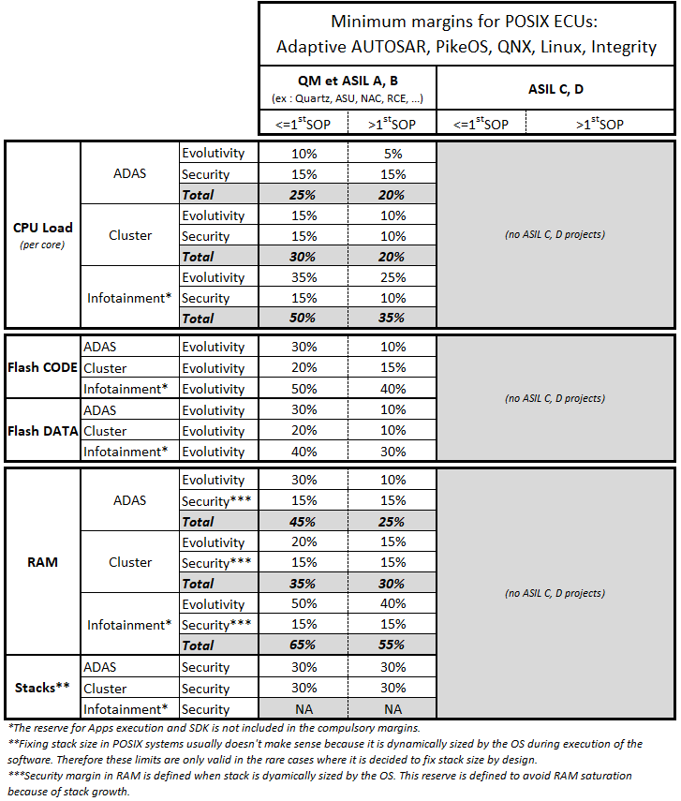 | NOT APPLICABLE | Display is not part of POSIX ECU.
To add a new question, insert new line above, to not suppress this line.

