Sheet1
Average Time (s) vs. Size (python_sort)
Algorithm Sorting Results
Sorting Function | Size | Average Time (s)
python_sort | 10^2 | 0
python_sort | 10^3 | 0
python_sort | 10^4 | 0.0008
python_sort | 10^5 | 0.0119
python_sort | 10^6 | 0.1634
python_sort | 10^7 | 2.2627
python_sort | 10^8 | 29.78
python_sort | 10^9 | 398.7047
2 min reached

Average Time (s) vs. Size (bubble_sort)
Algorithm Sorting Results
Sorting Function | Size | Average Time (s)
bubble_sort | 10^2 | 0.0003
bubble_sort | 10^3 | 0.0353
bubble_sort | 10^4 | 3.5865
bubble_sort | 10^5 | 403.6413
2 min reached

Average Time (s) vs. Size (quick_sort)
Algorithm Sorting Results
Sorting Function | Size | Average Time (s)
quick_sort | 10^2 | 0
quick_sort | 10^3 | 0.0008
quick_sort | 10^4 | 0.0098
quick_sort | 10^5 | 0.1149
quick_sort | 10^6 | 1.4724
quick_sort | 10^7 | 20.3487
quick_sort | 10^8 | 303.0385
2 min reached

python_sort (avg s), bubble_sort (avg s) and quick_sort (avg s)
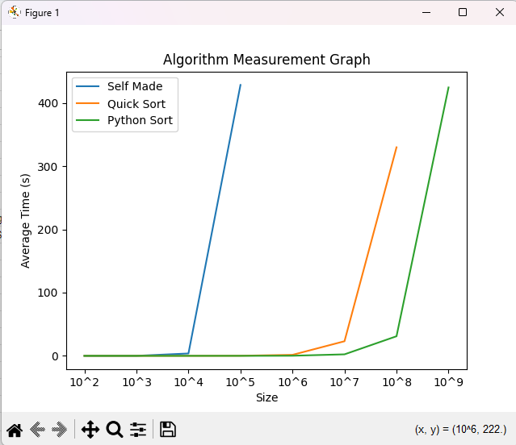
 |  |  |  |  |  |  | Graph no programmas
All Algorithm Sorting Results
Size | python_sort (avg s) | bubble_sort (avg s) | quick_sort (avg s)
10^2 | 0 | 0.0003 | 0
10^3 | 0 | 0.0353 | 0.0008
10^4 | 0.0008 | 3.5865 | 0.0098
10^5 | 0.0119 | 403.6413 | 0.1149
10^6 | 0.1634 |  | 1.4724
10^7 | 2.2627 |  | 20.3487
10^8 | 29.78 |  | 303.0385
10^9 | 398.7047

 | bubble_sort | quick_sort | pythom_sort (timsort)
Number of values (n) | Time (O(n^2)) (s) | Time (O(n log n)) (s) | Time (O(n log ρ)) (s)
10^2 | 1000 | 0.664 | 0.5
10^3 | 1,000,000 | 9.966 | 5
10^4 | 100,000,000 | 132.88 | 50
10^5 | 10,000,000,000 | 1,660.96 | 500
10^6 | 1,000,000,000,000 | 19,931.57 | 5,000.00
10^7 | 100,000,000,000,000 | 232,534.97 | 50,000.00
10^8 | 10,000,000,000,000,000.00 | 2,657,542.48 | 500,000.00
10^9 | 1,000,000,000,000,000,000 | 29,897,352.85 | 5,000,000.00

Size | bubble_sort (avg s) | Time (O(n^2)) (s) | quick_sort (avg s) | Time (O(n log n)) (s) | python_sort (avg s) | Time (O(n log ρ)) (s)
10^2 | 0.0003 | 0 | 0 | 0.000053 | 0 | 0.000008
10^3 | 0.0353 | 0 | 0.0008 | 0.0008 | 0 | 0.00008
10^4 | 3.5865 | 30 | 0.0098 | 0.01 | 0.0008 | 0.0008
10^5 | 403.6413 | 3,000 | 0.1149 | 0.13 | 0.0119 | 0.01
10^6 |  |  | 1.4724 | 1.60 | 0.1634 | 0.08
10^7 |  |  | 20.3487 | 18.67 | 2.2627 | 0.80
10^8 |  |  | 303.0385 | 213.33 | 29.78 | 8.00
10^9 |  |  |  |  | 398.7047 | 80.00

