activity-tab-1
Artifact Type – Problem Description (Online Project Management System)
A company is comprised of two to eight departments. Each department has an ID and email. A department hires employees for certain projects. Employees working on projects can be temporary employees or permanent employees. Each employee is identified by a name, email, employee ID, employee number. Projects can be of types - production projects, research projects, education projects, and community projects. All projects have a title, description, budget amount, and deadline. In addition , each education project and community project are associated with one funding group. The funding group can be of types - private group, government group, or mixed group. The production projects are characterized by a site code.

Artifact Type – Some Possible Variations in the Ground Truth Domain Model
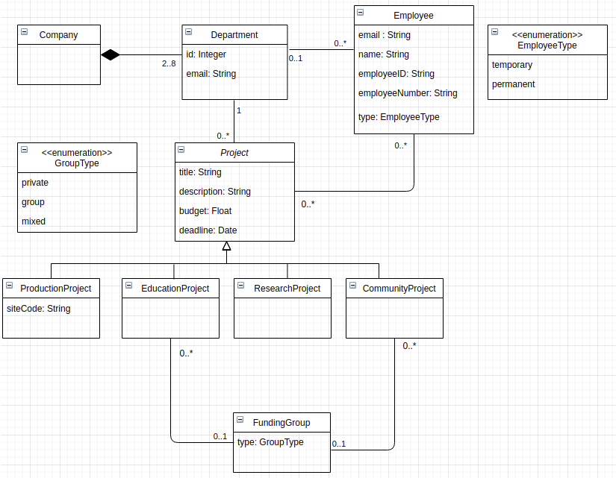
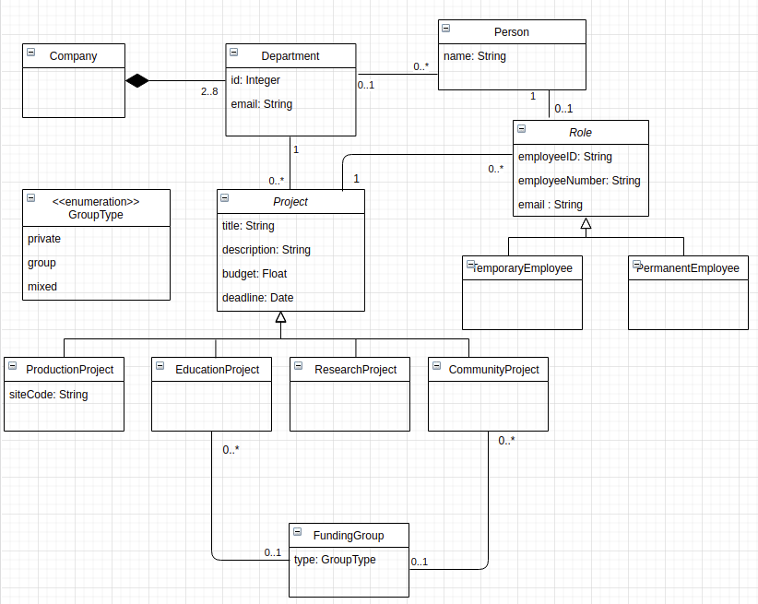

Number of elements in the variation which is closely related to extracted model - Classes – 11, Attributes – 18 (including enumeration items), Relationships (10), Cardinalities (12)

Artifact Type – Extracted Domain Model (Baseline)

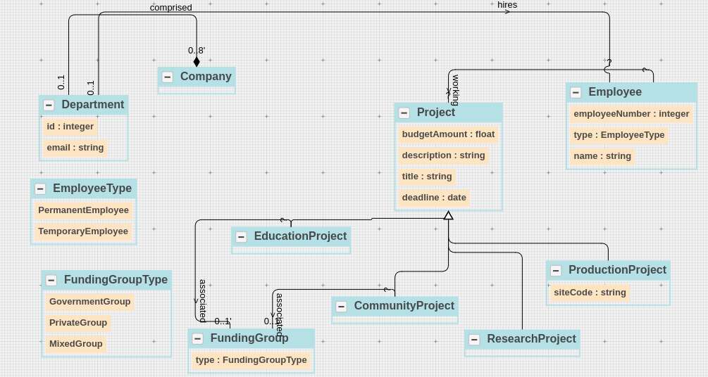

 | Ground Truth Domain Model

 | Category | Domain Concept
 | Class | Company
 | Class | Department
 | Class | Employee
 | Class | Project
 | Class | ProductionProject
 | Class | EducationProject
 | Class | ResearchProject
 | Class | CommunityProject
 | Class | FundingGroup
 | Enumeration Class | GroupType
 | Enumeration Class | EmployeeType
 | Class - Relevant Links (TP + FN) |  | 11
 | Attribute | id (Department class)
 | Attribute | email (Department class)
 | Attribute | name (Employee class)
 | Attribute | email (Employee class)
 | Attribute | type (Employee class)
 | Attribute | employeeID (Employee class)
 | Attribute | employeeNumber (Employee class)
 | Attribute | title (Project class)
 | Attribute | description (Project class)
 | Attribute | budgetAmount (Project class)
 | Attribute | deadline (Project class)
 | Attribute | siteCode (ProductionProject Class)
 | Attribute | type (FundingGroup)
 | Enumeration Item | government (GroupType Class)
 | Enumeration Item | private (GroupType Class)
 | Enumeration Item | mixed (GroupType Class)
 | Enumeration Item | temporary (EmployeeType Class)
 | Enumeration Item | permanent (EmployeeType Class)
 | Attributes - Relevant Links (TP + FN) |  | 18
 | Relationship | Company-Composition-Department
 | Relationship | Department-association-Employee
 | Relationship | Department-association-Project
 | Relationship | Employee-association-Project
 | Relationship | Project-Generalization-EducationProject
 | Relationship | Project-Generalization-ResearchProject
 | Relationship | Project-Generalization-CommunityProject
 | Relationship | Project-Generalization-ProdcutionProject
 | Relationship | EducationProject-association-FundingGroup
 | Relationship | CommunityProject-association-FundingGroup
 | Relationships - Relevant Links (TP + FN) |  | 10
 | Cardinality | Company – composition – 2..8 Department
 | Cardinality | 1 Company – composition – Department
 | Cardinality | 0..* Employee – association – Department
 | Cardinality | Employee – association – 0..1 Department
 | Cardinality | EducationProject – association – 0..1 FundingGroup
 | Cardinality | 0..* EducationProject – association – FundingGroup
 | Cardinality | 0..* CommunityProject– association – FundingGroup
 | Cardinality | 0..* Project – association – Department
 | Cardinality | 0..* Project – association – Employee
 | Cardinality | Project – association – 0..* Employee
 | Cardinality | CommunityProject – association – 0..1 FundingGroup
 | Cardinality | Project – association – 1 Department
 | Cardinalities - Relevant Links (TP + FN) |  | 6

 | Total Relevant Links (TP + FN) |  | 45

 | Extracted Domain Model (Proposed Approach – Without Learning)
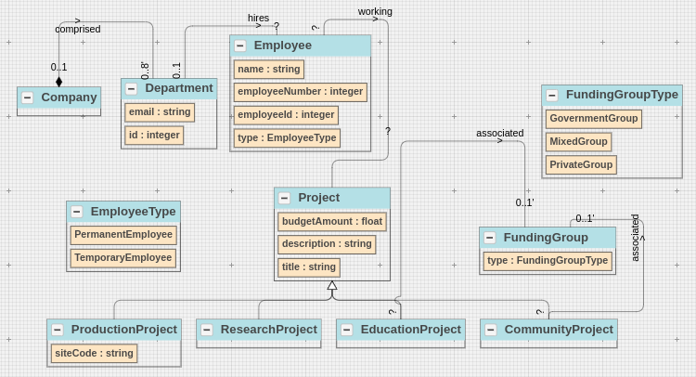

 | Domain Model Extraction Results (Proposed Approach – Without Learning)

 | Category | Domain Concepts
 | Class | Company | 1
 | Class | Department | 1
 | Class | Employee | 1
 | Class | Project | 1
 | Class | ProductionProject | 1
 | Class | EducationProject | 1
 | Class | ResearchProject | 1
 | Class | CommunityProject | 1
 | Class | FundingGroup | 1
 | Enumeration Class | GroupType | 1
 | Enumeration Class | EmployeeType | 1
 | 11 | Class – Retrieved Concepts (TP + FP) | 11 | Class – Retrieved Relevant Concepts (TP)
 | Attribute | id (Department class) | 1
 | Attribute | email (Department class) | 1
 | Attribute | name (Employee class) | 1
 | Attribute | type (Employee class) | 1
 | Attribute | employeeID (Employee class) | 1
 | Attribute | employeeNumber (Employee class) | 1
 | Attribute | title (Project class) | 1
 | Attribute | description (Project class) | 1
 | Attribute | budgetAmount (Project class) | 1
 | Attribute | siteCode (ProductionProject Class) | 1
 | Attribute | type (FundingGroup) | 1
 | Enumeration Item | government (GroupType Class) | 1
 | Enumeration Item | private (GroupType Class) | 1
 | Enumeration Item | mixed (GroupType Class) | 1
 | Enumeration Item | temporary (EmployeeType Class) | 1
 | Enumeration Item | permanent (EmployeeType Class) | 1
 | 16 | Attributes – Retrieved Concepts (TP + FP) | 16 | Attributes – Retrieved Relevant Concepts (TP)
 | Relationship | Company-Composition-Department | 1
 | Relationship | Employee-association-Project | 1
 | Relationship | Department-association-Employee | 1
 | Relationship | Project-Generalization-EducationProject | 1
 | Relationship | Project-Generalization-ResearchProject | 1
 | Relationship | Project-Generalization-CommunityProject | 1
 | Relationship | Project-Generalization-ProdcutionProject | 1
 | Relationship | EducationProject-association-FundingGroup | 1
 | Relationship | CommunityProject-association-FundingGroup | 1
 | 9 | Relationships – Retrieved Concepts (TP + FP) | 9 | Relationships – Retrieved Relevant Concepts (TP)
 | Cardinality | Company – composition – 0..8 Department | 1
 | Cardinality | 0..1 Company – composition – Department | 1
 | Cardinality | Department-association-? Employee | 0
 | Cardinality | 0..1 Department-association- Employee | 1
 | Cardinality | EducationProject – association – 0..1 FundingGroup | 1
 | Cardinality | CommunityProject – association – 0..1 FundingGroup | 1
 | Cardinality | ? EducationProject – association – FundingGroup | 0
 | Cardinality | ? CommunityProject – association – FundingGroup | 0
 | Cardinality | ? Project – association – Employee | 0
 | Cardinality | Project – association – ? Employee | 0
 | 5 | Cardinalities – Retrieved Concepts (TP + FP) | 2.5 | Cardinalities – Retrieved Relevant Concepts (TP)

 | 41 | Total– Retrieved Concepts (TP + FP) | 38.5 | Total– Retrieved Relevant Concepts (TP)

 | Domain Model Extraction Results (Proposed Approach – With Learning)

 | Category | Domain Concepts
 | Class | Company | 1
 | Class | Department | 1
 | Class | Employee | 1
 | Class | Project | 1
 | Class | ProductionProject | 1
 | Class | EducationProject | 1
 | Class | ResearchProject | 1
 | Class | CommunityProject | 1
 | Class | FundingGroup | 1
 | Class | PrivateGroup | 1
 | Class | MixedGroup | 1
 | Class | GovernmentGroup | 1
 | Enumeration Class | EmployeeType | 1
 | 13 | Class – Retrieved Concepts (TP + FP) | 13 | Class – Retrieved Relevant Concepts (TP)
 | Attribute | id (Department class) | 1
 | Attribute | email (Department class) | 1
 | Attribute | name (Employee class) | 1
 | Attribute | type (Employee class) | 1
 | Attribute | employeeID (Employee class) | 1
 | Attribute | employeeNumber (Employee class) | 1
 | Attribute | title (Project class) | 1
 | Attribute | description (Project class) | 1
 | Attribute | budgetAmount (Project class) | 1
 | Attribute | siteCode (ProductionProject Class) | 1
 | Attribute | type (FundingGroup) | 1
 | 11 | Attributes – Retrieved Concepts (TP + FP) | 11 | Attributes – Retrieved Relevant Concepts (TP)
 | Relationship | Company-Composition-Department | 1
 | Relationship | Employee-association-Project | 1
 | Relationship | Department-association-Employee | 1
 | Relationship | Project-Generalization-EducationProject | 1
 | Relationship | Project-Generalization-ResearchProject | 1
 | Relationship | Project-Generalization-CommunityProject | 1
 | Relationship | Project-Generalization-ProdcutionProject | 1
 | Relationship | EducationProject-association-FundingGroup | 1
 | Relationship | CommunityProject-association-FundingGroup | 1
 | Relationship | FundingGroup-Generalization-PrivateGroup | 1
 | Relationship | FundingGroup-Generalization-GovernmentGroup | 1
 | Relationship | FundingGroup-Generalization-MixedGroup | 1
 | 12 | Relationships – Retrieved Concepts (TP + FP) | 12 | Relationships – Retrieved Relevant Concepts (TP)
 | Cardinality | Company – composition – 0..8 Department | 1
 | Cardinality | 0..1 Company – composition – Department | 1
 | Cardinality | Department-association-? Employee | 0
 | Cardinality | 0..1 Department-association- Employee | 1
 | Cardinality | EducationProject – association – 0..1 FundingGroup | 1
 | Cardinality | CommunityProject – association – 0..1 FundingGroup | 1
 | Cardinality | ? EducationProject – association – FundingGroup | 0
 | Cardinality | ? CommunityProject – association – FundingGroup | 0
 | Cardinality | ? Project – association – Employee | 0
 | Cardinality | Project – association – ? Employee | 0
 | 5 | Cardinalities – Retrieved Concepts (TP + FP) | 2.5 | Cardinalities – Retrieved Relevant Concepts (TP)

 | 41 | Total– Retrieved Concepts (TP + FP) | 38.5 | Total– Retrieved Relevant Concepts (TP)

