PD1
Artifact Type – Problem Description (Online Project Management System)
A company is comprised of two to eight departments. Each department has an ID and email. A department hires employees for certain projects. Employees working on projects can be temporary employees or permanent employees. Each employee is identified by a name, email, employee ID, employee number. Projects can be of types - production projects, research projects, education projects, and community projects. All projects have a title, description, budget amount, and deadline. In addition , each education project and community project are associated with one funding group. The funding group can be of types - private group, government group, or mixed group. The production projects are characterized by a site code.

Artifact Type – Some Possible Variations in the Ground Truth Domain Model
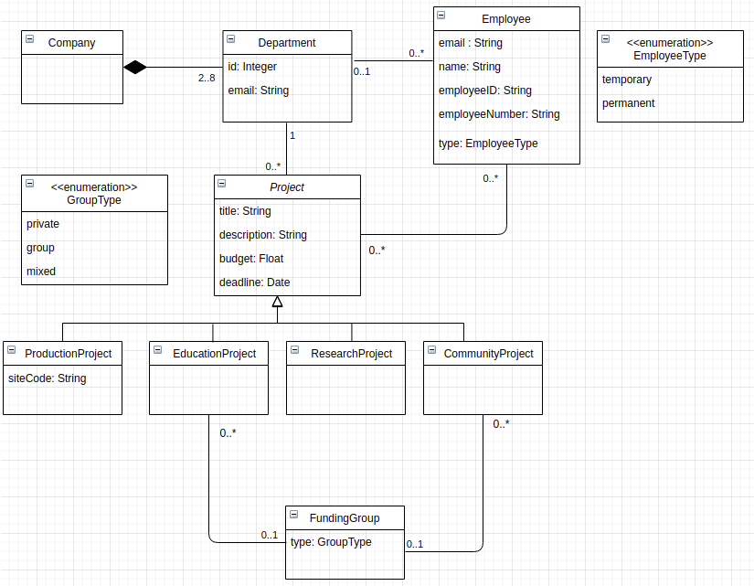
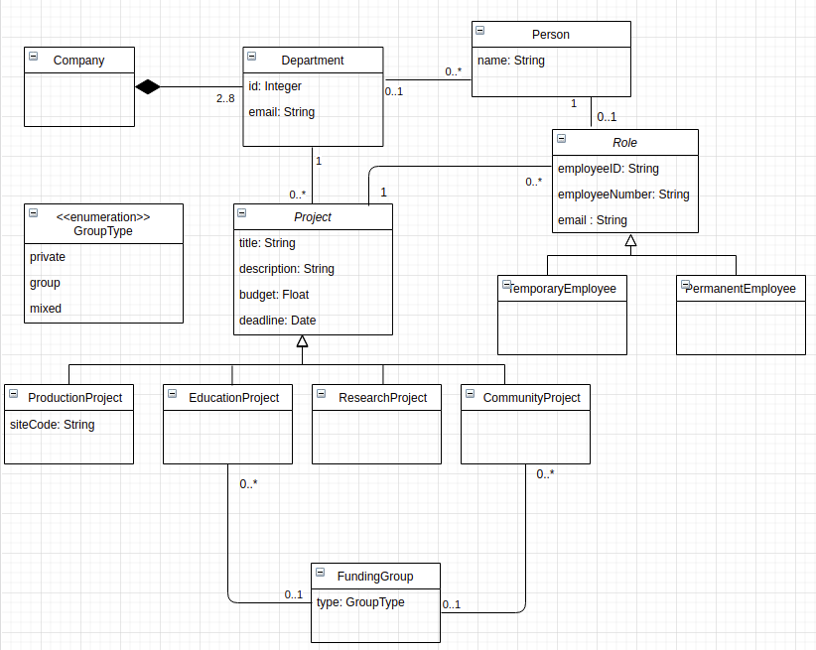

Number of elements in the variation which is closely related to extracted model - Classes – 11, Attributes – 18 (including enumeration items), Relationships (10), Cardinalities (12)

Artifact Type – Extracted Domain Model (Baseline)

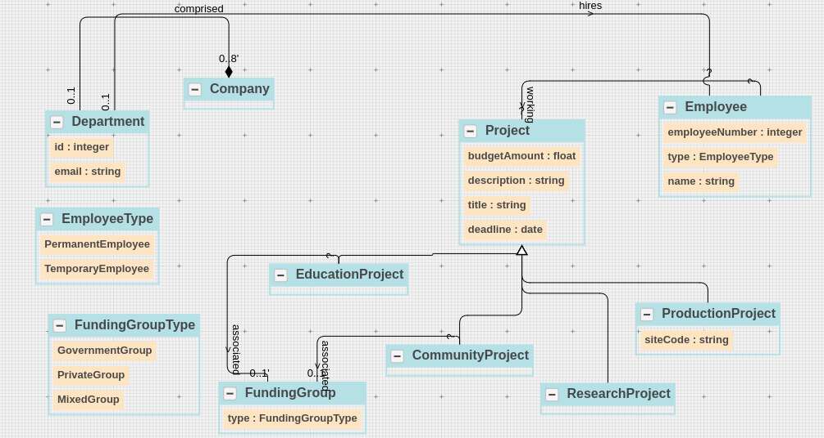

 | Ground Truth Domain Model

 | Category | Domain Concept
 | Class | Company
 | Class | Department
 | Class | Employee
 | Class | Project
 | Class | ProductionProject
 | Class | EducationProject
 | Class | ResearchProject
 | Class | CommunityProject
 | Class | FundingGroup
 | Enumeration Class | GroupType
 | Enumeration Class | EmployeeType
 | Class - Relevant Links (TP + FN) |  | 11
 | Attribute | id (Department class)
 | Attribute | email (Department class)
 | Attribute | name (Employee class)
 | Attribute | email (Employee class)
 | Attribute | type (Employee class)
 | Attribute | employeeID (Employee class)
 | Attribute | employeeNumber (Employee class)
 | Attribute | title (Project class)
 | Attribute | description (Project class)
 | Attribute | budgetAmount (Project class)
 | Attribute | deadline (Project class)
 | Attribute | siteCode (ProductionProject Class)
 | Attribute | type (FundingGroup)
 | Enumeration Item | government (GroupType Class)
 | Enumeration Item | private (GroupType Class)
 | Enumeration Item | mixed (GroupType Class)
 | Enumeration Item | temporary (EmployeeType Class)
 | Enumeration Item | permanent (EmployeeType Class)
 | Attributes - Relevant Links (TP + FN) |  | 18
 | Relationship | Company-Composition-Department
 | Relationship | Department-association-Employee
 | Relationship | Department-association-Project
 | Relationship | Employee-association-Project
 | Relationship | Project-Generalization-EducationProject
 | Relationship | Project-Generalization-ResearchProject
 | Relationship | Project-Generalization-CommunityProject
 | Relationship | Project-Generalization-ProdcutionProject
 | Relationship | EducationProject-association-FundingGroup
 | Relationship | CommunityProject-association-FundingGroup
 | Relationships - Relevant Links (TP + FN) |  | 10
 | Cardinality | Company – composition – 2..8 Department
 | Cardinality | 1 Company – composition – Department
 | Cardinality | 0..* Employee – association – Department
 | Cardinality | Employee – association – 0..1 Department
 | Cardinality | EducationProject – association – 0..1 FundingGroup
 | Cardinality | 0..* EducationProject – association – FundingGroup
 | Cardinality | 0..* CommunityProject– association – FundingGroup
 | Cardinality | 0..* Project – association – Department
 | Cardinality | 0..* Project – association – Employee
 | Cardinality | Project – association – 0..* Employee
 | Cardinality | CommunityProject – association – 0..1 FundingGroup
 | Cardinality | Project – association – 1 Department
 | Cardinalities - Relevant Links (TP + FN) |  | 6

 | Total Relevant Links (TP + FN) |  | 45

 | Domain Model Extraction Results (Baseline)

 | Category | Domain Concepts
 | Class | Company | 1
 | Class | Department | 1
 | Class | Employee | 1
 | Class | Project | 1
 | Class | ProductionProject | 1
 | Class | EducationProject | 1
 | Class | ResearchProject | 1
 | Class | CommunityProject | 1
 | Class | FundingGroup | 1
 | Enumeration Class | GroupType | 1
 | Enumeration Class | EmployeeType | 1
 | 11 | Class – Retrieved Concepts (TP + FP) | 11 | Class – Retrieved Relevant Concepts (TP)
 | Attribute | id (Department class) | 1
 | Attribute | email (Department class) | 1
 | Attribute | name (Employee class) | 1
 | Attribute | type (Employee class) | 1
 | Attribute | employeeNumber (Employee class) | 1
 | Attribute | title (Project class) | 1
 | Attribute | description (Project class) | 1
 | Attribute | budgetAmount (Project class) | 1
 | Attribute | deadline (Project class) | 1
 | Attribute | siteCode (ProductionProject Class) | 1
 | Attribute | type (FundingGroup) | 1
 | Enumeration Item | government (GroupType Class) | 1
 | Enumeration Item | private (GroupType Class) | 1
 | Enumeration Item | mixed (GroupType Class) | 1
 | Enumeration Item | temporary (EmployeeType Class) | 1
 | Enumeration Item | permanent (EmployeeType Class) | 1
 | 16 | Attributes – Retrieved Concepts (TP + FP) | 16 | Attributes – Retrieved Relevant Concepts (TP)
 | Relationship | Company-Composition-Department | 0.5
 |  | Employee-association-Project
 | Relationship | Department-association-Employee | 0.5
 | Relationship | Project-Generalization-EducationProject | 1
 | Relationship | Project-Generalization-ResearchProject | 1
 | Relationship | Project-Generalization-CommunityProject | 1
 | Relationship | Project-Generalization-ProdcutionProject | 1
 | Relationship | EducationProject-association-FundingGroup | 1
 | Relationship | CommunityProject-association-FundingGroup | 0.5
 | 7 | Relationships – Retrieved Concepts (TP + FP) | 6.5 | Relationships – Retrieved Relevant Concepts (TP)
 | Cardinality | Company – composition – 0..8 Department | 0.5
 | Cardinality | 0..1 Company – composition – Department | 0.5
 | Cardinality | Department-association-? Employee | 0
 | Cardinality | 0..1 Department-association- Employee | 0.5
 | Cardinality | EducationProject – association – 0..1 FundingGroup | 1
 | Cardinality | CommunityProject – association – 0..1 FundingGroup | 1
 | Cardinality | ? EducationProject – association – FundingGroup | 0
 | Cardinality | ? CommunityProject – association – FundingGroup | 0
 | Cardinality | ? Project – association – Employee | 0
 | Cardinality | Project – association – ? Employee | 0
 | 5 | Cardinalities – Retrieved Concepts (TP + FP) | 1.75 | Cardinalities – Retrieved Relevant Concepts (TP)

 | 39 | Total– Retrieved Concepts (TP + FP) | 35.25 | Total– Retrieved Relevant Concepts (TP)

 | Extracted Domain Model (Proposed Approach – Without Learning)

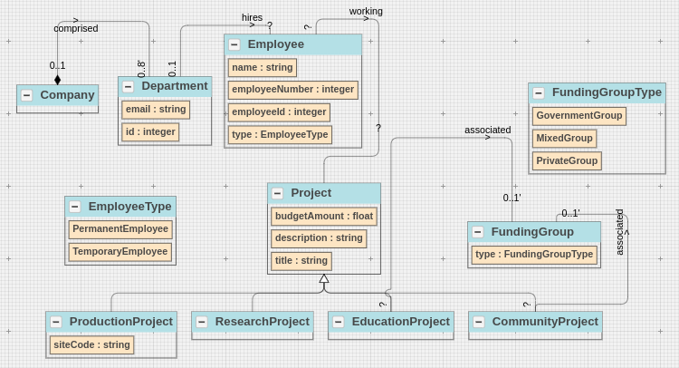

 |  |  | Baseline (W/O Learning) | Original Order (Learning)
 | S.No | Non-Atomic Decision Points | #steps | #steps
 | 1 | Project – ProductionProject, EducationProject, ResearchProject, CommunityProject | 0 | 0
 | 2 | FundingGroup – PrivateGroup, MixedGroup, GovernmentGroup | 1 | 1 | Predicted – none; Required – generalization
 | 3 | Employee – TemporaryEmployee, PermanentEmployee | 1 | 1 | Predicted – none; Required – player-role
 | Total | 3 | 2 | 2

 | Domain Model Extraction Results (Proposed Approach – Without Learning)

 | Category | Domain Concepts
 | Class | Company | 1
 | Class | Department | 1
 | Class | Employee | 1
 | Class | Project | 1
 | Class | ProductionProject | 1
 | Class | EducationProject | 1
 | Class | ResearchProject | 1
 | Class | CommunityProject | 1
 | Class | FundingGroup | 1
 | Enumeration Class | GroupType | 1
 | Enumeration Class | EmployeeType | 1
 | 11 | Class – Retrieved Concepts (TP + FP) | 11 | Class – Retrieved Relevant Concepts (TP)
 | Attribute | id (Department class) | 1
 | Attribute | email (Department class) | 1
 | Attribute | name (Employee class) | 1
 | Attribute | type (Employee class) | 1
 | Attribute | employeeID (Employee class) | 1
 | Attribute | employeeNumber (Employee class) | 1
 | Attribute | title (Project class) | 1
 | Attribute | description (Project class) | 1
 | Attribute | budgetAmount (Project class) | 1
 | Attribute | siteCode (ProductionProject Class) | 1
 | Attribute | type (FundingGroup) | 1
 | Enumeration Item | government (GroupType Class) | 1
 | Enumeration Item | private (GroupType Class) | 1
 | Enumeration Item | mixed (GroupType Class) | 1
 | Enumeration Item | temporary (EmployeeType Class) | 1
 | Enumeration Item | permanent (EmployeeType Class) | 1
 | 16 | Attributes – Retrieved Concepts (TP + FP) | 16 | Attributes – Retrieved Relevant Concepts (TP)
 | Relationship | Company-Composition-Department | 1
 | Relationship | Employee-association-Project | 1
 | Relationship | Department-association-Employee | 1
 | Relationship | Project-Generalization-EducationProject | 1
 | Relationship | Project-Generalization-ResearchProject | 1
 | Relationship | Project-Generalization-CommunityProject | 1
 | Relationship | Project-Generalization-ProdcutionProject | 1
 | Relationship | EducationProject-association-FundingGroup | 1
 | Relationship | CommunityProject-association-FundingGroup | 1
 | 9 | Relationships – Retrieved Concepts (TP + FP) | 9 | Relationships – Retrieved Relevant Concepts (TP)
 | Cardinality | Company – composition – 0..8 Department | 1
 | Cardinality | 0..1 Company – composition – Department | 1
 | Cardinality | Department-association-? Employee | 0
 | Cardinality | 0..1 Department-association- Employee | 1
 | Cardinality | EducationProject – association – 0..1 FundingGroup | 1
 | Cardinality | CommunityProject – association – 0..1 FundingGroup | 1
 | Cardinality | ? EducationProject – association – FundingGroup | 0
 | Cardinality | ? CommunityProject – association – FundingGroup | 0
 | Cardinality | ? Project – association – Employee | 0
 | Cardinality | Project – association – ? Employee | 0
 | 5 | Cardinalities – Retrieved Concepts (TP + FP) | 2.5 | Cardinalities – Retrieved Relevant Concepts (TP)

 | 41 | Total– Retrieved Concepts (TP + FP) | 38.5 | Total– Retrieved Relevant Concepts (TP)

 |  |  | Baseline (W/O Learning) | Random Order- I (Learning)
 | S.No | Non-Atomic Decision Points | #steps | #steps
 | 1 | Project – ProductionProject, EducationProject, ResearchProject, CommunityProject | 0 | 0
 | 2 | FundingGroup – PrivateGroup, MixedGroup, GovernmentGroup | 1 | 0 | Predicted – generalization; Required – generalization
 | 3 | Employee – TemporaryEmployee, PermanentEmployee | 1 | 1 | Predicted – enumeration; Required – player-role
 | Total | 3 | 2 | 1

 |  |  | Baseline (W/O Learning) | Random Order- II (Learning)
 | S.No | Non-Atomic Decision Points | #steps | #steps
 | 1 | Project – ProductionProject, EducationProject, ResearchProject, CommunityProject | 0 | 0
 | 2 | FundingGroup – PrivateGroup, MixedGroup, GovernmentGroup | 1 | 0 | Predicted – generalization; Required – generalization
 | 3 | Employee – TemporaryEmployee, PermanentEmployee | 1 | 1 | Predicted – generalization; Required – player-role
 | Total | 3 | 2 | 1

 | Domain Model Extraction Results (Proposed Approach – With Learning)

 | Category | Domain Concepts
 | Class | Company | 1
 | Class | Department | 1
 | Class | Employee | 1
 | Class | Project | 1
 | Class | ProductionProject | 1
 | Class | EducationProject | 1
 | Class | ResearchProject | 1
 | Class | CommunityProject | 1
 | Class | FundingGroup | 1
 | Class | PrivateGroup | 1
 | Class | MixedGroup | 1
 | Class | GovernmentGroup | 1
 | Enumeration Class | EmployeeType | 1
 | 13 | Class – Retrieved Concepts (TP + FP) | 13 | Class – Retrieved Relevant Concepts (TP)
 | Attribute | id (Department class) | 1
 | Attribute | email (Department class) | 1
 | Attribute | name (Employee class) | 1
 | Attribute | type (Employee class) | 1
 | Attribute | employeeID (Employee class) | 1
 | Attribute | employeeNumber (Employee class) | 1
 | Attribute | title (Project class) | 1
 | Attribute | description (Project class) | 1
 | Attribute | budgetAmount (Project class) | 1
 | Attribute | siteCode (ProductionProject Class) | 1
 | Attribute | type (FundingGroup) | 1
 | 11 | Attributes – Retrieved Concepts (TP + FP) | 11 | Attributes – Retrieved Relevant Concepts (TP)
 | Relationship | Company-Composition-Department | 1
 | Relationship | Employee-association-Project | 1
 | Relationship | Department-association-Employee | 1
 | Relationship | Project-Generalization-EducationProject | 1
 | Relationship | Project-Generalization-ResearchProject | 1
 | Relationship | Project-Generalization-CommunityProject | 1
 | Relationship | Project-Generalization-ProdcutionProject | 1
 | Relationship | EducationProject-association-FundingGroup | 1
 | Relationship | CommunityProject-association-FundingGroup | 1
 | Relationship | FundingGroup-Generalization-PrivateGroup | 1
 | Relationship | FundingGroup-Generalization-GovernmentGroup | 1
 | Relationship | FundingGroup-Generalization-MixedGroup | 1
 | 12 | Relationships – Retrieved Concepts (TP + FP) | 12 | Relationships – Retrieved Relevant Concepts (TP)
 | Cardinality | Company – composition – 0..8 Department | 1
 | Cardinality | 0..1 Company – composition – Department | 1
 | Cardinality | Department-association-? Employee | 0
 | Cardinality | 0..1 Department-association- Employee | 1
 | Cardinality | EducationProject – association – 0..1 FundingGroup | 1
 | Cardinality | CommunityProject – association – 0..1 FundingGroup | 1
 | Cardinality | ? EducationProject – association – FundingGroup | 0
 | Cardinality | ? CommunityProject – association – FundingGroup | 0
 | Cardinality | ? Project – association – Employee | 0
 | Cardinality | Project – association – ? Employee | 0
 | 5 | Cardinalities – Retrieved Concepts (TP + FP) | 2.5 | Cardinalities – Retrieved Relevant Concepts (TP)

 | 41 | Total– Retrieved Concepts (TP + FP) | 38.5 | Total– Retrieved Relevant Concepts (TP)

PD2
Artifact Type – Problem Description (Online Food Delivery System)
Online Food Delivery System (OFDS) is used by many companies for delivering food at the doorstep. Each company has a name. In addition, companies hire employees for food delivery. These employees can be part-time employees or full-time employees. Each employee has a name. The system also allows the company to manage multiple vehicles. Each vehicle has a registration number. Also, a vehicle can be an owned vehicle or a rented vehicle. Employees drive these vehicles for food delivery.

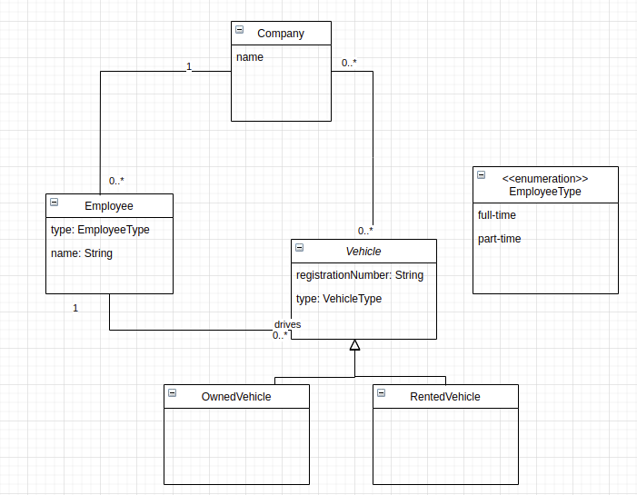
Artifact Type – Some Possible Variations in the Ground Truth Domain Model
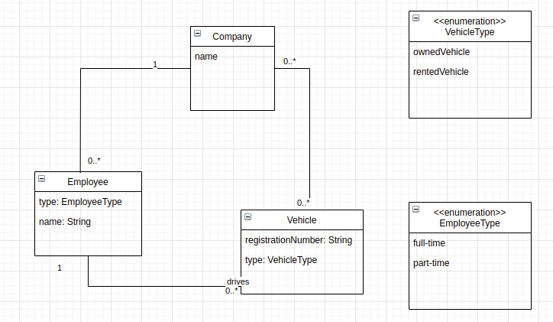

Classes – 9, Attributes – 17 (including enumeration items), Relationships (7), Cardinalities (10)

Artifact Type – Extracted Domain Model (Baseline)
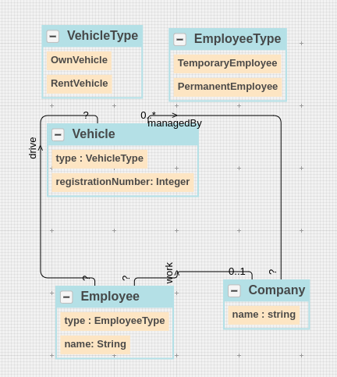

 | Ground Truth Domain Model

 | Category | Domain Concept
 | Class | Vehicle
 | Class | Employee
 | Class | Company
 | Enumeration Class | EmployeeType
 | Enumeration Class | VehicleType
 | Class - Relevant Links (TP + FN) |  | 5
 | Attribute | name (Company class)
 | Attribute | registrationNumber (Vehicle class)
 | Attribute | type (Vehicle class)
 | Attribute | name (Employee class)
 | Attribute | type (Employee class)
 | Enumeration Item | Part-time, full-time (EmployeeType class)
 | Enumeration Item | rented, owned (VehicleType enum class)
 | Attribute | name (Company class)
 | Attribute | registrationNumber (Vehicle class)
 | Attribute | type (Vehicle class)
 | Attribute | name (Employee class)
 | Attribute | type (Employee class)
 | Enumeration Item | Part-time, full-time (EmployeeType class)
 | Enumeration Item | rented, owned (VehicleType enum class)
 | Attributes - Relevant Links (TP + FN) |  | 14
 | Relationship | Employee-association-Vehicle
 | Relationship | Vehicle-association-Company
 | Relationship | Employee-association-Company
 | Relationships - Relevant Links (TP + FN) |  | 3
 | Cardinality | Employee-association-0..* Vehicle
 | Cardinality | 1 Employee-association-Vehicle
 | Cardinality | Vehicle-association-0..* Company
 | Cardinality | 0..* Vehicle-association-Company
 | Cardinality | Employee-association-0..1 Company
 | Cardinality | 0..* Employee-association-Company
 | Cardinalities - Relevant Links (TP + FN) |  | 3

 | Total Relevant Links (TP + FN) |  | 25

 | Domain Model Extraction Results (Baseline)

 | Category | Domain Concepts
 | Class | Vehicle | 1
 | Class | Employee | 1
 | Class | Company | 1
 | Enumeration Class | EmployeeType | 1
 | Enumeration Class | VehicleType | 1
 | 5 | Class – Retrieved Concepts (TP + FP) | 5 | Class – Retrieved Relevant Concepts (TP)
 | Attribute | name (Company class) | 1
 | Attribute | registrationNumber (Vehicle class) | 1
 | Attribute | type (Vehicle class) | 1
 | Attribute | name (Employee class) | 1
 | Attribute | type (Employee class) | 0.5
 | Enumeration Item | Part-time, full-time (EmployeeType class) | 0.5
 | Enumeration Item | rented, owned (VehicleType enum class) | 1
 | Attribute | name (Company class) | 1
 | Attribute | registrationNumber (Vehicle class) | 1
 | Attribute | type (Vehicle class) | 1
 | Attribute | name (Employee class) | 1
 | Attribute | type (Employee class) | 1
 | Enumeration Item | Part-time, full-time (EmployeeType class) | 1
 | Enumeration Item | rented, owned (VehicleType enum class) | 1
 | 14 | Attributes – Retrieved Concepts (TP + FP) | 13 | Attributes – Retrieved Relevant Concepts (TP)
 | Relationship | Employee-association-Vehicle | 1
 | Relationship | Employee-association-Company | 1
 | Relationship | Vehicle-association-Company | 1
 | 3 | Relationships – Retrieved Concepts (TP + FP) | 3 | Relationships – Retrieved Relevant Concepts (TP)
 | Cardinality | Employee-association-? Vehicle | 0
 | Cardinality | ? Employee-association-Vehicle | 0
 | Cardinality | Vehicle-association-? Company | 0
 | Cardinality | 0..* Vehicle-association-Company | 0.5
 | Cardinality | Employee-association-0..1 Company | 0.5
 | Cardinality | ? Employee-association-Company | 0
 | 3 | Cardinalities – Retrieved Concepts (TP + FP) | 0.5 | Cardinalities – Retrieved Relevant Concepts (TP)

 | 25 | Total– Retrieved Concepts (TP + FP) | 21.5 | Total– Retrieved Relevant Concepts (TP)

 | Extracted Domain Model (Proposed Approach – Without Learning)

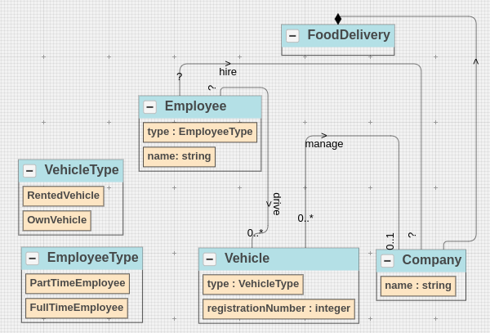

 | Extracted Domain Model Results (Proposed Approach – Without Learning)

 | Category | Domain Concepts
 | Class | Vehicle | 1
 | Class | Employee | 1
 | Class | Company | 1
 | Enumeration Class | EmployeeType | 1
 | Enumeration Class | VehicleType | 1
 | 5 | Class – Retrieved Concepts (TP + FP) | 5 | Class – Retrieved Relevant Concepts (TP)
 | Attribute | name (Company class) | 1
 | Attribute | registrationNumber (Vehicle class) | 1
 | Attribute | type (Vehicle class) | 1
 | Attribute | name (Employee class) | 1
 | Attribute | type (Employee class) | 1
 | Enumeration Item | Part-time, full-time (EmployeeType class) | 1
 | Enumeration Item | rented, owned (VehicleType enum class) | 1
 | Attribute | name (Company class) | 1
 | Attribute | registrationNumber (Vehicle class) | 1
 | Attribute | type (Vehicle class) | 1
 | Attribute | name (Employee class) | 1
 | Attribute | type (Employee class) | 1
 | Enumeration Item | Part-time, full-time (EmployeeType class) | 1
 | Enumeration Item | rented, owned (VehicleType enum class) | 1
 | 14 | Attributes – Retrieved Concepts (TP + FP) | 14 | Attributes – Retrieved Relevant Concepts (TP)
 | Relationship | Employee-association-Vehicle | 1
 | Relationship | Employee-association-Company | 1
 | Relationship | Vehicle-association-Company | 1
 | 3 | Relationships – Retrieved Concepts (TP + FP) | 3 | Relationships – Retrieved Relevant Concepts (TP)
 | Cardinality | Employee-association-0..* Vehicle | 1
 | Cardinality | ? Employee-association-Vehicle | 0
 | Cardinality | Vehicle-association-0..1 Company | 1
 | Cardinality | 0..* Vehicle-association-Company | 1
 | Cardinality | Employee-association-? Company | 0
 | Cardinality | ? Employee-association-Company | 0
 | 3 | Cardinalities – Retrieved Concepts (TP + FP) | 1.5 | Cardinalities – Retrieved Relevant Concepts (TP)

 | 25 | Total– Retrieved Concepts (TP + FP) | 23.5 | Total– Retrieved Relevant Concepts (TP)

 |  |  | Baseline (W/O Learning) | Original Order (Learning)
 | S.No | Non-Atomic Decision Points | #steps | #steps
 | 1 | Part-time, full-time (EmployeeType class) | 1 | 1 | Predicted – generalization; Required – player-role
 | 2 | rented, owned (VehicleType enum class) | 0 | 1 | Predicted – generalization; Required – enumeration
 | Total | 2 | 1 | 2

 |  |  | Baseline (W/O Learning) | Random Order- I (Learning)
 | S.No | Non-Atomic Decision Points | #steps | #steps
 | 1 | Part-time, full-time (EmployeeType class) | 1 | 0 | Predicted – player-role; Required – player-role
 | 2 | rented, owned (VehicleType enum class) | 0 | 0 | Predicted – enumeration; Required – enumeration
 | Total | 2 | 1 | 0

 |  |  | Baseline (W/O Learning) | Random Order- II (Learning)
 | S.No | Non-Atomic Decision Points | #steps | #steps
 | 1 | Part-time, full-time (EmployeeType class) | 1 | 1 | Predicted – player-role; Required – player-role
 | 2 | rented, owned (VehicleType enum class) | 0 | 0 | Predicted – generalization; Required – enumeration
 | Total | 2 | 1 | 1

 | Extracted Domain Model Results (Proposed Approach – With Learning)

 | Category | Domain Concepts
 | Class | Vehicle | 1
 | Class | Person | 1
 | Class | Company | 1
 | Class | FullTimeEmployee | 1
 | Class | PartTimeEmployee | 1
 | Enumeration Class | VehicleType | 1
 | 6 | Class – Retrieved Concepts (TP + FP) | 6 | Class – Retrieved Relevant Concepts (TP)
 | Attribute | name (Company class) | 1
 | Attribute | registrationNumber (Vehicle class) | 1
 | Attribute | type (Vehicle class) | 1
 | Attribute | name (Employee class) | 1
 | Enumeration Item | rented (VehicleType enum class) | 1
 | Enumeration Item | owned (VehicleType enum class) | 1
 | Attribute | name (Company class) | 1
 | Attribute | registrationNumber (Vehicle class) | 1
 | 8 | Attributes – Retrieved Concepts (TP + FP) | 8 | Attributes – Retrieved Relevant Concepts (TP)
 | Relationship | EmployeeRole-association-Vehicle | 1
 | Relationship | Employee-association-Company | 1
 | Relationship | Vehicle-association-Company | 1
 | Relationship | Employee-generalization-PartTimeEmployee | 1
 | Relationship | Employee-generalization-FullTimeEmployee | 1
 | Relationship | Person-association-EmployeeRole | 1
 | 6 | Relationships – Retrieved Concepts (TP + FP) | 6 | Relationships – Retrieved Relevant Concepts (TP)
 | Cardinality | Employee-association-0..* Vehicle | 1
 | Cardinality | ? Employee-association-Vehicle | 0
 | Cardinality | Vehicle-association-0..1 Company | 1
 | Cardinality | 0..* Vehicle-association-Company | 1
 | 2 | Cardinalities – Retrieved Concepts (TP + FP) | 1.5 | Cardinalities – Retrieved Relevant Concepts (TP)

 | 22 | Total– Retrieved Concepts (TP + FP) | 21.5 | Total– Retrieved Relevant Concepts (TP)

PD3
Artifact Type – Problem Description (Map Information System)
A system used by map makers at the Government of Ootumlia contains information about various maps. Each map has a scale, and name. Each map also has information that defines the latitude and longitude of the top left corner of the map, and the height and width of the map in meters. A map includes several features where each feature has a name. Also, a feature can be curve feature, point feature, or region feature.

Artifact Type – Some Possible Variations in the Ground Truth Domain Model

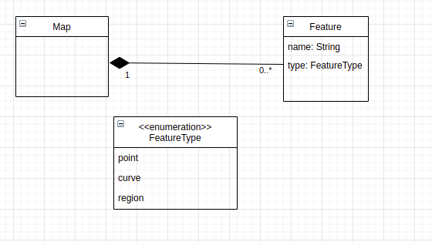
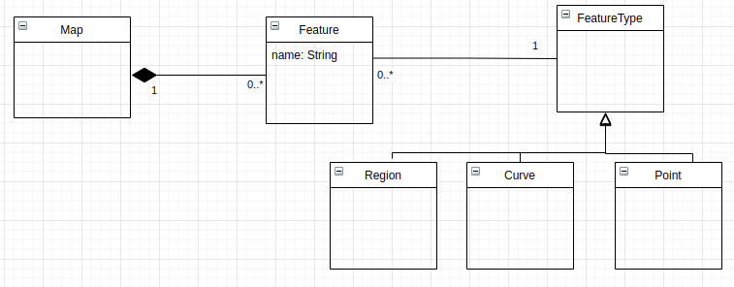

Classes – 9, Attributes – 17 (including enumeration items), Relationships (7), Cardinalities (10)

Artifact Type – Extracted Domain Model (Baseline)

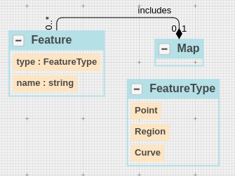

 | Ground Truth Domain Model

 | Category | Domain Concept
 | Class | Map
 | Class | Feature
 | Enumeration Class | FeatureType
 | Class - Relevant Links (TP + FN) |  | 3
 | Attribute | name (Feature class)
 | Attribute | FeatureType (Feature class)
 | Enumeration Item | point (Feature enum class)
 | Enumeration Item | curve (Feature enum class)
 | Enumeration Item | region (Feature enum class)
 | Attribute | name (Map class)
 | Attribute | scale (Map class)
 | Attribute | longitude (Map class)
 | Attribute | latitude (Map class)
 | Attribute | height (Map class)
 | Attribute | width (Map class)
 | Attributes - Relevant Links (TP + FN) |  | 11
 | Relationship | Map-composition-Feature
 | Relationships - Relevant Links (TP + FN) |  | 1
 | Cardinality | Map-composition-0..* Feature
 | Cardinality | 1 Map-composition-Feature
 | Cardinalities - Relevant Links (TP + FN) |  | 1
 |  |  | 4
 | Total Relevant Links (TP + FN) |  | 20

 | Domain Model Extraction Results (Baseline)

 | Category | Domain Concepts
 | Class | Map | 1
 | Class | Feature | 1
 | Enumeration Class | FeatureType | 1
 | 3 | Class – Retrieved Concepts (TP + FP) | 3 | Class – Retrieved Relevant Concepts (TP)
 | Attribute | name (Feature class) | 1
 | Attribute | FeatureType (Feature class) | 1
 | Enumeration Item | point (Feature enum class) | 1
 | Enumeration Item | curve (Feature enum class) | 1
 | Enumeration Item | region (Feature enum class) | 1
 | Attribute | name (Map class) | 1
 | Attribute | latitude (Map class) | 1
 | Attribute | height (Map class) | 0.5
 | Attribute | width (Map class) | 0.5
 | 9 | Attributes – Retrieved Concepts (TP + FP) | 8 | Attributes – Retrieved Relevant Concepts (TP)
 | Relationship | Map-composition-Feature | 1
 | 1 | Relationships – Retrieved Concepts (TP + FP) | 1 | Relationships – Retrieved Relevant Concepts (TP)
 | Cardinality | Map-composition-0..* Feature | 0.5
 | Cardinality | 1 Map-composition-Feature | 0.5
 | 1 | Cardinalities – Retrieved Concepts (TP + FP) | 0.5 | Cardinalities – Retrieved Relevant Concepts (TP)
 | 4 |  | 4
 | 18 | Total– Retrieved Concepts (TP + FP) | 16.5 | Total– Retrieved Relevant Concepts (TP)

 | Extracted Domain Model (Proposed Approach – Without Learning)

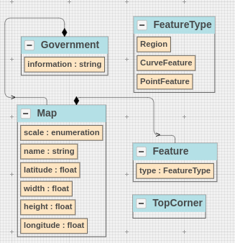

 | Extracted Domain Model Results (Proposed Approach – Without Learning)

 | Category | Domain Concepts
 | Class | Map | 1
 | Class | Feature | 1
 | Enumeration Class | FeatureType | 1
 | Class | TopCorner | 0
 | 4 | Class – Retrieved Concepts (TP + FP) | 3 | Class – Retrieved Relevant Concepts (TP)
 | Attribute | name (Feature class) | 1
 | Attribute | FeatureType (Feature class) | 1
 | Attribute | information (Government Class) | 0
 | Enumeration Item | point (Feature enum class) | 1
 | Enumeration Item | curve (Feature enum class) | 1
 | Enumeration Item | region (Feature enum class) | 1
 | Attribute | name (Map class) | 1
 | Attribute | scale (Map class) | 0.5
 | Attribute | longitude (Map class) | 1
 | Attribute | latitude (Map class) | 1
 | Attribute | height (Map class) | 1
 | Attribute | width (Map class) | 1
 | 12 | Attributes – Retrieved Concepts (TP + FP) | 10.5 | Attributes – Retrieved Relevant Concepts (TP)
 | Relationship | Map-composition-Feature | 1
 | 1 | Relationships – Retrieved Concepts (TP + FP) | 1 | Relationships – Retrieved Relevant Concepts (TP)
 | Cardinality | Map-composition-0..* Feature | 1
 | Cardinality | 1 Map-composition-Feature | 0.5
 | 1 | Cardinalities – Retrieved Concepts (TP + FP) | 0.75 | Cardinalities – Retrieved Relevant Concepts (TP)
 | 2 |  | 2
 | 20 | Total– Retrieved Concepts (TP + FP) | 17.25 | Total– Retrieved Relevant Concepts (TP)

 |  |  | Baseline (W/O Learning) | Original Order (Learning)
 | S.No | Non-Atomic Decision Points | #steps | #steps
 | 1 | FeatureType (Point, Curve, Region) | 1 | 0 | Predicted – generalization; Required – generalization
 | Total | 1 | 1 | 0

 |  |  | Baseline (W/O Learning) | Random Order- I (Learning)
 | S.No | Non-Atomic Decision Points | #steps | #steps
 | 1 | FeatureType (Point, Curve, Region) | 1 | 0 | Predicted – generalization; Required – generalization
 | Total | 1 | 1 | 0

 |  |  | Baseline (W/O Learning) | Random Order- II (Learning)
 | S.No | Non-Atomic Decision Points | #steps | #steps
 | 1 | FeatureType (Point, Curve, Region) | 1 | 0 | Predicted – generalization; Required – generalization
 | Total | 1 | 1 | 0

 | Extracted Domain Model Results (Proposed Approach – With Learning)

 | Category | Domain Concepts
 | Class | Map | 1
 | Class | Feature | 1
 | Class | CurveFeature | 1
 | Class | PointFeature | 1
 | Class | RegionFeature | 1
 | Class | TopCorner | 0
 | 6 | Class – Retrieved Concepts (TP + FP) | 5 | Class – Retrieved Relevant Concepts (TP)
 | Attribute | name (Feature class) | 1
 | Attribute | FeatureType (Feature class) | 1
 | Attribute | information (Government Class) | 0
 | Attribute | name (Map class) | 1
 | Attribute | scale (Map class) | 0.5
 | Attribute | longitude (Map class) | 1
 | Attribute | latitude (Map class) | 1
 | Attribute | height (Map class) | 1
 | Attribute | width (Map class) | 1
 | 9 | Attributes – Retrieved Concepts (TP + FP) | 7.5 | Attributes – Retrieved Relevant Concepts (TP)
 | Relationship | Map-composition-Feature | 1
 | Relationship | RegionFeature-generalization-Feature | 1
 | Relationship | CurveFeature-generalization-Feature | 1
 | Relationship | PointFeature-generalization-Feature | 1
 | 4 | Relationships – Retrieved Concepts (TP + FP) | 4 | Relationships – Retrieved Relevant Concepts (TP)
 | Cardinality | Map-composition-0..* Feature | 1
 | Cardinality | 1 Map-composition-Feature | 1
 | 1 | Cardinalities – Retrieved Concepts (TP + FP) | 1 | Cardinalities – Retrieved Relevant Concepts (TP)

 | 20 | Total– Retrieved Concepts (TP + FP) | 17.5 | Total– Retrieved Relevant Concepts (TP)

PD4
Artifact Type – Problem Description (Event Management System)
An event is organized in a venue. An event can be a concert event or a theatrical event. A venue can be an open venue or a closed venue. Each venue is comprised of multiple seats. These seats have different types of sections. A section can be of types - parquet center, balcony center, and others. Each seat has a number. The events are organized for different shows every 9 pm. Each show has a date.

Artifact Type – Some Possible Variations in the Ground Truth Domain Model

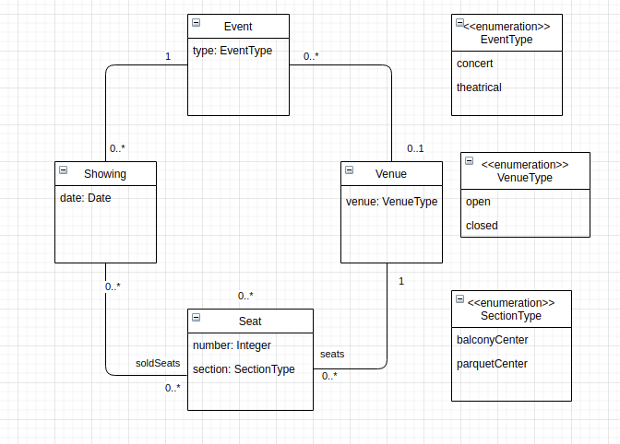
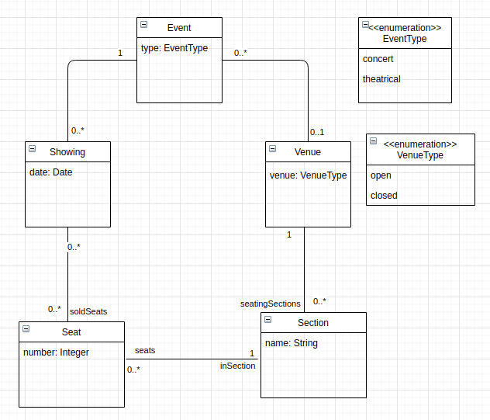

Classes – 9, Attributes – 17 (including enumeration items), Relationships (7), Cardinalities (10)

Artifact Type – Extracted Domain Model using our Proposed Tool

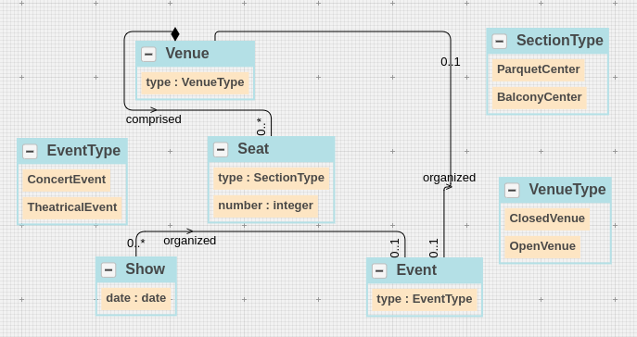

 | Ground Truth Domain Model

 | Category | Domain Concept
 | Class | Event
 | Class | Showing
 | Class | Venue
 | Class | Seat
 | Class | SpecificShow
 | Enumeration Class | EventType
 | Enumeration Class | SectionType
 | Enumeration Class | VenueType
 | Class - Relevant Links (TP + FN) |  | 8
 | Attribute | type (Event class)
 | Attribute | type (Venue class)
 | Attribute | number (Seat Class)
 | Attribute | section (Seat Class)
 | Attribute | date (SpecificShow Class)
 | Enumeration Item | concert (EventType enum class)
 | Enumeration Item | theatrical (EventType enum class)
 | Enumeration Item | open (VenueType enum class)
 | Enumeration Item | closed (VenueType enum class)
 | Enumeration Item | parquetCenter (SectionType enum class)
 | Enumeration Item | balconyCenter (SectionType enum class)
 | Attributes - Relevant Links (TP + FN) |  | 11
 | Relationship | Event-association- Venue
 | Relationship | Event-association- Showing
 | Relationship | Seat-association- Venue
 | Relationship | Seat-association- Showing
 | Relationship | Showing-association-SpecificShowing
 | Relationships - Relevant Links (TP + FN) |  | 5
 | Cardinality | Event-association- 0..1 Venue
 | Cardinality | 0..* Event-association- Venue
 | Cardinality | Event-association- 0..* Showing
 | Cardinality | 1 Event-association- Showing
 | Cardinality | Seat-association- 1 Venue
 | Cardinality | 0..* Seat-association- Venue
 | Cardinality | Seat-association- 0..* Showing
 | Cardinality | 0..* Seat-association- Showing
 | Cardinality | 0..* SpecificShowing-association- Showing
 | Cardinality | SpecificShowing-association- 1Showing
 | Cardinalities - Relevant Links (TP + FN) |  | 5

 | Total Relevant Links (TP + FN) |  | 29

 | Domain Model Extraction Results (Baseline)

 | Category | Domain Concepts
 | Class | Event | 1
 | Class | Showing | 1
 | Class | Venue | 1
 | Class | Seat | 1
 | Enumeration Class | EventType | 1
 | Enumeration Class | SectionType | 1
 | Enumeration Class | VenueType | 1
 | 7 | Class – Retrieved Concepts (TP + FP) | 7 | Class – Retrieved Relevant Concepts (TP)
 | Attribute | type (Event class) | 1
 | Attribute | type (Venue class) | 1
 | Attribute | number (Seat Class) | 1
 | Attribute | section (Seat Class) | 1
 | Attribute | date (Showing Class) | 1
 | Enumeration Item | concert (EventType enum class) | 0.25
 | Enumeration Item | theatrical (EventType enum class) | 1
 | Enumeration Item | open (VenueType enum class) | 1
 | Enumeration Item | closed (VenueType enum class) | 1
 | Enumeration Item | balconyCenter (SectionType enum class) | 1
 | Enumeration Item | parquetCenter (SectionType enum class) | 1
 | 11 | Attributes – Retrieved Concepts (TP + FP) | 10.25 | Attributes – Retrieved Relevant Concepts (TP)
 | Relationship | Event-association- Venue | 1
 | Relationship | Event-association- Showing | 1
 | Relationship | Seat-association- Venue | 1
 | 3 | Relationships – Retrieved Concepts (TP + FP) | 3 | Relationships – Retrieved Relevant Concepts (TP)
 | Cardinality | Event-association- 0..1 Venue | 1
 | Cardinality | 0..* Event-association- Venue | 0.25
 | Cardinality | Event-association- 0..* Showing | 1
 | Cardinality | 1 Event-association- Showing | 0.5
 | Cardinality | Seat-association- 1 Venue | 1
 | Cardinality | 0..* Seat-association- Venue | 1
 | 3 | Cardinalities – Retrieved Concepts (TP + FP) | 2.375 | Cardinalities – Retrieved Relevant Concepts (TP)

 | 24 | Total– Retrieved Concepts (TP + FP) | 22.625 | Total– Retrieved Relevant Concepts (TP)

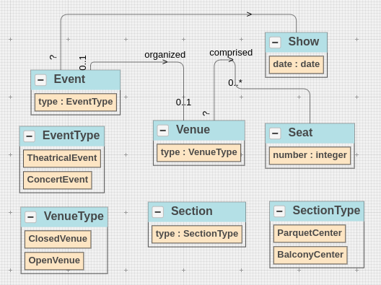
 | Extracted Domain Model (Proposed Approach – Without Learning)

 | Extracted Domain Model Results (Proposed Approach – Without Learning)

 | Category | Domain Concepts
 | Class | Event | 1
 | Class | Show | 1
 | Class | Venue | 1
 | Class | Seat | 1
 | Class | Section | 1
 | Enumeration Class | EventType | 1
 | Enumeration Class | SectionType | 1
 | Enumeration Class | VenueType | 1
 | 8 | Class – Retrieved Concepts (TP + FP) | 8 | Class – Retrieved Relevant Concepts (TP)
 | Attribute | type (Event class) | 1
 | Attribute | type (Venue class) | 1
 | Attribute | type (Section class) | 1
 | Attribute | number (Seat Class) | 0.5
 | Attribute | date (Show Class) | 0.25
 | Enumeration Item | concert (EventType enum class) | 1
 | Enumeration Item | theatrical (EventType enum class) | 1
 | Enumeration Item | open (VenueType enum class) | 1
 | Enumeration Item | closed (VenueType enum class) | 1
 | Enumeration Item | balconyCenter (SectionType enum class) | 1
 | Enumeration Item | parquetCenter (SectionType enum class) | 1
 | 11 | Attributes – Retrieved Concepts (TP + FP) | 9.75 | Attributes – Retrieved Relevant Concepts (TP)
 | Relationship | Event-association- Venue | 1
 | Relationship | Event-association- Show | 1
 | Relationship | Seat-association- Venue | 1
 | 3 | Relationships – Retrieved Concepts (TP + FP) | 3 | Relationships – Retrieved Relevant Concepts (TP)
 | Cardinality | Event-association- 0..1 Venue | 1
 | Cardinality | 0..* Event-association- Venue | 1
 | Cardinality | Event-association- 0..* Showing | 1
 | Cardinality | 1 Event-association- Showing | 1
 | Cardinality | Seat-association- 1 Venue | 1
 | Cardinality | 0..* Seat-association- Venue | 1
 | 3 | Cardinalities – Retrieved Concepts (TP + FP) | 3 | Cardinalities – Retrieved Relevant Concepts (TP)

 | 25 | Total– Retrieved Concepts (TP + FP) | 23.75 | Total– Retrieved Relevant Concepts (TP)

 |  |  | Baseline (W/O Learning) | Original Order (Learning)
 | S.No | Non-Atomic Decision Points | #steps | #steps
 | 1 | theatrical, concert (EventType) | 1 | 0 | Predicted – generalization; Required – generalization
 | 2 | open, closed (VenueType) | 0 | 1 | Predicted – generalization; Required – enumeration
 | 3 | parquetCenter, balconyCenter (SectionType) | 1 | 0 | Predicted – generalization; Required – generalization
 | Total | 3 | 2 | 1

 |  |  | Baseline (W/O Learning) | Random Order- I (Learning)
 | S.No | Non-Atomic Decision Points | #steps | #steps
 | 1 | theatrical, concert (EventType) | 1 | 1 | Predicted – enumeration; Required – generalization
 | 2 | open, closed (VenueType) | 0 | 0 | Predicted – enumeration; Required – enumeration
 | 3 | parquetCenter, balconyCenter (SectionType) | 1 | 0 | Predicted – generalization; Required – generalization
 | Total | 3 | 2 | 1

 |  |  | Baseline (W/O Learning) | Random Order- II (Learning)
 | S.No | Non-Atomic Decision Points | #steps | #steps
 | 1 | theatrical, concert (EventType) | 1 | 1 | Predicted – none; Required – generalization
 | 2 | open, closed (VenueType) | 0 | 0 | Predicted – none; Required – enumeration
 | 3 | parquetCenter, balconyCenter (SectionType) | 1 | 1 | Predicted – none; Required – generalization
 | Total | 3 | 2 | 2

 | Extracted Domain Model Results (Proposed Approach – With Learning)

 | Category | Domain Concepts
 | Class | Event | 1
 | Class | Show | 1
 | Class | Venue | 1
 | Class | Seat | 1
 | Class | Section | 1
 | Class | SpecificShow | 1
 | Class | ParquetCenter | 1
 | Class | BalconyCenter | 1
 | Enumeration Class | EventType | 1
 | Enumeration Class | VenueType | 1
 | 10 | Class – Retrieved Concepts (TP + FP) | 10 | Class – Retrieved Relevant Concepts (TP)
 | Attribute | type (Event class) | 1
 | Attribute | type (Venue class) | 1
 | Attribute | number (Seat Class) | 1
 | Attribute | date (SpecificShow Class) | 1
 | Enumeration Item | concert (EventType enum class) | 1
 | Enumeration Item | theatrical (EventType enum class) | 1
 | Enumeration Item | open (VenueType enum class) | 1
 | Enumeration Item | closed (VenueType enum class) | 1
 | 8 | Attributes – Retrieved Concepts (TP + FP) | 8 | Attributes – Retrieved Relevant Concepts (TP)
 | Relationship | Event-association- Venue | 1
 | Relationship | Event-association- Show | 1
 | Relationship | Seat-association- Venue | 1
 | Relationship | Showing-association-SpecificShowing | 1
 | 4 | Relationships – Retrieved Concepts (TP + FP) | 4 | Relationships – Retrieved Relevant Concepts (TP)
 | Cardinality | Event-association- 0..1 Venue | 1
 | Cardinality | 0..* Event-association- Venue | 0
 | Cardinality | Event-association- 0..* Showing | 1
 | Cardinality | 1 Event-association- Showing | 1
 | Cardinality | Seat-association- 1 Venue | 0
 | Cardinality | 0..* Seat-association- Venue | 1
 | Cardinality | 0..* SpecificShowing-association- Showing | 1
 | Cardinality | SpecificShowing-association- 1Showing | 1
 | 4 | Cardinalities – Retrieved Concepts (TP + FP) | 3 | Cardinalities – Retrieved Relevant Concepts (TP)

 | 26 | Total– Retrieved Concepts (TP + FP) | 25 | Total– Retrieved Relevant Concepts (TP)

PD5
Artifact Type – Problem Description (Online Paper Review System)
To help the program chair, we are planning to develop a computer-assisted review system. The system will be available to users who can be authors, reviewers, and co-chairs. Each user has a name. Papers are known by the title and whether they are research papers or experience reports. The paper is reviewed by at least three reviewers. On the other side, the authors can submit as many papers as they want. When a reviewer logs in, she can consult the list of papers that have been assigned to her for review, and submit reviews for each of those papers. Each review has feedback as well as grade that can be Accept or Reject. A final decision is made by the chair for each paper.

Artifact Type – Some Possible Variations in the Ground Truth Domain Model

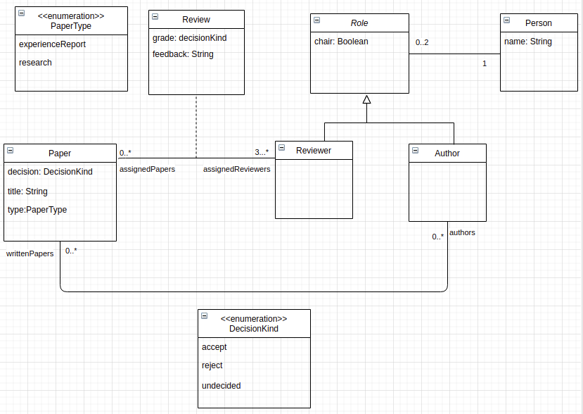

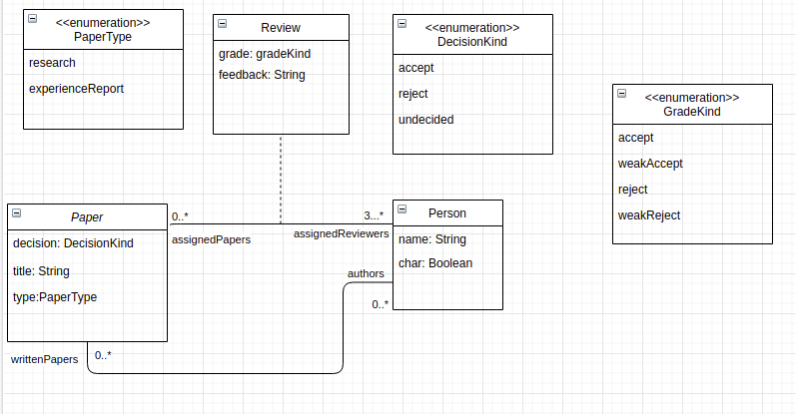

Classes – 9, Attributes – 17 (including enumeration items), Relationships (7), Cardinalities (10)

Artifact Type – Extracted Domain Model (Baseline)

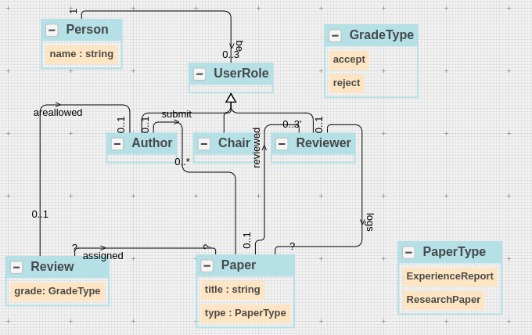

 | Ground Truth Domain Model

 | Category | Domain Concept
 | Class | Paper
 | Class | Reviewer
 | Class | Author
 | Class | Review
 | Enumeration Class | PaperType
 | Enumeration Class | DecisionKind
 | Class | Role
 | Class | Person
 | Class - Relevant Links (TP + FN) |  | 8
 | Attribute | name (Person class)
 | Attribute | grade (Review class)
 | Attribute | feedback (Review class)
 | Attribute | title (Paper class)
 | Attribute | type (Paper class)
 | Enumeration Item | experienceReport (PaperType enum class)
 | Enumeration Item | researchPaper (PaperType enum class)
 | Enumeration Item | accept (DecisionKind enum class)
 | Enumeration Item | reject (DecisionKind enum class)
 | Enumeration Item | undecided (DecisionKind enum class)
 | Attribute | chair (Role class)
 | Attribute | decision (Paper class)
 | Attributes - Relevant Links (TP + FN) |  | 12
 | Relationship | Paper-association-Reviewer
 | Relationship | Role-Generalization-Reviewer
 | Relationship | Role-Generalization-Author
 | Relationship | Paper-association-Author
 | Relationship | Role-association-Person
 | Relationships - Relevant Links (TP + FN) |  | 5
 | Cardinality | Paper-association-3..* Reviewer
 | Cardinality | 0..* Paper-association-Reviewer
 | Cardinality | Paper-association-0..* Author
 | Cardinality | 0..* Paper-association-Author
 | Cardinality | Role-association-1 Person
 | Cardinality | 0..2 Role-association-Person
 | Cardinalities - Relevant Links (TP + FN) |  | 3

 | Total Relevant Links (TP + FN) |  | 28

 | Domain Model Extraction Results (Baseline)

 | Category | Domain Concepts
 | Class | Paper | 1
 | Class | Reviewer | 1
 | Class | Author | 1
 | Class | Review | 0.5
 | Enumeration Class | PaperType | 1
 | Enumeration Class | GradeType | 1
 | Class | UserRole | 1
 | Class | Person | 1
 | 8 | Class – Retrieved Concepts (TP + FP) | 7.5 | Class – Retrieved Relevant Concepts (TP)
 | Attribute | name (Person class) | 1
 | Attribute | grade (Review class) | 1
 | Attribute | title (Paper class) | 1
 | Attribute | type (Paper class) | 1
 | Enumeration Item | experienceReport (PaperType enum class) | 1
 | Enumeration Item | researchPaper (PaperType enum class) | 1
 | Enumeration Item | accept (DecisionKind enum class) | 1
 | Enumeration Item | reject (DecisionKind enum class) | 1
 | 8 | Attributes – Retrieved Concepts (TP + FP) | 8 | Attributes – Retrieved Relevant Concepts (TP)
 | Relationship | Paper-association-Reviewer | 0.5
 | Relationship | Role-Generalization-Reviewer | 1
 | Relationship | Role-Generalization-Author | 1
 | Relationship | Paper-association-Author | 1
 | Relationship | Role-association-Person | 1
 | 5 | Relationships – Retrieved Concepts (TP + FP) | 4.5 | Relationships – Retrieved Relevant Concepts (TP)
 | Cardinality | Paper-association-3..* Reviewer | 1
 | Cardinality | 0..* Paper-association-Reviewer | 0.25
 | Cardinality | Paper-association-0..* Author | 0.25
 | Cardinality | 0..* Paper-association-Author | 0.25
 | Cardinality | Role-association-1 Person | 1
 | Cardinality | 0..2 Role-association-Person | 1
 | 3 | Cardinalities – Retrieved Concepts (TP + FP) | 1.875 | Cardinalities – Retrieved Relevant Concepts (TP)

 | 24 | Total– Retrieved Concepts (TP + FP) | 21.875 | Total– Retrieved Relevant Concepts (TP)

 | Extracted Domain Model (Proposed Approach – Without Learning)

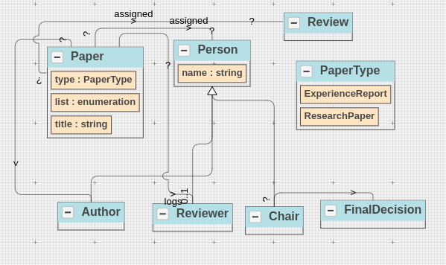

 | Extracted Domain Model Results (Proposed Approach – Without Learning)

 | Category | Domain Concepts
 | Class | Paper | 1
 | Class | Reviewer | 1
 | Class | Author | 1
 | Class | Review | 1
 | Enumeration Class | PaperType | 1
 | Class | Person | 1
 | Class | FinalDecision | 0
 | Class | Co | 1
 | 8 | Class – Retrieved Concepts (TP + FP) | 7 | Class – Retrieved Relevant Concepts (TP)
 | Attribute | name (Person class) | 1
 | Attribute | title (Paper class) | 1
 | Attribute | type (Paper class) | 1
 | Attribute | list (Paper class) | 0
 | Enumeration Item | experienceReport (PaperType enum class) | 1
 | Enumeration Item | researchPaper (PaperType enum class) | 1
 | 6 | Attributes – Retrieved Concepts (TP + FP) | 5 | Attributes – Retrieved Relevant Concepts (TP)
 | Relationship | Paper-association-Reviewer | 1
 | Relationship | Person-Generalization-Reviewer | 1
 | Relationship | Person-Generalization-Author | 1
 | Relationship | Person-Generalization-Chair | 1
 | Relationship | Person-Generalization-Co | 0
 | Relationship | Paper-association-Author | 1
 | Relationship | Paper-association-Review | 0.5
 | 7 | Relationships – Retrieved Concepts (TP + FP) | 5.5 | Relationships – Retrieved Relevant Concepts (TP)
 | Cardinality | Paper-association-0..1 Reviewer | 0
 | Cardinality | 0..* Paper-association-Reviewer | 0
 | Cardinality | Paper-association-0..* Author | 0
 | Cardinality | 0..* Paper-association-Author | 0
 | 2 | Cardinalities – Retrieved Concepts (TP + FP) | 0 | Cardinalities – Retrieved Relevant Concepts (TP)

 | 23 | Total– Retrieved Concepts (TP + FP) | 17.5 | Total– Retrieved Relevant Concepts (TP)

 |  |  | Baseline (W/O Learning) | Original Order (Learning)
 | S.No | Non-Atomic Decision Points | #steps | #steps
 | 1 | DecisionKind (accept, reject, undecided) | 0 | 1 | Predicted – generalization; Required – enumeration
 | 2 | Person (Reviewer, Author) | 1 | 0 | Predicted – player-role; Required – player-role
 | 3 | PaperType (experienceReport, research) | 1 | 0 | Predicted – generalization; Required – generalization
 | Total | 3 | 2 | 1

 |  |  | Baseline (W/O Learning) | Random Order- I (Learning)
 | S.No | Non-Atomic Decision Points | #steps | #steps
 | 1 | DecisionKind (accept, reject, undecided) | 0 | 0 | Predicted – enumeration; Required – enumeration
 | 2 | Person (Reviewer, Author) | 1 | 0 | Predicted – player-role; Required – player-role
 | 3 | PaperType (experienceReport, research) | 1 | 0 | Predicted – generalization; Required – generalization
 | Total | 3 | 2 | 0

 |  |  | Baseline (W/O Learning) | Random Order- II (Learning)
 | S.No | Non-Atomic Decision Points | #steps | #steps
 | 1 | DecisionKind (accept, reject, undecided) | 0 | 0 | Predicted – enumeration; Required – enumeration
 | 2 | Person (Reviewer, Author) | 1 | 0 | Predicted – player-role; Required – player-role
 | 3 | PaperType (experienceReport, research) | 1 | 0 | Predicted – generalization; Required – generalization
 | Total | 3 | 2 | 0

 | Extracted Domain Model Results (Proposed Approach – With Learning)

 | Category | Domain Concepts
 | Class | Paper | 1
 | Class | Reviewer | 1
 | Class | Author | 1
 | Class | Feedback | 0.5
 | Enumeration Class | PaperType | 1
 | Class | ResearchPaper | 1
 | Class | Person | 1
 | Class | UserRole | 1
 | Class | FinalDecision | 0
 | Class | Co | 0
 | 10 | Class – Retrieved Concepts (TP + FP) | 7.5 | Class – Retrieved Relevant Concepts (TP)
 | Attribute | name (Person class) | 1
 | Attribute | title (Paper class) | 1
 | Attribute | grade (Review class) | 1
 | Attribute | list (Paper class) | 0
 | 4 | Attributes – Retrieved Concepts (TP + FP) | 3 | Attributes – Retrieved Relevant Concepts (TP)
 | Relationship | Paper-association-Reviewer | 1
 | Relationship | UserRole-Generalization-Reviewer | 1
 | Relationship | UserRole-Generalization-Author | 1
 | Relationship | UserRole-Generalization-Chair | 1
 | Relationship | UserRole-Generalization-Co | 0
 | Relationship | Person-association-UserRole | 1
 | Relationship | Paper-association-Author | 1
 | Relationship | Paper-association-Review | 0.5
 | 8 | Relationships – Retrieved Concepts (TP + FP) | 6.5 | Relationships – Retrieved Relevant Concepts (TP)
 | Cardinality | Paper-association-0..1 Reviewer | 1
 | Cardinality | 0..* Paper-association-Reviewer | 0
 | Cardinality | Paper-association-0..* Author | 0
 | Cardinality | 0..* Paper-association-Author | 0
 | Cardinality | Person-association-0..1 UserRole | 0.75
 | Cardinality | 1 Person-association-UserRole | 1
 | 3 | Cardinalities – Retrieved Concepts (TP + FP) | 1.375 | Cardinalities – Retrieved Relevant Concepts (TP)

 | 25 | Total– Retrieved Concepts (TP + FP) | 18.375 | Total– Retrieved Relevant Concepts (TP)

PD6
Artifact Type – Problem Description (Online Library Reservation System)
Online Library System (OLS) provides easy access to customers to order different library items. A customer can place multiple orders. The status of an order can be pending or completed. Furthermore, each order is composed of multiple item lines. Each item line has a quantity. An item line is associated with a library item. The library item can be a book item or a digital item. Each library item has a status. The status can be available, hold, or loan. The book item can be of types - eBook format or print format. On the other side, the digital item can be an audio item or a video item. In addition, a digital item also has two options - downloadable and disc.

Artifact Type – Some Possible Variations in the Ground Truth Domain Model

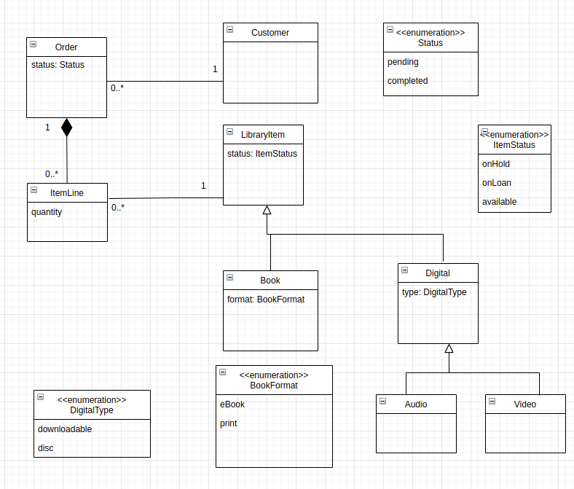

Classes – 9, Attributes – 17 (including enumeration items), Relationships (7), Cardinalities (10)

Artifact Type – Extracted Domain Model (Baseline)

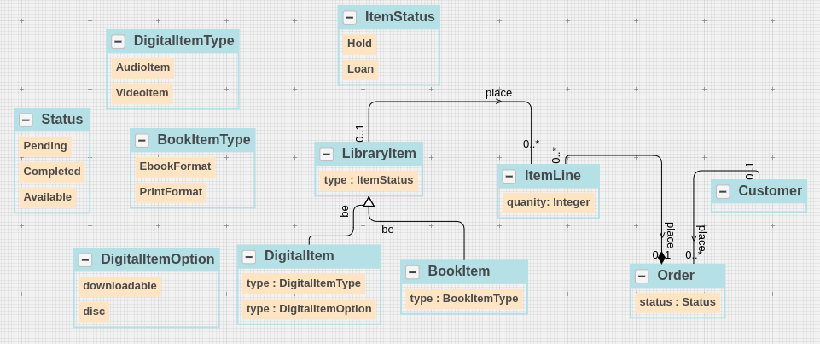

 | Ground Truth Domain Model

 | Category | Domain Concept
 | Class | Customer
 | Class | Order
 | Class | ItemLine
 | Class | LibraryItem
 | Class | BookItem
 | Class | VideoItem
 | Class | AudioItem
 | Class | DigitalItem
 | Enumeration Class | Status
 | Enumeration Class | BookFormat
 | Enumeration Class | DigitalType
 | Enumeration Class | ItemStatus
 | Class - Relevant Links (TP + FN) |  | 12
 | Attribute | status (Order class)
 | Attribute | quantity (ItemLine class)
 | Attribute | status (LibraryItem class)
 | Attribute | format (BookItem class)
 | Attribute | type (DigitalItem class)
 | Enumeration Item | downloadable (DigitalType enum class)
 | Enumeration Item | disc (DigitalType enum class)
 | Enumeration Item | hold (ItemStatus enum class)
 | Enumeration Item | loan (ItemStatus enum class)
 | Enumeration Item | available (ItemStatus enum class)
 | Enumeration Item | pending(Status class)
 | Enumeration Item | eBook (BookFormat class)
 | Enumeration Item | print (BookFormat class)
 | Enumeration Item | Completed (Status class)
 | Attributes - Relevant Links (TP + FN) |  | 14
 | Relationship | Customer-association-Order
 | Relationship | Order-Composition-ItemLine
 | Relationship | LibraryItem-association-ItemLine
 | Relationship | LibraryItem-generalization-BookItem
 | Relationship | LibraryItem-generalization-DigitalItem
 | Relationship | DigitalItem-generalization-Audio
 | Relationship | DigitalItem-generalization-Video
 | Relationships - Relevant Links (TP + FN) |  | 7
 | Cardinality | Customer-association-0..* Order
 | Cardinality | 1 Customer-association-Order
 | Cardinality | Order-Composition-0..* ItemLine
 | Cardinality | 1 Order-Composition-ItemLine
 | Cardinality | LibraryItem-association-0..* ItemLine
 | Cardinality | 1 LibraryItem-association-ItemLine
 | Cardinalities - Relevant Links (TP + FN) |  | 3

 | Total Relevant Links (TP + FN) |  | 36

 | Domain Model Extraction Results (Baseline)

 | Category | Domain Concepts
 | Class | Customer | 1
 | Class | Order | 1
 | Class | ItemLine | 1
 | Class | LibraryItem | 1
 | Class | BookItem | 1
 | Class | DigitalItem | 1
 | Enumeration Class | Status | 1
 | Enumeration Class | BookFormat | 1
 | Enumeration Class | DigitalType | 1
 | Enumeration Class | ItemStatus | 1
 | 10 | Class – Retrieved Concepts (TP + FP) | 10 | Class – Retrieved Relevant Concepts (TP)
 | Attribute | status (Order class) | 1
 | Attribute | quantity (ItemLine class) | 1
 | Attribute | status (LibraryItem class) | 1
 | Attribute | format (BookItem class) | 1
 | Attribute | type (DigitalItem class) | 1
 | Attribute | option (DigitalItem class) | 1
 | Enumeration Item | downloadable (DigitalType enum class) | 1
 | Enumeration Item | disc (DigitalType enum class) | 0.5
 | Enumeration Item | hold (ItemStatus enum class) | 1
 | Enumeration Item | loan (ItemStatus enum class) | 1
 | Enumeration Item | available (ItemStatus enum class) | 1
 | Enumeration Item | audio (DigitalItem enum class) | 1
 | Enumeration Item | video (DigitalItem enum class) | 1
 | 13 | Attributes – Retrieved Concepts (TP + FP) | 12.5 | Attributes – Retrieved Relevant Concepts (TP)
 | Relationship | Customer-association-Order | 1
 | Relationship | Order-Composition-ItemLine | 1
 | Relationship | LibraryItem-association-ItemLine | 0.5
 | Relationship | LibraryItem-generalization-BookItem | 1
 | Relationship | LibraryItem-generalization-DigitalItem | 1
 | 5 | Relationships – Retrieved Concepts (TP + FP) | 4.5 | Relationships – Retrieved Relevant Concepts (TP)
 | Cardinality | Customer-association-0..* Order | 1
 | Cardinality | 0..1 Customer-association-Order | 0.5
 | Cardinality | Order-Composition-0..* ItemLine | 0.5
 | Cardinality | 0..1 Order-Composition-ItemLine | 1
 | Cardinality | 0..1 LibraryItem-association-ItemLine | 1
 | Cardinality | LibraryItem-association-0..* ItemLine | 1
 | 3 | Cardinalities – Retrieved Concepts (TP + FP) | 2.5 | Cardinalities – Retrieved Relevant Concepts (TP)

 | 31 | Total– Retrieved Concepts (TP + FP) | 29.5 | Total– Retrieved Relevant Concepts (TP)

 | Extracted Domain Model (Proposed Approach – Without Learning)

 | Extracted Domain Model Results (Proposed Approach – Without Learning)

 | Category | Domain Concepts
 | Class | Customer | 1
 | Class | LibraryItem | 1
 | Class | ItemLine | 1
 | Class | Order | 1
 | Enumeration Class | BookFormat | 1
 | Enumeration Class | DigitalType | 1
 | Class | DigitalItem | 1
 | 7 | Class – Retrieved Concepts (TP + FP) | 7 | Class – Retrieved Relevant Concepts (TP)
 | Attribute | status (LibraryItem class) | 0.5
 | Attribute | status (Order class) | 0.5
 | Attribute | quantity (ItemLine class) | 1
 | Attribute | format (BookItem class) | 1
 | Attribute | type (DigitalItem class) | 1
 | Enumeration Item | print (BookItem enum class) | 1
 | Enumeration Item | E-book (BookItem enum class) | 1
 | Attribute | type (Library Item) | 1
 | Enumeration Item | digital item(LibraryItemType) | 1
 | Enumeration Item | book item(LibraryItemType) | 1
 | Enumeration Item | audio (DigitalItem enum class) | 1
 | Enumeration Item | video (DigitalItem enum class) | 1
 | 12 | Attributes – Retrieved Concepts (TP + FP) | 11 | Attributes – Retrieved Relevant Concepts (TP)
 | Relationship | LibraryItem-generalization-BookItem | 1
 | Relationship | Customer-association-Order | 1
 | Relationship | Order-Composition-ItemLine | 0.5
 | Relationship | LibraryItem-association-ItemLine | 0.5
 | Relationship | LibraryItem-generalization-DigitalItem | 1
 | 5 | Relationships – Retrieved Concepts (TP + FP) | 4 | Relationships – Retrieved Relevant Concepts (TP)
 | Cardinality | Customer-association-? Order | 0
 | Cardinality | 0..1 Order-Composition-ItemLine | 0.5
 | Cardinality | 0..1 LibraryItem-association-ItemLine | 0.5
 | Cardinality | ? Customer-association-Order | 0
 | 2 | Cardinalities – Retrieved Concepts (TP + FP) | 0.5 | Cardinalities – Retrieved Relevant Concepts (TP)
 | 3 |  | 3
 | 29 | Total– Retrieved Concepts (TP + FP) | 25.5 | Total– Retrieved Relevant Concepts (TP)

 |  |  | Baseline (W/O Learning) | Original Order (Learning)
 | S.No | Non-Atomic Decision Points | #steps | #steps
 | 1 | Item Status (OnHold, OnLoan, Available) | 0 | 1 | Predicted – generalization; Required – enumeration
 | 2 | BookFormat (eBook, Print) | 1 | 0 | Predicted – generalization; Required – generalization
 | 3 | DigitalType (Downloadable, Disc) | 1 | 0 | Predicted – generalization; Required – generalization
 | 4 | OrderStatus (Pending, Completed) | 0 | 0 | Predicted – enumeration; Required – enumeration
 | 5 | ItemType (AudioItem, VideoItem) | 1 | 0 | Predicted – generalization; Required – generalization
 | 6 | LibraryItem (Digital, Book) | 0 | 0 | Predicted – generalization; Required – generalization
 | Total | 6 | 3 | 1

 |  |  | Baseline (W/O Learning) | Random Order- I (Learning)
 | S.No | Non-Atomic Decision Points | #steps | #steps
 | 1 | Item Status (OnHold, OnLoan, Available) | 0 | 0 | Predicted – enumeration; Required – enumeration
 | 2 | BookFormat (eBook, Print) | 1 | 0 | Predicted – generalization; Required – generalization
 | 3 | DigitalType (Downloadable, Disc) | 1 | 0 | Predicted – generalization; Required – generalization
 | 4 | OrderStatus (Pending, Completed) | 0 | 0 | Predicted – enumeration; Required – enumeration
 | 5 | ItemType (AudioItem, VideoItem) | 1 | 1 | Predicted – enumeration; Required – generalization
 | 6 | LibraryItem (Digital, Book) | 0 | 0 | Predicted – generalization; Required – generalization
 | Total | 6 | 3 | 1

 |  |  | Baseline (W/O Learning) | Random Order- II (Learning)
 | S.No | Non-Atomic Decision Points | #steps | #steps
 | 1 | Item Status (OnHold, OnLoan, Available) | 0 | 0 | Predicted – enumeration; Required – enumeration
 | 2 | BookFormat (eBook, Print) | 1 | 0 | Predicted – generalization; Required – generalization
 | 3 | DigitalType (Downloadable, Disc) | 1 | 0 | Predicted – generalization; Required – generalization
 | 4 | OrderStatus (Pending, Completed) | 0 | 0 | Predicted – enumeration; Required – enumeration
 | 5 | ItemType (AudioItem, VideoItem) | 1 | 1 | Predicted – enumeration; Required – generalization
 | 6 | LibraryItem (Digital, Book) | 0 | 0 | Predicted – generalization; Required – generalization
 | Total | 6 | 3 | 1

 | Extracted Domain Model Results (Proposed Approach – With Learning)

 | Category | Domain Concepts
 | Class | Customer | 1
 | Class | DigitalItemDownloadable | 1
 | Class | DigitalItemDisc | 1
 | Enumeration Class | ItemStatus | 1
 | Class | PrintBookFormat | 1
 | Class | ItemLine | 1
 | Class | EbookFormat | 1
 | Class | OrderStatus | 1
 | Class | DigitalItem | 1
 | Enumeration Class | OrderStatus | 1
 | Class | BookFormat | 1
 | Class | LibraryItem | 1
 | Class | DigitalLibraryItem | 1
 | Class | BookLibraryItem | 1
 | 14 | Class – Retrieved Concepts (TP + FP) | 14 | Class – Retrieved Relevant Concepts (TP)
 | Attribute | status (LibraryItem class) | 0.5
 | Attribute | status (Order class) | 0.5
 | Attribute | quantity (Order class) | 0.5
 | Enumeration Item | audio | 1
 | Enumeration Item | pending (OrderStatus enum class) | 1
 | Attribute | type (Library Item) | 1
 | Enumeration Item | hold(ItemStatus) | 1
 | Enumeration Item | available(ItemStatus) | 1
 | 8 | Attributes – Retrieved Concepts (TP + FP) | 6.5 | Attributes – Retrieved Relevant Concepts (TP)
 | Relationship | LibraryItem-generalization-BookItem | 1
 | Relationship | Customer-association-Order | 1
 | Relationship | Order-Composition-ItemLine | 0.5
 | Relationship | LibraryItem-association-ItemLine | 0.5
 | Relationship | LibraryItem-generalization-DigitalItem | 1
 | 5 | Relationships – Retrieved Concepts (TP + FP) | 4 | Relationships – Retrieved Relevant Concepts (TP)
 | Cardinality | Customer-association-? Order | 0
 | Cardinality | 0..1 Order-Composition-ItemLine | 0.5
 | Cardinality | 0..1 LibraryItem-association-ItemLine | 0.5
 | Cardinality | ? Customer-association-Order | 0
 | 2 | Cardinalities – Retrieved Concepts (TP + FP) | 1 | Cardinalities – Retrieved Relevant Concepts (TP)

 | 29 | Total– Retrieved Concepts (TP + FP) | 25.5 | Total– Retrieved Relevant Concepts (TP)

PD7
Artifact Type – Problem Description (University Enrollment System)
University admits many students every year. Each student has a name and ID. A student can be a part-time student or a full-time student. After admission, students can attend up to five courses in a semester. The courses can be of types - research-based and project-based. University also allows students to drop the courses in the first two weeks. If a student drops the course within the first two weeks then no penalty is imposed by the university.

Artifact Type – Some Possible Variations in the Ground Truth Domain Model

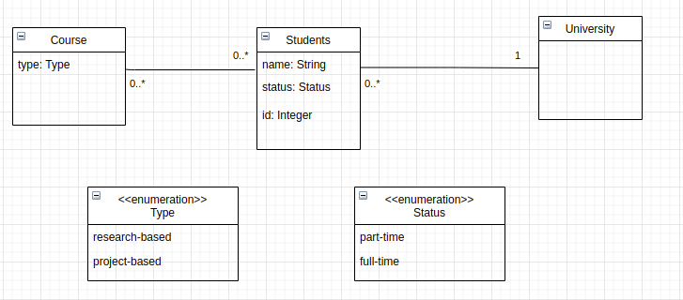

Classes – 9, Attributes – 17 (including enumeration items), Relationships (7), Cardinalities (10)

Artifact Type – Extracted Domain Model (Baseline)

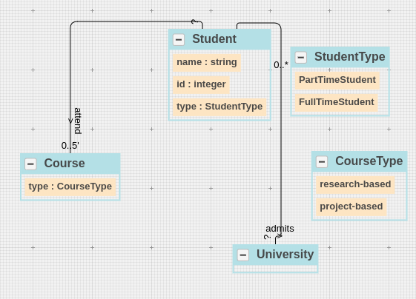

 | Ground Truth Domain Model

 | Category | Domain Concept
 | Class | University
 | Class | Student
 | Class | Course
 | Enumeration Class | CourseType
 | Enumeration Class | StudentType
 | Class - Relevant Links (TP + FN) |  | 5
 | Attribute | type (Student class)
 | Attribute | name (Student class)
 | Attribute | id (Student class)
 | Attribute | type (Course Class)
 | Enumeration Item | part-time (StudentType enum class)
 | Enumeration Item | full-time (StudentType enum class)
 | Enumeration Item | research-based (Course enum class)
 | Enumeration Item | Project-based (Course enum class)
 | Attributes - Relevant Links (TP + FN) |  | 8
 | Relationship | Student-association- Course
 | Relationship | Student-association- University
 | Relationships - Relevant Links (TP + FN) |  | 2
 | Cardinality | Student-association- 0..5 Course
 | Cardinality | 0..* Student-association- University
 | Cardinality | 0..* Student-association- Course
 | Cardinality | Student-association- 1 University
 | Cardinalities - Relevant Links (TP + FN) |  | 2

 | Total Relevant Links (TP + FN) |  | 17

 | Domain Model Extraction Results (Baseline)

 | Category | Domain Concepts
 | Class | University | 1
 | Class | Student | 1
 | Class | Course | 1
 | Enumeration Class | CourseType | 1
 | Enumeration Class | StudentType | 1
 | 5 | Class – Retrieved Concepts (TP + FP) | 5 | Class – Retrieved Relevant Concepts (TP)
 | Attribute | type (Student class) | 1
 | Attribute | name (Student class) | 1
 | Attribute | id (Student class) | 1
 | Attribute | type (Course Class) | 1
 | Enumeration Item | part-time (StudentType enum class) | 1
 | Enumeration Item | full-time (StudentType enum class) | 1
 | Enumeration Item | research-based (Course enum class) | 0.5
 | Enumeration Item | Project-based (Course enum class) | 0.5
 | 8 | Attributes – Retrieved Concepts (TP + FP) | 7 | Attributes – Retrieved Relevant Concepts (TP)
 | Relationship | Student-association- Course | 1
 | Relationship | Student-association- University | 1
 | 2 | Relationships – Retrieved Concepts (TP + FP) | 2 | Relationships – Retrieved Relevant Concepts (TP)
 | Cardinality | Student-association- 0..5 Course | 1
 | Cardinality | 0..* Student-association- University | 1
 | Cardinality | ? Student-association- Course | 0
 | Cardinality | Student-association- ? University | 0
 | 2 | Cardinalities – Retrieved Concepts (TP + FP) | 1 | Cardinalities – Retrieved Relevant Concepts (TP)

 | 17 | Total– Retrieved Concepts (TP + FP) | 15 | Total– Retrieved Relevant Concepts (TP)

 | Extracted Domain Model (Proposed Approach – Without Learning)

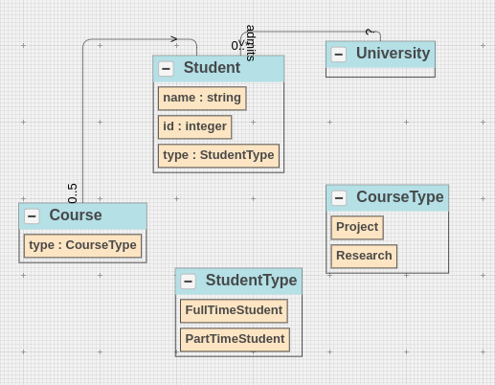

 | Extracted Domain Model Results (Proposed Approach – Without Learning)

 | Category | Domain Concepts
 | Class | University | 1
 | Class | Student | 1
 | Class | Course | 1
 | Enumeration Class | CourseType | 1
 | Enumeration Class | StudentType | 1
 | 5 | Class – Retrieved Concepts (TP + FP) | 5 | Class – Retrieved Relevant Concepts (TP)
 | Attribute | type (Student class) | 1
 | Attribute | name (Student class) | 1
 | Attribute | id (Student class) | 1
 | Attribute | type (Course Class) | 1
 | Enumeration Item | part-time (StudentType enum class) | 1
 | Enumeration Item | full-time (StudentType enum class) | 1
 | Enumeration Item | research-based (Course enum class) | 1
 | Enumeration Item | Project-based (Course enum class) | 1
 | 8 | Attributes – Retrieved Concepts (TP + FP) | 8 | Attributes – Retrieved Relevant Concepts (TP)
 | Relationship | Student-association- Course | 1
 | Relationship | Student-association- University | 1
 | 2 | Relationships – Retrieved Concepts (TP + FP) | 2 | Relationships – Retrieved Relevant Concepts (TP)
 | Cardinality | Student-association- 0..5 Course | 1
 | Cardinality | 0..* Student-association- University | 1
 | Cardinality | ? Student-association- Course | 0
 | Cardinality | Student-association- ? University | 0
 | 2 | Cardinalities – Retrieved Concepts (TP + FP) | 1 | Cardinalities – Retrieved Relevant Concepts (TP)

 | 17 | Total– Retrieved Concepts (TP + FP) | 16 | Total– Retrieved Relevant Concepts (TP)

 |  |  | Baseline (W/O Learning) | Original Order (Learning)
 | S.No | Non-Atomic Decision Points | #steps | #steps
 | 1 | CourseType (Research-based, Project-based) | 1 | 0 | Predicted – generalization; Required – generalization
 | 2 | Student (PartTimeStudent, FullTimeStudent) | 1 | 0 | Predicted – player-role; Required – player-role
 | Total | 2 | 2 | 0

 |  |  | Baseline (W/O Learning) | Random Order- I (Learning)
 | S.No | Non-Atomic Decision Points | #steps | #steps
 | 1 | CourseType (Research-based, Project-based) | 1 | 1 | Predicted – enumeration; Required – generalization
 | 2 | Student (PartTimeStudent, FullTimeStudent) | 1 | 0 | Predicted – player-role; Required – player-role
 | Total | 2 | 2 | 1

 |  |  | Baseline (W/O Learning) | Random Order- II (Learning)
 | S.No | Non-Atomic Decision Points | #steps | #steps
 | 1 | CourseType (Research-based, Project-based) | 1 | 0 | Predicted – generalization; Required – generalization
 | 2 | Student (PartTimeStudent, FullTimeStudent) | 1 | 1 | Predicted – enumeration; Required – player-role
 | Total | 2 | 2 | 1

PD8
Artifact Type – Problem Description (Online Rideshare System)
Online Rideshare System (ORS) allows users to manage road trips that are organized on a sharing basis. The users can be drivers or customers. Each user has a unique ID, email, and phone number. The system allows a driver to post trips. The trips can be direct trips or indirect trips (multiple stops). Each trip has a departure station, arrival station, number of seats, departure date, departure time, arrival time, and price. The customers can book seats until 2 hours before the departure time. The users can register for a membership package that includes rewards. These rewards can be in the form of cashback, discounts, or points.

Artifact Type – Some Possible Variations in the Ground Truth Domain Model
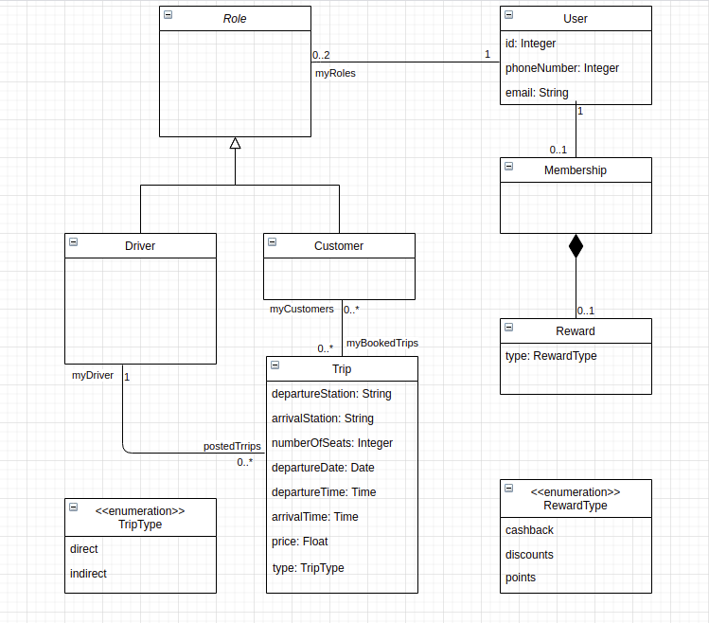
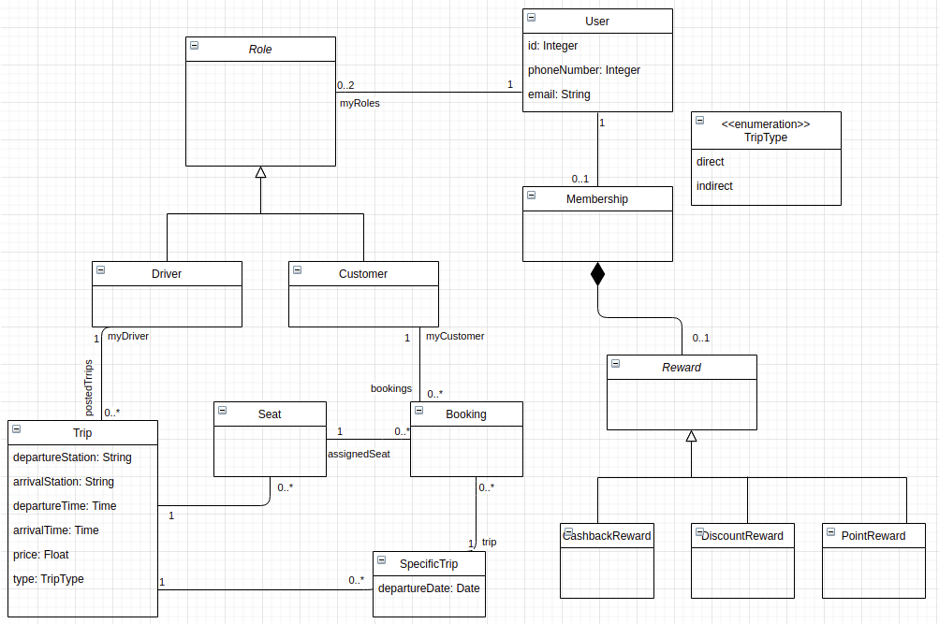

Classes – 9, Attributes – 17 (including enumeration items), Relationships (7), Cardinalities (10)

Artifact Type – Extracted Domain Model (Baseline)

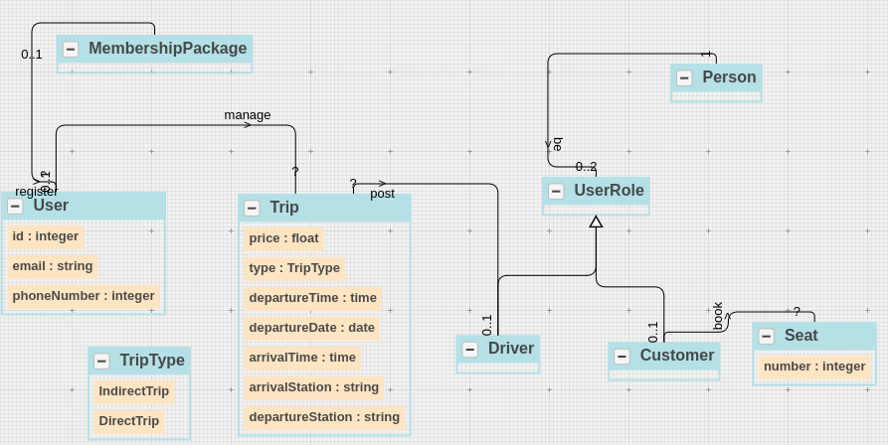

 | Ground Truth Domain Model

 | Category | Domain Concept
 | Class | Driver
 | Class | Customer
 | Class | User
 | Class | Membership
 | Class | Reward
 | Enumeration Class | RewardType
 | Enumeration Class | TripType
 | Class | Trip
 | Class | Role
 | Class - Relevant Links (TP + FN) |  | 9
 | Attribute | departureStation (Trip class)
 | Attribute | arrivalStation (Trip class)
 | Attribute | numberOfSeats (Trip class)
 | Attribute | departureDate (Trip class)
 | Attribute | departureTime (Trip class)
 | Attribute | arrivalTime (Trip class)
 | Attribute | tripType (Trip class)
 | Attribute | price (Trip class)
 | Attribute | id (User class)
 | Attribute | email(User class)
 | Attribute | phoneNumber (User class)
 | Attribute | type (Reward Class)
 | Enumeration Item | cashback (RewardType enum class)
 | Enumeration Item | discounts (RewardType enum class)
 | Enumeration Item | points (RewardType enum class)
 | Enumeration Item | direct(TripType enum class)
 | Enumeration Item | Indirect (TripType enum class)
 | Attributes - Relevant Links (TP + FN) |  | 17
 | Relationship | Role-generalization-Customer
 | Relationship | Driver-association-Trip
 | Relationship | Role-generalization- Driver
 | Relationship | Trip-association-Customer
 | Relationship | User-association-Membership
 | Relationship | Membership-composition-Reward
 | Relationship | User-association-Role
 | Relationships - Relevant Links (TP + FN) |  | 7
 | Cardinality | Driver-association-0..*Trip
 | Cardinality | 0..1 Driver-association-Trip
 | Cardinality | Trip-association-0..* Customer
 | Cardinality | 0..* Trip-association-Customer
 | Cardinality | User-association-0..2 Role
 | Cardinality | 1 User-association-Role
 | Cardinality | User-association-0..1 Membership
 | Cardinality | 1 User-association-Membership
 | Cardinality | Membership-composition-0..1 Reward
 | Cardinality | 1 Membership-composition-Reward
 | Cardinalities - Relevant Links (TP + FN) |  | 5

 | Total Relevant Links (TP + FN) |  | 38

 | Extracted Domain Model Extraction Results (Baseline)

 | Category | Domain Concepts
 | Class | Driver | 1
 | Class | Customer | 1
 | Class | Seat | 1
 | Class | MembershipPackage | 0.5
 | Enumeration Class | TripType | 1
 | Class | Trip | 1
 | Class | Driver | 1
 | Class | Customer | 1
 | Class | Person | 1
 | 9 | Class – Retrieved Concepts (TP + FP) | 8.5 | Class – Retrieved Relevant Concepts (TP)
 | Attribute | departureStation (Trip class) | 1
 | Attribute | arrivalStation (Trip class) | 1
 | Attribute | departureDate (Trip class) | 0.5
 | Attribute | departureTime (Trip class) | 1
 | Attribute | arrivalTime (Trip class) | 1
 | Attribute | tripType (Trip class) | 1
 | Attribute | price (Trip class) | 1
 | Attribute | number (Seat Class) | 0
 | Attribute | id (User class) | 1
 | Attribute | phoneNumber (User class) | 1
 | Attribute | email(User class) | 1
 | Enumeration Item | direct(TripType enum class) | 1
 | Attribute | number (Seat Class) | 1
 | Enumeration Item | indirect direct(TripType enum class) | 1
 | 14 | Attributes – Retrieved Concepts (TP + FP) | 12.5 | Attributes – Retrieved Relevant Concepts (TP)
 | Relationship | Role-generalization-Driver | 1
 | Relationship | Driver-association-Trip | 1
 | Relationship | Role-generalization-Customer | 1
 | Relationship | Customer-association-Seat | 0.5
 | Relationship | User-association-Membership | 0.5
 | Relationship | UserRole-association-Person | 1
 | Relationship | User-association-0..1 MembershipTrip | 0
 | 7 | Relationships – Retrieved Concepts (TP + FP) | 4 | Relationships – Retrieved Relevant Concepts (TP)
 | Cardinality | Driver-association-?Trip | 0
 | Cardinality | 0..1 Driver-association-Trip | 1
 | Cardinality | Person-association-0..2 Role | 1
 | Cardinality | 1 Person-association-Role | 1
 | Cardinality | User-association-0..1 MembershipPackage | 1
 | Cardinality | 1 User-association-MembershipPackage | 0.25
 | 3 | Cardinalities – Retrieved Concepts (TP + FP) | 2.125 | Cardinalities – Retrieved Relevant Concepts (TP)

 | 33 | Total– Retrieved Concepts (TP + FP) | 27.125 | Total– Retrieved Relevant Concepts (TP)

 | Extracted Domain Model (Proposed Approach – Without Learning)

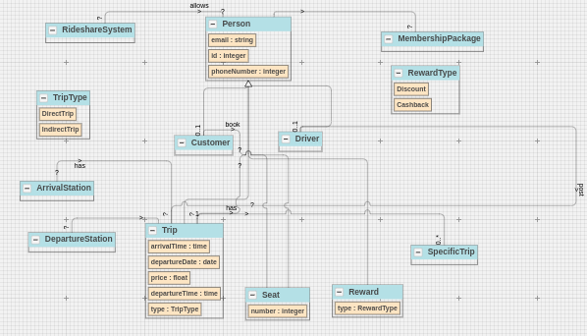

 | Extracted Domain Model Results (Proposed Approach – Without Learning)

 | Category | Domain Concepts
 | Class | Driver | 1
 | Class | Customer | 1
 | Class | Seat | 1
 | Class | MembershipPackage | 1
 | Enumeration Class | TripType | 1
 | Class | Trip | 1
 | Class | Driver | 1
 | Class | Customer | 1
 | Class | ArrivalStation | 0.5
 | Class | DepartureStation | 0.5
 | Class | Person | 1
 | Class | Reward | 1
 | Class | SpecificTrip | 1
 | 13 | Class – Retrieved Concepts (TP + FP) | 12 | Class – Retrieved Relevant Concepts (TP)
 | Attribute | departureDate (Trip class) | 1
 | Attribute | departureTime (Trip class) | 1
 | Attribute | arrivalTime (Trip class) | 1
 | Attribute | tripType (Trip class) | 1
 | Attribute | price (Trip class) | 1
 | Attribute | id (Person class) | 1
 | Attribute | phoneNumber (Person class) | 1
 | Attribute | email(Person class) | 1
 | Enumeration Item | direct(TripType enum class) | 1
 | Attribute | number (Seat Class) | 1
 | Attribute | type (Reward Class) | 1
 | Enumeration Item | indirect direct(TripType enum class) | 1
 | Enumeration Item | discount (RewardType Class) | 1
 | Enumeration Item | cashback (RewardType Class) | 1
 | 14 | Attributes – Retrieved Concepts (TP + FP) | 14 | Attributes – Retrieved Relevant Concepts (TP)
 | Relationship | Person-generalization-Driver | 1
 | Relationship | Driver-association-Trip | 1
 | Relationship | Person-generalization-Customer | 1
 | Relationship | Customer-association-Seat | 1
 | Relationship | Person-association-Membership | 1
 | Relationship | Person-association-Reward | 0
 | Relationship | Trip-association -SpecificTrip | 1
 | Relationship | Trip-association -ArrivalStation | 0.5
 | Relationship | Trip-association -DepartureStation | 0.5
 | 9 | Relationships – Retrieved Concepts (TP + FP) | 7 | Relationships – Retrieved Relevant Concepts (TP)
 | Cardinality | Driver-association-?Trip | 0
 | Cardinality | 0..1 Driver-association-Trip | 1
 | Cardinality | Seat-association-0..1 Customer | 1
 | Cardinality | Seat-association-Customer | 1
 | Cardinality | Trip-association-0..* Customer | 0
 | Cardinality | 0..1 Driver-association-Trip | 0
 | Cardinality | User-association-0..1 Membership | 1
 | Cardinality | 1 User-association-Membership | 1
 | 4 | Cardinalities – Retrieved Concepts (TP + FP) | 2.5 | Cardinalities – Retrieved Relevant Concepts (TP)

 | 40 | Total– Retrieved Concepts (TP + FP) | 35.5 | Total– Retrieved Relevant Concepts (TP)

 |  |  | Baseline (W/O Learning) | Original Order (Learning)
 | S.No | Non-Atomic Decision Points | #steps | #steps
 | 1 | User (Customer, Driver) | 1 | 0 | Predicted – player-role; Required – player-role
 | 2 | Reward (Cashback, Discounts, Points) | 1 | 0 | Predicted – enumeration; Required – generalization
 | 3 | Trip (Indirect, Direct) | 0 | 1 | Predicted – generalization; Required – enumeration
 | Total | 3 | 2 | 1

 |  |  | Baseline (W/O Learning) | Random Order- I (Learning)
 | S.No | Non-Atomic Decision Points | #steps | #steps
 | 1 | User (Customer, Driver) | 1 | 1 | Predicted – none; Required – player-role
 | 2 | Reward (Cashback, Discounts, Points) | 1 | 1 | Predicted – none; Required – generalization
 | 3 | Trip (Indirect, Direct) | 0 | 0 | Predicted – none; Required – enumeration
 | Total | 3 | 2 | 2

 |  |  | Baseline (W/O Learning) | Random Order- II (Learning)
 | S.No | Non-Atomic Decision Points | #steps | #steps
 | 1 | User (Customer, Driver) | 1 | 0 | Predicted – player-role; Required – player-role
 | 2 | Reward (Cashback, Discounts, Points) | 1 | 1 | Predicted – enumeration; Required – generalization
 | 3 | Trip (Indirect, Direct) | 0 | 1 | Predicted – generalization; Required – enumeration
 | Total | 3 | 2 | 2

PD9
Artifact Type – Problem Description (Bank Management System)
This system provides basic services to manage bank accounts at various banks. Banks can be of types - public and private. Also, each bank has a service category. The service category can be national or international. Each bank is composed of multiple branches. Each branch has multiple addresses such as temporary addresses and permanent addresses. In addition, a branch can be the main branch or an express branch. A user can be a customer or an employee. Each user has a name. A customer opens accounts at a branch. The customer can be a general customer or a VIP customer. Each account is uniquely identified by an account number across the bank. Furthermore, the account can be a checking account or savings account. It is possible to have a joint account (e.g. for a husband and wife). Each customer is assigned a particular employee as his or her 'personal banker'. An employee can be a teller, manager, or loan officer at a bank. Employees may work for multiple branches in a bank.

Artifact Type – Some Possible Variations in the Ground Truth Domain Model
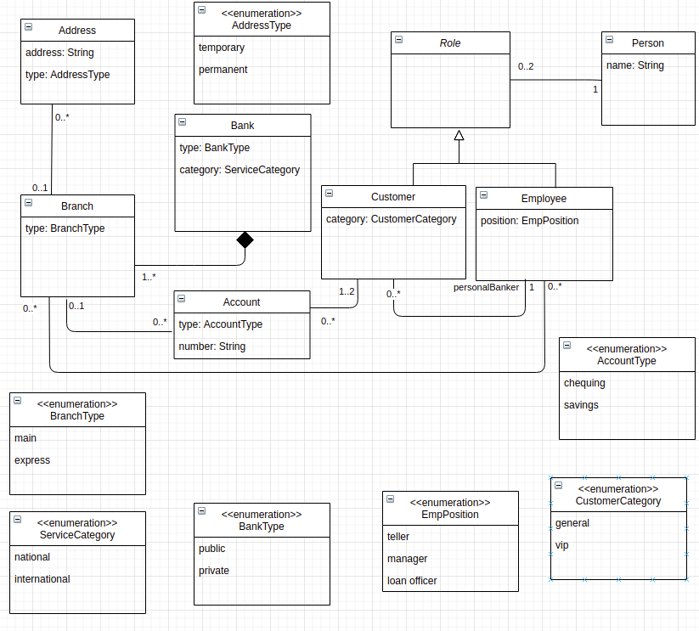
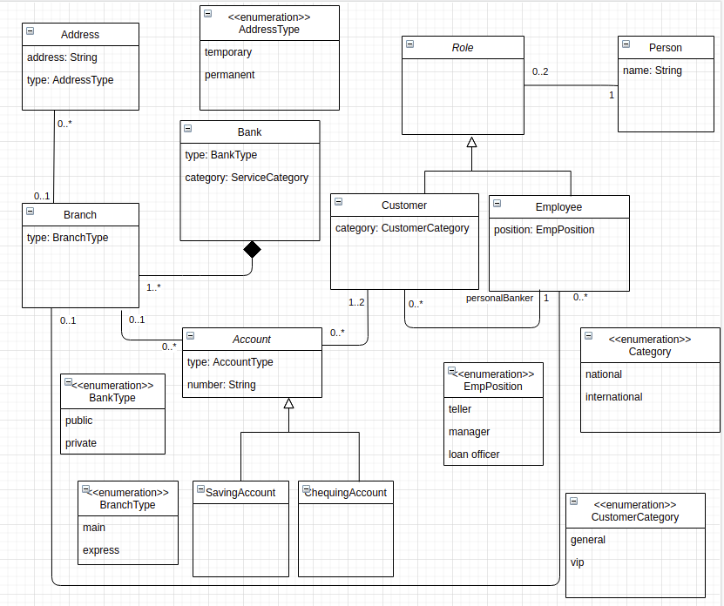

Classes – 9, Attributes – 17 (including enumeration items), Relationships (7), Cardinalities (10)

Artifact Type – Extracted Domain Model (Baseline)

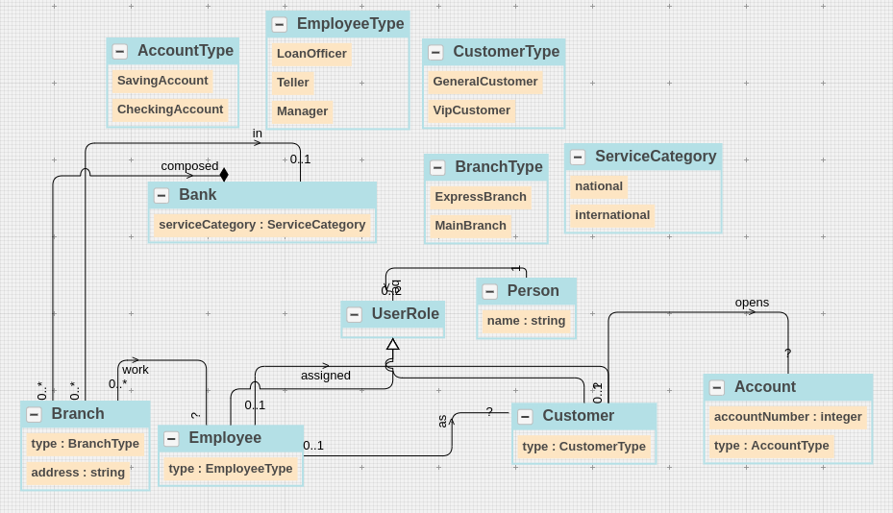

 | Ground Truth Domain Model

 | Category | Domain Concept
 | Class | Bank
 | Class | Customer
 | Class | Employee
 | Class | Branch
 | Class | Address
 | Class | Account
 | Class | Role
 | Class | Person
 | Enumeration Class | AddressType
...
 | Category | Domain Concepts
 | Cardinality | 0..1 Branch-association-Address | 0
 | Cardinality | Customer-association-0..* Account | 0.5
 | Cardinality | 1..2 Customer-association- Account | 0
 | 7 | Cardinalities – Retrieved Concepts (TP + FP) | 2.375 | Cardinalities – Retrieved Relevant Concepts (TP)

 | 45 | Total– Retrieved Concepts (TP + FP) | 37.625 | Total– Retrieved Relevant Concepts (TP)

 | Extracted Domain Model (Proposed Approach – Without Learning)

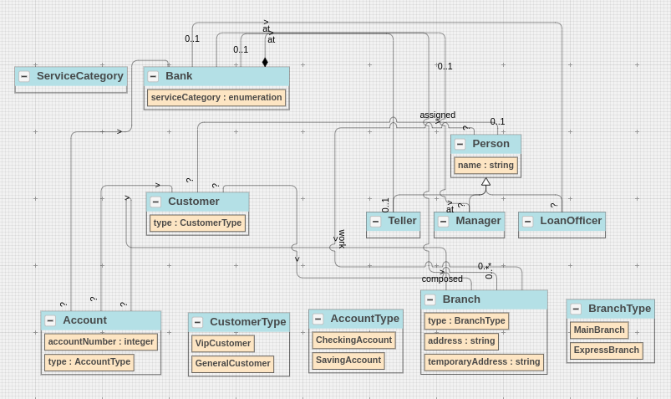

 | Extracted Domain Model Results (Proposed Approach – Without Learning)

 | Category | Domain Concepts
 | Class | Bank | 1
 | Class | Customer | 1
 | Class | Branch | 1
 | Class | Account | 1
 | Class | Person | 1
...

PD10
Artifact Type – Problem Description (Library System)
An automated library book borrowing system maintains a collection of books. Each book has title, barcode, ISBN, and number of pages. In addition, the system allows users to have either a member User or a guest User. Each user has a name, email, address, and ID. A user can checkout a book on loan which has the start date and end date.

Artifact Type – Some Possible Variations in the Ground Truth Domain Model

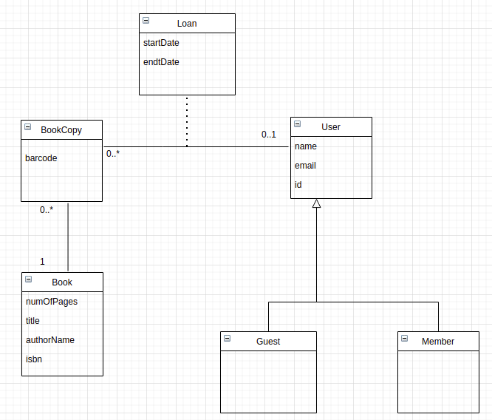
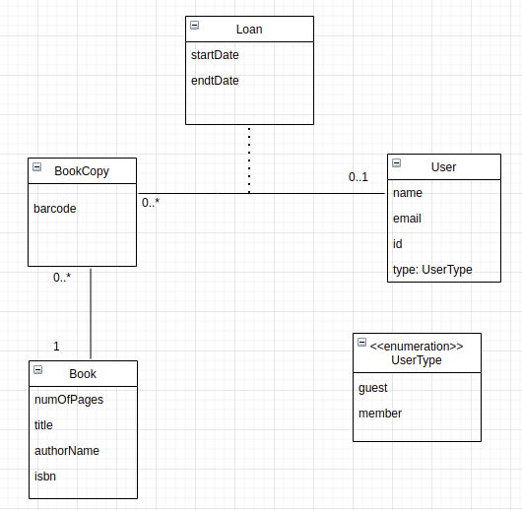

Classes – 9, Attributes – 17 (including enumeration items), Relationships (7), Cardinalities (10)

Artifact Type – Extracted Domain Model (Baseline)

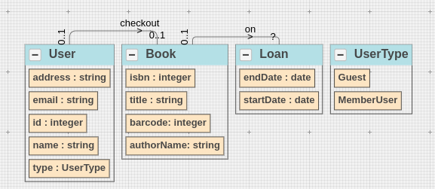
...
 | Extracted Domain Model (Proposed Approach – Without Learning)

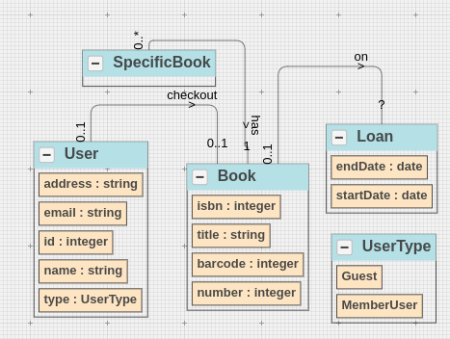

 | Extracted Domain Model Results (Proposed Approach – Without Learning)

 | Category | Domain Concepts
 | Class | Loan | 1
 | Class | Book | 1
...

PD11
Artifact Type – Problem Description (Online Art Gallery System)
Online Art Gallery System allows artists to put their artwork on auction. Each artist has a name, phone number, id, email, address and gender. To place artwork in an auction, each artist need a membership which can be of types -- individual membership, agency membership, and agency affiliate memberships. Each membership has an ID, start date, end date, and reward points. An artist can have multiple artworks where each artwork has a title, description, category (painting, sculpture, and architecture), and price.

Artifact Type – Some Possible Variations in the Ground Truth Domain Model

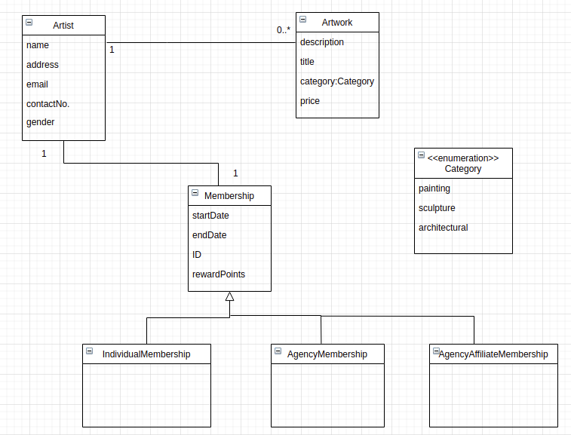
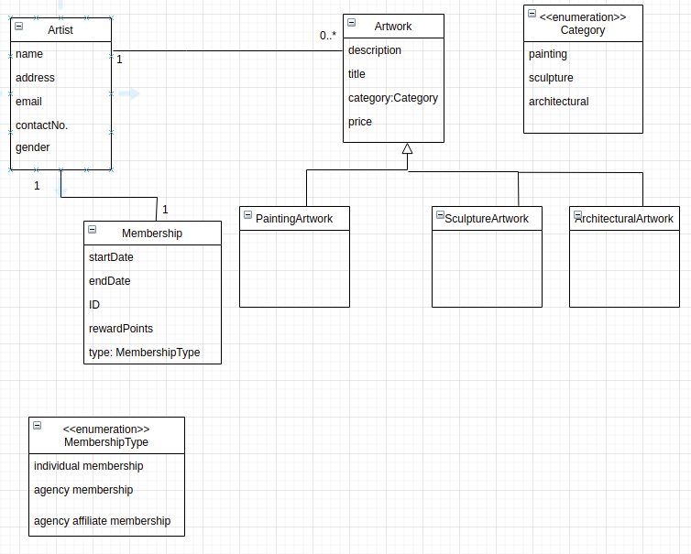

Classes – 9, Attributes – 17 (including enumeration items), Relationships (7), Cardinalities (10)

Artifact Type – Extracted Domain Model (Baseline)
...
 | Category | Domain Concepts
 | Cardinality | Artist-association-1 Membership | 0.5
 | 2 | Cardinalities – Retrieved Concepts (TP + FP) | 0.25 | Cardinalities – Retrieved Relevant Concepts (TP)

 | 24 | Total– Retrieved Concepts (TP + FP) | 20.5 | Total– Retrieved Relevant Concepts (TP)

 | Extracted Domain Model (Proposed Approach – Without Learning)

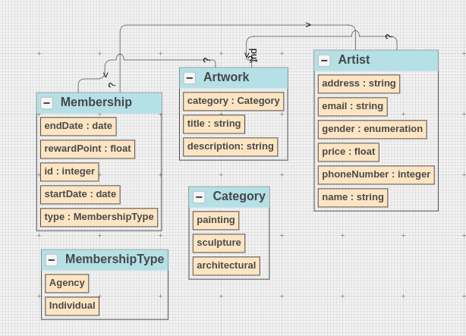

 | Extracted Domain Model Results (Proposed Approach – Without Learning)

 | Category | Domain Concepts
 | Class | Artist | 1
 | Class | Artwork | 1
 | Class | Category | 1
 | Class | Membership | 1
 | Enumeration Class | MembershipType | 1
 | 5 | Class – Retrieved Concepts (TP + FP) | 5 | Class – Retrieved Relevant Concepts (TP)
...

PD12
Artifact Type – Problem Description (Project Management System)
A project management system assigns one or multiple projects to students. A student can be an undergraduate student or a graduate student. Each student has a name, email and student id. Furthermore, each project has a title, description, start date, deadline, and grade. These projects can be classified as research projects or course-based projects.

Artifact Type – Some Possible Variations in the Ground Truth Domain Model

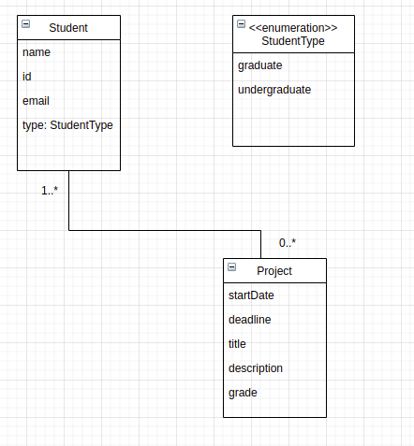
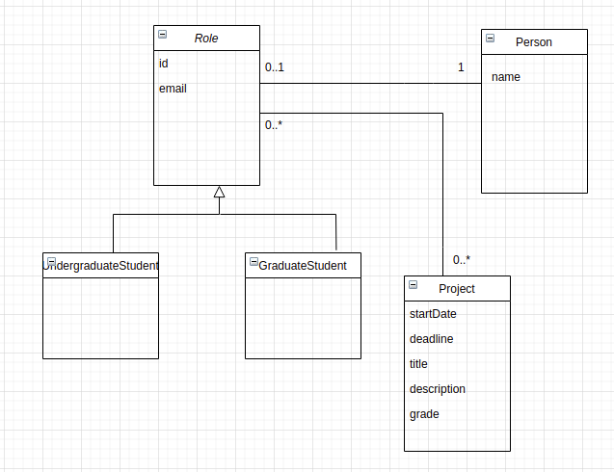

Classes – 9, Attributes – 17 (including enumeration items), Relationships (7), Cardinalities (10)

Artifact Type – Extracted Domain Model (Baseline)
...
 | Category | Domain Concepts
 | 1 | Relationships – Retrieved Concepts (TP + FP) | 1 | Relationships – Retrieved Relevant Concepts (TP)
 | Cardinality | 0..* Student-association-Project | 0
 | Cardinality | Student-association- 0...*Project | 0
 | 1 | Cardinalities – Retrieved Concepts (TP + FP) | 0 | Cardinalities – Retrieved Relevant Concepts (TP)
 | 4 |  | 4
 | 22 | Total– Retrieved Concepts (TP + FP) | 19.5 | Total– Retrieved Relevant Concepts (TP)

 | Extracted Domain Model (Proposed Approach – Without Learning)

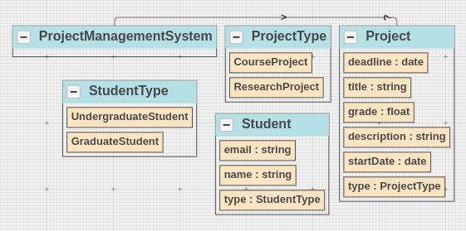

 | Extracted Domain Model Results (Proposed Approach – Without Learning)
...

