Sheet2
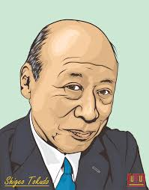
 |  | Dat

 |  |  | 2005-12-31 | Nam
 |  |  | 2005-12-31
 |  |  | ád 1

OBJECTIVE |  |  | EDUCATION

 |  |  | OVERVIEW

 | View git

 |  |  |  |  | Trần Hoàng Anh

