bug report
Bug report ID | Bug description | Priority | Screenshot
BG_001 | In the signin page the from accept invalid email no email has accept (^)symbol | P0 | 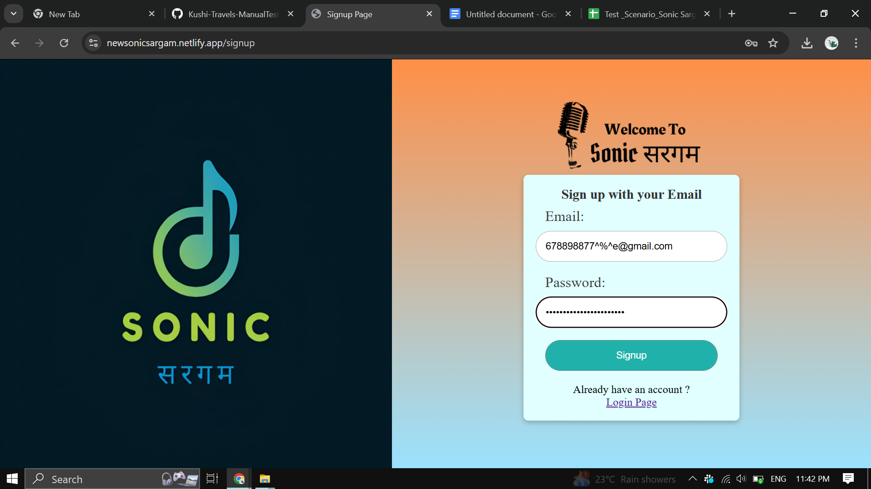
BG_002 | In the login page the from accept invalid email no email has accept (^)symbol | P0 | 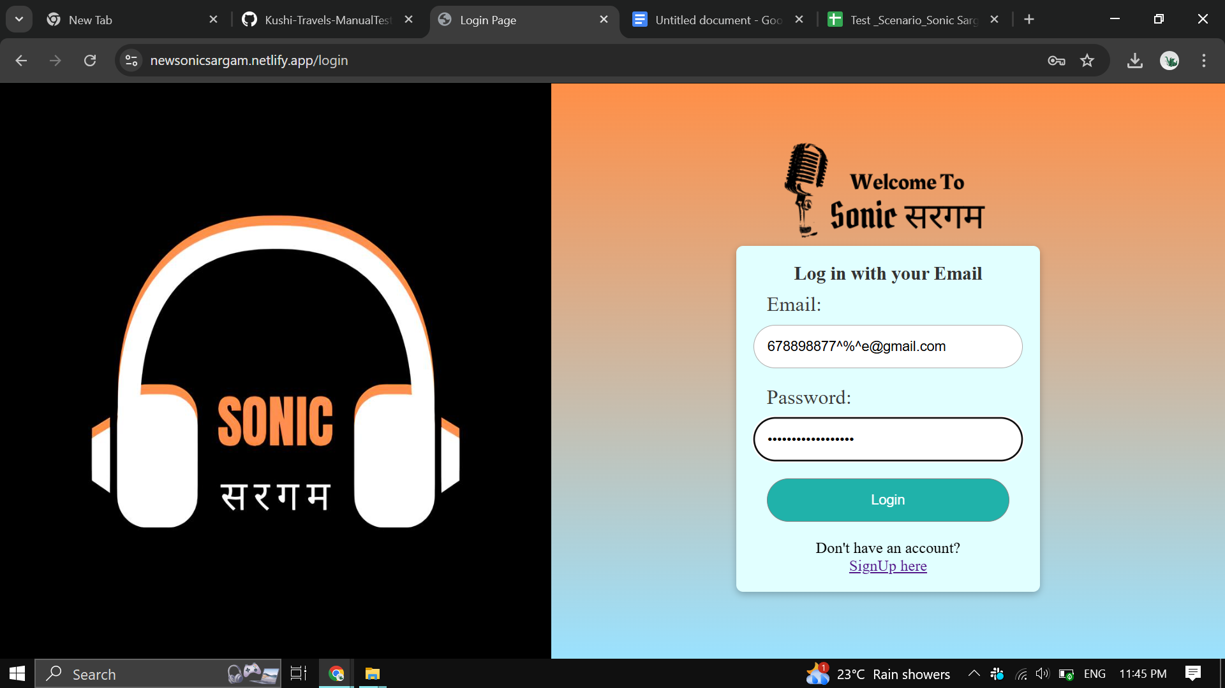
BG_003 | the search functionality is not working | P0 | 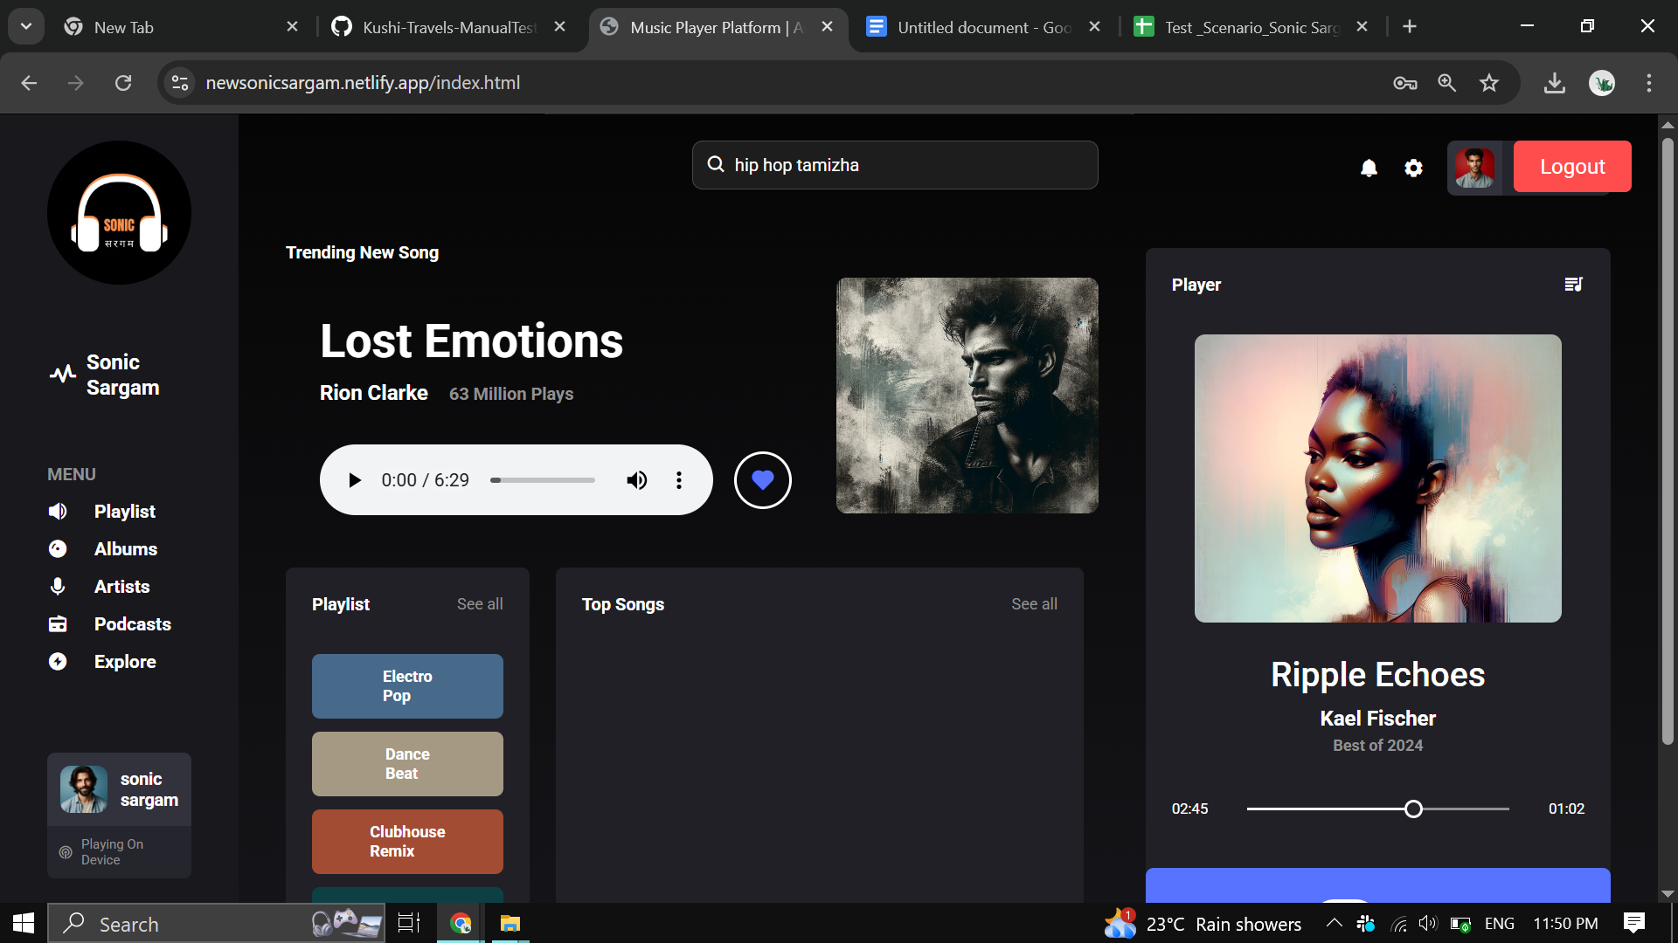
BG_004 | the account button is no functionable | P0
BG_006 | the notification feature not functionable | P0
BG_006 | the menu feature consist another website page | P0 | 