Location_Information
Monitoring Well | Date | Latitude | Longitude | LNAPL Top Depth Below Ground Surface (m) | LNAPL Bottom Depth Below Ground Surface (m) | LNAPL Gradient (m/m)
TF-01 | 2009-06-25 | 53.4792235 | -31.6370004 | 6.03 | 6.03 | 0.0086 | There are several options to obtain high resolution latitude/longitude data for each monitoring well:
TF-02 | 2009-06-25 | 53.4787581 | -31.6367291 | 6.46 | 6.46 | 0.0086
TF-03 | 2009-06-25 | 53.4788652 | -31.6367142 | 6.44 | 6.45 | 0.0086 | 1. Use surveying data from an official survey of the wells.
TF-04 | 2009-06-25 | 53.4789075 | -31.6368013 | 6.34 | 6.34 | 0.0086 | 2. Obtain a site map, georeferenced the map in an GIS system, and obtain the lat/long data.
TF-05 | 2009-06-25 | 53.4788179 | -31.6368785 | 6.29 | 6.29 | 0.0086 | 3. Estimate monitoring locations in a Google Earth map, add Placemarks and get lat/long in decimal degrees (see image below).
TF-06 | 2009-06-25 | 53.4786810 | -31.6368934 | 6.31 | 6.31 | 0.0086 | A crude way to convert a map with local coordinates to lat/long decimal coordinates is to:
TF-07 | 2009-06-25 | 53.4785292 | -31.6369083 | 6.34 | 6.34 | 0.0086 |  | a) put a transparency (viewgraph) or a translucent tracing paper (Vellum) over the map with the monitoring wells;
TF-08 | 2009-06-25 | 53.4782529 | -31.6369481 | 6.38 | 6.38 | 0.0086 |  | b) with a pen, mark a few key landmarks that will show up in Google earth aerial photo imagery (cross roads, buildings, streams, etc.) on the transparency/vellum;
TF-09 | 2009-06-25 | 53.4782181 | -31.6367590 | 6.59 | 6.60 | 0.0086 |  | c) mark the monitoring wells on the transparency/vellum with a pen;
TF-10 | 2009-06-25 | 53.4784421 | -31.6367092 | 6.57 | 6.58 | 0.0086 |  | d) tape the transparency/vellum over your computer monitor, rotate the transparency/vellum if needed to align to the landmarks, and change the zoom in Google earth to match the landmarks;
TF-11 | 2009-06-25 | 53.4786163 | -31.6366819 | 6.55 | 6.56 | 0.0086 |  | e) use Google Earth Placeholders to get the lat/long in decimal degrees. You can change the Google earth Placemark lat/longs to decimal lat/longs in Google Earth preferences.
TF-12 | 2009-06-25 | 53.4784097 | -31.6370104 | 6.27 | 6.27 | 0.0086 | The result will be a rough approximation of the actual lat/long and may not be a suitable methods for some maps that are not surveyed.
TF-13 | 2009-06-25 | 53.4784172 | -31.6371398 | 6.13 | 6.13 | 0.0086 | 4. If you have data in degrees/min/sec, convert to decimal degrees at web sites like this: https://www.latlong.net/degrees-minutes-seconds-to-decimal-degrees
TF-14 | 2009-06-25 | 53.4786088 | -31.6371622 | 6.05 | 6.05 | 0.0086
TF-15 | 2009-06-25 | 53.4788452 | -31.6371199 | 6.02 | 6.02 | 0.0086
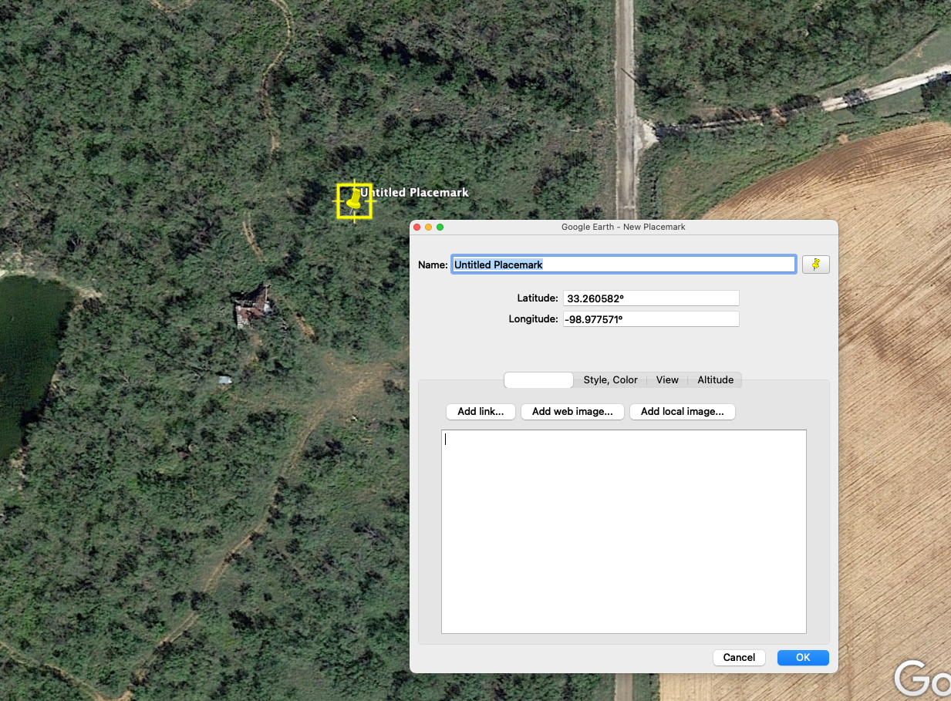
TF-16 | 2009-06-25 | 53.4789423 | -31.6371871 | 5.92 | 5.92 | 0.0086
TF-17 | 2009-06-25 | 53.4782305 | -31.6372269 | 6.09 | 6.09 | 0.0086
TF-18 | 2009-06-25 | 53.4781459 | -31.6370776 | 6.28 | 6.28 | 0.0086
TF-19 | 2009-06-25 | 53.4786088 | -31.6371622 | 6.05 | 6.05 | 0.0086
TF-20 | 2009-06-25 | 53.4792105 | -31.6371895 | 5.83 | 5.84 | 0.0086
TF-21 | 2009-06-25 | 53.4793797 | -31.6371846 | 5.79 | 5.79 | 0.0086
TF-22 | 2009-06-25 | 53.4796062 | -31.6371945 | 5.71 | 5.71 | 0.0086
TF-23 | 2009-06-25 | 53.4796111 | -31.6368138 | 6.11 | 6.11 | 0.0086
TF-24 | 2009-06-25 | 53.4794021 | -31.6368386 | 6.15 | 6.15 | 0.0086
TF-25 | 2009-06-25 | 53.4792702 | -31.6368536 | 6.17 | 6.18 | 0.0086
TF-26 | 2009-06-25 | 53.4792478 | -31.6365997 | 6.45 | 6.45 | 0.0086
TF-27 | 2009-06-25 | 53.4793623 | -31.6365823 | 6.43 | 6.44 | 0.0086
TF-28 | 2009-06-25 | 53.4795166 | -31.6365649 | 6.40 | 6.41 | 0.0086
TF-29 | 2009-06-25 | 53.4796933 | -31.6365475 | 6.36 | 6.37 | 0.0086
TF-30 | 2009-06-25 | 53.4797953 | -31.6365350 | 6.34 | 6.36 | 0.0086
TF-31 | 2009-06-25 | 53.4798824 | -31.6366943 | 6.15 | 6.16 | 0.0086
TF-32 | 2009-06-25 | 53.4799172 | -31.6370502 | 5.76 | 5.77 | 0.0086
TF-33 | 2009-06-25 | 53.4799297 | -31.6371423 | 5.66 | 5.67 | 0.0086
TF-34 | 2009-06-25 | 53.4798202 | -31.6371920 | 5.64 | 5.65 | 0.0086
TF-35 | 2009-06-25 | 53.4796086 | -31.6372567 | 5.64 | 5.64 | 0.0086
TF-36 | 2009-06-25 | 53.4793075 | -31.6372941 | 5.69 | 5.69 | 0.0086
TF-37 | 2009-06-25 | 53.4793797 | -31.6369681 | 6.02 | 6.02 | 0.0086
TF-38 | 2009-06-25 | 53.4793847 | -31.6370651 | 5.91 | 5.91 | 0.0086
TF-39 | 2009-06-25 | 53.4790313 | -31.6367615 | 6.34 | 6.35 | 0.0086
TF-40 | 2009-06-25 | 53.4801362 | -31.6366669 | 6.09 | 6.11 | 0.0086
TF-41 | 2009-06-25 | 53.4801761 | -31.6370477 | 5.68 | 5.69 | 0.0086
TF-42 | 2009-06-25 | 53.4800740 | -31.6364952 | 6.28 | 6.31 | 0.0086
TF-43 | 2009-06-25 | 53.4801985 | -31.6364828 | 6.25 | 6.29 | 0.0086
TF-44 | 2009-06-25 | 53.4803179 | -31.6365425 | 6.15 | 6.19 | 0.0086
TF-45 | 2009-06-25 | 53.4803403 | -31.6366819 | 6.00 | 6.03 | 0.0086
TF-46 | 2009-06-25 | 53.4803976 | -31.6369681 | 5.70 | 5.71 | 0.0086
TF-47 | 2009-06-25 | 53.4804150 | -31.6370950 | 5.56 | 5.57 | 0.0086
TF-48 | 2009-06-25 | 53.4804374 | -31.6372045 | 5.44 | 5.45 | 0.0086
TF-49 | 2009-06-25 | 53.4803652 | -31.6372468 | 5.42 | 5.42 | 0.0086
TF-50 | 2009-06-25 | 53.4801960 | -31.6372692 | 5.45 | 5.45 | 0.0086
TF-51 | 2009-06-25 | 53.4800292 | -31.6372393 | 5.53 | 5.53 | 0.0086
TF-52 | 2009-06-25 | 53.4804249 | -31.6368312 | 5.82 | 5.85 | 0.0086
TF-53 | 2009-06-25 | 53.4805568 | -31.6364330 | 6.13 | 6.23 | 0.0086
TF-54 | 2009-06-25 | 53.4806489 | -31.6364081 | 6.08 | 6.23 | 0.0086
TF-55 | 2009-06-25 | 53.4807659 | -31.6364529 | 5.87 | 6.15 | 0.0086
TF-56 | 2009-06-25 | 53.4808032 | -31.6366371 | 5.63 | 5.94 | 0.0086
TF-57 | 2009-06-25 | 53.4808132 | -31.6367565 | 5.60 | 5.81 | 0.0086
TF-58 | 2009-06-25 | 53.4807012 | -31.6368162 | 5.70 | 5.78 | 0.0086
TF-59 | 2009-06-25 | 53.4805867 | -31.6368262 | 5.76 | 5.80 | 0.0086
TF-60 | 2009-06-25 | 53.4806439 | -31.6370129 | 5.56 | 5.59 | 0.0086
TF-61 | 2009-06-25 | 53.4808057 | -31.6370328 | 5.48 | 5.52 | 0.0086
TF-62 | 2009-06-25 | 53.4808704 | -31.6371497 | 5.35 | 5.37 | 0.0086
TF-63 | 2009-06-25 | 53.4807883 | -31.6372194 | 5.31 | 5.32 | 0.0086
TF-64 | 2009-06-25 | 53.4806862 | -31.6372368 | 5.33 | 5.33 | 0.0086
TF-65 | 2009-06-25 | 53.4805568 | -31.6372368 | 5.37 | 5.37 | 0.0086
TF-66 | 2009-06-25 | 53.4808828 | -31.6364504 | 5.44 | 6.11 | 0.0086
TF-67 | 2009-06-25 | 53.4809127 | -31.6365748 | 5.05 | 5.97 | 0.0086
TF-68 | 2009-06-25 | 53.4809152 | -31.6367018 | 5.26 | 5.84 | 0.0086
TF-69 | 2009-06-25 | 53.4809849 | -31.6367466 | 5.08 | 5.77 | 0.0086
TF-70 | 2009-06-25 | 53.4811118 | -31.6367092 | 4.15 | 5.77 | 0.0086
TF-71 | 2009-06-25 | 53.4812089 | -31.6367142 | 4.29 | 5.73 | 0.0086
TF-72 | 2009-06-25 | 53.4812512 | -31.6365301 | 2.60 | 5.92 | 0.0086
TF-73 | 2009-06-25 | 53.4810844 | -31.6365276 | 1.01 | 5.97 | 0.0086
TF-74 | 2009-06-25 | 53.4810645 | -31.6363957 | 4.18 | 6.12 | 0.0086
TF-75 | 2009-06-25 | 53.4811666 | -31.6363733 | 4.17 | 6.11 | 0.0086
TF-76 | 2009-06-25 | 53.4812437 | -31.6363907 | 4.32 | 6.07 | 0.0086
TF-77 | 2009-06-25 | 53.4813482 | -31.6365301 | 4.57 | 5.89 | 0.0086
TF-78 | 2009-06-25 | 53.4814353 | -31.6364927 | 5.30 | 5.90 | 0.0086
TF-79 | 2009-06-25 | 53.4814080 | -31.6363434 | 5.53 | 6.07 | 0.0086
TF-80 | 2009-06-25 | 53.4815822 | -31.6363434 | 5.77 | 6.01 | 0.0086
TF-81 | 2009-06-25 | 53.4815847 | -31.6364604 | 5.67 | 5.89 | 0.0086
TF-82 | 2009-06-25 | 53.4817763 | -31.6364703 | 5.71 | 5.82 | 0.0086
TF-83 | 2009-06-25 | 53.4817613 | -31.6365898 | 5.61 | 5.70 | 0.0086
TF-84 | 2009-06-25 | 53.4815772 | -31.6366744 | 5.51 | 5.66 | 0.0086
TF-85 | 2009-06-25 | 53.4814104 | -31.6366918 | 5.21 | 5.70 | 0.0086
TF-86 | 2009-06-25 | 53.4813806 | -31.6368287 | 5.31 | 5.56 | 0.0086
TF-87 | 2009-06-25 | 53.4814627 | -31.6368859 | 5.36 | 5.47 | 0.0086
TF-88 | 2009-06-25 | 53.4816220 | -31.6368561 | 5.40 | 5.46 | 0.0086
TF-89 | 2009-06-25 | 53.4818236 | -31.6368561 | 5.36 | 5.39 | 0.0086
TF-90 | 2009-06-25 | 53.4818808 | -31.6371248 | 5.08 | 5.09 | 0.0086
TF-91 | 2009-06-25 | 53.4818659 | -31.6372219 | 4.98 | 4.99 | 0.0086
TF-92 | 2009-06-25 | 53.4816245 | -31.6372294 | 5.05 | 5.06 | 0.0086
TF-93 | 2009-06-25 | 53.4814776 | -31.6372393 | 5.08 | 5.09 | 0.0086
TF-94 | 2009-06-25 | 53.4814279 | -31.6372219 | 5.11 | 5.12 | 0.0086
TF-95 | 2009-06-25 | 53.4813706 | -31.6369755 | 5.32 | 5.40 | 0.0086
TF-96 | 2009-06-25 | 53.4809575 | -31.6369880 | 5.43 | 5.52 | 0.0086
TF-97 | 2009-06-25 | 53.4809650 | -31.6371622 | 5.30 | 5.33 | 0.0086
TF-98 | 2009-06-25 | 53.4810396 | -31.6372543 | 5.19 | 5.21 | 0.0086
TF-99 | 2009-06-25 | 53.4821346 | -31.6367043 | 5.43 | 5.46 | 0.0086
TF-100 | 2009-06-25 | 53.4821869 | -31.6367043 | 5.42 | 5.45 | 0.0086
TF-101 | 2009-06-25 | 53.4822939 | -31.6366769 | 5.42 | 5.44 | 0.0086
TF-102 | 2009-06-25 | 53.4824308 | -31.6366595 | 5.40 | 5.42 | 0.0086
TF-103 | 2009-06-25 | 53.4825353 | -31.6366396 | 5.39 | 5.41 | 0.0086
TF-104 | 2009-06-25 | 53.4826299 | -31.6368088 | 5.19 | 5.20 | 0.0086
TF-105 | 2009-06-25 | 53.4824333 | -31.6368411 | 5.21 | 5.22 | 0.0086
TF-106 | 2009-06-25 | 53.4822889 | -31.6368710 | 5.22 | 5.24 | 0.0086
TF-107 | 2009-06-25 | 53.4821048 | -31.6368785 | 5.27 | 5.28 | 0.0086
TF-108 | 2009-06-25 | 53.4820027 | -31.6368909 | 5.28 | 5.30 | 0.0086
TF-109 | 2009-06-25 | 53.4786804 | -31.6372617 | 5.92 | 5.92 | 0.0086
TF-110 | 2009-06-25 | 53.4785858 | -31.6372543 | 5.96 | 5.96 | 0.0086
TF-111 | 2009-06-25 | 53.4784564 | -31.6372443 | 6.01 | 6.01 | 0.0086
TF-112 | 2009-06-25 | 53.4780134 | -31.6368138 | 6.59 | 6.60 | 0.0086
TF-113 | 2009-06-25 | 53.4780134 | -31.6369407 | 6.46 | 6.47 | 0.0086
TF-114 | 2009-06-25 | 53.4779910 | -31.6366943 | 6.72 | 6.74 | 0.0086
TF-115 | 2009-06-25 | 53.4789666 | -31.6366794 | 6.45 | 6.45 | 0.0086
TF-116 | 2009-06-25 | 53.4799048 | -31.6368436 | 5.98 | 5.99 | 0.0086
TF-117 | 2009-06-25 | 53.4799471 | -31.6364877 | 6.34 | 6.36 | 0.0086
TF-118 | 2009-06-25 | 53.4803552 | -31.6364429 | 6.22 | 6.28 | 0.0086
TF-119 | 2009-06-25 | 53.4809948 | -31.6363384 | 5.28 | 6.20 | 0.0086
TF-120 | 2009-06-25 | 53.4813582 | -31.6362911 | 5.56 | 6.14 | 0.0086
TF-121 | 2009-06-25 | 53.4808654 | -31.6368859 | 5.53 | 5.65 | 0.0086
TF-122 | 2009-06-25 | 53.4818584 | -31.6362414 | 5.86 | 6.04 | 0.0086
TF-123 | 2009-06-25 | 53.4820525 | -31.6362040 | 5.87 | 6.02 | 0.0086
TF-124 | 2009-06-25 | 53.4822068 | -31.6361866 | 5.87 | 5.99 | 0.0086
TF-125 | 2009-06-25 | 53.4824009 | -31.6361642 | 5.87 | 5.96 | 0.0086
TF-126 | 2009-06-25 | 53.4825129 | -31.6361368 | 5.88 | 5.95 | 0.0086
Add additional rows as needed.

Add additional rows as needed.

Soil_Types
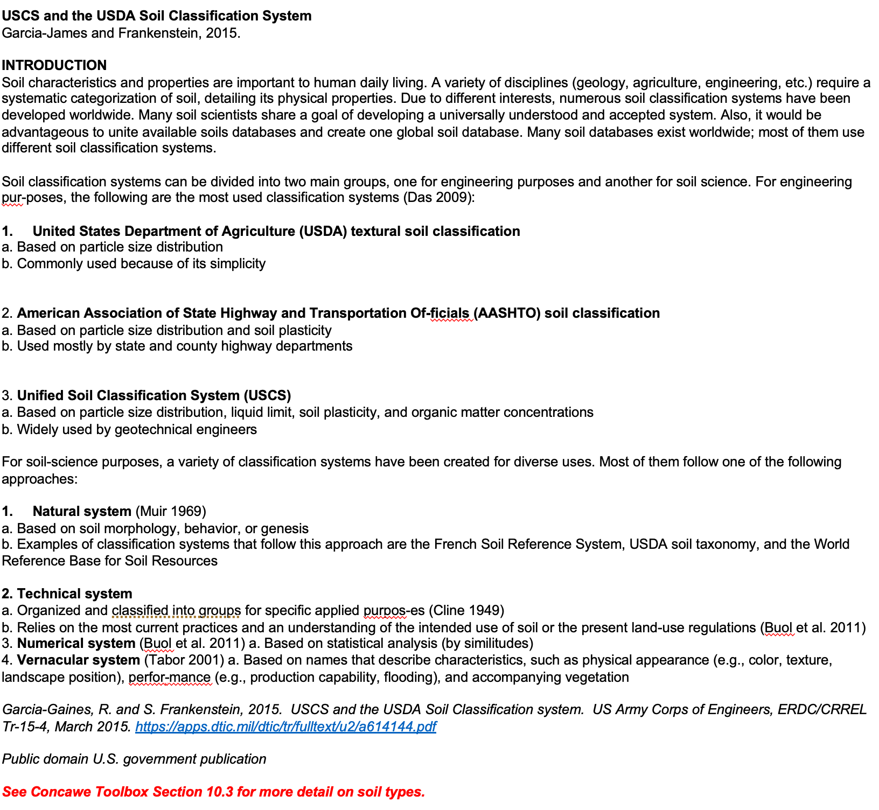
Soil types 1 through 12 from Carsel and Parrish (1988) |  |  |  |  | van Genuchten Parameters
Soil Num | Soil_Type | Porosity | Ks (m/d) | Theta_wr | N | alpha (1/m) | M | These soil types are based on the USDA Soil Classification system.
1 | Clay | 0.38 | 0.048 | 0.068 | 1.09 | 0.8 | 0.08
2 | Clay loam | 0.41 | 0.062 | 0.095 | 1.31 | 1.9 | 0.24 | Soil texture triangle showing the USDA classification system based on grain size and sand/silt/clay content
3 | Loam | 0.43 | 0.25 | 0.078 | 1.56 | 3.6 | 0.36
4 | Loamy sand | 0.41 | 3.5 | 0.057 | 2.28 | 12.4 | 0.56 | If your soil data are classified using the USCS system, you can convert to the USDA soil type using the table below (Garcia-Gaines and Frankenstein, 2015).
5 | Silt | 0.46 | 0.06 | 0.034 | 1.37 | 1.6 | 0.27 | See the Users Manual “Soil Properties Resources” for more details (Section 10.3). If you soil data are from some other soil classification system, then you can enter your own
6 | Silt loam | 0.45 | 0.11 | 0.067 | 1.41 | 2 | 0.29 | soil types in the input spreadsheet (but you will need van Genuchten soil characteristic curve parameters for your soil types) or use the % Sand, % Silt, % Clay data
7 | Silty clay | 0.36 | 0.0048 | 0.07 | 1.09 | 0.5 | 0.08 | for you soils with the triangle chart above to apply the USDA soil types built into the data input spreadsheet.
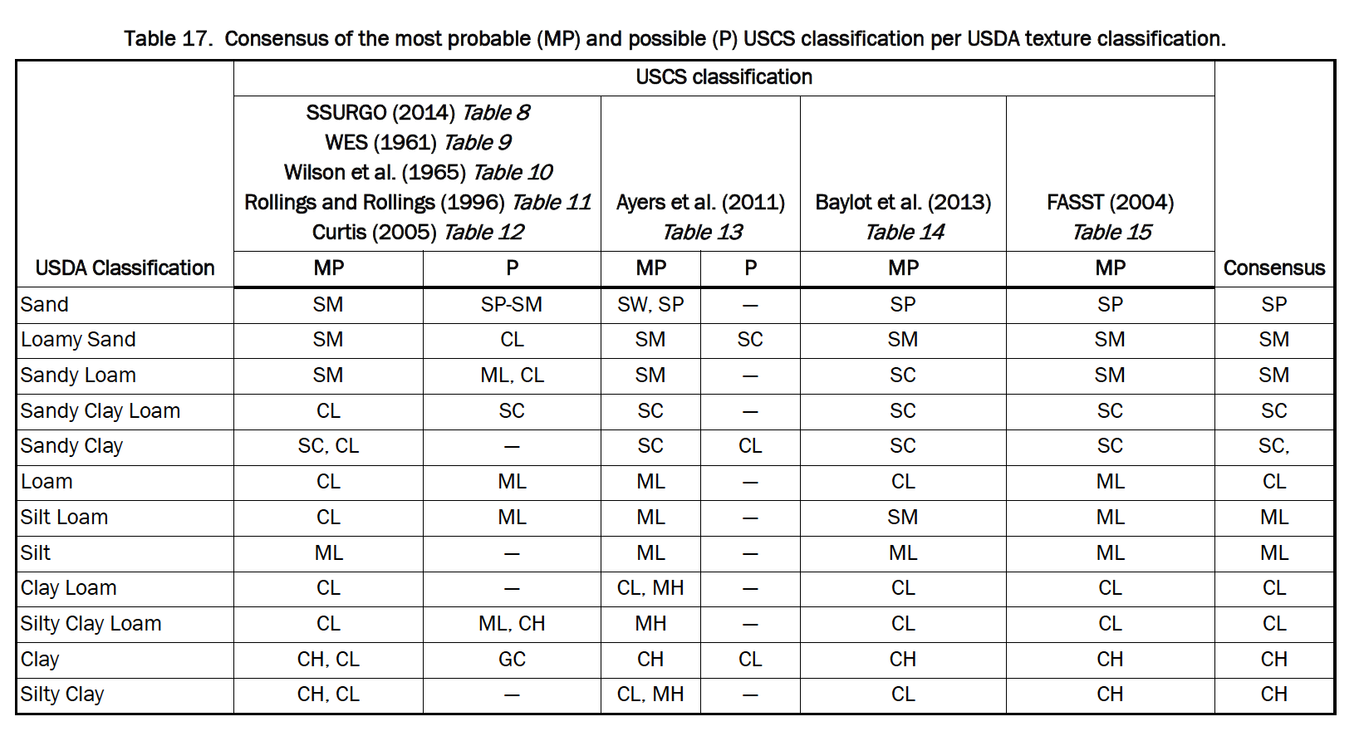
8 | Silty clay loam | 0.43 | 0.017 | 0.089 | 1.23 | 1 | 0.19
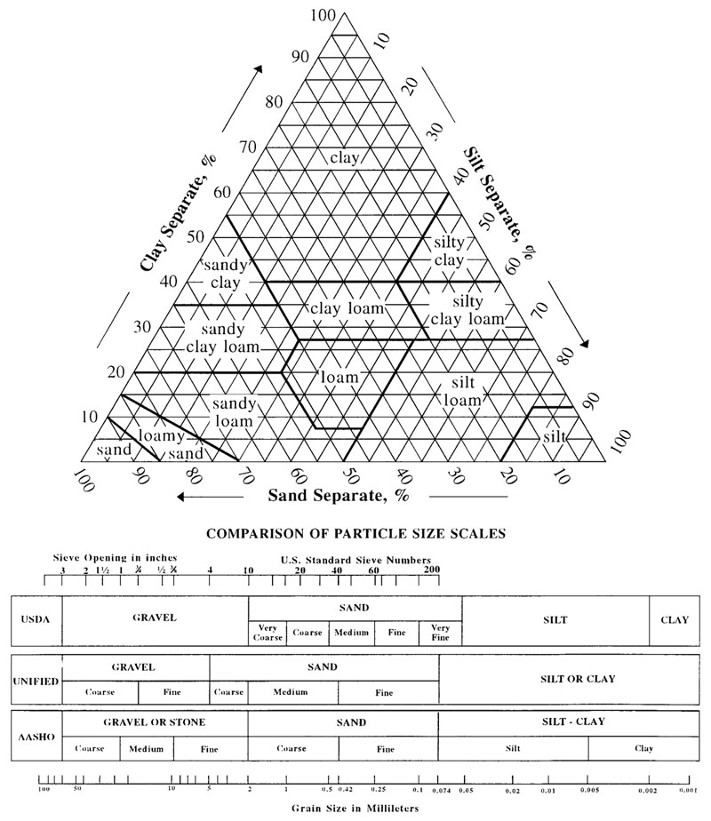
9 | Sand | 0.43 | 7.1 | 0.045 | 2.68 | 14.5 | 0.63
10 | Sandy clay | 0.38 | 0.029 | 0.1 | 1.23 | 2.7 | 0.19
11 | Sandy clay loam | 0.39 | 0.31 | 0.1 | 1.48 | 5.9 | 0.32
12 | Sandy loam | 0.41 | 1.1 | 0.065 | 1.89 | 7.5 | 0.47
Add additional rows as needed.

