Summary Data
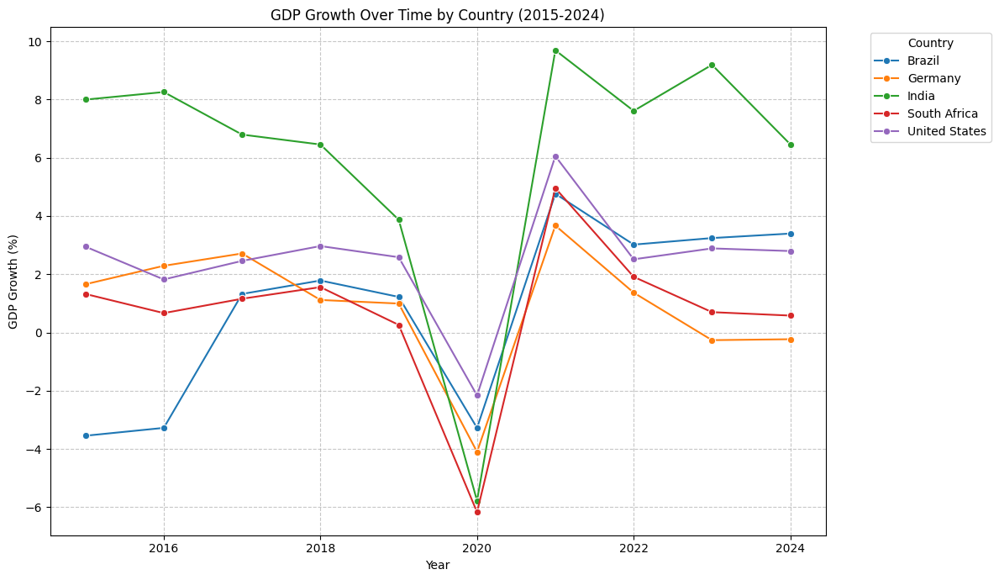
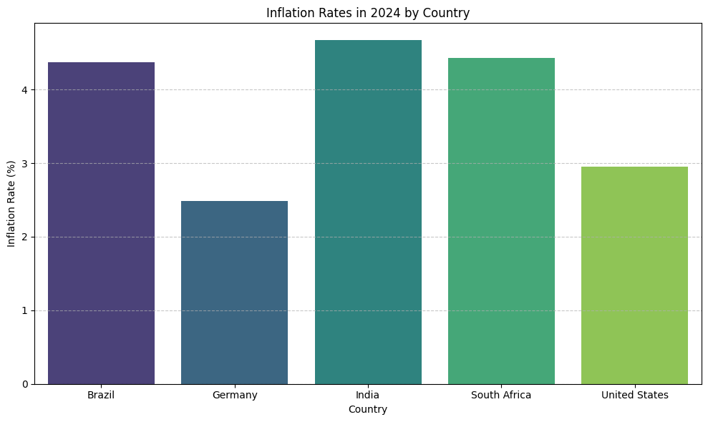
Country | Average GDP Growth (%) | Average Inflation Rate (%)
Brazil | 0.8647 | 5.8369
Germany | 0.9208 | 2.6806
India | 6.0544 | 4.9556
South Africa | 0.6937 | 4.9948
United States | 2.4862 | 2.8776

