Design_Converter
LM5170 Bi-Directional DC/DC Converter Design Tool

 |  | User Input |  |  | ABOUT |  |  |  |  | Terms of Use

1. Design Parameters

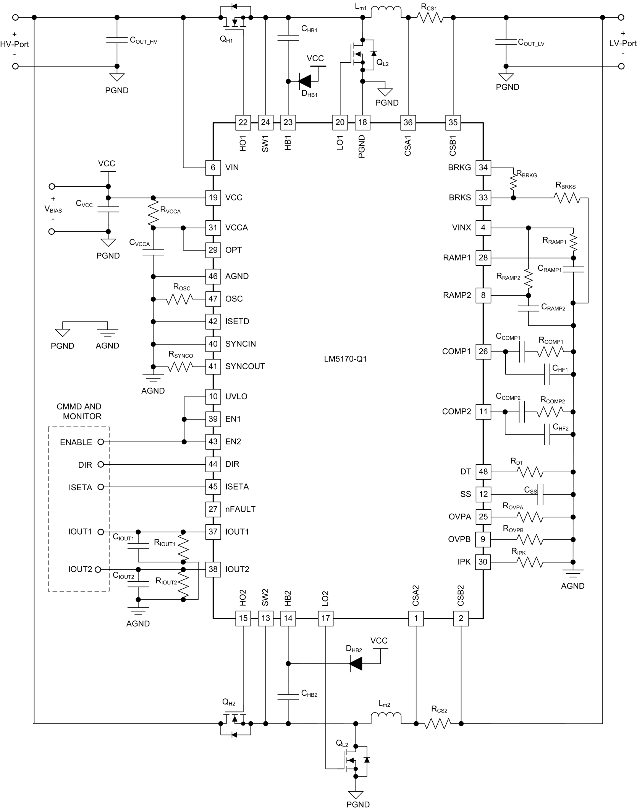
High Voltage Input Parameters |  |  |  |  | Typical Application Schematic
HV Port Minimum Voltage | 40 | V
HV Port Nominal Voltage | 50 | V
HV Port Maximum Voltage | 60 | V

Low Voltage Rail Parameters
LV Port Minimum Voltage | 18.5 | V
LV Port Nominal Voltage | 25 | V
LV Port Maximum Voltage | 26 | V

Switching Frequency
Selected Switching Frequency | 400 | kHz
Oscillator Set Resistor (ROSC) | 10 | kΩ

Current Range/ Number of Phases
Total Number of Phases | 2
Total Low Voltage Rail Current | 35 | A
Calculated Sense Resistor (RCS1, RCS2) | 2.857 | mΩ
Selected Sense Resistor (RCS1, RCS2) | 1 | mΩ
Maximum Average Inductor Current Per Channel | 50 | A
Maximum Low Voltage Rail Current | 100 | A

2. Inductor Selection

Inductor Selection
Peak-to-Peak Ripple Ratio | 30 | %
Calculated Inductance Value | 6.944 | uH
Selected Inductance Value (LM1,LM2) | 4.7 | uH
Inductor DCR | 2.25 | mΩ
Maximum Inductor Peak Current | 21.38 | A

3. Inductor Current Limiting

Inductor Peak Current Limit
Current Limit Margin Above Maximum Inductor Current | 10 | %
Selected Inductor Peak Current Limit | 23.52 | A
Calculated IPK Resistor (RIPK) | 21.38 | kΩ
Selected IPK Resistor (RIPK) | 21.00 | kΩ
Actual Inductor Peak Current Limit | 23.10 | A

4. Output Capacitance

Low Voltage Port
Selected Low Voltage Port Capacitance (COUT_LV) | 1020 | uF
Low Voltage Capacitance ESR | 6 | mΩ
High Voltage Port
Selected High Voltage Port Capacitance (COUT_HV) | 1020 | uF
Boost Mode Duty Cycle
 | LV Port Min |  | LV Port Nom |  | LV Port Max |  | LV Min |  | LV Nom |  | LV Max
0 | 0 | 0 | 0 | 0 | 0 | 3.100 | 0.63 | 3.324 | 0.500 | 3.319 | 0.48
1 | 0.35783130557 | 1 | 0.27422618402 | 1 | 0.26346799543
2 | 0.50604988537 | 2 | 0.38781438859 | 2 | 0.37260001239
3 | 0.61978200178 | 3 | 0.47497368348 | 3 | 0.45633995425
4 | 0.63 | 4 | 0.5 | 4 | 0.48
5 | 0.63 | 5 | 0.5 | 5 | 0.48
6 | 0.63 | 6 | 0.5 | 6 | 0.48
7 | 0.63 | 7 | 0.5 | 7 | 0.48
8 | 0.63 | 8 | 0.5 | 8 | 0.48
9 | 0.63 | 9 | 0.5 | 9 | 0.48
10 | 0.63 | 10 | 0.5 | 10 | 0.48
11 | 0.63 | 11 | 0.5 | 11 | 0.48
12 | 0.63 | 12 | 0.5 | 12 | 0.48
13 | 0.63 | 13 | 0.5 | 13 | 0.48
14 | 0.63 | 14 | 0.5 | 14 | 0.48
15 | 0.63 | 15 | 0.5 | 15 | 0.48
16 | 0.63 | 16 | 0.5 | 16 | 0.48
17 | 0.63 | 17 | 0.5 | 17 | 0.48
18 | 0.63 | 18 | 0.5 | 18 | 0.48
19 | 0.63 | 19 | 0.5 | 19 | 0.48
20 | 0.63 | 20 | 0.5 | 20 | 0.48
21 | 0.63 | 21 | 0.5 | 21 | 0.48
22 | 0.63 | 22 | 0.5 | 22 | 0.48
23 | 0.63 | 23 | 0.5 | 23 | 0.48
24 | 0.63 | 24 | 0.5 | 24 | 0.48
25 | 0.63 | 25 | 0.5 | 25 | 0.48
26 | 0.63 | 26 | 0.5 | 26 | 0.48
27 | 0.63 | 27 | 0.5 | 27 | 0.48
28 | 0.63 | 28 | 0.5 | 28 | 0.48
29 | 0.63 | 29 | 0.5 | 29 | 0.48
30 | 0.63 | 30 | 0.5 | 30 | 0.48
31 | 0.63 | 31 | 0.5 | 31 | 0.48
32 | 0.63 | 32 | 0.5 | 32 | 0.48
33 | 0.63 | 33 | 0.5 | 33 | 0.48
34 | 0.63 | 34 | 0.5 | 34 | 0.48
35 | 0.63 | 35 | 0.5 | 35 | 0.48
36 | 0.63 | 36 | 0.5 | 36 | 0.48
37 | 0.63 | 37 | 0.5 | 37 | 0.48
38 | 0.63 | 38 | 0.5 | 38 | 0.48
39 | 0.63 | 39 | 0.5 | 39 | 0.48
40 | 0.63 | 40 | 0.5 | 40 | 0.48
41 | 0.63 | 41 | 0.5 | 41 | 0.48
42 | 0.63 | 42 | 0.5 | 42 | 0.48
43 | 0.63 | 43 | 0.5 | 43 | 0.48
44 | 0.63 | 44 | 0.5 | 44 | 0.48
45 | 0.63 | 45 | 0.5 | 45 | 0.48
46 | 0.63 | 46 | 0.5 | 46 | 0.48
47 | 0.63 | 47 | 0.5 | 47 | 0.48
48 | 0.63 | 48 | 0.5 | 48 | 0.48
49 | 0.63 | 49 | 0.5 | 49 | 0.48
...
High Voltage Capacitance ESR | 4 | mΩ

5. RAMP Selection

Ramp Component Selection |  |  |  |  |  |  |  | DCM Boundary
Selected RAMP Capacitor (CRAMP1, CRAMP2) | 1 | nF
Calculated RAMP Resistor (RRAMP1, RRAMP2) | 24.00 | kΩ
Selected RAMP Resistor (RRAMP1, RRAMP2) | 24 | kΩ
RAMP Peak Voltage at HV Port Minimum | 4.17 | V
RAMP Peak Voltage at HV Port Nominal | 5.21 | V
RAMP Peak Voltage at HV Port Maximum | 6.25 | V

5. Soft-Start

Buck Mode Duty Cycle
 | HV Port Min |  | HV Port Nom |  | HV Port Max |  | HV MIN |  | HV Nom |  | HV Max
0 | 0 | 0 | 0 | 0 | 0 | 2.493 | 0.625 | 3.324 | 0.5000 | 3.879 | 0.417
1 | 0.3958114029 | 1 | 0.27422618402 | 1 | 0.2115700942
2 | 0.55976185412 | 2 | 0.38781438859 | 2 | 0.29920529662
3 | 0.625 | 3 | 0.47497368348 | 3 | 0.36645015253
4 | 0.625 | 4 | 0.5 | 4 | 0.41666666667
5 | 0.625 | 5 | 0.5 | 5 | 0.41666666667
6 | 0.625 | 6 | 0.5 | 6 | 0.41666666667
7 | 0.625 | 7 | 0.5 | 7 | 0.41666666667
8 | 0.625 | 8 | 0.5 | 8 | 0.41666666667
9 | 0.625 | 9 | 0.5 | 9 | 0.41666666667
10 | 0.625 | 10 | 0.5 | 10 | 0.41666666667
11 | 0.625 | 11 | 0.5 | 11 | 0.41666666667
12 | 0.625 | 12 | 0.5 | 12 | 0.41666666667
13 | 0.625 | 13 | 0.5 | 13 | 0.41666666667
14 | 0.625 | 14 | 0.5 | 14 | 0.41666666667
15 | 0.625 | 15 | 0.5 | 15 | 0.41666666667
16 | 0.625 | 16 | 0.5 | 16 | 0.41666666667
17 | 0.625 | 17 | 0.5 | 17 | 0.41666666667
18 | 0.625 | 18 | 0.5 | 18 | 0.41666666667
19 | 0.625 | 19 | 0.5 | 19 | 0.41666666667
20 | 0.625 | 20 | 0.5 | 20 | 0.41666666667
21 | 0.625 | 21 | 0.5 | 21 | 0.41666666667
22 | 0.625 | 22 | 0.5 | 22 | 0.41666666667
23 | 0.625 | 23 | 0.5 | 23 | 0.41666666667
24 | 0.625 | 24 | 0.5 | 24 | 0.41666666667
25 | 0.625 | 25 | 0.5 | 25 | 0.41666666667
26 | 0.625 | 26 | 0.5 | 26 | 0.41666666667
27 | 0.625 | 27 | 0.5 | 27 | 0.41666666667
28 | 0.625 | 28 | 0.5 | 28 | 0.41666666667
29 | 0.625 | 29 | 0.5 | 29 | 0.41666666667
30 | 0.625 | 30 | 0.5 | 30 | 0.41666666667
31 | 0.625 | 31 | 0.5 | 31 | 0.41666666667
32 | 0.625 | 32 | 0.5 | 32 | 0.41666666667
33 | 0.625 | 33 | 0.5 | 33 | 0.41666666667
34 | 0.625 | 34 | 0.5 | 34 | 0.41666666667
35 | 0.625 | 35 | 0.5 | 35 | 0.41666666667
36 | 0.625 | 36 | 0.5 | 36 | 0.41666666667
37 | 0.625 | 37 | 0.5 | 37 | 0.41666666667
38 | 0.625 | 38 | 0.5 | 38 | 0.41666666667
39 | 0.625 | 39 | 0.5 | 39 | 0.41666666667
40 | 0.625 | 40 | 0.5 | 40 | 0.41666666667
41 | 0.625 | 41 | 0.5 | 41 | 0.41666666667
42 | 0.625 | 42 | 0.5 | 42 | 0.41666666667
43 | 0.625 | 43 | 0.5 | 43 | 0.41666666667
44 | 0.625 | 44 | 0.5 | 44 | 0.41666666667
45 | 0.625 | 45 | 0.5 | 45 | 0.41666666667
46 | 0.625 | 46 | 0.5 | 46 | 0.41666666667
47 | 0.625 | 47 | 0.5 | 47 | 0.41666666667
48 | 0.625 | 48 | 0.5 | 48 | 0.41666666667
49 | 0.625 | 49 | 0.5 | 49 | 0.41666666667
...
Soft Start Capacitor
Selected Soft-Start Time | 2 | ms
Calculated Soft-Start Capacitor (CSS) | 0.01 | uF |  |  |  |  |  | DCM Boundary
Selected Soft-Start Capacitor (CSS) | 0.01 | uF
Actual Soft start time | 2 | ms

6. Overvoltage Protection

OVPA
High Voltage Port Over Voltage Trigger | 55 | V
Calculated OVPA resistor (ROVPA) | 65.06 | kΩ
Selected OVPA resistor (ROVPA) | 64.9 | kΩ
Actual High Voltage Port Over Voltage Trigger | 55.11 | V
OVPB
Low Voltage Port Over Voltage Trigger | 28 | V
Calculated OVPB resistor (ROVPB) | 43.19 | kΩ
Selected OVPB resistor (ROVPB) | 43 | kΩ
Actual Low Voltage Port Over Voltage Trigger | 28.74 | V

7. Undervoltage Protection

UVLO
UVLO Type Selection | μC Input |  |  | Normal UVLO |  |  | Additional Hysteresis |  | Microcontroller Input
Selected UVLO Release Voltage | 24 | V
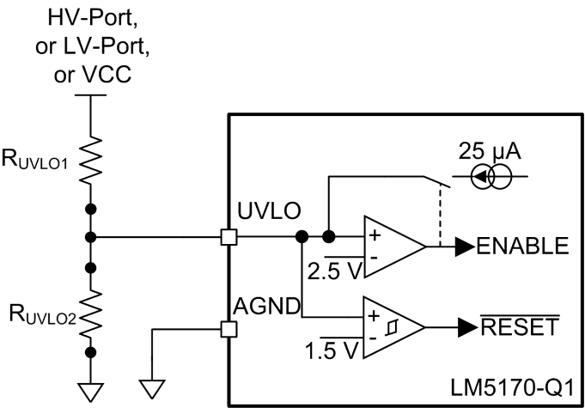
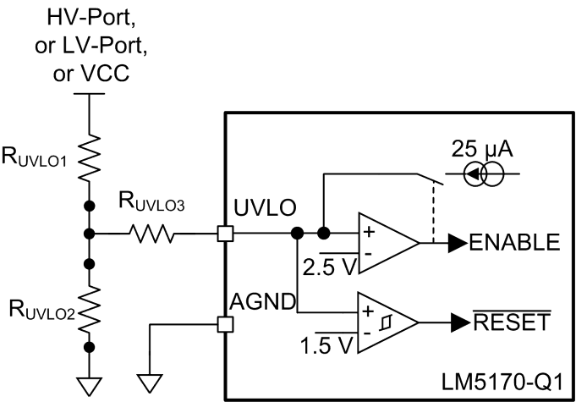
Selected Low-Side Resistor (RUVLO2) | 10 | kΩ
Calculated High-Side Resistor (RUVLO1) | 86.0 | kΩ
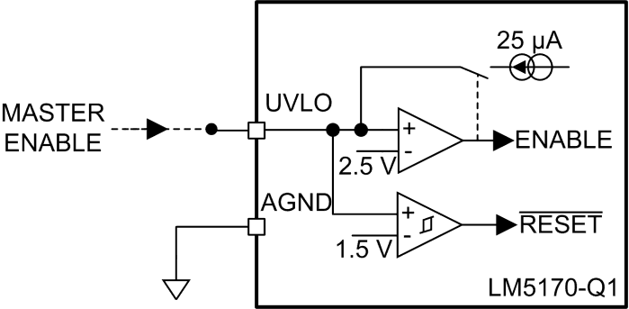
Selected High-Side Resistor (RUVLO1) | 86.6 | kΩ
UVLO Hysteresis Type | Nomal
Selected Amount of Hysteresis | 2.4 | V
Calculated Hysteresis Resistor (RUVLO3) | 0.973 | kΩ
Selected Hysteresis Resistor (RUVLO3) | 0.973 | kΩ
UVLO Hysteresis | 2.17 | V
UVLO Release Voltage Rising Edge | 24.2 | V
UVLO Latch Voltage Falling Edge | 22.0 | V
UVLO Shutdown Voltage | 12.1 | V

8. Channel Current Monitoring
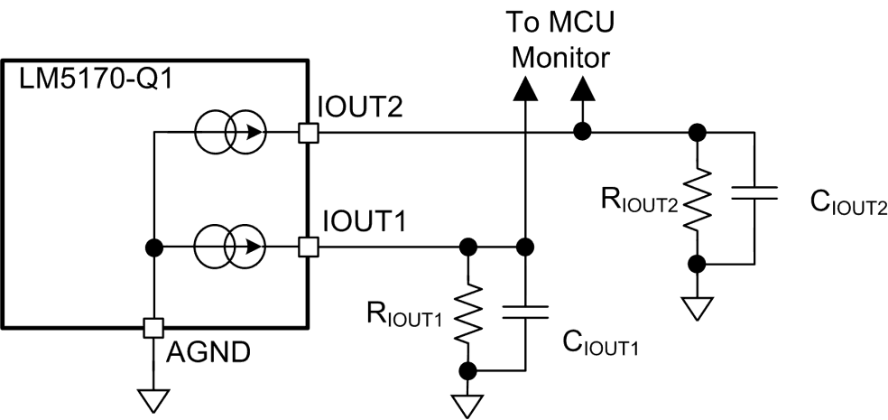
IOUT1/ IOUT2
Maximum VIOUT at VRCS = 50mV | 3 | V
Calculated IOUT Resistor (RIOUT1, RIOUT2) | 10.91 | kΩ
Selected IOUT Resistor (RIOUT1, RIOUT2) | 11 | kΩ
VIOUT at Full Load (VRCS = 50mV) | 3.025 | V
VIOUT at No Load (VRCS = 0mV) | 0.275 | V
Calculated IOUT Capacitance (CIOUT1, CIOUT2) | 9.09 | nF
Selected IOUT Capacitance (CIOUT1, CIOUT2) | 9.1 | nF
Delta VIOUT at Full Load | 1.7 | mV
RIOUT CIOUT Corner Frequency | 1.59 | kHz

9. MOSFET Dead Time Selection

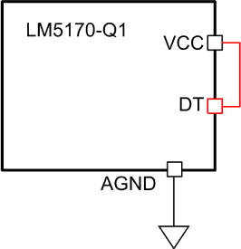
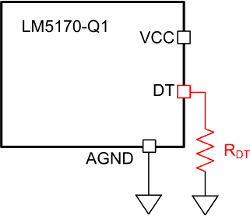
DT |  |  | Adaptive Dead Time |  |  | Programmed Dead Time
Dead Time Configuration | Programed
Selected Programmed Dead Time | 55 | ns
Calculated Dead Time Resistor (RDT) | 9.75 | kΩ
Selected Dead Time Resistor (RDT) | 10 | kΩ
LO falling to HO rising Dead-Time | 56 | ns
HO falling to LO rising Dead-Time | 56 | ns

Inner Current Loop
 | Gain |  | FPPlant |  | Fzcomp |  | Fpcomp |  | Phase
1 | 91.871677982 | 1388.3729078 | 28.951605416 | 1410.9480771 | 28.810362313 | 132629.11924 | -13.685767688 | 1 | 89.998912255
2 | 85.851077853 |  |  |  |  |  |  | 2 | 89.997824512
3 | 82.329252313 |  |  |  |  |  |  | 3 | 89.996736773
4 | 79.830477079 |  |  |  |  |  |  | 4 | 89.99564904
5 | 77.892276173 |  |  |  |  |  |  | 5 | 89.994561316
6 | 76.308650462 |  |  |  |  |  |  | 6 | 89.993473601
7 | 74.969713737 |  |  |  |  |  |  | 7 | 89.992385898
8 | 73.809873721 |  |  |  |  |  |  | 8 | 89.99129821
9 | 72.786822052 |  |  |  |  |  |  | 9 | 89.990210538
10 | 71.871670878 |  |  |  |  |  |  | 10 | 89.989122884
20 | 65.851049441 |  |  |  |  |  |  | 20 | 89.97824779
30 | 62.329188402 |  |  |  |  |  |  | 30 | 89.967376738
40 | 59.8303635 |  |  |  |  |  |  | 40 | 89.956511745
50 | 57.892098788 |  |  |  |  |  |  | 50 | 89.945654819
60 | 56.308395172 |  |  |  |  |  |  | 60 | 89.934807963
70 | 54.96936649 |  |  |  |  |  |  | 70 | 89.923973167
80 | 53.809420523 |  |  |  |  |  |  | 80 | 89.913152411
90 | 52.786248972 |  |  |  |  |  |  | 90 | 89.90234766
100 | 51.870964059 |  |  |  |  |  |  | 100 | 89.891560863
200 | 45.848264885 |  |  |  |  |  |  | 200 | 89.785093816
300 | 42.32307709 |  |  |  |  |  |  | 300 | 89.682378422
400 | 39.819860377 |  |  |  |  |  |  | 400 | 89.584847364
500 | 37.876361138 |  |  |  |  |  |  | 500 | 89.493495978
600 | 36.286816023 |  |  |  |  |  |  | 600 | 89.408862432
700 | 34.941566289 |  |  |  |  |  |  | 700 | 89.331067796
800 | 33.77522307 |  |  |  |  |  |  | 800 | 89.259895013
900 | 32.745648311 |  |  |  |  |  |  | 900 | 89.19488397
1000 | 31.82408824 |  |  |  |  |  |  | 1000 | 89.135424213
2000 | 25.756069289 |  |  |  |  |  |  | 2000 | 88.71104034
3000 | 22.212023265 |  |  |  |  |  |  | 3000 | 88.363776051
4000 | 19.70179644 |  |  |  |  |  |  | 4000 | 88.002605737
5000 | 17.756321426 |  |  |  |  |  |  | 5000 | 87.62383376
6000 | 16.167091969 |  |  |  |  |  |  | 6000 | 87.232544156
7000 | 14.823176741 |  |  |  |  |  |  | 7000 | 86.832870749
8000 | 13.658498556 |  |  |  |  |  |  | 8000 | 86.427550166
9000 | 12.630502696 |  |  |  |  |  |  | 9000 | 86.018367946
10000 | 11.7101667 |  |  |  |  |  |  | 10000 | 85.606516874
20000 | 5.6160349447 |  |  |  |  |  |  | 20000 | 81.449198794
30000 | 1.9771833946 |  |  |  |  |  |  | 30000 | 77.341307371
40000 | -0.67994039919 |  |  |  |  |  |  | 40000 | 73.351640414
50000 | -2.8135042741 |  |  |  |  |  |  | 50000 | 69.517489306
60000 | -4.6245210002 |  |  |  |  |  |  | 60000 | 65.863859244
70000 | -6.2176745148 |  |  |  |  |  |  | 70000 | 62.406529395
80000 | -7.6534583318 |  |  |  |  |  |  | 80000 | 59.153543512
90000 | -8.9694106888 |  |  |  |  |  |  | 90000 | 56.106600113
100000 | -10.190118187 |  |  |  |  |  |  | 100000 | 53.262451464
200000 | -19.376109025 |  |  |  |  |  |  | 200000 | 33.823539667
300000 | -25.599049146 |  |  |  |  |  |  | 300000 | 24.07079105
400000 | -30.268313786 |  |  |  |  |  |  | 400000 | 18.522775832
500000 | -33.983935143 |  |  |  |  |  |  | 500000 | 15.004412735
...
10. Current Loop Compensation

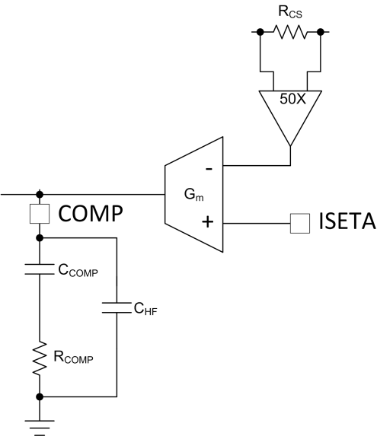
COMP1/COMP2
Path Resistance | 40 | mΩ
Current Loop Power Plant Pole Location (FPplant) | 1.388 | kHz
Suggested Loop Crossover Frequency (FCO) | 40 | kHz
Selected Loop Crossover Frequency (FCO) | 40 | kHz
Calculated RCOMP1, RCOMP2 | 2.462 | kΩ
Selected RCOMP1, RCOMP2 | 2.4 | kΩ
Calculated CCOMP1, CCOMP2 | 46.55 | nF
Selected CCOMP1, CCOMP2 | 47 | nF
Calculated CHF1, CHF2 | 0.47 | nF
Selected CHF1, CHF2 | 0.5 | nF
Compensation Zero Location (FZcomp) | 1.411 | kHz
Compensation Pole Location (FPcomp) | 132.6 | kHz

Buck Mode Voltage Loop
 | Gain |  | FPPlant |  | Fzcomp |  | Fpcomp |  | Phase
1 | 77.237321713 | 218.45 | 27.225641723 | 497.35919716 | 16.869121968 | 1989.4367886 | 1.6474066643 | 1 | 89.778949043
2 | 71.216362767 |  |  |  |  |  |  | 2 | 89.55791752
3 | 67.693939283 |  |  |  |  |  |  | 3 | 89.336924859
4 | 65.194327107 |  |  |  |  |  |  | 4 | 89.11599047
5 | 63.255050441 |  |  |  |  |  |  | 5 | 88.895133742
6 | 61.670110381 |  |  |  |  |  |  | 6 | 88.674374033
7 | 60.329620999 |  |  |  |  |  |  | 7 | 88.453730662
8 | 59.16799035 |  |  |  |  |  |  | 8 | 88.233222903
9 | 58.142910454 |  |  |  |  |  |  | 9 | 88.012869976
10 | 57.225493891 |  |  |  |  |  |  | 10 | 87.792691039
20 | 51.169305077 |  |  |  |  |  |  | 20 | 85.604628041
30 | 47.588994552 |  |  |  |  |  |  | 30 | 83.45431186
40 | 45.010028591 |  |  |  |  |  |  | 40 | 81.358821333
50 | 42.971497517 |  |  |  |  |  |  | 50 | 79.333261441
60 | 41.269258367 |  |  |  |  |  |  | 60 | 77.390373737
70 | 39.795478146 |  |  |  |  |  |  | 70 | 75.540322897
80 | 38.486723547 |  |  |  |  |  |  | 80 | 73.790651386
90 | 37.302867988 |  |  |  |  |  |  | 90 | 72.146377459
100 | 36.217158159 |  |  |  |  |  |  | 100 | 70.610202054
200 | 28.320801504 |  |  |  |  |  |  | 200 | 60.721616542
300 | 23.199468221 |  |  |  |  |  |  | 300 | 57.48743658
400 | 19.548141063 |  |  |  |  |  |  | 400 | 57.034533615
500 | 16.805351324 |  |  |  |  |  |  | 500 | 57.477416302
600 | 14.654151194 |  |  |  |  |  |  | 600 | 58.050848899
700 | 12.903603797 |  |  |  |  |  |  | 700 | 58.472821576
800 | 11.433984937 |  |  |  |  |  |  | 800 | 58.659539238
900 | 10.167513432 |  |  |  |  |  |  | 900 | 58.606151909
1000 | 9.0519897087 |  |  |  |  |  |  | 1000 | 58.337179351
2000 | 1.5862633987 |  |  |  |  |  |  | 2000 | 50.045558936
3000 | -3.4365886077 |  |  |  |  |  |  | 3000 | 41.077095987
4000 | -7.4272834193 |  |  |  |  |  |  | 4000 | 34.495436047
5000 | -10.73233011 |  |  |  |  |  |  | 5000 | 29.881675655
6000 | -13.534087396 |  |  |  |  |  |  | 6000 | 26.610578635
7000 | -15.951938977 |  |  |  |  |  |  | 7000 | 24.237474366
8000 | -18.069002764 |  |  |  |  |  |  | 8000 | 22.472863089
9000 | -19.945090784 |  |  |  |  |  |  | 9000 | 21.128012668
10000 | -21.624416826 |  |  |  |  |  |  | 10000 | 20.07705003
20000 | -32.407983835 |  |  |  |  |  |  | 20000 | 14.825977284
30000 | -38.380851677 |  |  |  |  |  |  | 30000 | 9.7585882083
40000 | -42.613115276 |  |  |  |  |  |  | 40000 | 3.1919212553
50000 | -46.054849122 |  |  |  |  |  |  | 50000 | -4.0463071539
60000 | -49.067629213 |  |  |  |  |  |  | 60000 | -11.227023937
70000 | -51.80210855 |  |  |  |  |  |  | 70000 | -17.937194321
80000 | -54.326201472 |  |  |  |  |  |  | 80000 | -24.001170712
90000 | -56.674635272 |  |  |  |  |  |  | 90000 | -29.384279152
100000 | -58.868781265 |  |  |  |  |  |  | 100000 | -34.123287416
200000 | -74.962282409 |  |  |  |  |  |  | 200000 | -59.828370559
300000 | -85.133110136 |  |  |  |  |  |  | 300000 | -69.612730764
400000 | -92.489821104 |  |  |  |  |  |  | 400000 | -74.639431305
500000 | -98.239593734 |  |  |  |  |  |  | 500000 | -77.685858529
...
11. Buck Mode Voltage Loop Compensation

Buck Mode Type II Compensation
Selected Reference Voltage (VREF) | 3.3 | V
Selected Bottom Feedback Resistor(RFB_Bottom) | 5 | kΩ
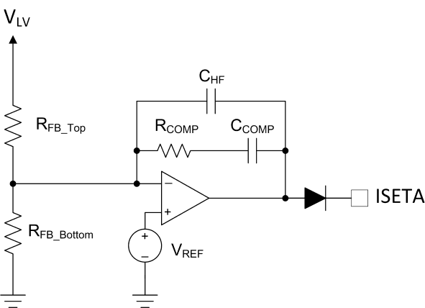
Suggested Top Feedback Resistor (RFB_Top) | 32.878787879 | kΩ
Selected Resistor Top Feedback Resistor (RFB_Top) | 25 | kΩ
Suggested Crossover Frequency | 4 | kHz
Selected Crossover Frequency | 4 | kHz
Calculated RCOMP Buck | 16.179 | kΩ
Selected RCOMP Buck | 16 | kΩ
Calculated CCOMP Buck | 45.03 | nF
Selected CCOMP Buck | 20 | nF
Calculated CHF Buck | 0.378 | nF
Selected CHF Buck | 5 | nF
Compensation Zero Location (FZcomp) | 0.497 | kHz
Compensation Pole Location (FPcomp) | 1.99 | kHz

Boost Mode Voltage Loop
 | Gain |  | FPPlant |  | Fzcomp |  | Fpcomp |  | FRHPZERO |  | Phase
1 | 76.784427787 | 80.825745609 | 36.386084561 | 169.31 | 27.703422435 | 265258.23849 | -30.122443534 | 35797.768355 | -16.44230989 | 1 | 89.608890722
2 | 70.762167517 |  |  |  |  |  |  |  |  | 2 | 89.21799497
3 | 67.237577257 |  |  |  |  |  |  |  |  | 3 | 88.827525819
4 | 64.734935992 |  |  |  |  |  |  |  |  | 4 | 88.437695442
5 | 62.791772302 |  |  |  |  |  |  |  |  | 5 | 88.048714667
6 | 61.202092889 |  |  |  |  |  |  |  |  | 6 | 87.660792533
7 | 59.856018632 |  |  |  |  |  |  |  |  | 7 | 87.274135868
8 | 58.68796558 |  |  |  |  |  |  |  |  | 8 | 86.888948862
9 | 57.655634901 |  |  |  |  |  |  |  |  | 9 | 86.505432669
10 | 56.730149446 |  |  |  |  |  |  |  |  | 10 | 86.123785007
20 | 50.551262108 |  |  |  |  |  |  |  |  | 20 | 82.450427865
30 | 46.78444223 |  |  |  |  |  |  |  |  | 30 | 79.144120558
40 | 43.976680949 |  |  |  |  |  |  |  |  | 40 | 76.307517754
50 | 41.689181144 |  |  |  |  |  |  |  |  | 50 | 73.97975898
60 | 39.736939839 |  |  |  |  |  |  |  |  | 60 | 72.149421765
70 | 38.026628871 |  |  |  |  |  |  |  |  | 70 | 70.772746483
80 | 36.504520426 |  |  |  |  |  |  |  |  | 80 | 69.790080231
90 | 35.136058842 |  |  |  |  |  |  |  |  | 90 | 69.137663648
100 | 33.89688129 |  |  |  |  |  |  |  |  | 100 | 68.754736543
200 | 25.81941597 |  |  |  |  |  |  |  |  | 200 | 71.303145366
300 | 21.498824854 |  |  |  |  |  |  |  |  | 300 | 75.399824224
400 | 18.655446897 |  |  |  |  |  |  |  |  | 400 | 78.368899486
500 | 16.551832884 |  |  |  |  |  |  |  |  | 500 | 80.431828301
600 | 14.884678971 |  |  |  |  |  |  |  |  | 600 | 81.895606663
700 | 13.504253653 |  |  |  |  |  |  |  |  | 700 | 82.959059128
800 | 12.326352586 |  |  |  |  |  |  |  |  | 800 | 83.744417275
900 | 11.29899934 |  |  |  |  |  |  |  |  | 900 | 84.328961116
1000 | 10.387853099 |  |  |  |  |  |  |  |  | 1000 | 84.763693653
2000 | 4.5003585571 |  |  |  |  |  |  |  |  | 2000 | 85.461131244
3000 | 1.0783809099 |  |  |  |  |  |  |  |  | 3000 | 84.14097361
4000 | -1.3492329228 |  |  |  |  |  |  |  |  | 4000 | 82.43831171
5000 | -3.2243449985 |  |  |  |  |  |  |  |  | 5000 | 80.635935904
6000 | -4.7441101003 |  |  |  |  |  |  |  |  | 6000 | 78.803014469
7000 | -6.0147196761 |  |  |  |  |  |  |  |  | 7000 | 76.961329026
8000 | -7.1001937064 |  |  |  |  |  |  |  |  | 8000 | 75.119272703
9000 | -8.0422175002 |  |  |  |  |  |  |  |  | 9000 | 73.280700568
10000 | -8.8695223097 |  |  |  |  |  |  |  |  | 10000 | 71.447692833
20000 | -13.698924591 |  |  |  |  |  |  |  |  | 20000 | 53.599377842
30000 | -15.749752807 |  |  |  |  |  |  |  |  | 30000 | 36.865023568
40000 | -16.831525963 |  |  |  |  |  |  |  |  | 40000 | 21.410094437
50000 | -17.568545952 |  |  |  |  |  |  |  |  | 50000 | 7.3325185084
60000 | -18.204522423 |  |  |  |  |  |  |  |  | 60000 | -5.327805061
70000 | -18.827341008 |  |  |  |  |  |  |  |  | 70000 | -16.60921131
80000 | -19.461397929 |  |  |  |  |  |  |  |  | 80000 | -26.616285414
90000 | -20.107700677 |  |  |  |  |  |  |  |  | 90000 | -35.489714499
100000 | -20.760460671 |  |  |  |  |  |  |  |  | 100000 | -43.378799667
200000 | -26.823927004 |  |  |  |  |  |  |  |  | 200000 | -91.088037191
300000 | -31.697925968 |  |  |  |  |  |  |  |  | 300000 | -114.2796042
400000 | -35.673796744 |  |  |  |  |  |  |  |  | 400000 | -128.196574
500000 | -38.999624088 |  |  |  |  |  |  |  |  | 500000 | -137.42267484
...
12. Boost Mode Voltage Loop Compensation

Boost Mode Type II Compensation
Selected Reference Voltage (VREF) | 3.3 | V
Selected Bottom Feedback Resistor(RFB_Bottom) | 1 | kΩ

Suggested Top Feedback Resistor (RFB_Top) | 14.151515152 | kΩ
Selected Resistor Top Feedback Resistor (RFB_Top) | 14 | kΩ
Suggested Crossover Frequency | 7.160 | kHz
Selected Crossover Frequency | 5.500 | kHz
Calculated RCOMP Boost | 31.77 | kΩ
Selected RCOMP Boost | 20 | kΩ
Calculated CCOMP Boost | 61.980 | nF
Selected CCOMP Boost | 47 | nF
Calculated CHF Boost | 0.0250 | nF
Selected CHF Boost | 0.03 | nF
Compensation Zero Location (FZcomp) | 0.169 | kHz
Compensation Pole Location (FPcomp) | 265.26 | kHz

Licenses
About this tool...
© Copyright 2023 Texas Instruments Incorporated. All rights reserved.

Version Number | 1.1.0

IMPORTANT NOTICE AND DISCLAIMER
TI PROVIDES TECHNICAL AND RELIABILITY DATA (INCLUDING DATA SHEETS), DESIGN RESOURCES (INCLUDING REFERENCE DESIGNS), APPLICATION OR OTHER DESIGN ADVICE, WEB TOOLS, SAFETY INFORMATION, AND OTHER RESOURCES “AS IS” AND WITH ALL FAULTS, AND DISCLAIMS ALL WARRANTIES, EXPRESS AND IMPLIED, INCLUDING WITHOUT LIMITATION ANY IMPLIED WARRANTIES OF MERCHANTABILITY, FITNESS FOR A PARTICULAR PURPOSE OR NON-INFRINGEMENT OF THIRD PARTY INTELLECTUAL PROPERTY RIGHTS.
These resources are intended for skilled developers designing with TI products. You are solely responsible for (1) selecting the appropriate TI products for your application, (2) designing, validating and testing your application, and (3) ensuring your application meets applicable standards, and any other safety, security, regulatory or other requirements.
These resources are subject to change without notice. TI grants you permission to use these resources only for development of an application that uses the TI products described in the resource. Other reproduction and display of these resources is prohibited. No license is granted to any other TI intellectual property right or to any third party intellectual property right. TI disclaims responsibility for, and you will fully indemnify TI and its representatives against, any claims, damages, costs, losses, and liabilities arising out of your use of these resources.
TI’s products are provided subject to TI’s Terms of Sale or other applicable terms available either on ti.com or provided in conjunction with such TI products. TI’s provision of these resources does not expand or otherwise alter TI’s applicable warranties or warranty disclaimers for TI products.
TI objects to and rejects any additional or different terms you may have proposed.
Mailing Address: Texas Instruments, Post Office Box 655303, Dallas, Texas 75265
Copyright © 2023, Texas Instruments Incorporated

IMPORTANT:
1. Do not delete this worksheet!
2. Redistributions must retain the above copyright and the following disclaimer.

Version History
Version | Change List Description
1.0.0 | Initial Release
1.1.0 | Recommended ramp resistor changed; slight change of ROVPA and ROVPB

