WITHOUT AUCTIONS
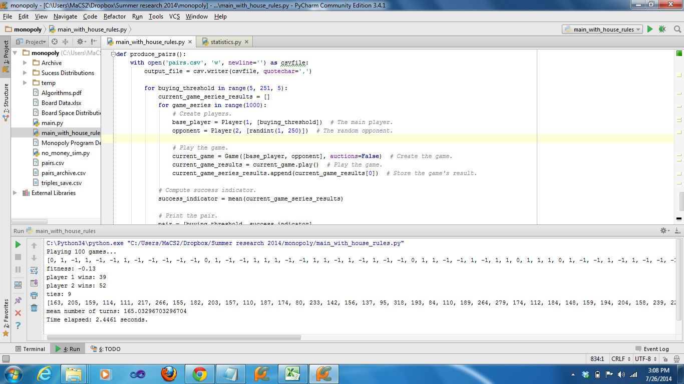
5 | -0.054
10 | -0.071
15 | -0.018
20 | -0.002
25 | 0.003
30 | 0.006
35 | 0.015
40 | -0.036
45 | -0.042
50 | -0.018
55 | 0.037
60 | -0.045
65 | 0.018
70 | -0.038
75 | 0.011
80 | 0.008
85 | -0.029
90 | 0.037
95 | 0.004
100 | 0.031
105 | 0.014
110 | 0.01
115 | 0.049
120 | 0.029
125 | -0.028
130 | -0.029
135 | -0.024
140 | 0.042
145 | 0.018
150 | -0.028
155 | 0.026
160 | -0.031
165 | 0.053
170 | 0.043
175 | -0.012
180 | -0.035
185 | -0.015
190 | 0.01
195 | 0.028
200 | -0.021
205 | 0.014
210 | 0.03
215 | -0.01
220 | -0.022
225 | 0.035
230 | 0.017
235 | -0.054
240 | -0.048
245 | -0.061
250 | -0.009

WITH AUCTIONS
5 | 0.041
10 | 0.013
15 | 0.028
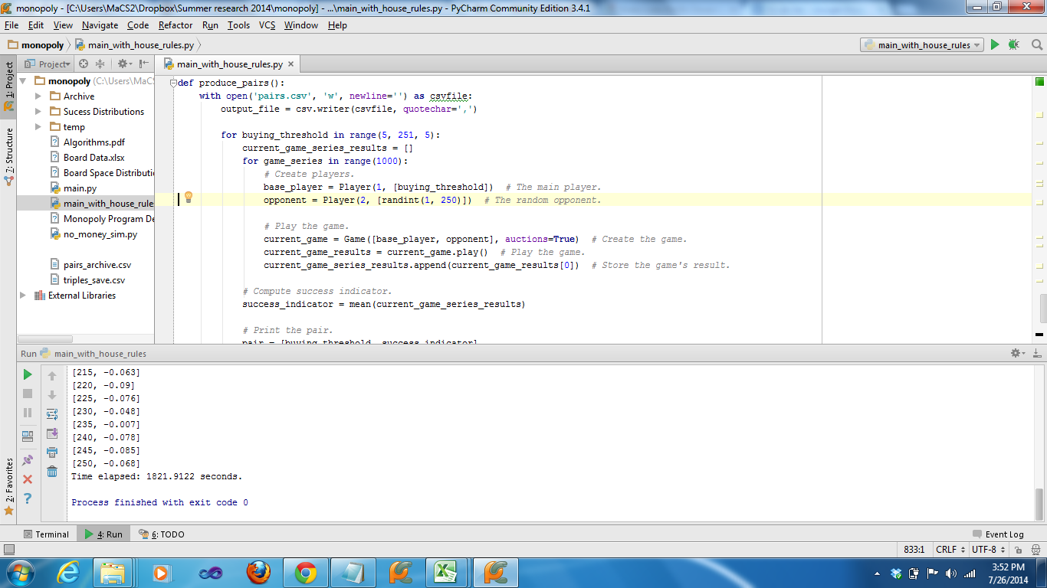
20 | 0.03
25 | 0.042
30 | -0.054
35 | 0.062
40 | -0.001
45 | 0.047
50 | 0.053
55 | 0.055
60 | -0.004
65 | 0.035
70 | 0.031
75 | 0.014
80 | 0.01
85 | 0.013
90 | 0.034
95 | 0.028
100 | 0.06
105 | -0.02
110 | -0.006
115 | -0.022
120 | -0.021
125 | 0.006
130 | -0.004
135 | 0.028
140 | 0.014
145 | -0.05
150 | -0.003
155 | -0.039
160 | -0.009
165 | 0.019
170 | -0.03
175 | -0.011
180 | -0.036
185 | -0.008
190 | -0.086
195 | -0.039
200 | -0.005
205 | -0.019
210 | -0.057
215 | -0.063
220 | -0.09
225 | -0.076
230 | -0.048
235 | -0.007
240 | -0.078
245 | -0.085
250 | -0.068

Hill Climb2
C:\Python34\python.exe "C:/Users/MaCS2/Dropbox/Summer research 2014/monopoly/main_with_house_rules.py"
50 | 0.123
45 | 0.125
50 | 0.1187
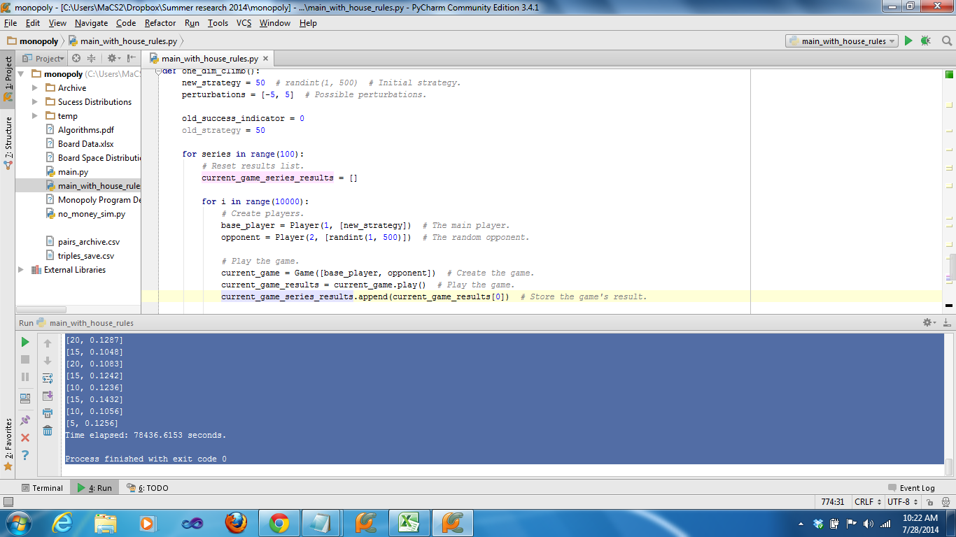
55 | 0.119
60 | 0.1195
65 | 0.1048
70 | 0.1039
65 | 0.1253
70 | 0.1122
65 | 0.1042
70 | 0.1159
65 | 0.1198
70 | 0.1154
75 | 0.104
80 | 0.1214
75 | 0.1203
70 | 0.1215
65 | 0.1179
60 | 0.1003
55 | 0.1249
50 | 0.1218
55 | 0.1266
60 | 0.1005
55 | 0.103
60 | 0.1159
65 | 0.1273
70 | 0.1114
65 | 0.1232
60 | 0.126
65 | 0.1221
60 | 0.1173
65 | 0.1187
60 | 0.1153
55 | 0.1145
60 | 0.1133
55 | 0.1253
60 | 0.126
65 | 0.1287
70 | 0.1172
65 | 0.1125
70 | 0.1259
75 | 0.1104
70 | 0.1105
65 | 0.1234
60 | 0.1139
55 | 0.1221
50 | 0.1144
45 | 0.1051
40 | 0.1292
45 | 0.1211
50 | 0.1313
55 | 0.1251
50 | 0.1197
55 | 0.1168
50 | 0.0997
45 | 0.1102
50 | 0.1131
45 | 0.1119
50 | 0.1116
45 | 0.1381
50 | 0.1224
45 | 0.1168
40 | 0.103
45 | 0.1309
40 | 0.1348
35 | 0.1383
40 | 0.1253
35 | 0.1199
30 | 0.1053
35 | 0.1011
30 | 0.1271
25 | 0.1115
20 | 0.1176
15 | 0.0985
10 | 0.1171
15 | 0.1114
10 | 0.1208
5 | 0.1307
10 | 0.1137
15 | 0.1225
10 | 0.1109
15 | 0.1056
10 | 0.1155
15 | 0.132
20 | 0.1259
25 | 0.1346
20 | 0.1302
25 | 0.1102
20 | 0.114
25 | 0.1189
30 | 0.1131
25 | 0.1198
20 | 0.1287
15 | 0.1048
20 | 0.1083
15 | 0.1242
10 | 0.1236
15 | 0.1432
10 | 0.1056
5 | 0.1256
Time elapsed: 78436.6153 seconds.

Process finished with exit code 0

