Dashboard
Revenue
 | revenue (k, R$) | average ticket (k, R$)
Sep-20 | 259 | 51.9
Oct-20 | 1,676 | 47.9
Nov-20 | 2,279 | 51.8
Dec-20 | 2,603 | 78.9
Jan-21 | 2,297 | 71.8
Feb-21 | 3,631 | 53.4
Mar-21 | 7,911 | 66.5
Apr-21 | 7,478 | 52.7
May-21 | 21,508 | 54.6
Jun-21 | 33,179 | 56.3
Jul-21 | 58,988 | 55.0
Aug-21 | 68,274 | 54.4
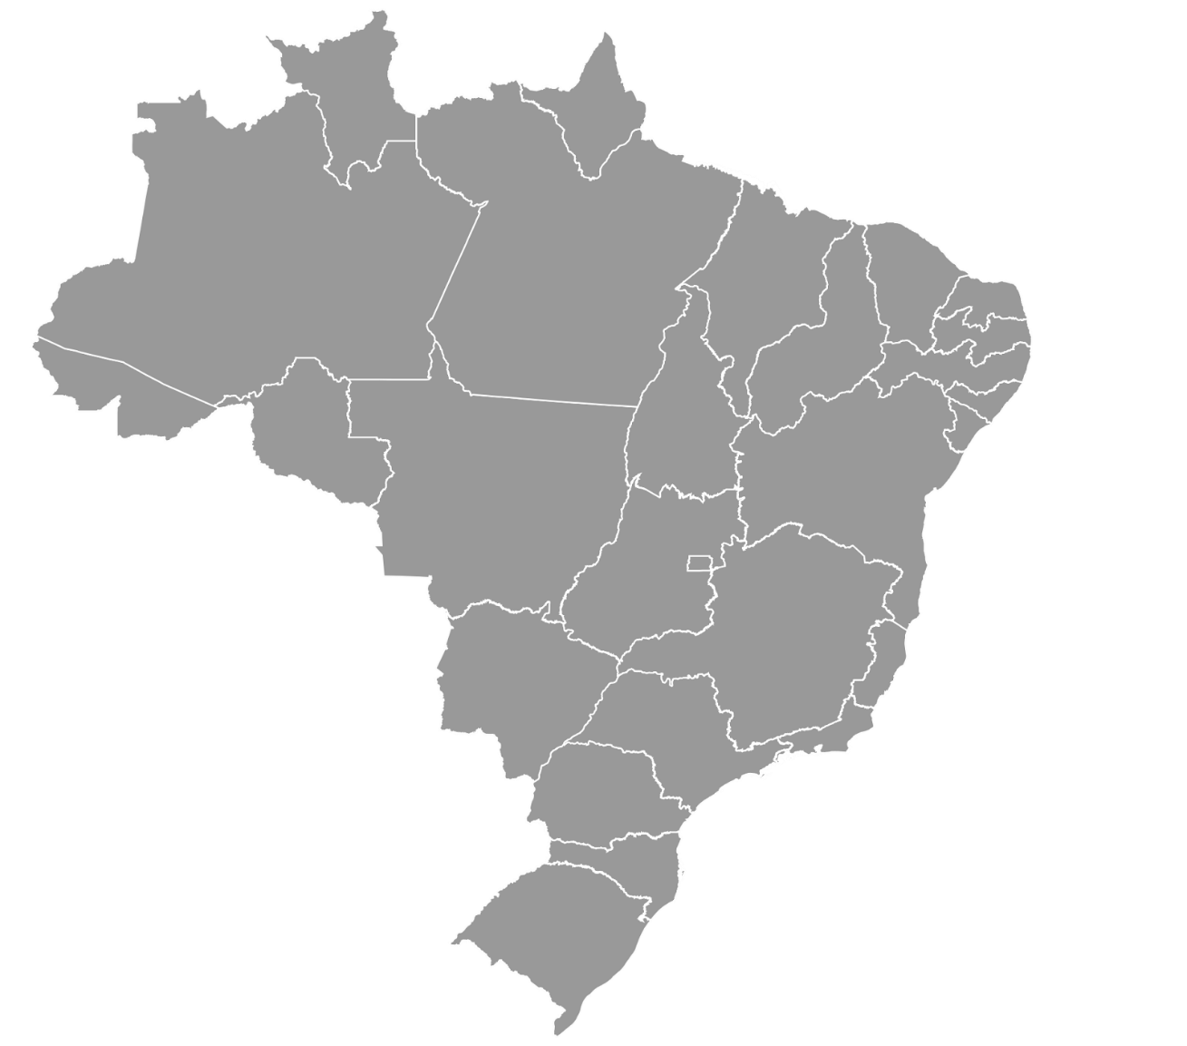
 | country
57 | 25
68 | 35
55 | 12
47 | 5
73 | 25

Best Selling States

Leads
 | leads | conversion (%)
Sep-20 | 26 | 19%
Oct-20 | 931 | 4%
Nov-20 | 1,207 | 4%
Dec-20 | 1,008 | 3%
Jan-21 | 1,058 | 3%
Feb-21 | 1,300 | 5%
Mar-21 | 1,932 | 6%
Apr-21 | 2,376 | 6%
May-21 | 3,819 | 10%
Jun-21 | 4,440 | 13%
Jul-21 | 6,130 | 18%
Aug-21 | 6,353 | 20%

734 - SP
142 - MG
110 - SC
98 - RS
66 - RJ

TOP 5 - Best Selling Brands
 | sales
FIAT | 248
CHEVROLET | 237
VOLKSWAGEN | 193
FORD | 136
RENAULT | 108
TOP 5 - Best Selling Stores
 | sales
KIYOKO CILEIDI JERY LTDA | 18
CLAUDINEO JOZENAIDE LUYANE LTDA | 15
ADO JUBERTH VALTUIDES LTDA | 10
GERRIVALDO ROSIELEN VALTEIDE LTDA | 10
NILFA CID SILVANDRO LTDA | 10
Visits in the Website by Day of Week
 | visits
sunday | 67
monday | 1301
tuesday | 1238
wednesday | 1038
thursday | 1076
friday | 956
saturday | 677

Queries
-- (Query 1) Revenue, leads, Conversion and Average Tickets month by month
-- Columns: month, leads (#), sales (#), revenue (k, R$), conversion (%), average ticket (k, R$)
WITH
leads AS(
--Months, Leads
SELECT
DATE_TRUNC('month', visit_page_date)::date AS visit_page_month,
COUNT (*) AS visit_page_count
FROM sales.funnel
GROUP BY visit_page_month
ORDER BY visit_page_month
),
payments AS (
--Sales/Revenue
SELECT
DATE_TRUNC('month', fun.paid_date)::date AS paid_month,
COUNT(fun.paid_date) AS paid_count,
SUM(pro.price * (1 + fun.discount)) AS revenue
FROM sales.funnel as fun
LEFT JOIN sales.products as pro
ON fun.product_id = pro.product_id
WHERE fun.paid_date IS NOT NULL
GROUP BY paid_month
ORDER BY paid_month
)
--Conversion into Sale, Average Ticket
SELECT
leads.visit_page_month AS "month",
leads.visit_page_count AS "leads",
payments.paid_count AS "sales",
(payments.revenue/1000) AS "revenue (k, R$)",
(payments.paid_count::float/leads.visit_page_count::float) AS "conversion (%)",
(payments.revenue/payments.paid_count/1000) AS "average ticket (k, R$)"
FROM leads
LEFT JOIN payments
ON leads.visit_page_month = paid_month
-- (Query 2) Best Selling States
-- Columns: country, state, sales
SELECT
'Brazil' AS country,
cus.state AS states,
COUNT(fun.paid_date) AS "sales"
FROM sales.funnel as fun
LEFT JOIN sales.customers AS cus
ON fun.customer_id = cus.customer_id
WHERE paid_date BETWEEN '2021-08-01' AND '2021-08-31'
GROUP BY country, states
ORDER BY "sales" DESC
LIMIT 5
-- (Query 3) Best Selling Brands
-- Columns: brand, sales
SELECT
pro.brand AS marca,
COUNT(fun.paid_date) AS "vendas (#)"
FROM sales.funnel AS fun
LEFT JOIN sales.products AS pro
ON fun.product_id = pro.product_id
WHERE paid_date BETWEEN '2021-08-01' AND '2021-08-31'
GROUP BY marca
ORDER BY "vendas (#)" DESC
LIMIT 5
-- (Query 4) Best Selling Stores
-- Columns: store, sales (
SELECT
sto.store_name AS store,
COUNT(fun.paid_date) AS "sales"
FROM sales.funnel AS fun
LEFT JOIN sales.stores AS sto
ON fun.store_id = sto.store_id
WHERE paid_date BETWEEN '2021-08-01' AND '2021-08-31'
GROUP BY store
ORDER BY "sales" DESC
LIMIT 5

-- (Query 5) Days of the Week with the Highest Number of Visits in the Website
-- Columns: day_week(int), day of week(varchar), visits
SELECT
EXTRACT('dow' FROM visit_page_date) AS day_week,
CASE
WHEN EXTRACT('dow' FROM visit_page_date) = 0 then 'sunday'
WHEN EXTRACT('dow' FROM visit_page_date) = 1 then 'monday'
WHEN EXTRACT('dow' FROM visit_page_date) = 2 then 'tuesday'
WHEN EXTRACT('dow' FROM visit_page_date) = 3 then 'wednesday'
WHEN EXTRACT('dow' FROM visit_page_date) = 4 then 'thursday'
WHEN EXTRACT('dow' FROM visit_page_date) = 5 then 'friday'
WHEN EXTRACT('dow' FROM visit_page_date) = 6 then 'saturday'
ELSE NULL
END AS "day of week",
COUNT(*) AS "visits"
FROM sales.funnel
WHERE visit_page_date BETWEEN '2021-08-01' AND '2021-08-31'
GROUP BY day_week
ORDER BY day_week

