Quick Statistics
 |  | 1. Quick Statistics

 |  | Amount | Units
 | Average | 4136.23 | 152.2
 | Median | 3437 | 124.5
 | Min | 0 | 0
 | Max | 16184 | 525
 | Range | 16184 | 525

Quartiles | First Q | 1652 | 54
 |  | (Above values means that the first 1/4th of the values are less than or equal to 1652)
 | Third Q | 6245.75 | 223.5

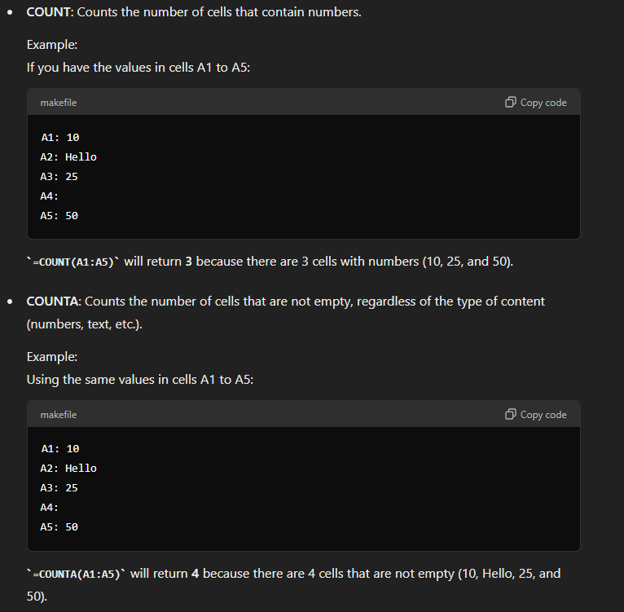
Distinct count of products |  | 70% Dark Bites |  | 22 | countA function used with unique function
 |  | Choco Coated Almonds
 |  | Almond Choco
 |  | Drinking Coco
 |  | White Choc
 |  | Peanut Butter Cubes
 |  | Smooth Sliky Salty
 |  | After Nines
 |  | 50% Dark Bites
 |  | Eclairs
 |  | Mint Chip Choco
 |  | Milk Bars
 |  | Manuka Honey Choco
 |  | Orange Choco
 |  | Fruit & Nut Bars
 |  | 99% Dark & Pure
 |  | Raspberry Choco
 |  | 85% Dark Bars
 |  | Organic Choco Syrup
 |  | Caramel Stuffed Bars
 |  | Spicy Special Slims
 |  | Baker's Choco Chips

Graphs
 | 6. Are there any anamolies in the data?
 | sometimes it may happen that the units are less but the amount is very high or may the amount is less but units are higher

1 | we'll take amount and units column from the main sheet and develop a scattar chart

Amount vs units
 | Units
$1,624 | 114
$6,706 | 459
$959 | 147
$9,632 | 288
$2,100 | 414
$8,869 | 432
$2,681 | 54
$5,012 | 210
$1,281 | 75
$4,991 | 12
$1,785 | 462
$3,983 | 144
$2,646 | 120
$252 | 54
$2,464 | 234
$2,114 | 66
$7,693 | 87
$15,610 | 339
$336 | 144
$9,443 | 162
$8,155 | 90
$1,701 | 234
$2,205 | 141
$1,771 | 204
$2,114 | 186
$10,311 | 231
$21 | 168
$1,974 | 195
$6,314 | 15
$4,683 | 30
$6,398 | 102
$553 | 15
$7,021 | 183
$5,817 | 12
$3,976 | 72
$1,134 | 282
$6,027 | 144
$1,904 | 405
$3,262 | 75
$2,289 | 135
$6,986 | 21
$4,417 | 153
$1,442 | 15
$2,415 | 255
$238 | 18
$4,949 | 189
$5,075 | 21
$9,198 | 36
$3,339 | 75
$5,019 | 156
...

Practice1
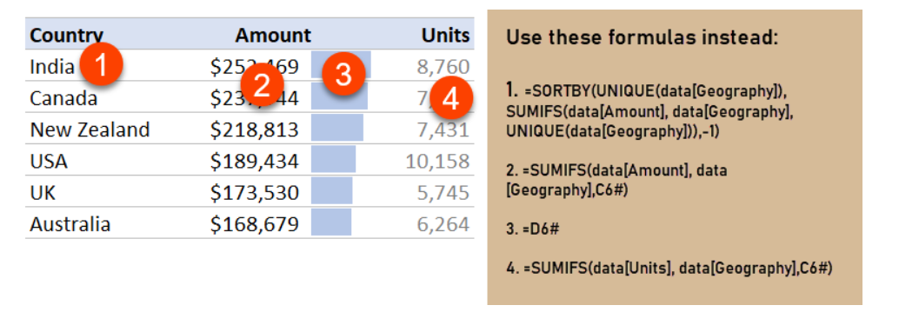
 | 9. Dynamic Country level sales report

 |  | Pick a country | New Zealand

Countries |  | Quick Summary |  |  | By Sales Person
India
USA |  | Number of Transactions |  | 53 |  | Amount | Units
Australia |  |  |  |  | Ram Mahesh | $24,451 | 300 | 1
UK |  |  |  |  | Gigi Bohling | $14,504 | 156 | 1
New Zealand |  |  | Total | Average | Gunar Cockshoot | $16,821 | 1161 | 1
 |  | Sales | $218,813 | $4,129 | Curtice Advani | $26,985 | 1329 | 1
 |  | Cost | $68,923 | $1,300 | Brien Boise | $20,125 | 711 | 1
 |  | Profit | $149,890 | $2,828 | Oby Sorrel | $7,987 | 345 | -1
 |  | Quantity | 7,431 | 140 | Carla Molina | $17,283 | 882 | 1
 |  |  |  |  | Barr Faughny | $25,655 | 453 | 1
 |  |  |  |  | Husein Augar | $21,434 | 1116 | 1
 |  |  |  |  | Ches Bonnell | $43,568 | 978 | 1

Practice2
10. Which products to discontinue? By pivot

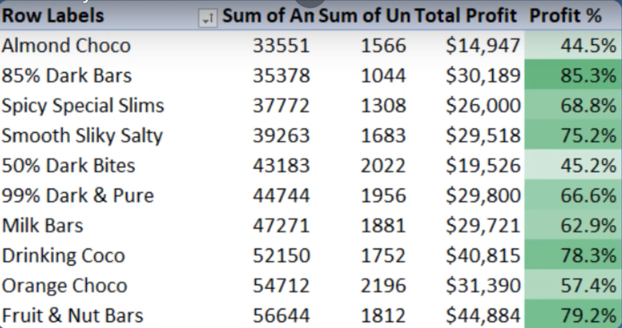

Row Labels | Sum of Amount | Sum of Units | total profit | Profit %
Almond Choco | 33551 | 1566 | $14,947 | 44.5%
85% Dark Bars | 35378 | 1044 | $30,189 | 85.3%
Spicy Special Slims | 37772 | 1308 | $26,000 | 68.8%
Smooth Sliky Salty | 39263 | 1683 | $29,518 | 75.2%
50% Dark Bites | 43183 | 2022 | $19,526 | 45.2%
99% Dark & Pure | 44744 | 1956 | $29,800 | 66.6%
Milk Bars | 47271 | 1881 | $29,721 | 62.9%
Drinking Coco | 52150 | 1752 | $40,815 | 78.3%
Orange Choco | 54712 | 2196 | $31,390 | 57.4%
Fruit & Nut Bars | 56644 | 1812 | $44,884 | 79.2%
White Choc | 57372 | 2106 | $29,678 | 51.7%
Manuka Honey Choco | 58009 | 2976 | $36,701 | 63.3%
Mint Chip Choco | 62111 | 2154 | $43,177 | 69.5%
Eclairs | 63721 | 2331 | $56,472 | 88.6%
After Nines | 66283 | 2052 | $46,235 | 69.8%
70% Dark Bites | 66500 | 2802 | $25,899 | 38.9%
Raspberry Choco | 68971 | 1533 | $50,989 | 73.9%
Peanut Butter Cubes | 69160 | 1854 | $46,226 | 66.8%
Organic Choco Syrup | 69461 | 2982 | $19,572 | 28.2%
Baker's Choco Chips | 70273 | 2142 | $58,278 | 82.9%
Choco Coated Almonds | 71967 | 2301 | $52,063 | 72.3%
Caramel Stuffed Bars | 72373 | 3207 | $39,084 | 54.0%
Grand Total | 1240869 | 45660 | $801,165 | 64.6%

