Povit Table
PLAYERS BY AGE GROUP

Row Labels | Count of Name
19-20 | 3
21-22 | 10
23-24 | 27
25-26 | 23
27-28 | 30
29-30 | 6
31-32 | 1
Grand Total | 100

 | Total
Austria
Azerbaijan
Belgium
Brazil
Canada
China
Czech Republic
Denmark
El Salvador
England
Finland
France
Germany
Guatemala
Hong Kong
India
Indonesia
Ireland
Israel
Italy
Japan | #N/A
Kazakhstan | 87.36
Malaysia | 81.97
Mexico | 78.66
Netherlands | 77.21
Nigeria | 75.97
Norway | 72.78
Singapore | 73.15
South Korea | 70.34
Spain | 68.04
Sri Lanka | 63.59
Taiwan | 74.907
Thailand
Ukraine
USA
Vietnam

PLAYERS BY NATIONALITY

PERFORMANCE TREND

Row Labels | Average of Defense_Rating | Average of Attack_Rating
1-10 | 87.36 | 82.89
11-20 | 81.97 | 81.95
21-30 | 78.66 | 81.9
31-40 | 77.21 | 78.35
41-50 | 75.97 | 78.55
51-60 | 72.78 | 71.56
61-70 | 73.15 | 74.21
71-80 | 70.34 | 68.76
81-90 | 68.04 | 67.53
91-100 | 63.59 | 65.84
Grand Total | 74.907 | 75.154

TOP 10 PLAYERS

Row Labels | Sum of Points
Axelsen Viktor | 98715
Shi Yu Qi | 90984
Ginting Anthony Sinisuka | 85101
Antonsen Anders | 83594
Christie Jonatan | 81531
Naraoka Kodai | 81015
Li Shi Feng | 77998
Vitidsarn Kunlavut | 77948
Prannoy H. S. | 77647
Loh Kean Yew | 69912
Grand Total | 824445

TITLES

Row Labels | Sum of Titles
Lee Zii Jia | 10
Christie Jonatan | 10
Naraoka Kodai | 9
Wang Tzu Wei | 8
Shi Yu Qi | 8
Dwi Wardoyo Chico Aura | 8
Lin Chun-Yi | 8
Srikanth Kidambi | 8
Lee Cheuk Yiu | 8
Yang Brian | 8 |  |  | SLICERS
Nishimoto Kenta | 8
Obayashi Takuma | 8
Grand Total | 101

KPI's CARDS

Count of Name | Average of Win_Percentage | Sum of Titles | Average of Age
100 | 65.689 | 411 | 25.3

100 | 65.689 | 411 | 25.3

Dashboard
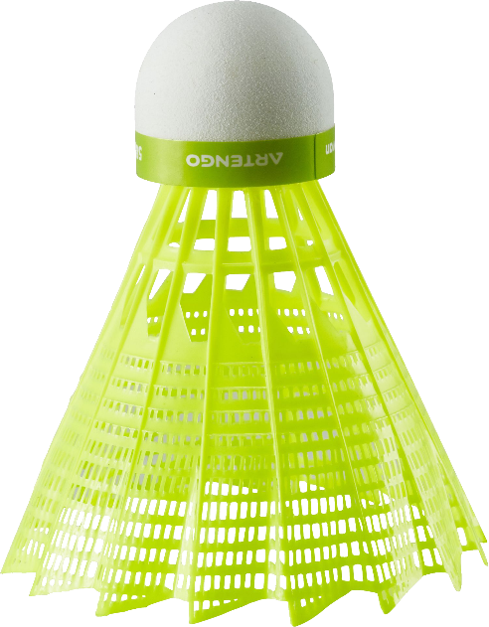
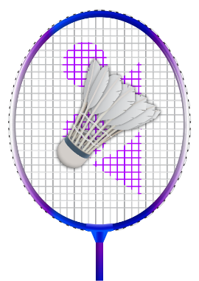


BADMINTON PLAYERS DASHBOARD

TOP 100 PLAYERS ANALYSIS

TOTAL PLAYERS
AVERAGE WIN%
TOTAL TITLES
AVERAGE AGE

100
65.689
%
411
25.3

PLAYERS BY AGE GROUP
 | Total
19-20 | 3
21-22 | 10
23-24 | 27
25-26 | 23
27-28 | 30
29-30 | 6
31-32 | 1
PLAYERS BY NATIONALITY
 | Total
Austria
Azerbaijan
Belgium
Brazil
Canada
China
Czech Republic
Denmark
El Salvador
England
Finland
France
Germany
Guatemala
Hong Kong
India
Indonesia
Ireland
Israel
Italy
Japan | #N/A
Kazakhstan | 87.36
Malaysia | 81.97
Mexico | 78.66
Netherlands | 77.21
Nigeria | 75.97
Norway | 72.78
Singapore | 73.15
South Korea | 70.34
Spain | 68.04
Sri Lanka | 63.59
Taiwan | 74.907
Thailand
Ukraine
USA
Vietnam
TOP 10 PLAYERS BY TITLES
 | Total
Lee Zii Jia | 10
Christie Jonatan | 10
Naraoka Kodai | 9
Wang Tzu Wei | 8
Shi Yu Qi | 8
Dwi Wardoyo Chico Aura | 8
Lin Chun-Yi | 8
Srikanth Kidambi | 8
Lee Cheuk Yiu | 8
Yang Brian | 8
Nishimoto Kenta | 8
Obayashi Takuma | 8

PERFORMANCE TREND
BY
AGE GROUP
 | Average of Defense_Rating | Average of Attack_Rating
1-10 | 87.36 | 82.89
11-20 | 81.97 | 81.95
21-30 | 78.66 | 81.9
31-40 | 77.21 | 78.35
41-50 | 75.97 | 78.55
51-60 | 72.78 | 71.56
61-70 | 73.15 | 74.21
71-80 | 70.34 | 68.76
81-90 | 68.04 | 67.53
91-100 | 63.59 | 65.84
TOP 10 PLAYERS BY POINTS
 | Total
Axelsen Viktor | 98715
Shi Yu Qi | 90984
Ginting Anthony Sinisuka | 85101
Antonsen Anders | 83594
Christie Jonatan | 81531
Naraoka Kodai | 81015
Li Shi Feng | 77998
Vitidsarn Kunlavut | 77948
Prannoy H. S. | 77647
Loh Kean Yew | 69912

