Sheet1
Bug ID | Bug Title | Severity | Priority | Steps | Expected Result | Actual Result
BUG-001 | Numeric values accepted in Full Name | Medium | Medium | Enter 1234 in Full Name | Validation error | User saved
BUG-002 | Phone Number accepts alphabets, special characters, short number | Medium | Medium | Enter abcde, @@@@, 12 | Validation error | User saved
BUG-003 | Blank location fields accepted | Medium | Medium | Leave continent blank | Validation error | User saved
BUG-004 | Username accepts invalid value | Medium | Medium | Enter username = 1 | Validation error | User saved
BUG-005 | Profile changes not retained | High | High | Edit profile and navigate away | Changes remain saved | Changes lost
BUG-006 | Personal info form accepts all fields blank | High | High | Clear all fields and save | Validation error | Saved successfully

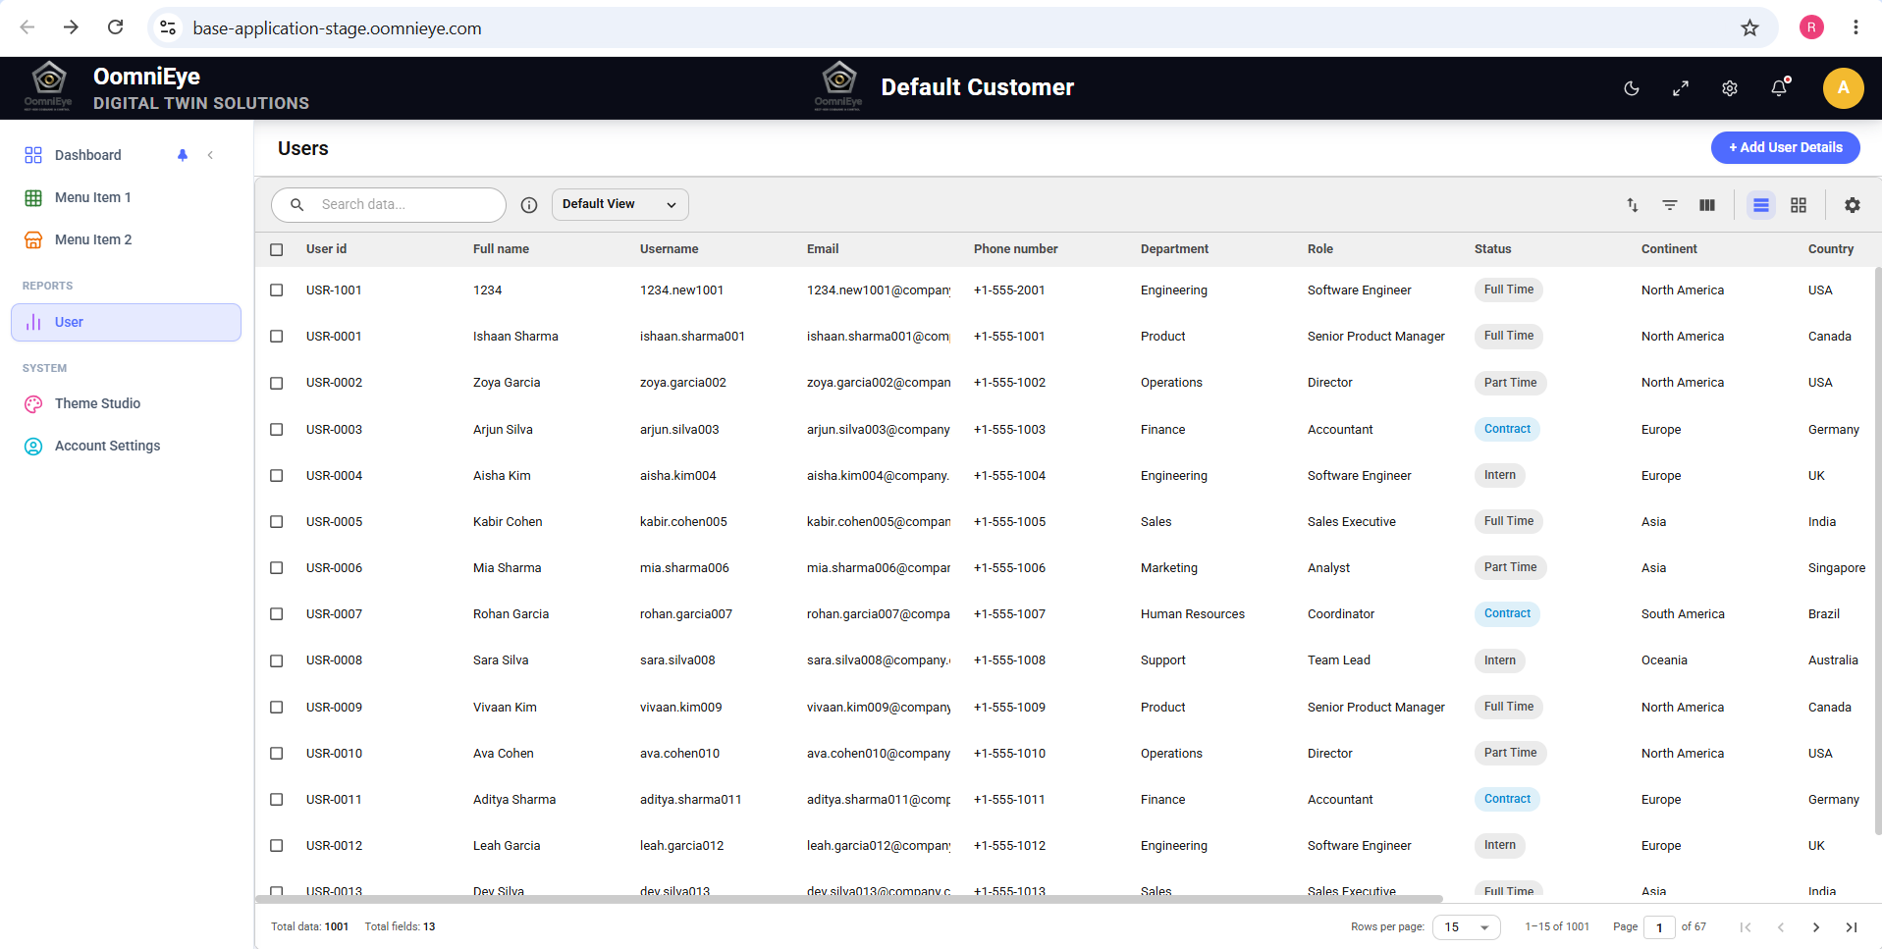

BUG-001 : Numeric Values Accepted in Full_Name

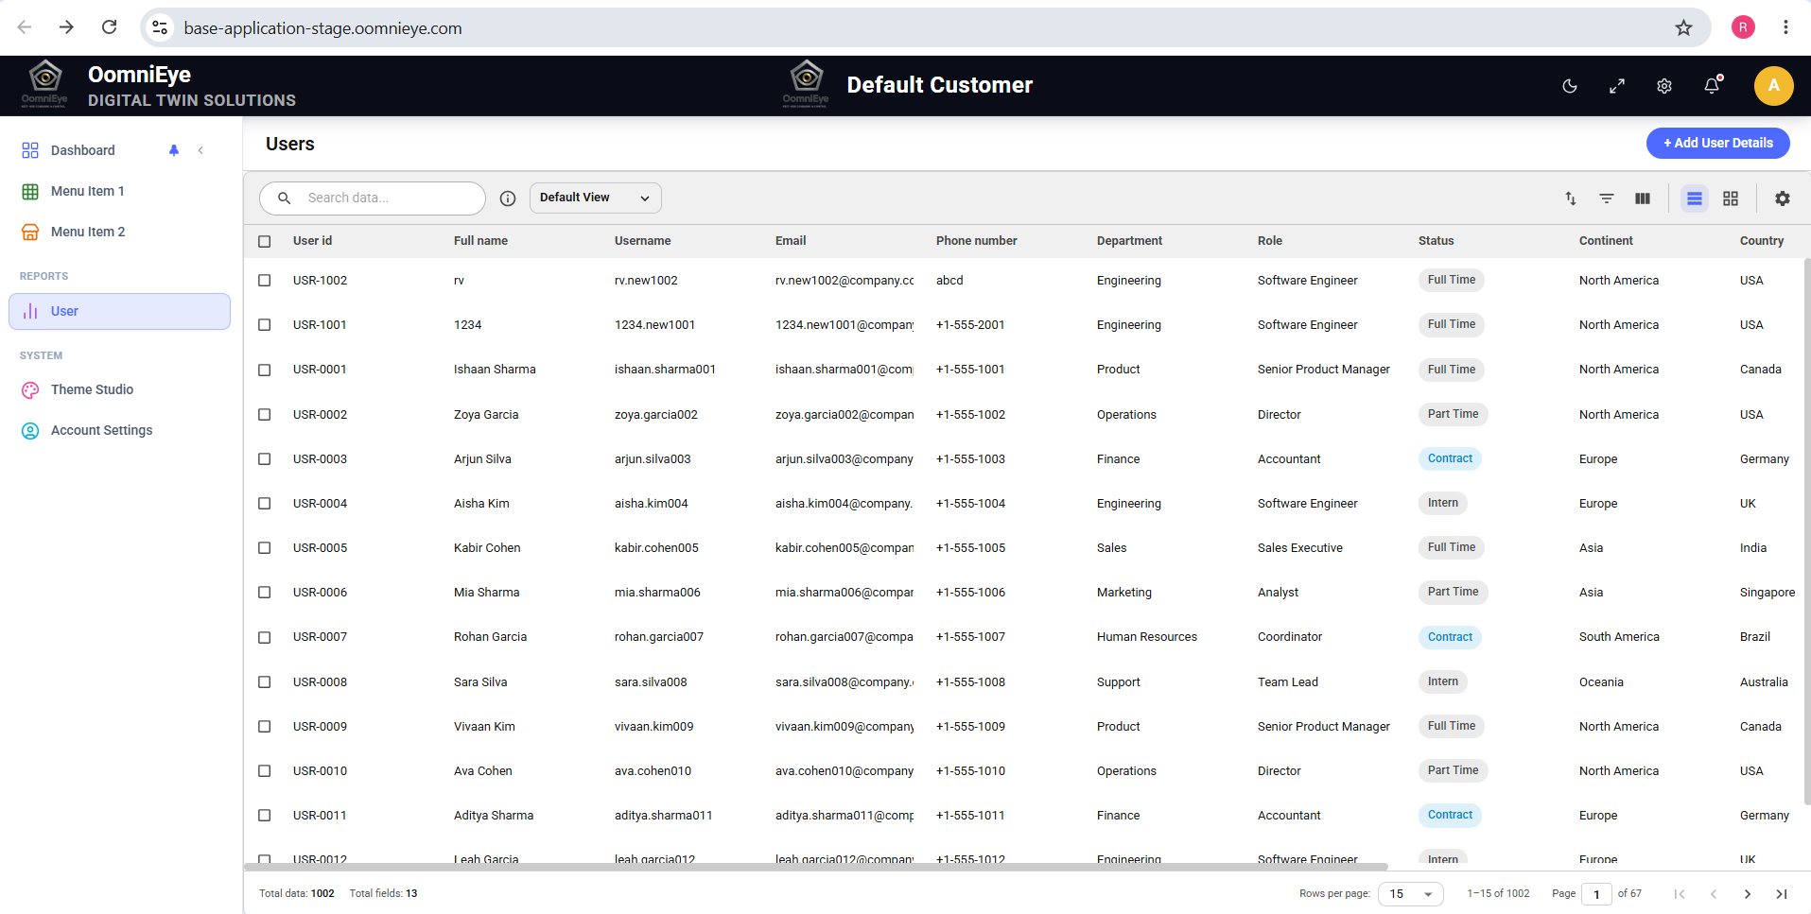

BUG-002 : Phone Number Accepts Alphabets


BUG-003: Blank Location Fields Accepted



BUG-004 : Username accepts invalid value
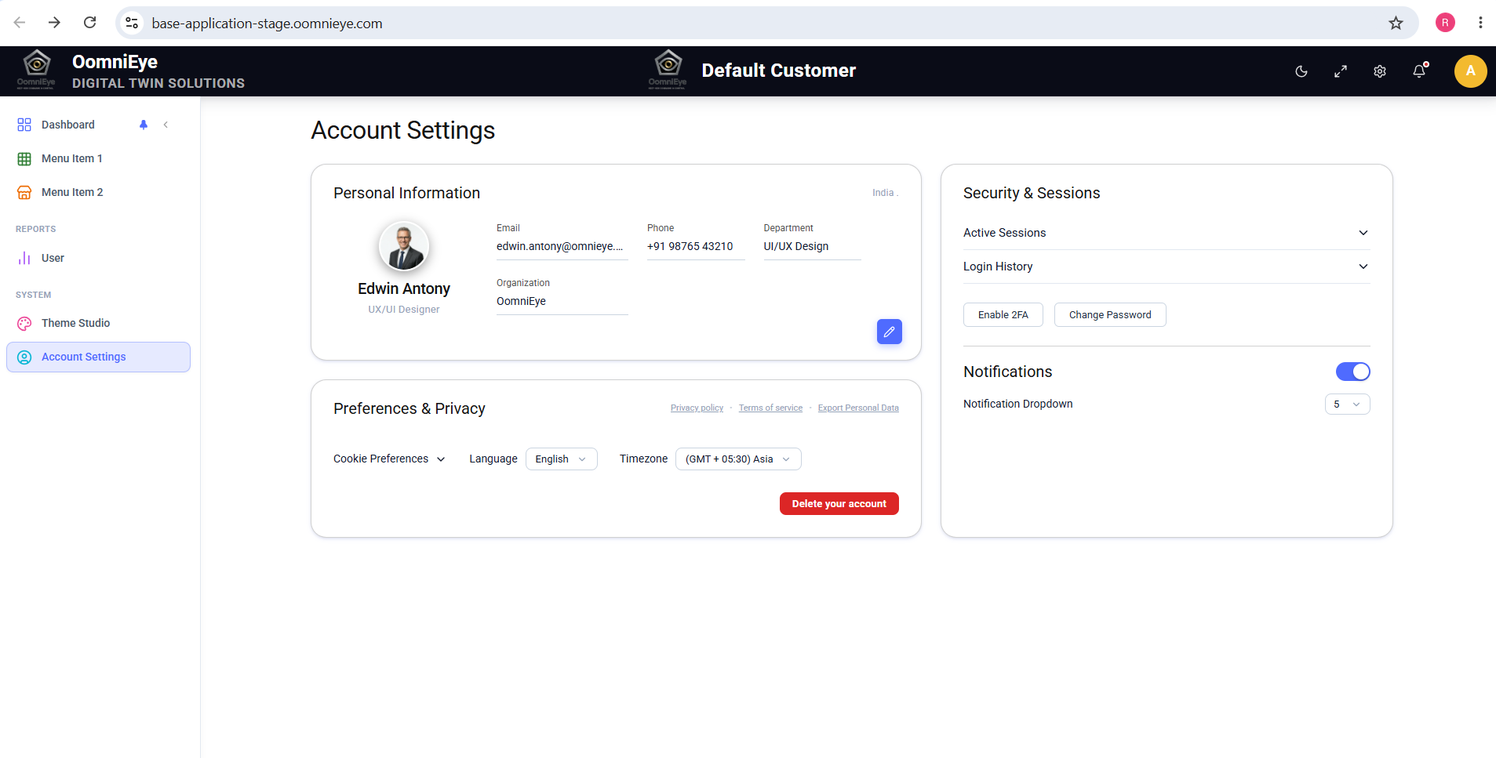

BUG-005 : Profile changes not retained
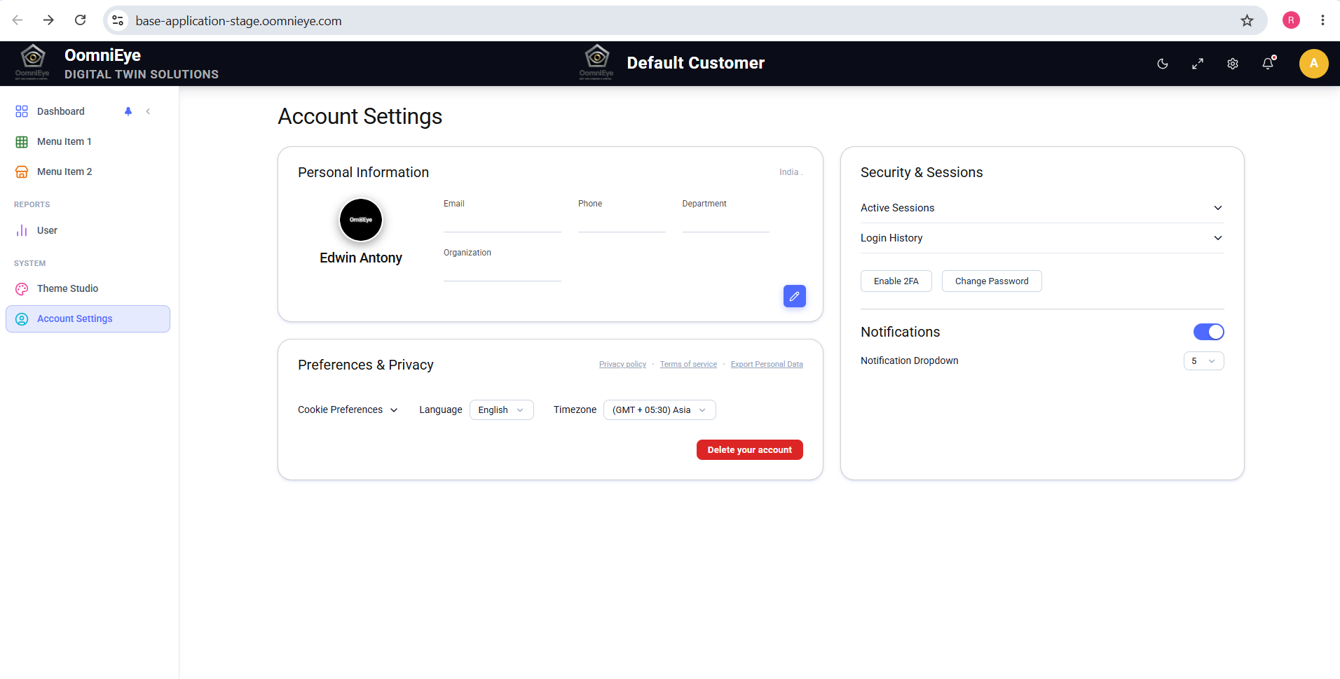

BUG-006 : Personal info form accepts all fields blank

