Chart 1
This file presents the data from the charts in CBO's February 2023 report The Economic Outlook for 2023 to 2033 in 16 Charts.
www.cbo.gov/publication/58880

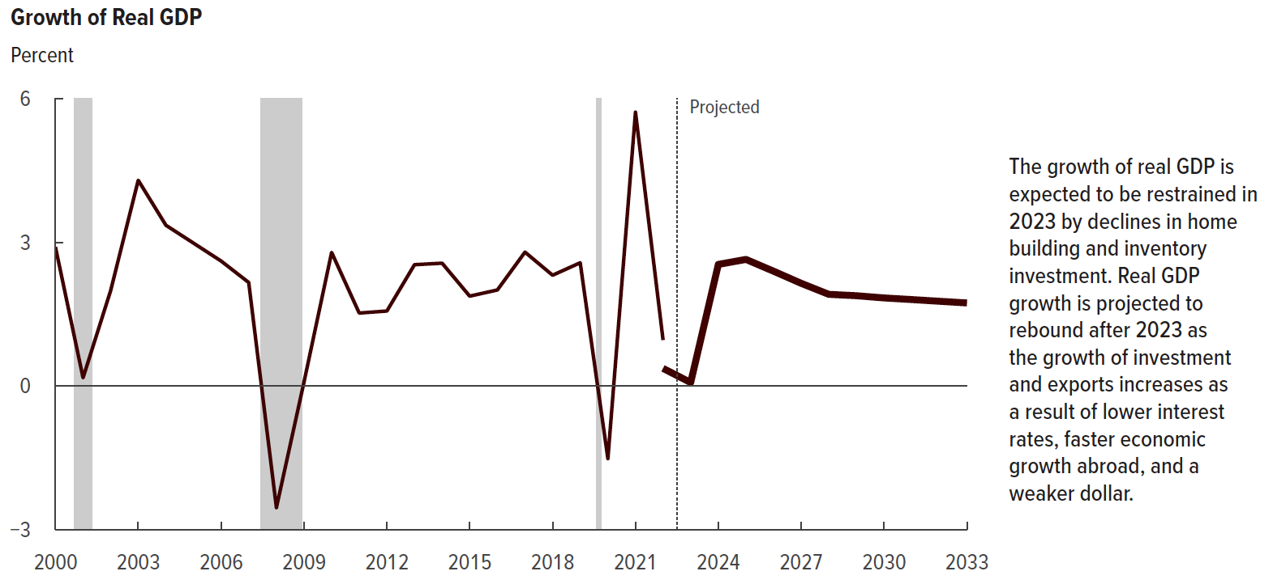
Chart 1. Growth of Real GDP
Percent

 | Actual | Projected
2000 | 2.9
2001 | 0.2
2002 | 2.0
2003 | 4.3
2004 | 3.4
2005 | 3.0
2006 | 2.6
2007 | 2.2
2008 | -2.5
2009 | 0.1
2010 | 2.8
2011 | 1.5
2012 | 1.6
2013 | 2.5
2014 | 2.6
2015 | 1.9
2016 | 2.0
2017 | 2.8
2018 | 2.3
2019 | 2.6
2020 | -1.5
2021 | 5.7
2022 | 1.0 | 0.4
2023 |  | 0.1
2024 |  | 2.5
2025 |  | 2.6
2026 |  | 2.4
2027 |  | 2.1
2028 |  | 1.9
2029 |  | 1.9
2030 |  | 1.8
2031 |  | 1.8
2032 |  | 1.8
2033 |  | 1.7

Back to Table of Contents

Chart 2
This file presents the data from the charts in CBO's February 2023 report The Economic Outlook for 2023 to 2033 in 16 Charts.
www.cbo.gov/publication/58880

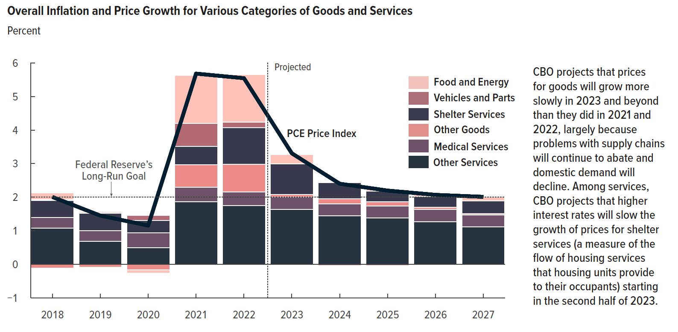
Chart 2. Overall Inflation and Price Growth for Various Categories of Goods and Services
Percent

 | PCE Price Index | Food and Energy | Vehicles and Parts | Shelter Services | Medical Services | Other Goods | Other Services
2018 | 2.0 | 0.2 | 0.0 | 0.5 | 0.3 | -0.1 | 1.1
2019 | 1.5 | 0.0 | 0.0 | 0.5 | 0.3 | -0.1 | 0.7
2020 | 1.2 | -0.1 | 0.2 | 0.4 | 0.5 | -0.2 | 0.5
2021 | 5.7 | 1.4 | 0.7 | 0.5 | 0.4 | 0.7 | 1.9
2022 | 5.5 | 1.4 | 0.2 | 1.1 | 0.4 | 0.8 | 1.8
2023 | 3.3 | 0.3 | 0.0 | 0.9 | 0.4 | 0.1 | 1.6
2024 | 2.4 | 0.0 | 0.0 | 0.5 | 0.4 | 0.2 | 1.4
2025 | 2.2 | 0.0 | 0.0 | 0.3 | 0.4 | 0.1 | 1.4
2026 | 2.1 | 0.1 | 0.0 | 0.3 | 0.4 | 0.1 | 1.3
2027 | 2.0 | 0.1 | 0.0 | 0.4 | 0.4 | 0.0 | 1.1

Back to Table of Contents

Chart 3
This file presents the data from the charts in CBO's February 2023 report The Economic Outlook for 2023 to 2033 in 16 Charts.
www.cbo.gov/publication/58880

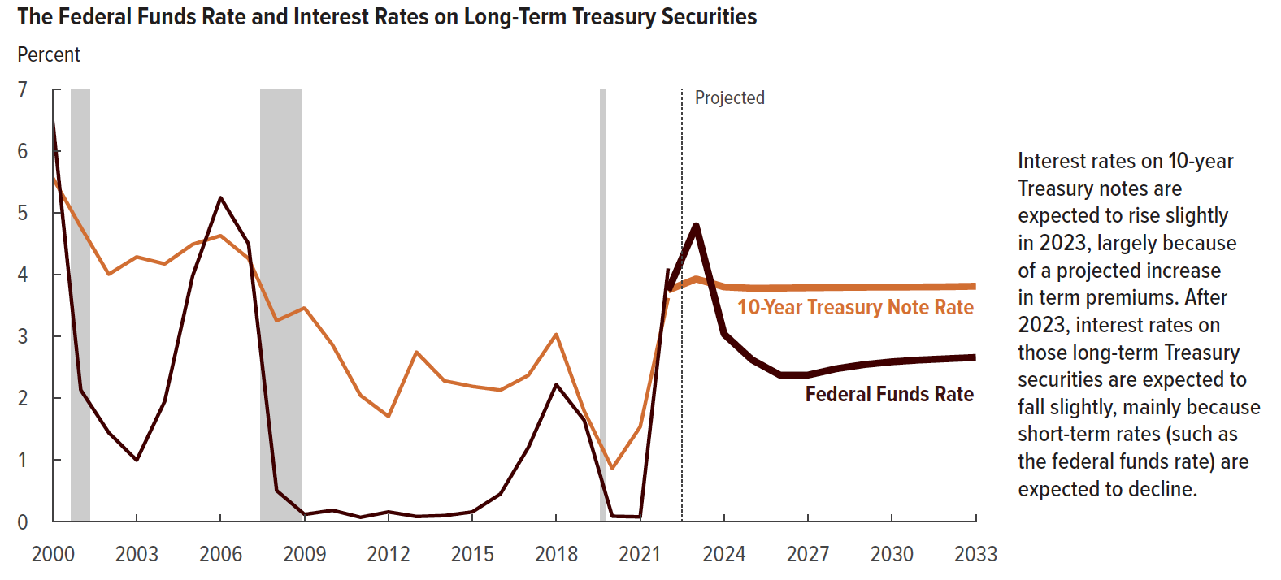
Chart 3. The Federal Funds Rate and Interest Rates on Long-Term Treasury Securities
Percent

 |  |  | 10-Year Treasury
 | Federal Funds Rate |  | Note Rate
 | Actual | Projected | Actual | Projected
2000 | 6.5 |  | 5.6
2001 | 2.1 |  | 4.8
2002 | 1.4 |  | 4.0
2003 | 1.0 |  | 4.3
2004 | 2.0 |  | 4.2
2005 | 4.0 |  | 4.5
2006 | 5.2 |  | 4.6
2007 | 4.5 |  | 4.3
2008 | 0.5 |  | 3.3
2009 | 0.1 |  | 3.5
2010 | 0.2 |  | 2.9
2011 | 0.1 |  | 2.0
2012 | 0.2 |  | 1.7
2013 | 0.1 |  | 2.7
2014 | 0.1 |  | 2.3
2015 | 0.2 |  | 2.2
2016 | 0.5 |  | 2.1
2017 | 1.2 |  | 2.4
2018 | 2.2 |  | 3.0
2019 | 1.6 |  | 1.8
2020 | 0.1 |  | 0.9
2021 | 0.1 |  | 1.5
2022 | 4.1 | 3.7 | 3.6 | 3.8
2023 |  | 4.8 |  | 3.9
2024 |  | 3.0 |  | 3.8
2025 |  | 2.6 |  | 3.8
2026 |  | 2.4 |  | 3.8
2027 |  | 2.4 |  | 3.8
2028 |  | 2.5 |  | 3.8
2029 |  | 2.5 |  | 3.8
2030 |  | 2.6 |  | 3.8
2031 |  | 2.6 |  | 3.8
2032 |  | 2.6 |  | 3.8
2033 |  | 2.7 |  | 3.8

Back to Table of Contents

Chart 4
This file presents the data from the charts in CBO's February 2023 report The Economic Outlook for 2023 to 2033 in 16 Charts.
www.cbo.gov/publication/58880

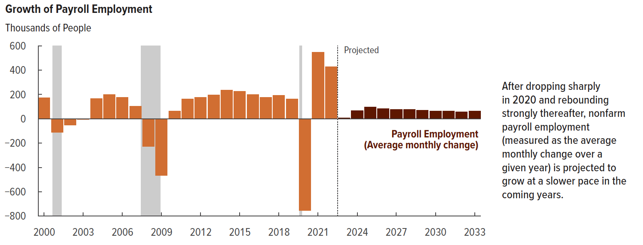
Chart 4. Growth of Payroll Employment
Thousands of People

 | Average Monthly Change in Payroll Employment
 | Actual | Projected
2000 | 172
2001 | -112
2002 | -52
2003 | -5
2004 | 168
2005 | 201
2006 | 177
2007 | 103
2008 | -227
2009 | -466
2010 | 63
2011 | 165
2012 | 178
2013 | 198
2014 | 237
2015 | 228
2016 | 200
2017 | 177
2018 | 192
2019 | 164
2020 | -755
2021 | 549
2022 | 427 | 408
2023 |  | 9
2024 |  | 66
2025 |  | 97
2026 |  | 83
2027 |  | 77
2028 |  | 79
2029 |  | 72
2030 |  | 64
2031 |  | 63
2032 |  | 59
2033 |  | 63

Back to Table of Contents

Chart 5
This file presents the data from the charts in CBO's February 2023 report The Economic Outlook for 2023 to 2033 in 16 Charts.
www.cbo.gov/publication/58880

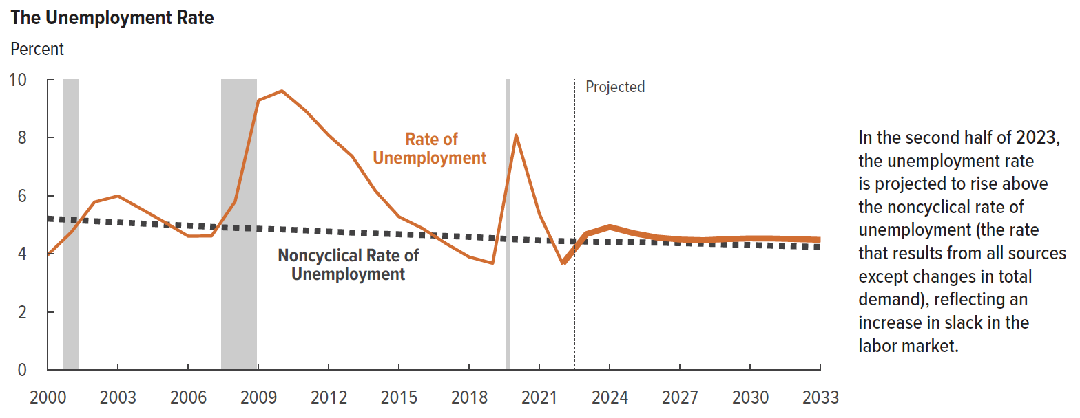
Chart 5. The Unemployment Rate
Percent

 | Rate of Unemployment
 | Actual | Projected | Noncyclical Rate of Unemployment
2000 | 4.0 |  | 5.2
2001 | 4.7 |  | 5.2
2002 | 5.8 |  | 5.1
2003 | 6.0 |  | 5.1
2004 | 5.5 |  | 5.0
2005 | 5.1 |  | 5.0
2006 | 4.6 |  | 5.0
2007 | 4.6 |  | 4.9
2008 | 5.8 |  | 4.9
2009 | 9.3 |  | 4.9
2010 | 9.6 |  | 4.8
2011 | 8.9 |  | 4.8
2012 | 8.1 |  | 4.8
2013 | 7.4 |  | 4.7
2014 | 6.2 |  | 4.7
2015 | 5.3 |  | 4.7
2016 | 4.9 |  | 4.6
2017 | 4.4 |  | 4.6
2018 | 3.9 |  | 4.6
2019 | 3.7 |  | 4.5
2020 | 8.1 |  | 4.5
2021 | 5.4 |  | 4.5
2022 | 3.6 | 3.7 | 4.4
2023 |  | 4.7 | 4.4
2024 |  | 4.9 | 4.4
2025 |  | 4.7 | 4.4
2026 |  | 4.6 | 4.4
2027 |  | 4.5 | 4.4
2028 |  | 4.5 | 4.3
2029 |  | 4.5 | 4.3
2030 |  | 4.5 | 4.3
2031 |  | 4.5 | 4.3
2032 |  | 4.5 | 4.3
2033 |  | 4.5 | 4.2

Back to Table of Contents

Chart 6
This file presents the data from the charts in CBO's February 2023 report The Economic Outlook for 2023 to 2033 in 16 Charts.
www.cbo.gov/publication/58880

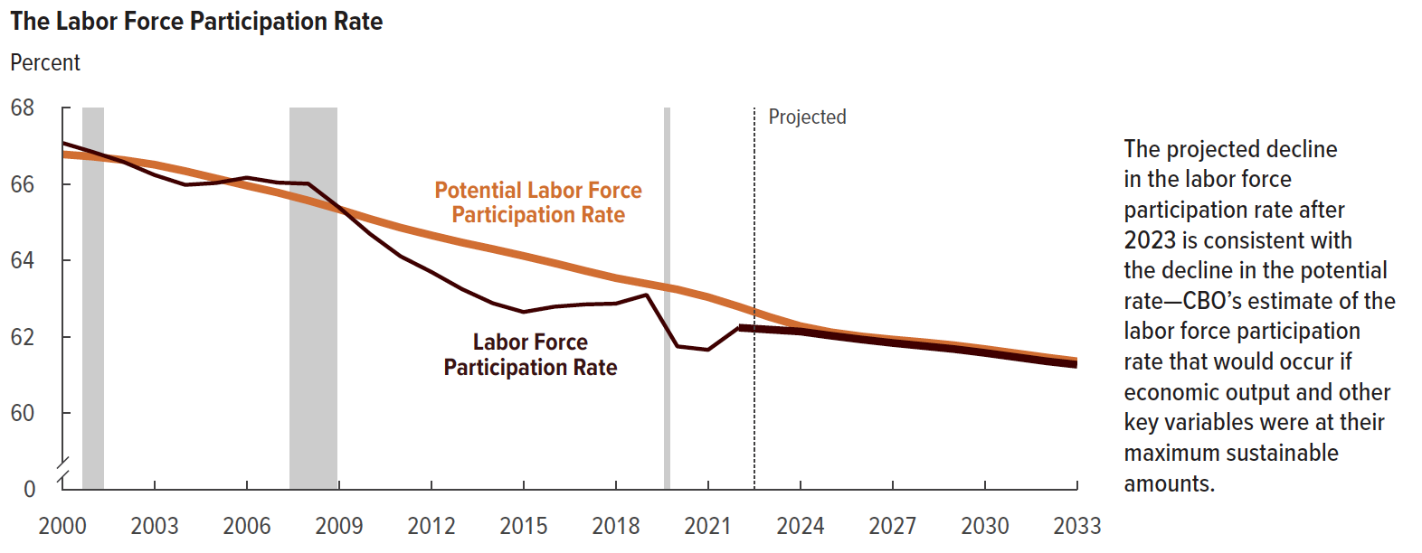
Chart 6. The Labor Force Participation Rate
Percent

 | Labor Force Participation Rate
 | Actual | Projected | Potential Labor Force Participation Rate
2000 | 67.1 |  | 66.8
2001 | 66.8 |  | 66.7
2002 | 66.6 |  | 66.6
2003 | 66.2 |  | 66.5
2004 | 66.0 |  | 66.3
2005 | 66.0 |  | 66.2
2006 | 66.2 |  | 66.0
2007 | 66.0 |  | 65.8
2008 | 66.0 |  | 65.6
2009 | 65.4 |  | 65.3
2010 | 64.7 |  | 65.1
2011 | 64.1 |  | 64.9
2012 | 63.7 |  | 64.7
2013 | 63.3 |  | 64.5
2014 | 62.9 |  | 64.3
2015 | 62.7 |  | 64.1
2016 | 62.8 |  | 63.9
2017 | 62.9 |  | 63.7
2018 | 62.9 |  | 63.5
2019 | 63.1 |  | 63.4
2020 | 61.8 |  | 63.2
2021 | 61.7 |  | 63.0
2022 | 62.2 | 62.2 | 62.8
2023 |  | 62.2 | 62.5
2024 |  | 62.1 | 62.3
2025 |  | 62.0 | 62.1
2026 |  | 61.9 | 62.0
2027 |  | 61.8 | 61.9
2028 |  | 61.8 | 61.9
2029 |  | 61.7 | 61.8
2030 |  | 61.6 | 61.7
2031 |  | 61.5 | 61.6
2032 |  | 61.4 | 61.5
2033 |  | 61.3 | 61.4

Back to Table of Contents

Chart 7
This file presents the data from the charts in CBO's February 2023 report The Economic Outlook for 2023 to 2033 in 16 Charts.
www.cbo.gov/publication/58880

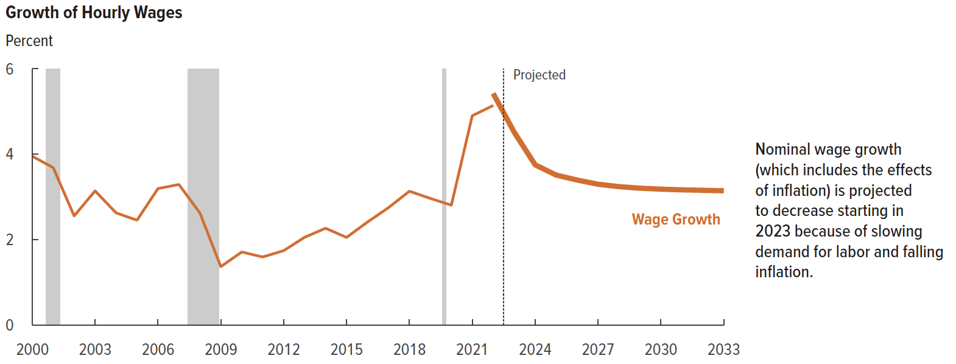
Chart 7. Growth of Hourly Wages
Percent

 | Actual | Projected
2000 | 4.0
2001 | 3.7
2002 | 2.6
2003 | 3.1
2004 | 2.6
2005 | 2.5
2006 | 3.2
2007 | 3.3
2008 | 2.6
2009 | 1.4
2010 | 1.7
2011 | 1.6
2012 | 1.7
2013 | 2.1
2014 | 2.3
2015 | 2.1
2016 | 2.4
2017 | 2.7
2018 | 3.1
2019 | 3.0
2020 | 2.8
2021 | 4.9
2022 | 5.1 | 5.4
2023 |  | 4.5
2024 |  | 3.8
2025 |  | 3.5
2026 |  | 3.4
2027 |  | 3.3
2028 |  | 3.2
2029 |  | 3.2
2030 |  | 3.2
2031 |  | 3.2
2032 |  | 3.2
2033 |  | 3.1

Back to Table of Contents

Chart 8
This file presents the data from the charts in CBO's February 2023 report The Economic Outlook for 2023 to 2033 in 16 Charts.
www.cbo.gov/publication/58880

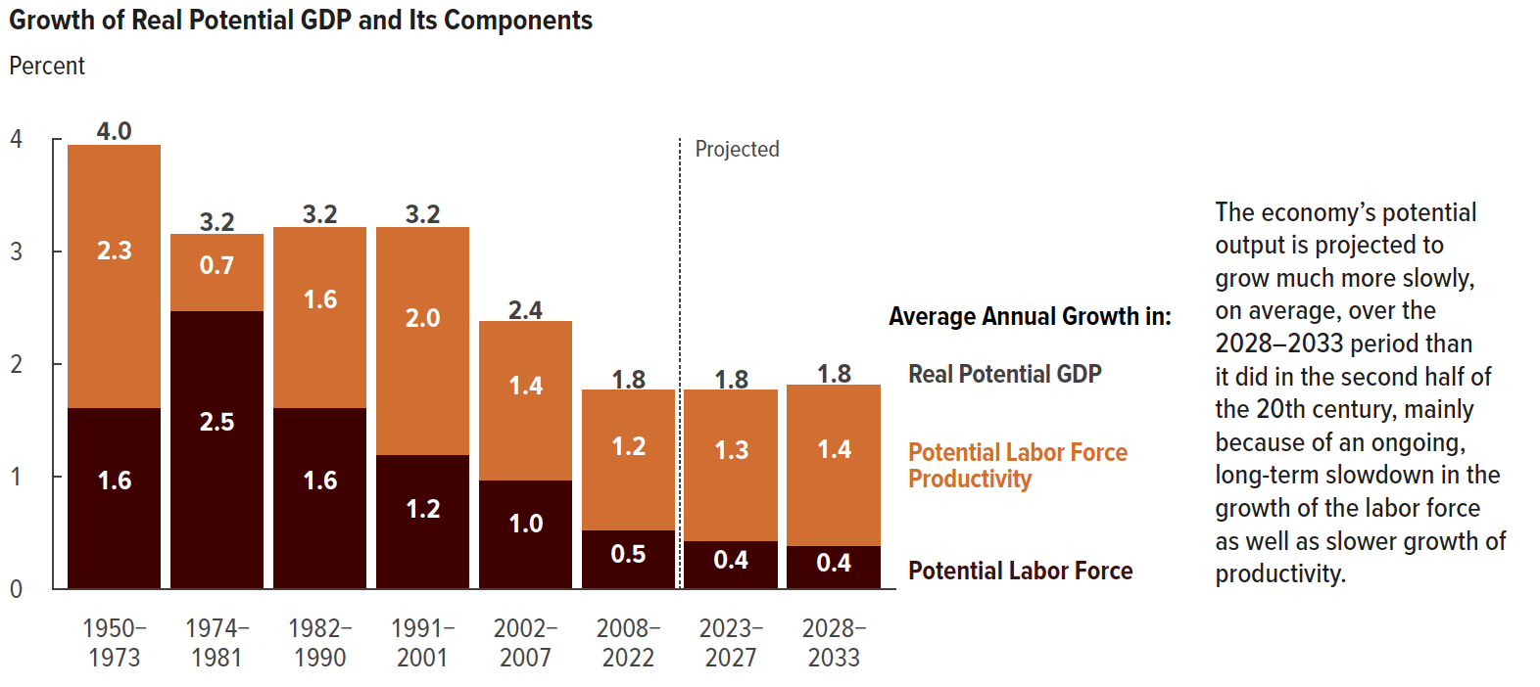
Chart 8. Growth of Real Potential GDP and Its Components
Percent

 | Real Potential GDP | Potential Labor Force Productivity | Potential Labor Force
1950-1973 | 4.0 | 2.3 | 1.6
1974-1981 | 3.2 | 0.7 | 2.5
1982-1990 | 3.2 | 1.6 | 1.6
1991-2001 | 3.2 | 2.0 | 1.2
2002-2007 | 2.4 | 1.4 | 1.0
2008-2022 | 1.8 | 1.2 | 0.5
2023-2027 | 1.8 | 1.3 | 0.4
2028-2033 | 1.8 | 1.4 | 0.4

Back to Table of Contents

Chart 9
This file presents the data from the charts in CBO's February 2023 report The Economic Outlook for 2023 to 2033 in 16 Charts.
www.cbo.gov/publication/58880

Chart 9. Change in Nominal and Real Gross Domestic Income Relative to Their Levels in the Fourth Quarter of 2019
Percent
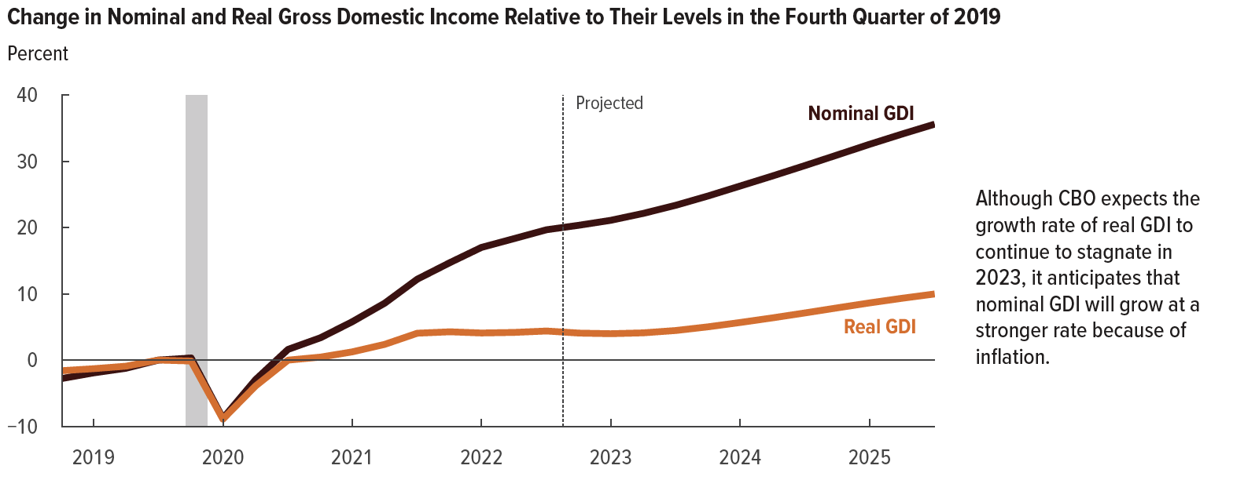
 | Nominal Gross Domestic Income | Real Gross Domestic Income
2019Q1 | -2.8 | -1.6
2019Q2 | -1.9 | -1.3
2019Q3 | -1.2 | -0.9
2019Q4 | 0 | 0
2020Q1 | 0.3 | -0.1
2020Q2 | -8.8 | -8.9
2020Q3 | -3.0 | -3.9
2020Q4 | 1.6 | 0.0
2021Q1 | 3.4 | 0.4
2021Q2 | 5.8 | 1.2
2021Q3 | 8.6 | 2.4
2021Q4 | 12.2 | 4.0
2022Q1 | 14.7 | 4.3
2022Q2 | 17.0 | 4.1
2022Q3 | 18.3 | 4.2
2022Q4 | 19.7 | 4.4
2023Q1 | 20.3 | 4.1
2023Q2 | 21.1 | 4.0
2023Q3 | 22.1 | 4.1
2023Q4 | 23.4 | 4.5
2024Q1 | 24.8 | 5.0
2024Q2 | 26.3 | 5.7
2024Q3 | 27.8 | 6.4
2024Q4 | 29.4 | 7.1
2025Q1 | 31.0 | 7.9
2025Q2 | 32.5 | 8.6
2025Q3 | 34.1 | 9.3
2025Q4 | 35.6 | 10.0

Back to Table of Contents

Chart 10
This file presents the data from the charts in CBO's February 2023 report The Economic Outlook for 2023 to 2033 in 16 Charts.
www.cbo.gov/publication/58880

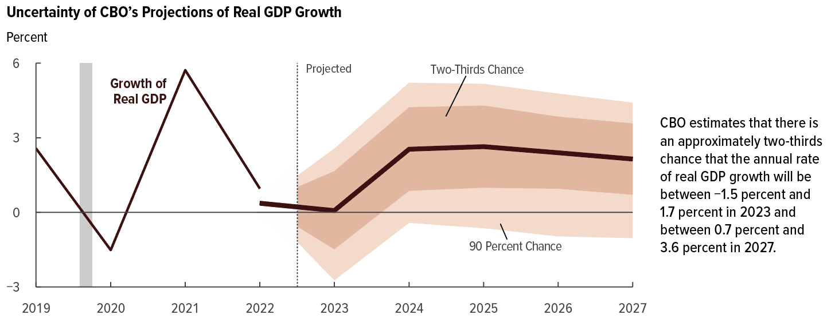
Chart 10. Uncertainity of CBO's Projections of Real GDP Growth
Percent

 |  | Projected
 | Actual | Baseline Estimate | Top of 90 Percent Chance Range | Top of Two-Thirds Chance Range | Bottom of Two-Thirds Chance Range | Bottom of 90 Percent Chance Range
2019 | 2.6
2020 | -1.5
2021 | 5.7
2022 | 1.0 | 0.4
2023 |  | 0.1 | 2.6 | 1.7 | -1.5 | -2.7
2024 |  | 2.5 | 5.2 | 4.2 | 0.9 | -0.4
2025 |  | 2.6 | 5.2 | 4.3 | 1.0 | -0.6
2026 |  | 2.4 | 4.8 | 3.8 | 1.0 | -1.0
2027 |  | 2.1 | 4.4 | 3.6 | 0.7 | -1.0

Back to Table of Contents

Chart 11
This file presents the data from the charts in CBO's February 2023 report The Economic Outlook for 2023 to 2033 in 16 Charts.
www.cbo.gov/publication/58880

Chart 11. CBO's Current and Previous Projections of Growth of Nominal GDP
Percent
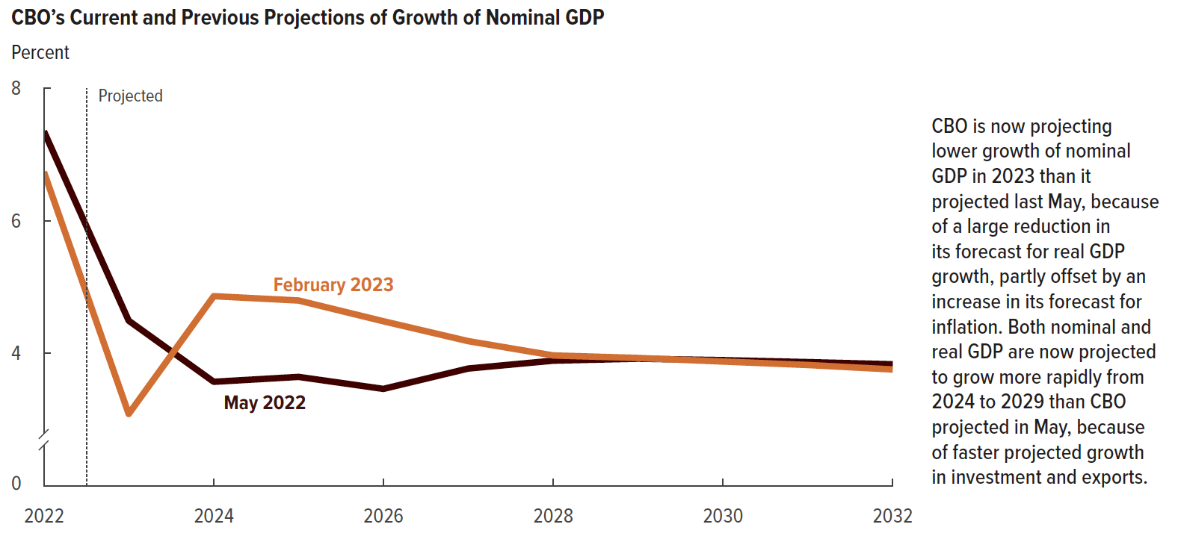
 | February 2023 | May 2022
2022 | 6.7 | 7.4
2023 | 3.1 | 4.5
2024 | 4.9 | 3.6
2025 | 4.8 | 3.6
2026 | 4.5 | 3.5
2027 | 4.2 | 3.8
2028 | 4.0 | 3.9
2029 | 3.9 | 3.9
2030 | 3.9 | 3.9
2031 | 3.8 | 3.9
2032 | 3.8 | 3.8

Back to Table of Contents

Chart 12
This file presents the data from the charts in CBO's February 2023 report The Economic Outlook for 2023 to 2033 in 16 Charts.
www.cbo.gov/publication/58880

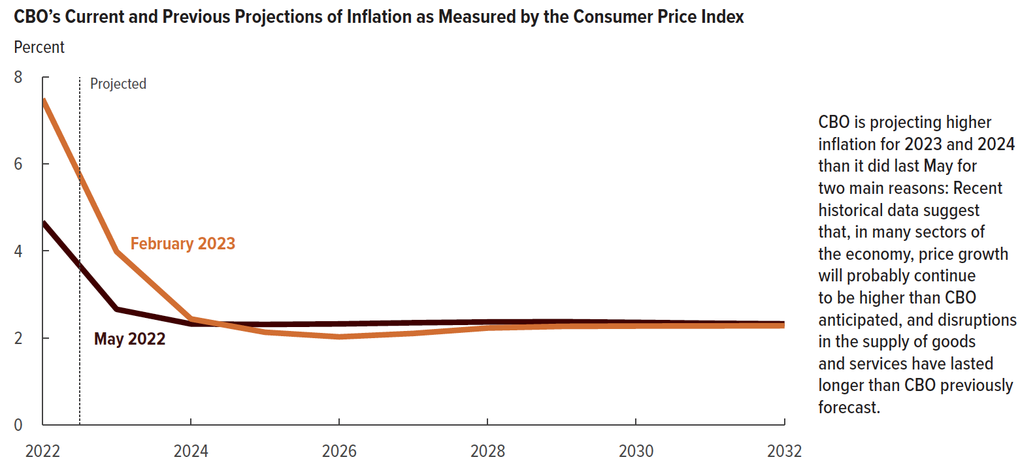
Chart 12. CBO's Current and Previous Projections of Inflation as Measured by the Consumer Price Index
Percent

 | February 2023 | May 2022
2022 | 7.5 | 4.7
2023 | 4.0 | 2.7
2024 | 2.4 | 2.3
2025 | 2.1 | 2.3
2026 | 2.0 | 2.3
2027 | 2.1 | 2.3
2028 | 2.2 | 2.4
2029 | 2.3 | 2.4
2030 | 2.3 | 2.4
2031 | 2.3 | 2.3
2032 | 2.3 | 2.3

Back to Table of Contents

Chart 13
This file presents the data from the charts in CBO's February 2023 report The Economic Outlook for 2023 to 2033 in 16 Charts.
www.cbo.gov/publication/58880

Chart 13. CBO's Current and Previous Projections of Interest Rates on 10-Year Treasury Notes
Percent
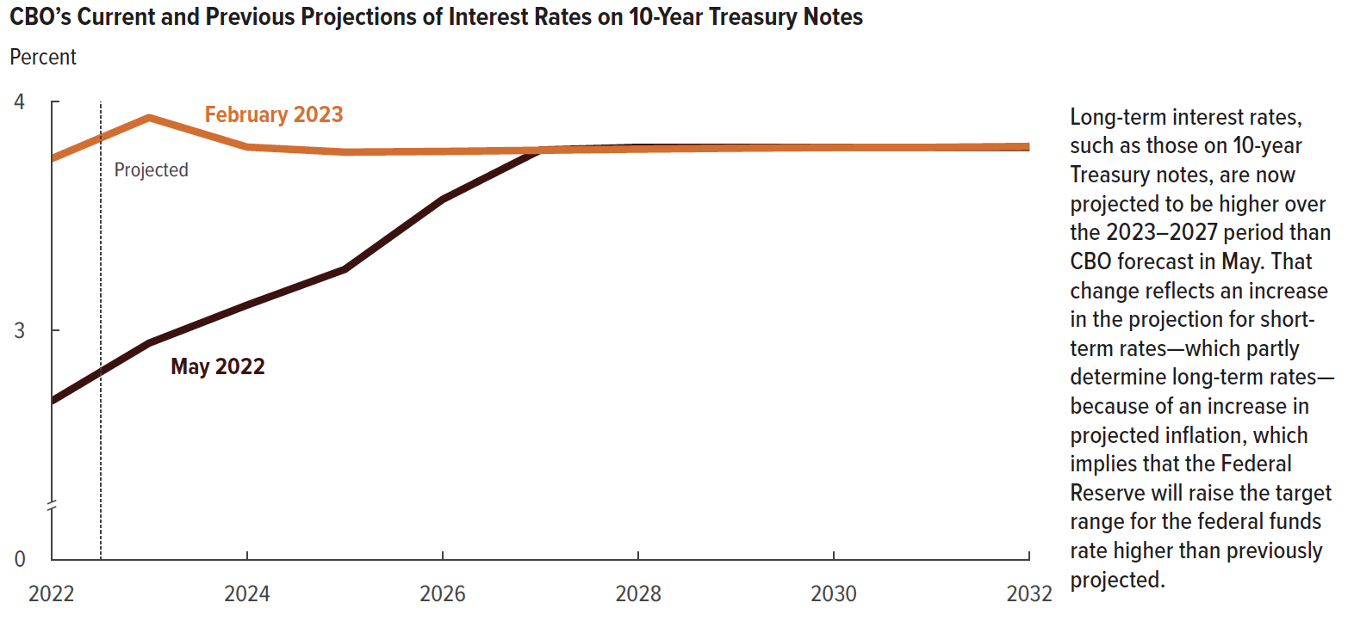
 | February 2023 | May 2022
2022 | 3.8 | 2.7
2023 | 3.9 | 2.9
2024 | 3.8 | 3.1
2025 | 3.8 | 3.3
2026 | 3.8 | 3.6
2027 | 3.8 | 3.8
2028 | 3.8 | 3.8
2029 | 3.8 | 3.8
2030 | 3.8 | 3.8
2031 | 3.8 | 3.8
2032 | 3.8 | 3.8

Back to Table of Contents

Chart 14
This file presents the data from the charts in CBO's February 2023 report The Economic Outlook for 2023 to 2033 in 16 Charts.
www.cbo.gov/publication/58880

Chart 14. CBO's Current and Previous Projections of the Unemployment Rate
Percent
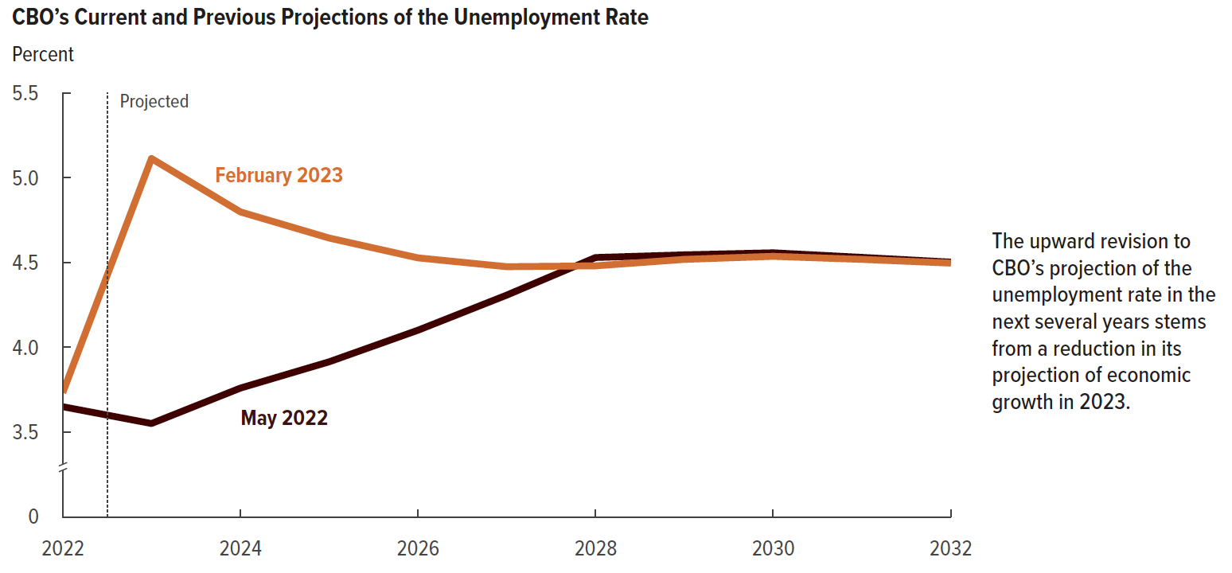
 | February 2023 | May 2022
2022 | 3.7 | 3.7
2023 | 5.1 | 3.6
2024 | 4.8 | 3.8
2025 | 4.6 | 3.9
2026 | 4.5 | 4.1
2027 | 4.5 | 4.3
2028 | 4.5 | 4.5
2029 | 4.5 | 4.5
2030 | 4.5 | 4.6
2031 | 4.5 | 4.5
2032 | 4.5 | 4.5

Back to Table of Contents

Chart 15
This file presents the data from the charts in CBO's February 2023 report The Economic Outlook for 2023 to 2033 in 16 Charts.
www.cbo.gov/publication/58880

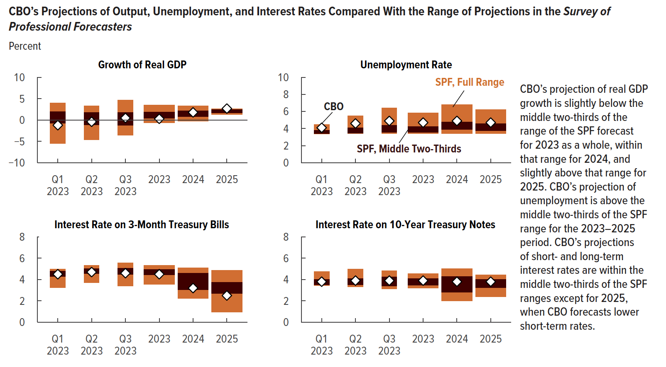
Chart 15. CBO’s Projections of Output, Unemployment, and Interest Rates Compared With the Range of Projections in the Survey of Professional Forecasters
Percent

 |  | SPF
 | CBO | Top of Full Range | Top of Middle Two-Thirds | Bottom of Middle Two-Thirds | Bottom of Full Range

 | Growth of Real GDP

2023Q1 | -1.2 | 4.0 | 2.0 | -0.7 | -5.5
2023Q2 | -0.4 | 3.4 | 1.8 | -1.1 | -4.7
2023Q3 | 0.5 | 4.8 | 1.8 | -1.2 | -3.5
2023 | 0.3 | 3.5 | 1.8 | 0.5 | -0.7
2024 | 1.8 | 3.3 | 2.2 | 0.8 | -0.2
2025 | 2.7 | 2.7 | 2.5 | 1.7 | 1.3

 | Unemployment Rate

2023Q1 | 4.1 | 4.5 | 3.8 | 3.4 | 3.4
2023Q2 | 4.6 | 5.5 | 4.1 | 3.5 | 3.4
2023Q3 | 4.9 | 6.4 | 4.4 | 3.6 | 3.4
2023 | 4.7 | 5.8 | 4.3 | 3.6 | 3.4
2024 | 4.9 | 6.8 | 4.8 | 3.9 | 3.4
2025 | 4.7 | 6.2 | 4.6 | 3.8 | 3.4

 | Interest Rate on 3-Month Treasury Bills

2023Q1 | 4.5 | 5.0 | 4.8 | 4.3 | 3.3
2023Q2 | 4.7 | 5.3 | 5.0 | 4.6 | 3.7
2023Q3 | 4.6 | 5.6 | 5.1 | 4.5 | 3.4
2023 | 4.5 | 5.3 | 5.0 | 4.4 | 3.6
2024 | 3.2 | 5.1 | 4.6 | 3.0 | 2.2
2025 | 2.5 | 4.9 | 3.8 | 2.7 | 1.0

 | Interest Rate on 10-Year Treasury Notes

2023Q1 | 3.8 | 4.8 | 4.0 | 3.5 | 3.5
2023Q2 | 3.9 | 5.0 | 4.1 | 3.5 | 3.3
2023Q3 | 3.9 | 4.8 | 4.3 | 3.4 | 3.1
2023 | 3.9 | 4.6 | 4.1 | 3.5 | 3.2
2024 | 3.8 | 5.0 | 4.3 | 2.8 | 2.0
2025 | 3.8 | 4.5 | 4.0 | 3.2 | 2.4

Back to Table of Contents

Chart 16
This file presents the data from the charts in CBO's February 2023 report The Economic Outlook for 2023 to 2033 in 16 Charts.
www.cbo.gov/publication/58880

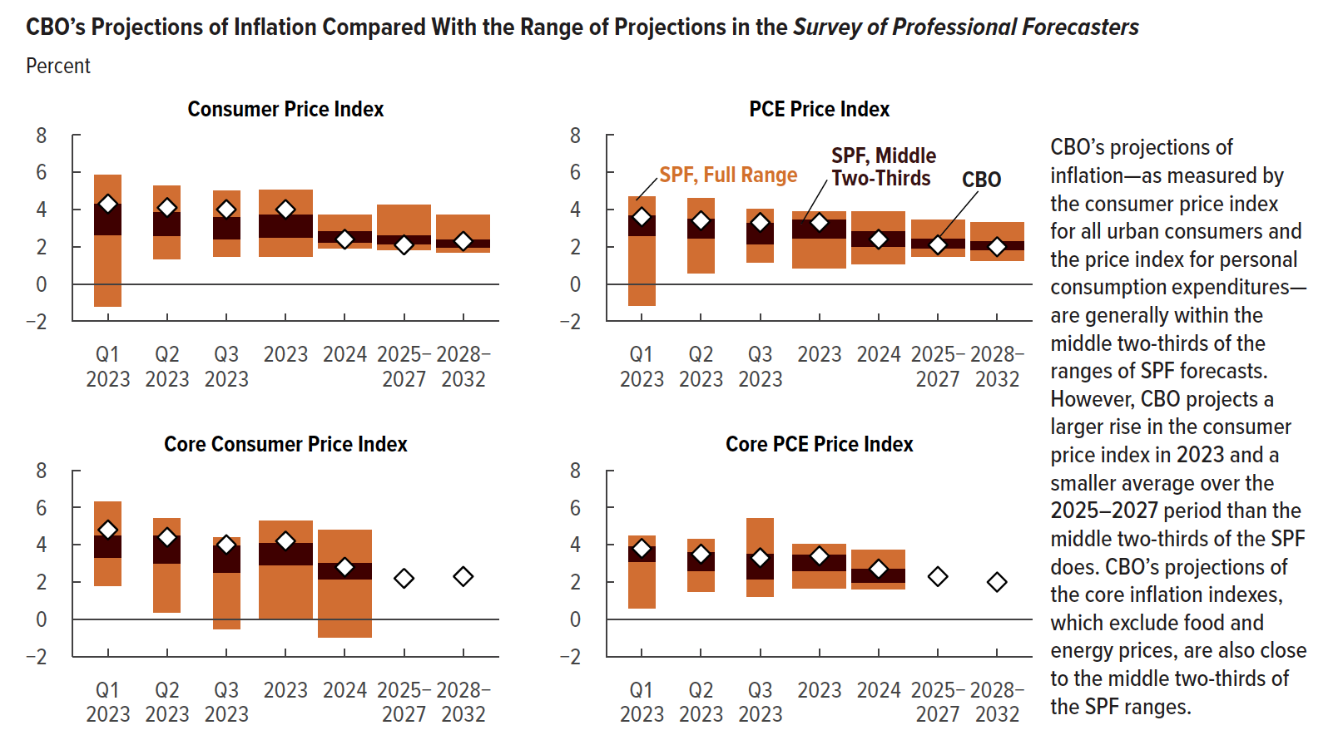
Chart 16. CBO’s Projections of Inflation Compared With the Range of Projections in the Survey of Professional Forecasters
Percent

 |  | SPF
 | CBO | Top of Full Range | Top of Middle Two-Thirds | Bottom of Middle Two-Thirds | Bottom of Full Range

 | Consumer Price Index

2023Q1 | 4.3 | 5.9 | 4.3 | 2.6 | -1.2
2023Q2 | 4.1 | 5.3 | 3.9 | 2.6 | 1.4
2023Q3 | 4.0 | 5.0 | 3.6 | 2.4 | 1.5
2023 | 4.0 | 5.1 | 3.7 | 2.5 | 1.5
2024 | 2.4 | 3.7 | 2.8 | 2.2 | 1.9
2025-2027 | 2.1 | 4.3 | 2.6 | 2.2 | 1.9
2028-2032 | 2.3 | 3.7 | 2.4 | 2.0 | 1.7

 | PCE Price Index

2023Q1 | 3.6 | 4.7 | 3.7 | 2.6 | -1.1
2023Q2 | 3.4 | 4.6 | 3.5 | 2.5 | 0.6
2023Q3 | 3.3 | 4.0 | 3.3 | 2.2 | 1.2
2023 | 3.3 | 3.9 | 3.4 | 2.5 | 0.9
2024 | 2.4 | 3.9 | 2.8 | 2.0 | 1.1
2025-2027 | 2.1 | 3.4 | 2.4 | 1.9 | 1.5
2028-2032 | 2.0 | 3.3 | 2.3 | 1.8 | 1.3

 | Core Consumer Price Index

2023Q1 | 4.8 | 6.3 | 4.5 | 3.3 | 1.8
2023Q2 | 4.4 | 5.4 | 4.5 | 3.0 | 0.4
2023Q3 | 4.0 | 4.4 | 3.9 | 2.5 | -0.5
2023 | 4.2 | 5.3 | 4.1 | 2.9 | 0.1
2024 | 2.8 | 4.8 | 3.0 | 2.1 | -1.0
2025-2027 | 2.2
2028-2032 | 2.3

 | Core PCE Price Index

2023Q1 | 3.8 | 4.5 | 3.9 | 3.1 | 0.6
2023Q2 | 3.5 | 4.3 | 3.6 | 2.6 | 1.5
2023Q3 | 3.3 | 5.4 | 3.5 | 2.2 | 1.2
2023 | 3.4 | 4.0 | 3.5 | 2.6 | 1.6
2024 | 2.7 | 3.7 | 2.7 | 2.0 | 1.6
2025-2027 | 2.3
2028-2032 | 2.0

Back to Table of Contents

