Table_1
This file presents the data from the tables and figures in CBO's December 2022 report CBO’s Current View of the Economy in 2023 and 2024 and the Budgetary Implications.
http://www.cbo.gov/publication/58757

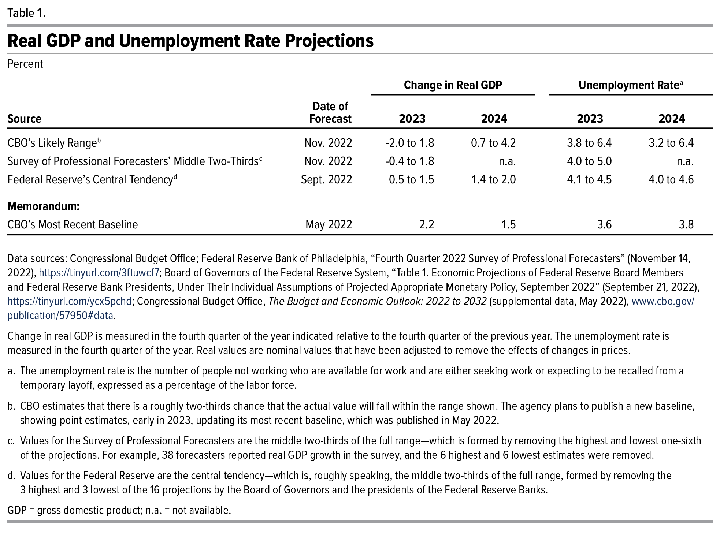
Table 1. Real GDP and Unemployment Rate Projections
Percent
 |  | Change in Real GDP |  | Unemployment Rate
Source | Date of Forecast | 2023 | 2024 | 2023 | 2024
CBO’s Likely Range | Nov. 2022 | -2.0 to 1.8 | 0.7 to 4.2 | 3.8 to 6.4 | 3.2 to 6.4
Survey of Professional Forecasters’ Middle Two-Thirds | Nov. 2022 | -0.4 to 1.8 | n.a. | 4.0 to 5.0 | n.a.
Federal Reserve’s Central Tendency | Sept. 2022 | 0.5 to 1.5 | 1.4 to 2.0 | 4.1 to 4.5 | 4.0 to 4.6
Memorandum:
CBO’s Most Recent Baseline | May 2022 | 2.2 | 1.5 | 3.6 | 3.8

Back to Table of Contents

Table_2
This file presents the data from the tables in CBO's November 2022 report CBO’s Current View of the Economy in 2023 and 2024 and the Budgetary Implications.
http://www.cbo.gov/publication/58757

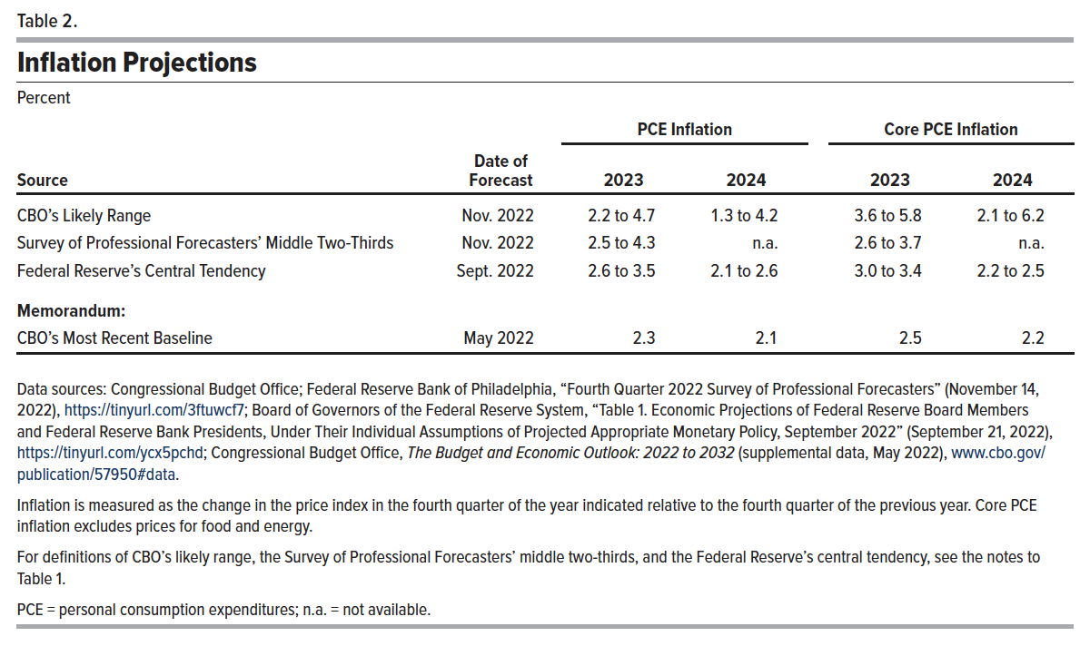
Table 2. Inflation Projections
Percent
 |  | PCE Inflation |  | Core PCE Inflation
Source | Date of Forecast | 2023 | 2024 | 2023 | 2024
CBO’s Likely Range | Nov. 2022 | 2.2 to 4.7 | 1.3 to 4.2 | 3.6 to 5.8 | 2.1 to 6.2
Survey of Professional Forecasters’ Middle Two-Thirds | Nov. 2022 | 2.5 to 4.3 | n.a. | 2.6 to 3.7 | n.a.
Federal Reserve’s Central Tendency | Sept. 2022 | 2.6 to 3.5 | 2.1 to 2.6 | 3.0 to 3.4 | 2.2 to 2.5
Memorandum:
CBO’s Most Recent Baseline | May 2022 | 2.3 | 2.1 | 2.5 | 2.2

Back to Table of Contents

Table_3
This file presents the data from the tables in CBO's November 2022 report CBO’s Current View of the Economy in 2023 and 2024 and the Budgetary Implications.
http://www.cbo.gov/publication/58757

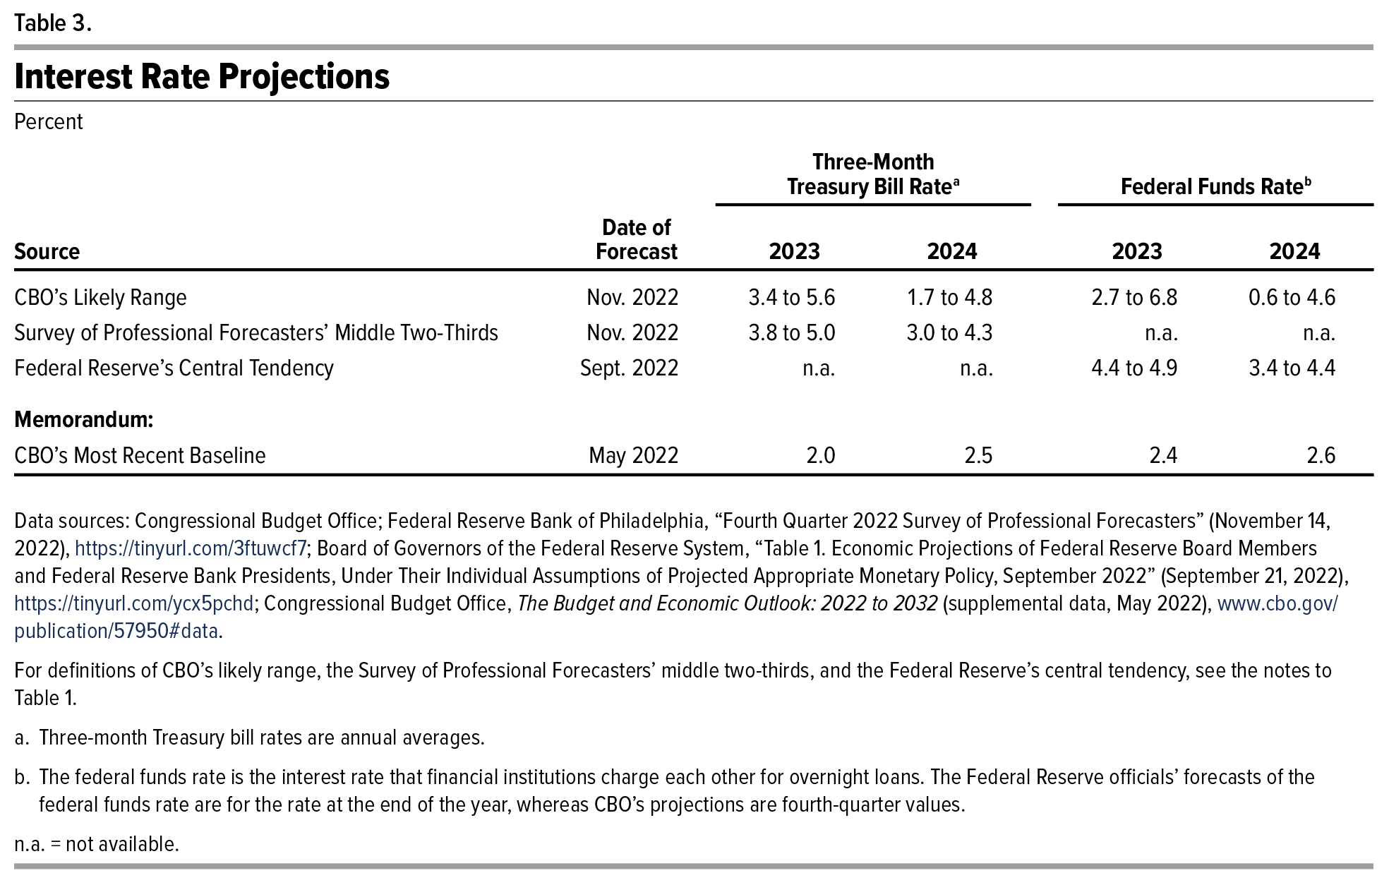
Table 3. Interest Rate Projections
Percent
 |  | Three-Month Treasury Bill Rate |  | Federal Funds Rate
Source | Date of Forecast | 2023 | 2024 | 2023 | 2024
CBO’s Likely Range | Nov. 2022 | 3.4 to 5.6 | 1.7 to 4.8 | 2.7 to 6.8 | 0.6 to 4.6
Survey of Professional Forecasters’ Middle Two-Thirds | Nov. 2022 | 3.8 to 5.0 | 3.0 to 4.3 | n.a. | n.a.
Federal Reserve’s Central Tendency | Sept. 2022 | n.a. | n.a. | 4.4 to 4.9 | 3.4 to 4.4
Memorandum:
CBO’s Most Recent Baseline | May 2022 | 2 | 2.5 | 2.4 | 2.6

Back to Table of Contents

