Financial Statement (Ex-12)
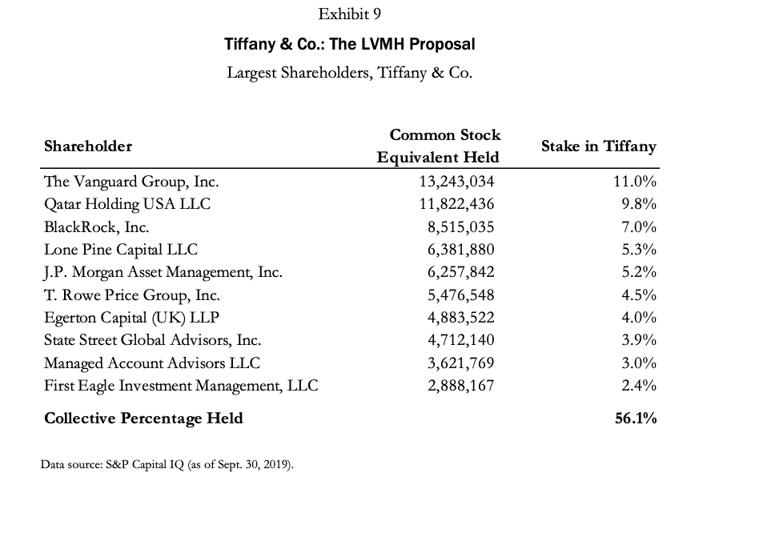
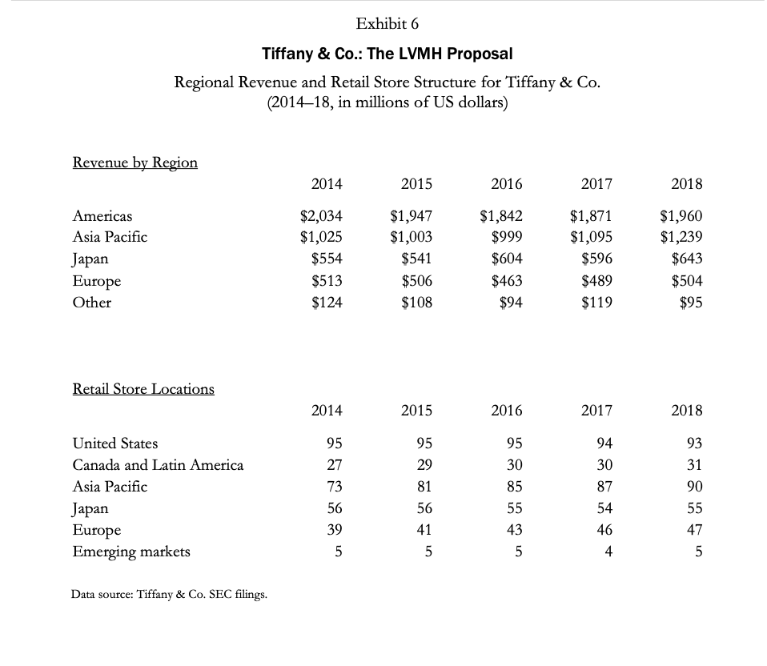
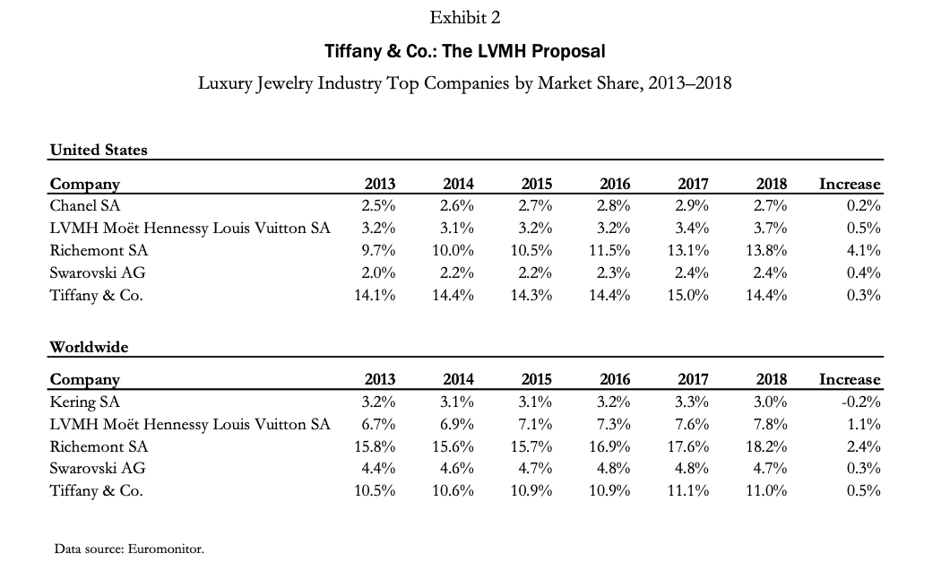
Tiffany & Co. Financial Statements

Income Statement Data | 2014 | 2015 | 2016 | 2017 | 2018
Revenues | 4,250 | 4,105 | 4,002 | 4,170 | 4,442
Gross profit | 2,544 | 2,505 | 2,499 | 2,611 | 2,811
Selling, general, and administrative (SG&A) expenses | 1,633 | 1,706 | 1,753 | 1,801 | 2,021
Earnings from operations | 912 | 799 | 746 | 809 | 790
Net earnings | 484 | 464 | 446 | 370 | 586
Per share of common stock (diluted) | 3.73 | 3.59 | 3.55 | 2.96 | 4.75
Dividends paid per share | 2.15 | 1.95 | 1.75 | 1.58 | 1.48
Balance Sheet Data | 2014 | 2015 | 2016 | 2017 | 2018
Cash and cash equivalents | 730 | 844 | 928 | 971 | 793
Inventories, net | 2,362 | 2,225 | 2,158 | 2,254 | 2,428
Working capital | 2,851 | 2,779 | 2,941 | 3,259 | 3,041
Total assets | 2,520 | 3,167 | 5,098 | 5,468 | 5,333
Debt | 1,108 | 1,096 | 1,107 | 1,004 | 997
Stockholders' equity | 2,851 | 2,930 | 3,028 | 3,248 | 3,131
Capital expenditures | 247 | 253 | 223 | 239 | 282

Financial Ratios and Other Data As a percentage of revenue: | 2014 | 2015 | 2016 | 2017 | 2018
Gross profit | 60% | 61% | 62% | 63% | 63%
SG&A expenses | 38% | 42% | 44% | 43% | 46%
Earnings from operations | 21% | 20% | 19% | 19% | 18%
Net earnings | 11% | 11% | 11% | 9% | 13%
Capital expenditures | 6% | 6% | 6% | 6% | 6%
Return on average assets | 10% | 9% | 9% | 7% | 11%
Return on average stockholders' equity | 17% | 16% | 15% | 12% | 18%
Total debt-to-equity ratio | 39% | 37% | 37% | 31% | 32%
Company-operated TIFFANY & CO. stores | 295 | 307 | 313 | 315 | 321
Number of employees | 12,000 | 12,200 | 11,900 | 13,100 | 14,200

Comparable Comps
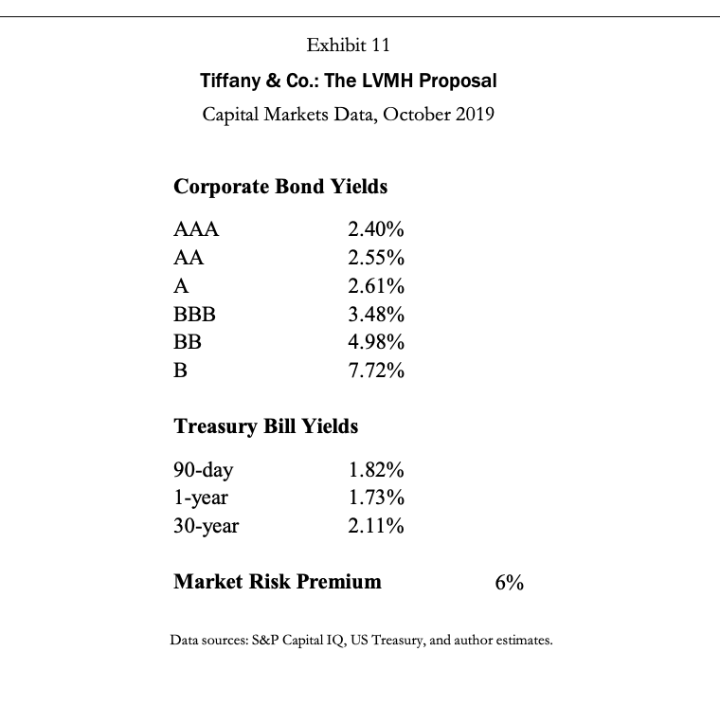
 | Revenue | EBITDA | EBIT | Net Income |  | Current | Current
 |  |  |  |  |  | Assets | Liabilities
Burberry Group plc | 3,548 | 925 | 605 | 456 |  | 1,544 | 912
Capri Holdings Limited | 5,571 | 640 | 441 | 337 |  | 1,895 | 1,803
Kering SA | 16,772 | 5,997 | 4,612 | 2,284 |  | 7,190 | 8,581
Pandora A/S | 3,294 | 1,061 | 628 | 468 |  | 6,268 | 10,159
Prada S.p.A. | 3,624 | 998 | 352 | 290 |  | 13,860 | 10,642
Ralph Lauren Corporation | 6,367 | 1,080 | 647 | 451 |  | 3,387 | 1,736
Tapestry, Inc. | 6,004 | 1,052 | 695 | 541 |  | 2,204 | 1,212
LVMH Moét Hennessy Louis Vuitton | 56,568 | 16,304 | 11,563 | 7,464 |  | 24,106 | 21,048
Tiffany & co. | 4,385 | 967 | 738 | 561 |  | 3,674 | 871

 | Share Price | Shares Out | Debt | Bond Rating | Beta | Employees | Dividend
 |  |  |  |  |  |  | Yield
Burberry Group plc | 24.59 | 413 | 873 | A—* | 1.15 | 10,629 | 2.20%
Capri Holdings Limited | 30.97 | 152 | 3,562 | BBB- | 0.97 | 17,797 | 0.00%
Kering SA | 530.96 | 126 | 6,170 | A— | 1.09 | 34,795 | 2.60%
Pandora A/S | 40.43 | 92 | 6,963 | BBB * | 1.52 | 32,000 | 6.80%
Prada S.p.A. | 3.1 | 2,559 | 23,149 | BB* | 1.68 | 13,556 | 2.00%
Ralph Lauren Corporation | 95.08 | 79 | 2,244 | A— | 1.05 | 24,300 | 1.90%
Tapestry, Inc. | 25.44 | 286 | 3,568 | BBB- | 1.08 | 21,000 | 4.30%
LVMH Moet Hennessy Louis Vuitton | 416.57 | 505 | 15,727 | A+ | 1.14 | 127,739 | 2.30%
Tiffany & co. | 91.58 | 122 | 1,854 | BBB+ | 1.05 | 14,200 | 2.40%

Valuation Analysis
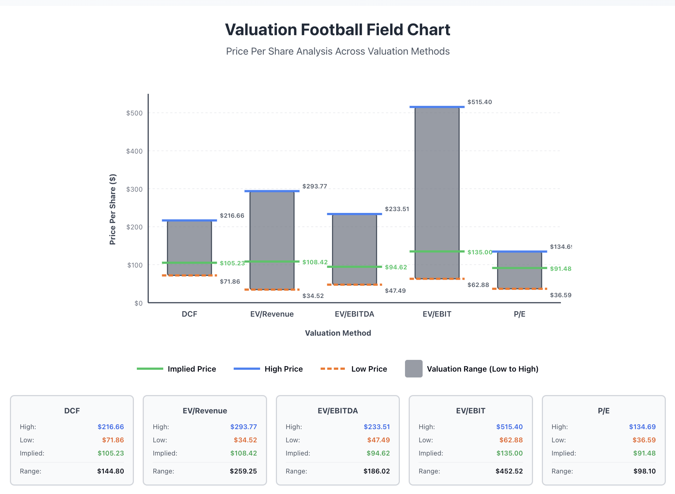
Valuation Analysis - Tiffany & Co.

Method | Low | Implied | High | Weights
DCF | 71.86 | 105.23 | 216.66 | 20%
EV/Revenue | 34.52 | 108.42 | 293.77 | 20%
EV/EBITDA | 47.49 | 94.62 | 233.51 | 20%
EV/EBIT | 62.88 | 135.00 | 515.40 | 20%
P/E | 36.55 | 91.48 | 134.69 | 20%
 |  | 107 |  | 100%

Method | Opening | High | Low | Close
DCF | 105.23 | 216.66 | 71.86 | 71.86
EV/Revenue | 108.42 | 293.77 | 34.52 | 34.52
EV/EBITDA | 94.62 | 233.51 | 47.49 | 47.49
EV/EBIT | 135.00 | 515.40 | 62.88 | 62.88
P/E | 91.48 | 134.69 | 36.55 | 36.55

Premium Analysis
30% Premium over Implied Value/Share |  | 139
Shares O/s |  | 122
Equity Value after Premium |  | 16,962

