Questions
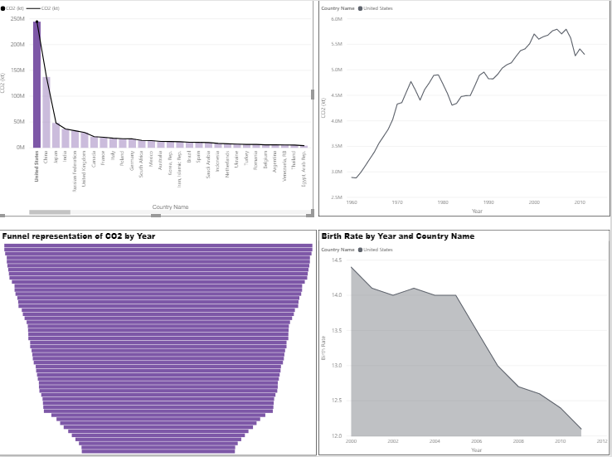
Create below views in Power BI Desktop

Overview : Gives the overall picture of Co2 emission at globally

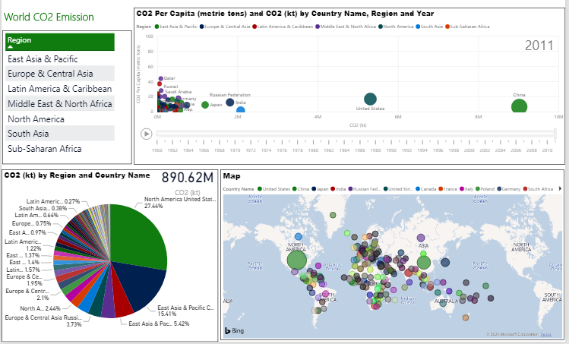

Functionality required

- Create a scatter plot with X-axis as Year and Yaxis as Co2 Per Capita Income
-The X-axis needs to be a play axis
-Each bubble represents country
-The size of bubble represents CO2
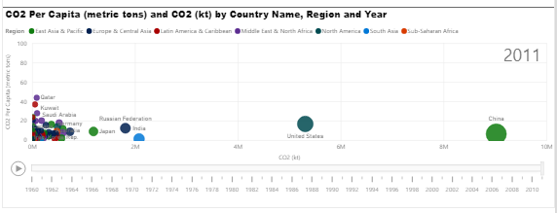

- Create a Pie chart with Countries as sectors and size of sector as CO2
-Also show the total CO2 for all the countries shown (Top right corner, highlighted in Red)

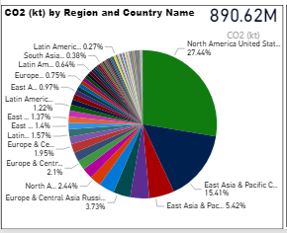

- Create a Map visual with each bubble as country and size of bubble as CO2

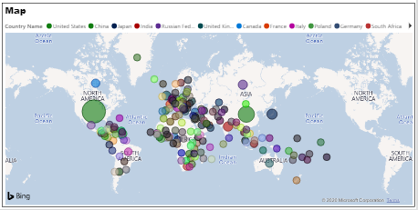

-On selecting a Region(South Asia in below example), all the other charts to be filtered accordingly

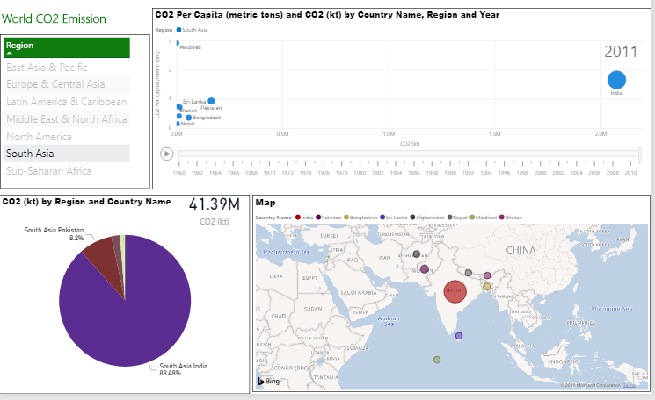

Deepdive : Country level analysis of Co2 emission

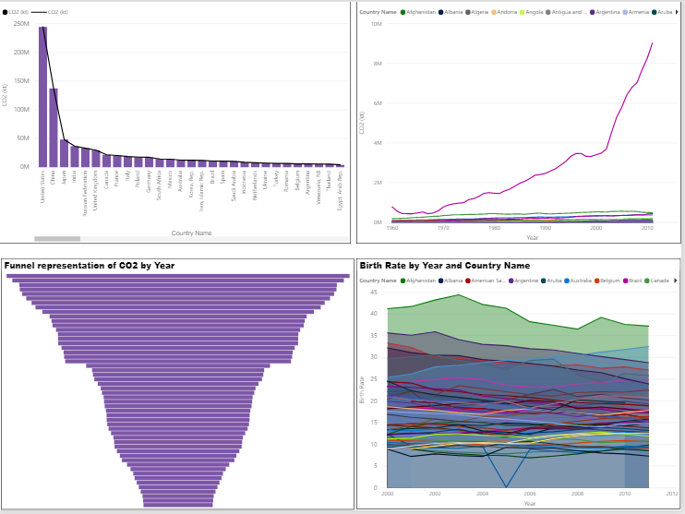

Functionality required

-Create a bar chart with countries as X-Axis and each bar represents CO2 emission

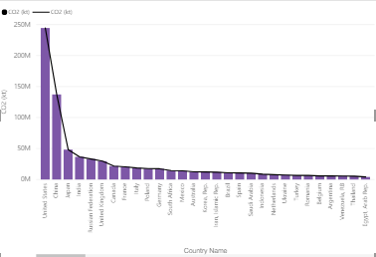

-Create a line chart with year as X-Axis and Co2 emission as Y-Axis
-Each line represents a country
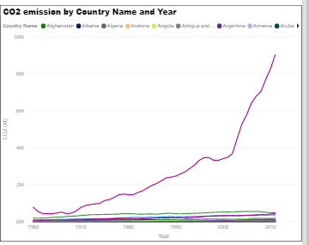

-Create a Funnel chart of Co2 emisison by year
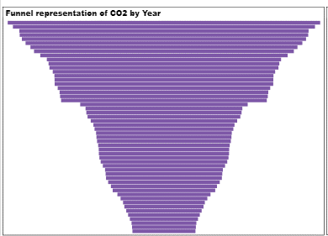

-Create an area chart with Year as Y-Axis and Birth Rate as X-Axis
- Each line represents a country

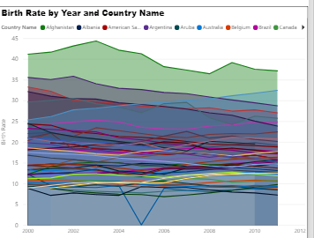

-On selecting a Country(United States in below example), all the other charts to be filtered accordingly

