Charts & Visuals
Supply Chain Analytics — Key Visualisations

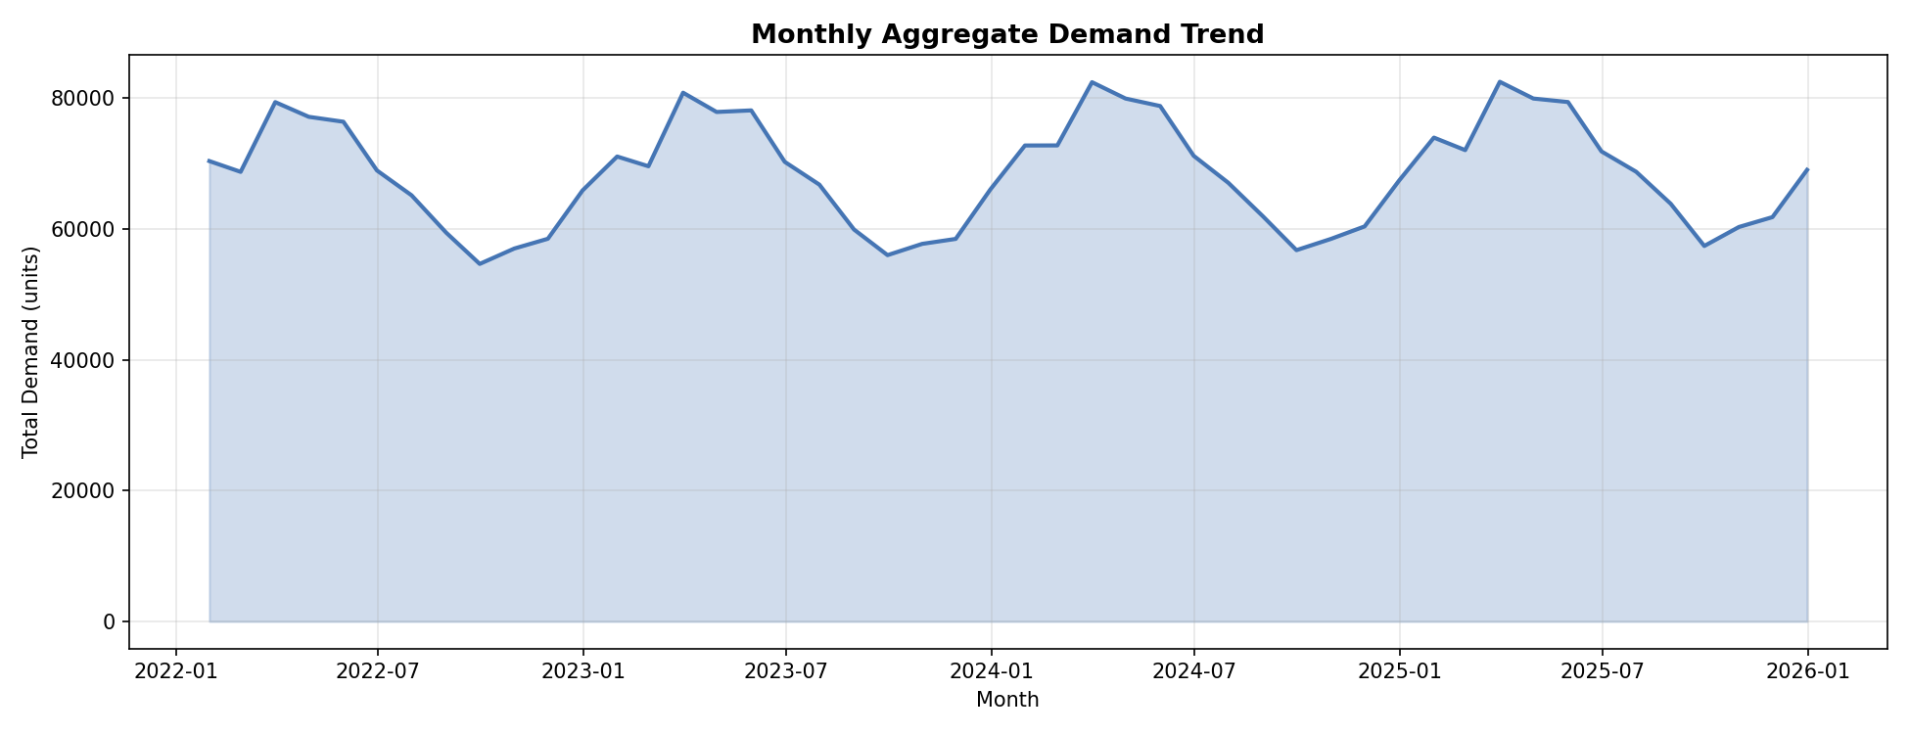
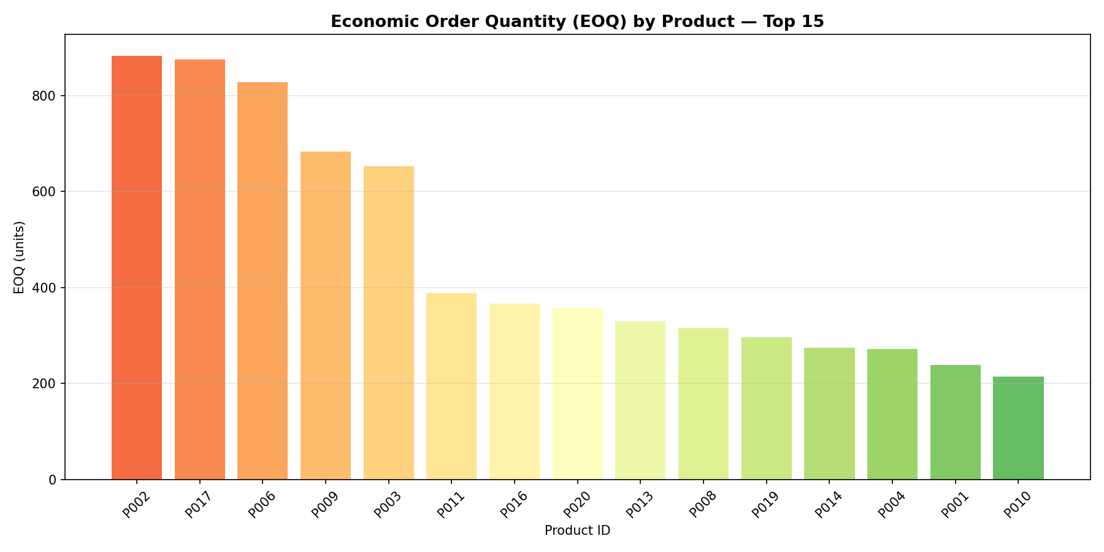

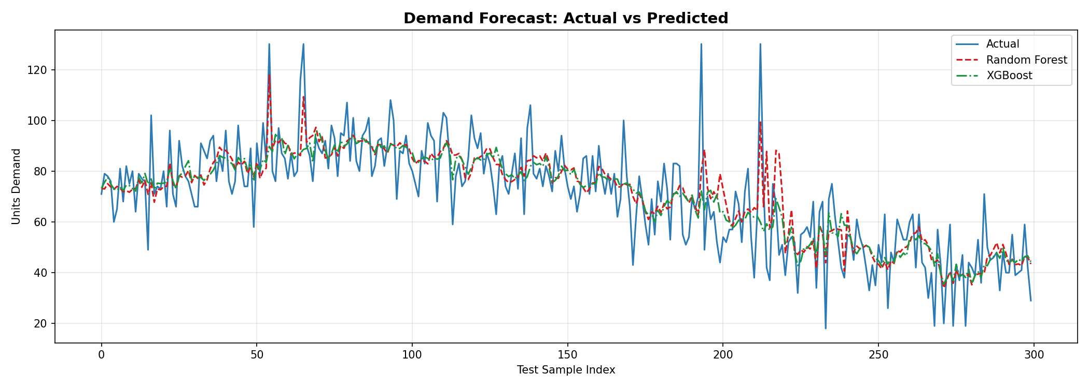
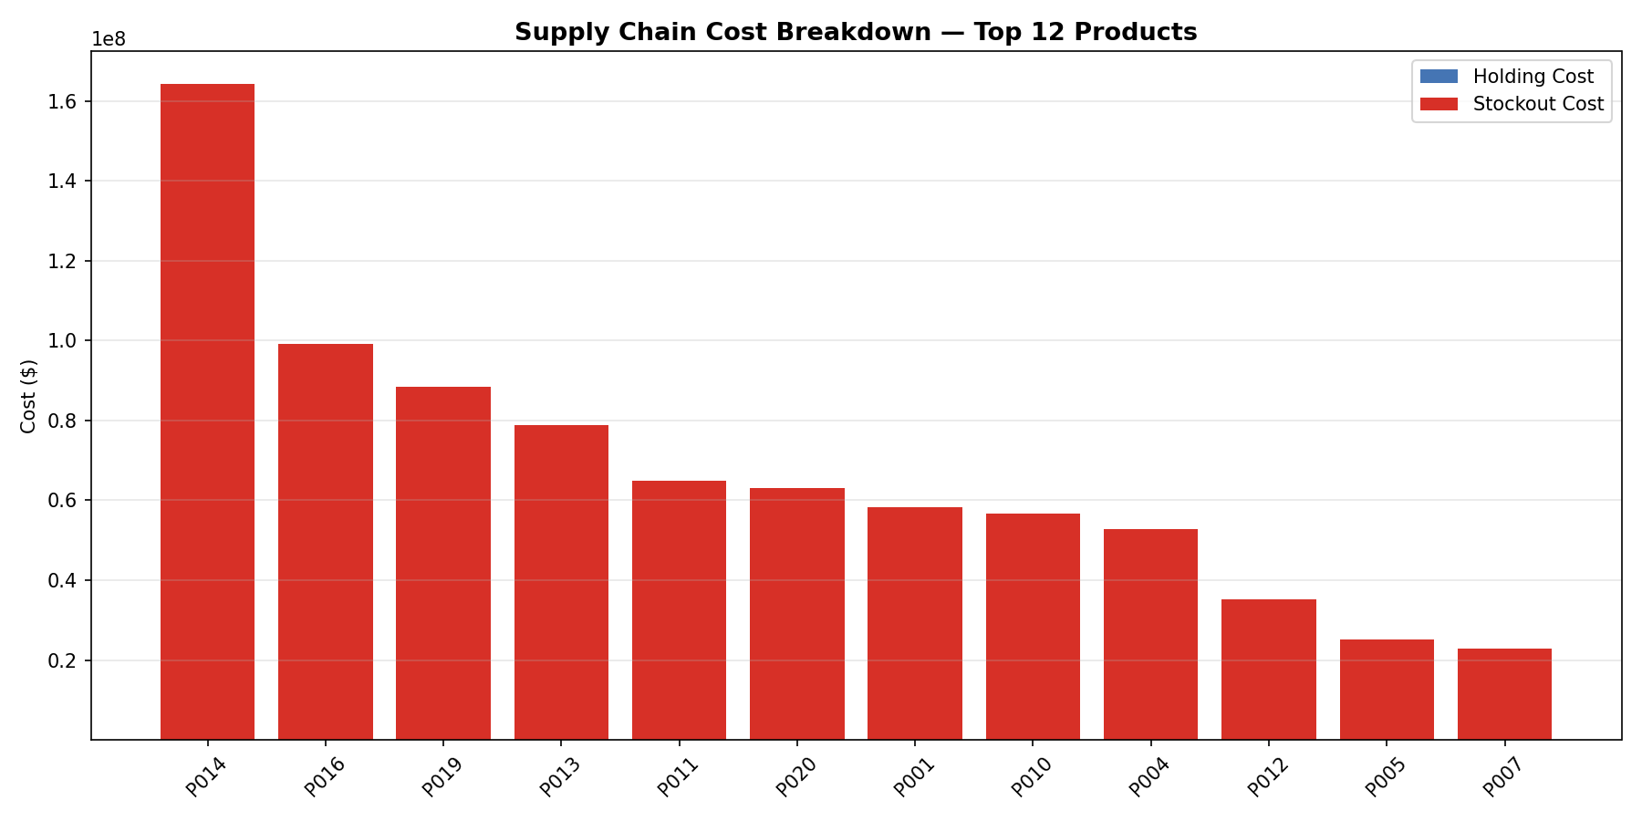

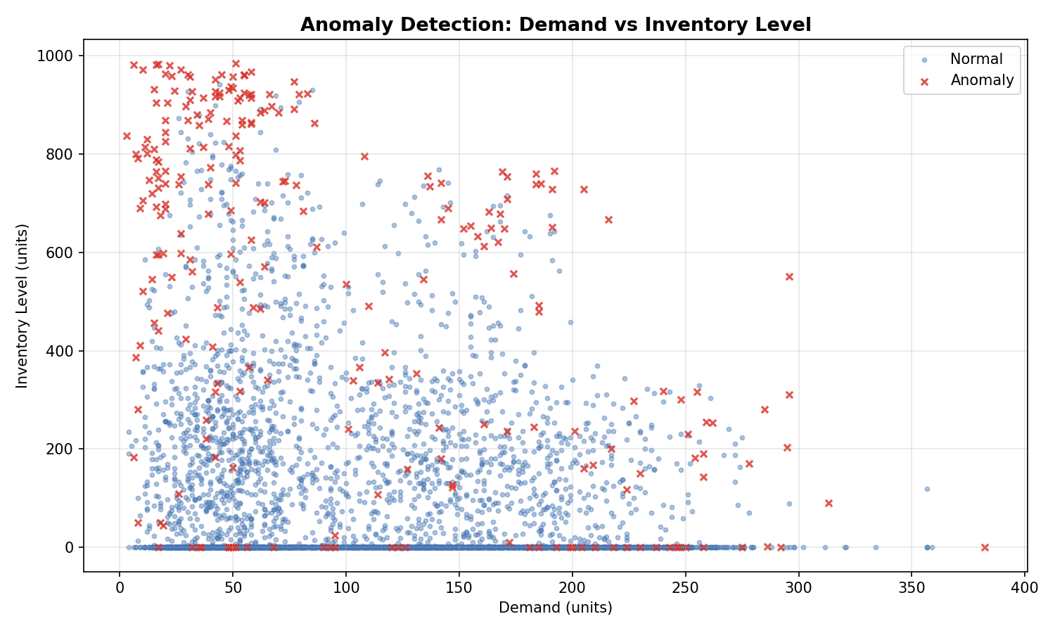
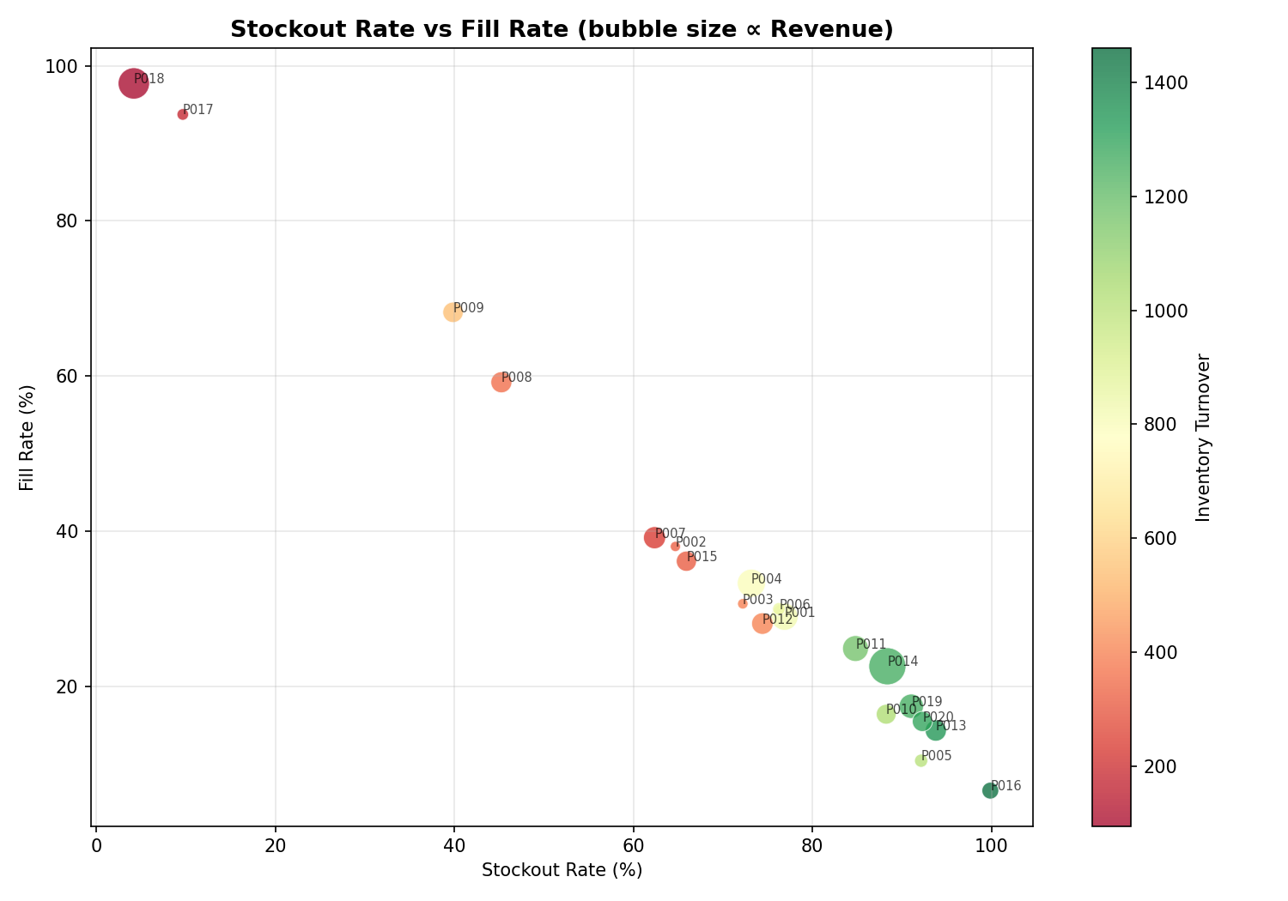

Revenue by Category
Category | Revenue
Apparel | 37760981
Automotive | 57289605
Electronics | 12316519
Furniture | 35582115
Grocery | 46061710

