High Level
 | PSAS Base 11 Space | Challenge Project |  | System Architecture

 |  |  | VERSION CONTROLLED DOCUMENT PLEASE MAKE A COPY, UPDATE THE CHANGELOG, VERSION AND DATE IF YOU EDIT THIS DOCUMENT. | Version | 2.0
Project Start (T0) | 2018-10-01 |  |  | Updated | 2020-12-26

 | 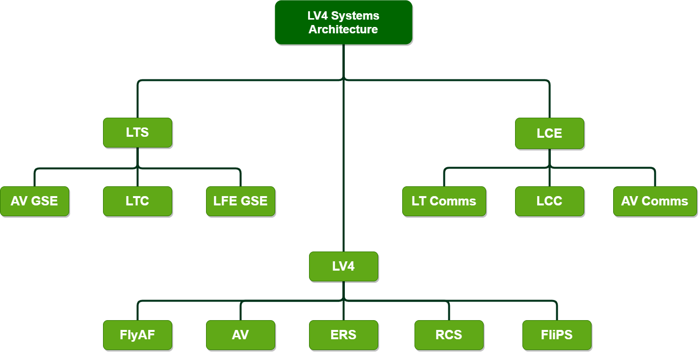

Tier | System / Subsystem | Parent | Notes: |  | Related Documents (link)
0 | PSAS | PSU | Portland State Aerospace Society
1 | Launch Vehicle 4 | PSAS | Main component of system-of-systems
2 | FlyAF | Launch Vehicle 4 | Flight Air Frame
2 | ERS | Launch Vehicle 4 | Electromechanical Recovery System
2 | RCS | Launch Vehicle 4 | Cold-Gas Reaction Control System
2 | AV | Launch Vehicle 4 | Avionics System
2 | FliPS | Launch Vehicle 4 | Flight Propulsion System
1 | Launch Tower Systems | PSAS | Support component of system-of-systems
2 | LTC | Launch Tower Systems | Launch Tower Computer
2 | AV GSE | Launch Tower Systems | Avionics Ground Support Equipment
2 | LFE GSE | Launch Tower Systems | Liquid Fuel Engine Ground Support
1 | Launch Control Equipment | PSAS | Support component of system-of-systems
2 | AV COMMS | Launch Control Equipment | AV Communications
2 | LCC | Launch Control Equipment | Launch Control Computer
2 | LT COMMS | Launch Control Equipment | Launch Tower Communications

Avionics
 | PSAS Base 11 Space Challenge Project |  |  | System Architecture

 |  |  | VERSION CONTROLLED DOCUMENT PLEASE MAKE A COPY, UPDATE THE CHANGELOG, VERSION AND DATE IF YOU EDIT THIS DOCUMENT. | Version | 2.0
Project Start (T0) | 2018-10-01 |  |  | Updated | 2020-12-26

 | Phase 2 Control Systems Concept
 | 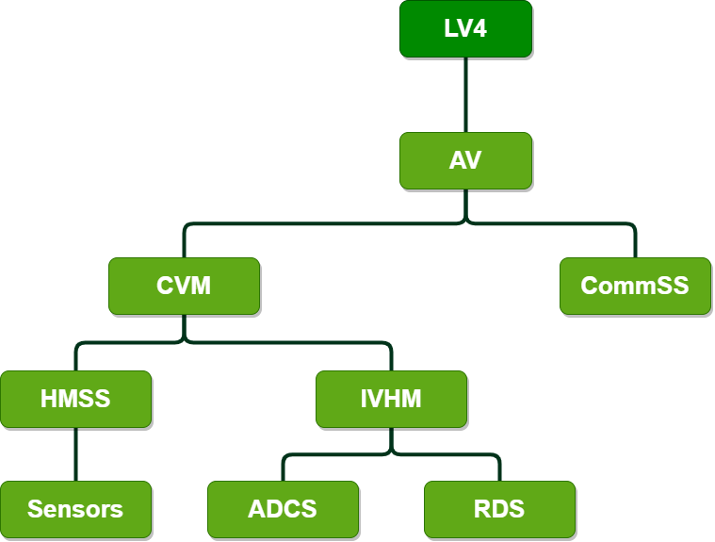

Tier | System / Subsystem | Parent | Notes: | Interfaces | Related Documents (link)
0 | PSAS | PSU | Portland State Aerospace Society
1 | LV4 | PSAS | Main component of system-of-systems
2 | AV | LV4 | Avionics System
3 | CVM | AV | Central Vehicle Manager
4 | HMSS | CVM | Health Monitoring Subsystem
5 | Sensors | HMSS | Embedded sensors throughout rocket | FlyAF, FliPS, IVHM-CS
4 | IVHM-CS | CVM | Integrated Vehicle Health Manager & Control System | HMSS
5 | RDS | IVHM-CS | Recovery Deployment Subsystem | ERS
5 | ADCS | IVHM-CS | Attitude Determination & Control Subsystem | RCS, FliPS(?)
3 | CommSS | AV | Communications Subsystem | AV Comms, AV GSE

