Forecast
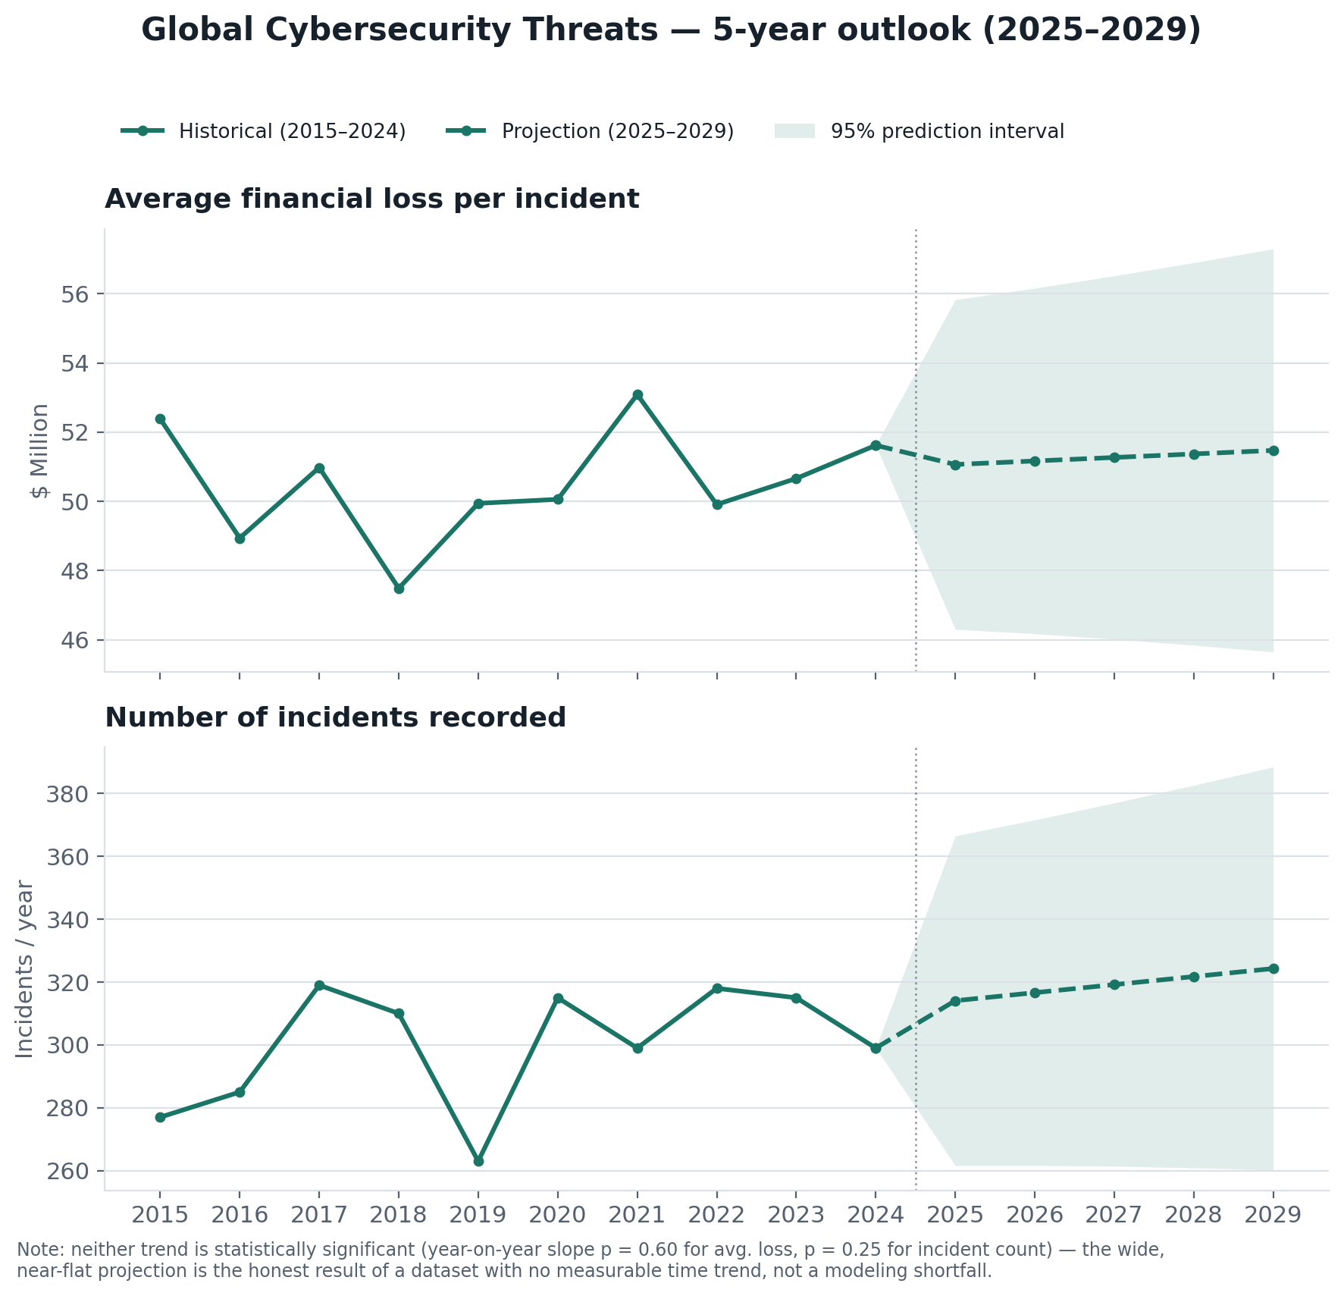
5-Year Outlook (2025–2029)
OLS trend + 95% prediction interval, fit on the 2015–2024 yearly aggregates.

Year | Type | Avg loss ($M) | Incidents | Avg loss — PI low | Avg loss — PI high | Incidents — PI low | Incidents — PI high
2015 | Historical | 52.38 | 277 | — | — | — | —
2016 | Historical | 48.94 | 285 | — | — | — | —
2017 | Historical | 50.98 | 319 | — | — | — | —
2018 | Historical | 47.49 | 310 | — | — | — | —
2019 | Historical | 49.94 | 263 | — | — | — | —
2020 | Historical | 50.06 | 315 | — | — | — | —
2021 | Historical | 53.09 | 299 | — | — | — | —
2022 | Historical | 49.91 | 318 | — | — | — | —
2023 | Historical | 50.66 | 315 | — | — | — | —
2024 | Historical | 51.62 | 299 | — | — | — | —
2025 | Projected | 51.06 | 314.1 | 46.3 | 55.83 | 261.6 | 366.5
2026 | Projected | 51.17 | 316.6 | 46.17 | 56.16 | 261.6 | 371.6
2027 | Projected | 51.27 | 319.2 | 46.02 | 56.52 | 261.4 | 377
2028 | Projected | 51.37 | 321.7 | 45.84 | 56.9 | 260.9 | 382.6
2029 | Projected | 51.47 | 324.3 | 45.64 | 57.3 | 260.2 | 388.4

Neither trend is statistically significant (see "Statistical Findings" tab) — the near-flat, wide-banded projection is the honest output, not a modeling shortfall.

