📊 Charts
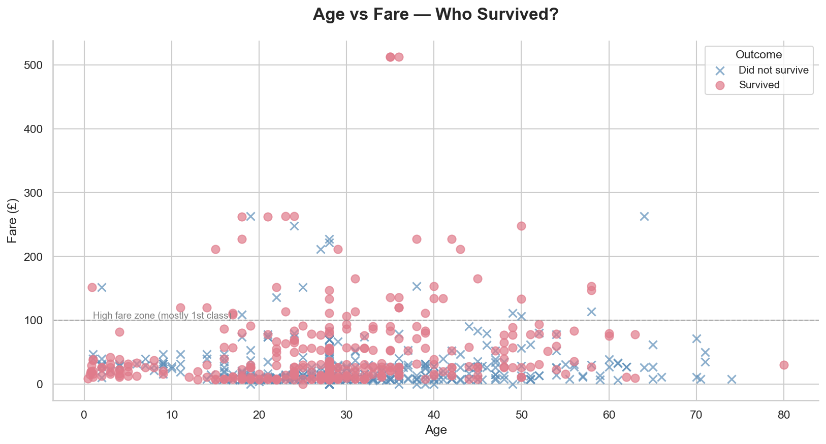
TITANIC — VISUAL ANALYSIS

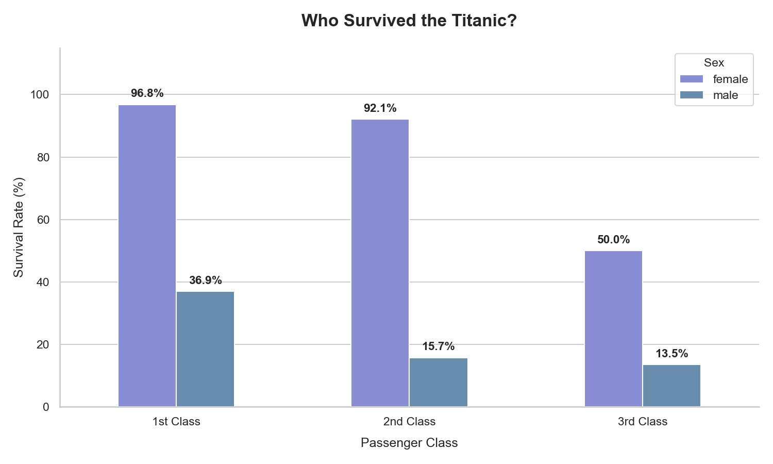
 | Survival by Class & Sex
Survival Rate by Sex
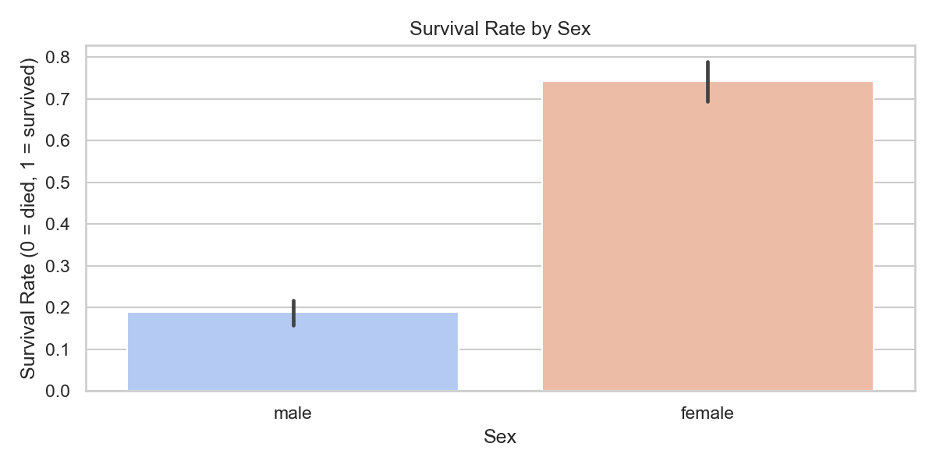

Age Distribution

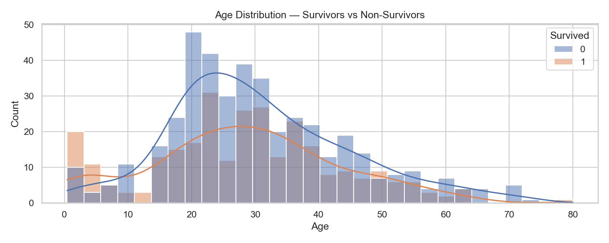

 | Fare Distribution
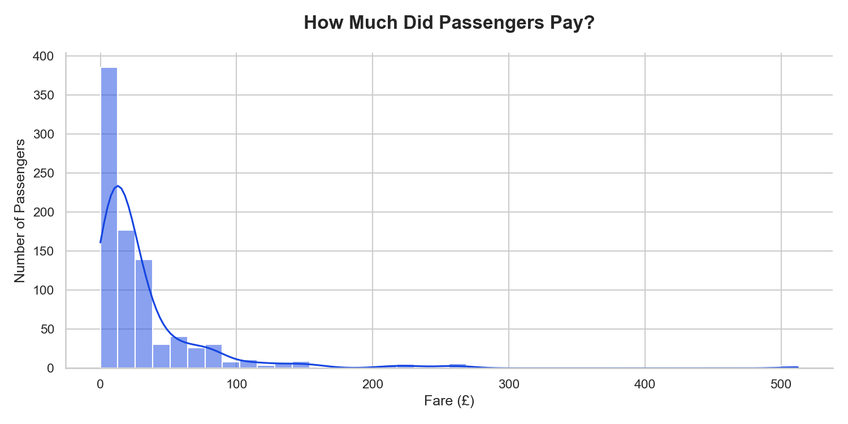

Fare by Class

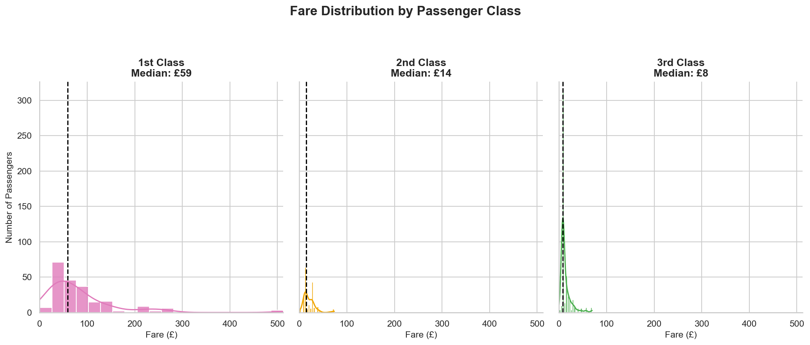
 |  | SCATTER PLOT: Age vs Fare colored by Survival

