Sheet1
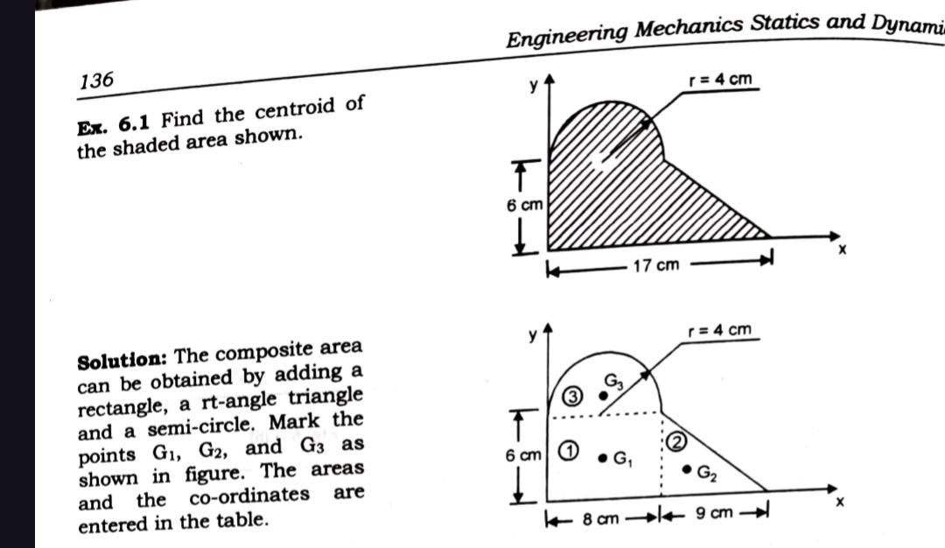
Sr No. | Name of Area | B | H | Constant | Area(A) | X | Y | AX | AY
1 | Triangle | 9 | 6 | 0.5 | 27 | 11 | 2 | 297 | 54
2 | Rectangle | 8 | 6 | 1 | 48 | 4 | 3 | 192 | 144
3 | Semi-circle | 4 | 4 | 1.5707963268 | 25.132741229 | 4 | 7.6976527263 | 100.53096491 | 193.46311404
 |  |  |  | Total Area | 100.13274123 |  |  | 589.53096491 | 391.46311404

 |  |  |  | X BAR | 5.8874945166 | cm
 |  |  |  | Y BAR | 3.9094416994 | cm

