Ques 1
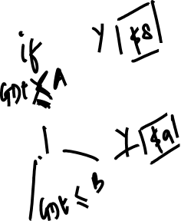
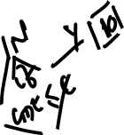
 | Date | Price | Date | Applicable Price
A | 15-Feb-04 | 8 | 4-Sep-24 | 11
B | 10-Apr-05 | 9
C | 15-Jan-06 | 10
D | 16-Jan-06 | 11

