Question 3
Question:
Identify the outlier and repeat the previous part, excluding the outlier.

To identify the outlier, we take the help of boxplot and run a code in R for the same:

library(ggplot2)
ggplot(cred_card,aes(y=age)) + geom_boxplot()
data.frame(table(cred_card$age))

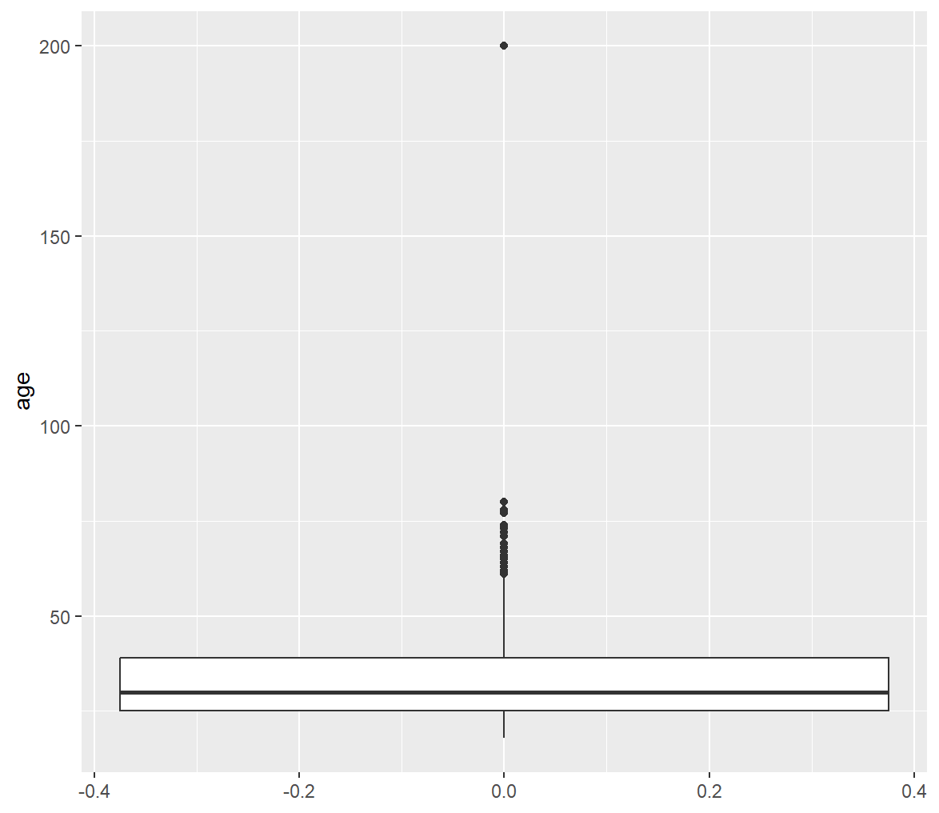

As seen in the figure, there is 1 extreme outlier, the age 200, which is an unrealistic value for age of a person.
Considering any age greater than 100 years as an extreme outlier, we remove them using the following R code:

library(ggplot2)
library(dplyr)
filtered_data <- cred_card %>% filter(age < 100)
ggplot(filtered_data, aes(y = age)) + geom_boxplot()

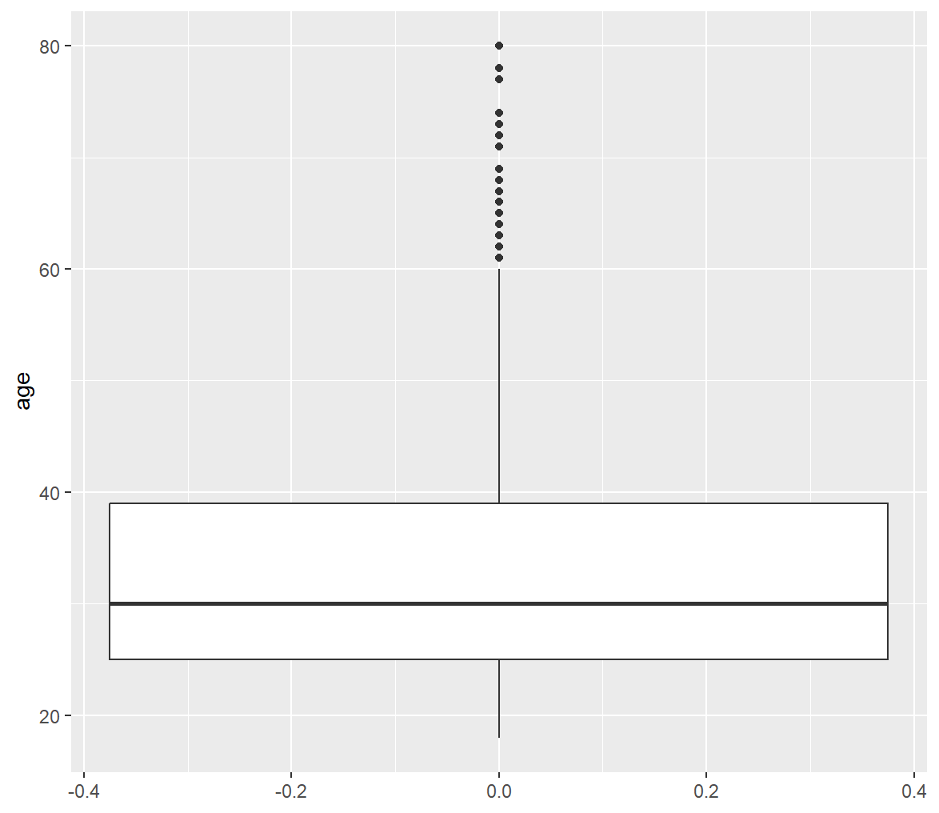

As we have removed the extreme outliers, we can now re-run our code for the descriptive statistics and percentiles:
library(dplyr)
filtered_data <- cred_card %>% filter(age < 100)
summary(filtered_data$age)
quantile(filtered_data$age, c(0.05,0.1,0.25,0.5,0.75,0.9,0.95), na.rm=T)

mean(filtered_data$age, na.rm=T)
sd(filtered_data$age, na.rm=T)
median(filtered_data$age, na.rm=T)
min(filtered_data$age, na.rm=T)
max(filtered_data$age, na.rm=T)
length(filtered_data$age)

The following are the outputs:
Descriptive Statistics for Age |  | Select Percentile for Age
Mean | 33.37899 | 5th | 20
S.D. | 11.4688 | 10th | 22
Median | 30 | 25th | 25
Minimum | 18 | 50th | 30
Maximum | 80 | 75th | 39
Obs. | 1599 | 90th | 52
 |  | 95th | 57

Here, we got rid of one outlier when we applied the filter of age < 100, (since it is unrealistic to have age more than 100 years).
In this filtered dataset we see the number of observed values to be 1599.
This is because when we applied the filter for age <100 it got rid of the other 3 observations as well which had missing values for the age variable.

Question 5
Question:
Draw a histogram of age excluding the outlier. Describe the shape of the histogram.

We have made the following histogram through a R code:
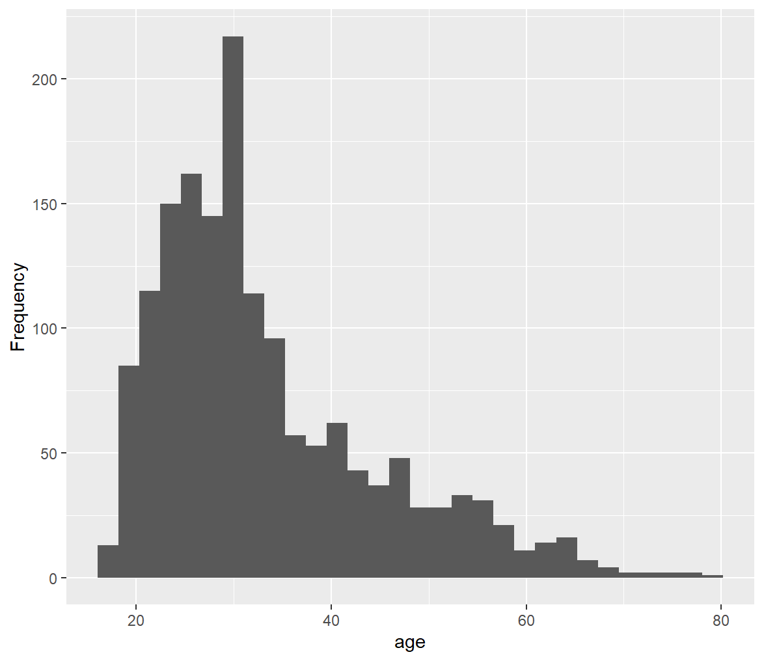
 | R Code:
 | library(ggplot2)
 | library(dplyr)
 | filtered_data <- cred_card %>% filter(age < 100)
 | ggplot(filtered_data, aes(x = age)) + geom_histogram() + labs(x="age", y="Frequency")

 | Shape:
 | The shape of the histogram is bell-shaped and it is skewed towards the right.

Question 6
Question:
Draw a histogram of the natural log of age, excluding the outlier. Describe the shape of the histogram.

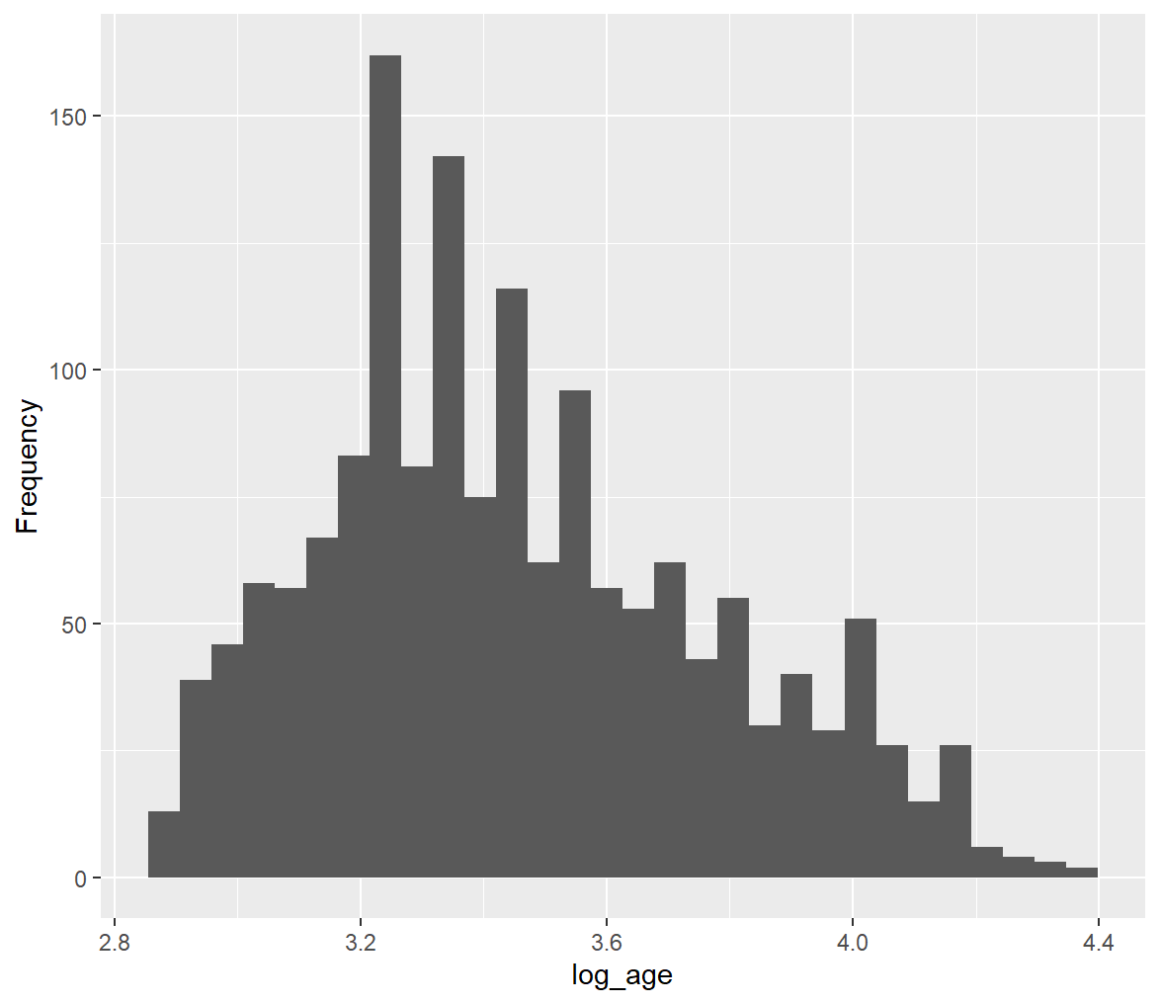
We have made the following histogram through a R code:
 | R Code:
 | library(ggplot2)
 | library(dplyr)
 | filtered_data <- cred_card %>% filter(age < 100)
 | ggplot(filtered_data, aes(x = log(age))) + geom_histogram() + labs(x="log_age", y="Frequency")

 | Shape:
 | The following graph considers log of age. This histogram is closer to the normal distribution as compared to the histogram of the age. This is because we have improved the distribution by considering the log of age and thus, this histogram is less skewed and more normal.

Question 10
Question:
Do higher income respondents make better choices among the credit card offers? To answer, report the percent choosing the dominant card by income level. Which describes the results: "higher income respondents tend to make better choices," "lower income respondents tend to make better choices," or "income levels and choices seem unrelated"?

Row Labels | Average of chosedom
Under $25,000 | 0.48266666667
$75,000 - $99,999 | 0.5076142132
$50,000 - $74,999 | 0.47398843931
$25,000 - $49,999 | 0.48902195609
$150,000 or over | 0.48936170213
$100,000 - $149,999 | 0.51094890511
Grand Total | 0.48845913911

People with household incomes below $150,000 tend to make poor choice in terms of credit card choice. One of the reasons for this could be that since income levels rise, the likelihood of making wiser choices increases. Higher income often reflects a higher level of education, which, in turn, raises the likelihood of making sound financial decisions. However, it's essential to note that extremely high-income people may not necessarily have a better education, as their wealth could be inherited instead of being earned through education and hard work. In such cases, they may not necessarily make smart choices when it comes to credit card selection.

Question 11
Question:
Replicate Table A.1 “summarizing the experimental design”. This is a cross tabulation: it tells the frequency of each possible pair of values for two variables.

Count of tagline | Column Labels
Row Labels | No taglines | Superfluous taglines | Grand Total
Baseline | 407 | 394 | 801
Implemental | 397 | 405 | 802
Grand Total | 804 | 799 | 1603

Average of chosedom | Column Labels
Row Labels | No taglines | Superfluous taglines | Grand Total
Baseline | 43% | 37% | 40%
Implemental | 65% | 51% | 58%
Grand Total | 54% | 44% | 49%

Question12
Question:
Figure 6 shows key results. Replicate it. Also, find the exact height of each grey bar.

Row Labels | No taglines | Superfluous taglines | Grand Total
Baseline | 0.43 | 0.37 | 0.40
Implemental | 0.65 | 0.51 | 0.58
Grand Total | 0.54 | 0.44 | 0.49

Choice Proportion of the Dominant Card in Each of the Four Experimental Treatments

