Prob
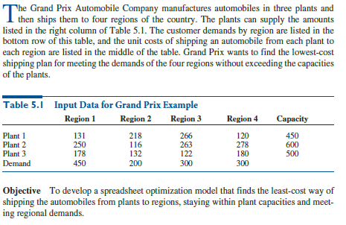

Model
Input:
Given:
1) capacity of production at each plant
2)demand in the regions
3) cost (production+transport) per each unit good
 | Region1 | Region2 | Regon3 | Region4 |  | Capacity
Plant1 | $131 | $218 | $266 | $120 |  | 450
Plant2 | $250 | $116 | $263 | $278 |  | 600
Plant3 | $178 | $132 | $122 | $180 |  | 500

Demand | 450 | 200 | 300 | 300
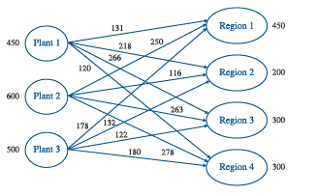

Transportation Model:

 | Region1 | Region2 | Regon3 | Region4 | Total |  | Capacity
Plant1 | 150 | 0 | 0 | 300 | 450 | <= | 450
Plant2 | 100 | 200 | 0 | 0 | 300 | <= | 600
Plant3 | 200 | 0 | 300 | 0 | 500 | <= | 500

Total | 450 | 200 | 300 | 300
 | >= | >= | >= | >=
Demand | 450 | 200 | 300 | 300

Objective Function:

Optimal Solution
Cost of Transportation |  |  | $176,050.00

ProbPart2
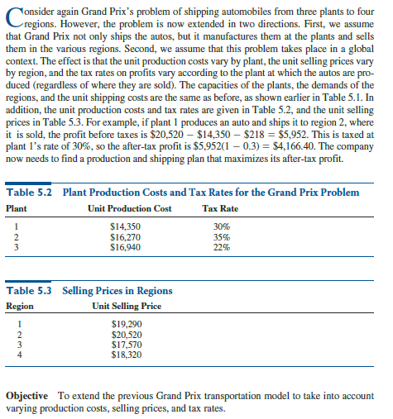
Given:
1) capacity of production at each plant
2) demand in the regions
3) cost transport for each auto shipped to each region
4) production cost for each unit at a plant
5) tax rate on profits
6) selling price at each region

Plant | UnitCost | TaxRate
1 | $14,350.00 | 0.30
2 | $16,270.00 | 0.35
3 | $16,940.00 | 0.22

Region | SellingPrice
1 | $19,290.00
2 | $20,520.00
3 | $17,570.00
4 | $18,320.00

ModelPart2
Input:
 | Region1 | Region2 | Regon3 | Region4 |  | Capacity
Plant1 | $131 | $218 | $266 | $120 |  | 450
Plant2 | $250 | $116 | $263 | $278 |  | 600
Plant3 | $178 | $132 | $122 | $180 |  | 500

Demand | 450 | 200 | 300 | 300

Plant | UnitCost | TaxRate
1 | $14,350.00 | 0.30
2 | $16,270.00 | 0.35
3 | $16,940.00 | 0.22

Region | SellingPrice |  | Region | 1 | 2 | 3 | 4
1 | $19,290.00 |  | SP | $19,290.00 | $20,520.00 | $17,570.00 | $18,320.00
2 | $20,520.00
3 | $17,570.00
4 | $18,320.00

Transportation Model:

 | Region1 | Region2 | Regon3 | Region4 |  | Total |  | Capacity
Plant1 | 450 | 0 | 0 | 0 |  | 450 | <= | 450
Plant2 | 0 | 0 | 300 | 300 |  | 600 | <= | 600
Plant3 | 0 | 500 | 0 | 0 |  | 500 | <= | 500

Total | 450 | 500 | 300 | 300
 | >= | >= | >= | >=
Demand | 450 | 200 | 300 | 300

Objective Function:
Plant |  | 1 | 2 | 3 | Total
ProdCost at each plant |  | $6,457,500.00 | $9,762,000.00 | $8,470,000.00 | $24,689,500.00
TransCost at each plant |  | $58,950.00 | $162,300.00 | $66,000.00 | $287,250.00
TotCost incurred at each plant |  | $6,516,450.00 | $9,924,300.00 | $8,536,000.00 | $24,976,750.00

Region |  | 1 | 2 | 3 | 4
Revenue from each region |  | $8,680,500.00 | $10,260,000.00 | $5,271,000.00 | $5,496,000.00

Plant |  | 1 | 2 | 3
Revenue from each plant |  | $8,680,500.00 | $10,767,000.00 | $10,260,000.00
Optimal Solution
Plant |  | 1 | 2 | 3
Profit Before Tax |  | $2,164,050.00 | $842,700.00 | $1,724,000.00
Tax |  | $649,215.00 | $294,945.00 | $379,280.00
Profit After Tax |  | $1,514,835.00 | $547,755.00 | $1,344,720.00 | $3,407,310.00

