RA_SLE_common_Tyagui
Genes | effectSize | effectSizeStandardError | effectSizePval | effectSizeFDR | tauSquared | numStudies | cochranesQ | heterogeneityPval | fisherStatUp | fisherPvalUp | fisherFDRUp | fisherStatDown | fisherPvalDown | fisherFDRDown | effectSize | effectSizeStandardError | effectSizePval | effectSizeFDR | tauSquared | numStudies | cochranesQ | heterogeneityPval | fisherStatUp | fisherPvalUp | fisherFDRUp | fisherStatDown | fisherPvalDown | fisherFDRDown
NUCKS1 | -0.4744395 | 0.14463737 | 0.00103734 | 0.03682945 | 0.08139443 | 6 | 23.1695923 | 0.00031327 | 10.6009756 | 0.56338853 | 0.7121822 | 82.7311508 | 1.24E-12 | 2.03E-11 | -0.5055111 | 0.14212846 | 0.00037552 | 0.00863101 | 0.07138783 | 7 | 12.9455116 | 0.04390943 | 6.97652013 | 0.93561324 | 1 | 77.0718447 | 9.84E-11 | 9.87E-10 | Deciphering novel common gene signatures for rheumatoid arthritis and systemic lupus erythematosus by integrative analysis of transcriptomic profiles
ROBO3 | -0.4121756 | 0.12493911 | 0.00097026 | 0.03538041 | 0.01919797 | 6 | 6.2977484 | 0.2783152 | 2.30311686 | 0.99877988 | 1 | 41.4231585 | 4.16E-05 | 0.000177554 | -0.4352128 | 0.08373616 | 2.02E-07 | 1.86E-05 | 0 | 7 | 5.75888125 | 0.4507352 | 7.22908272 | 0.92551953 | 1 | 77.9319387 | 6.83E-11 | 7.04E-10 | https://doi.org/10.1371/journal.pone.0281637
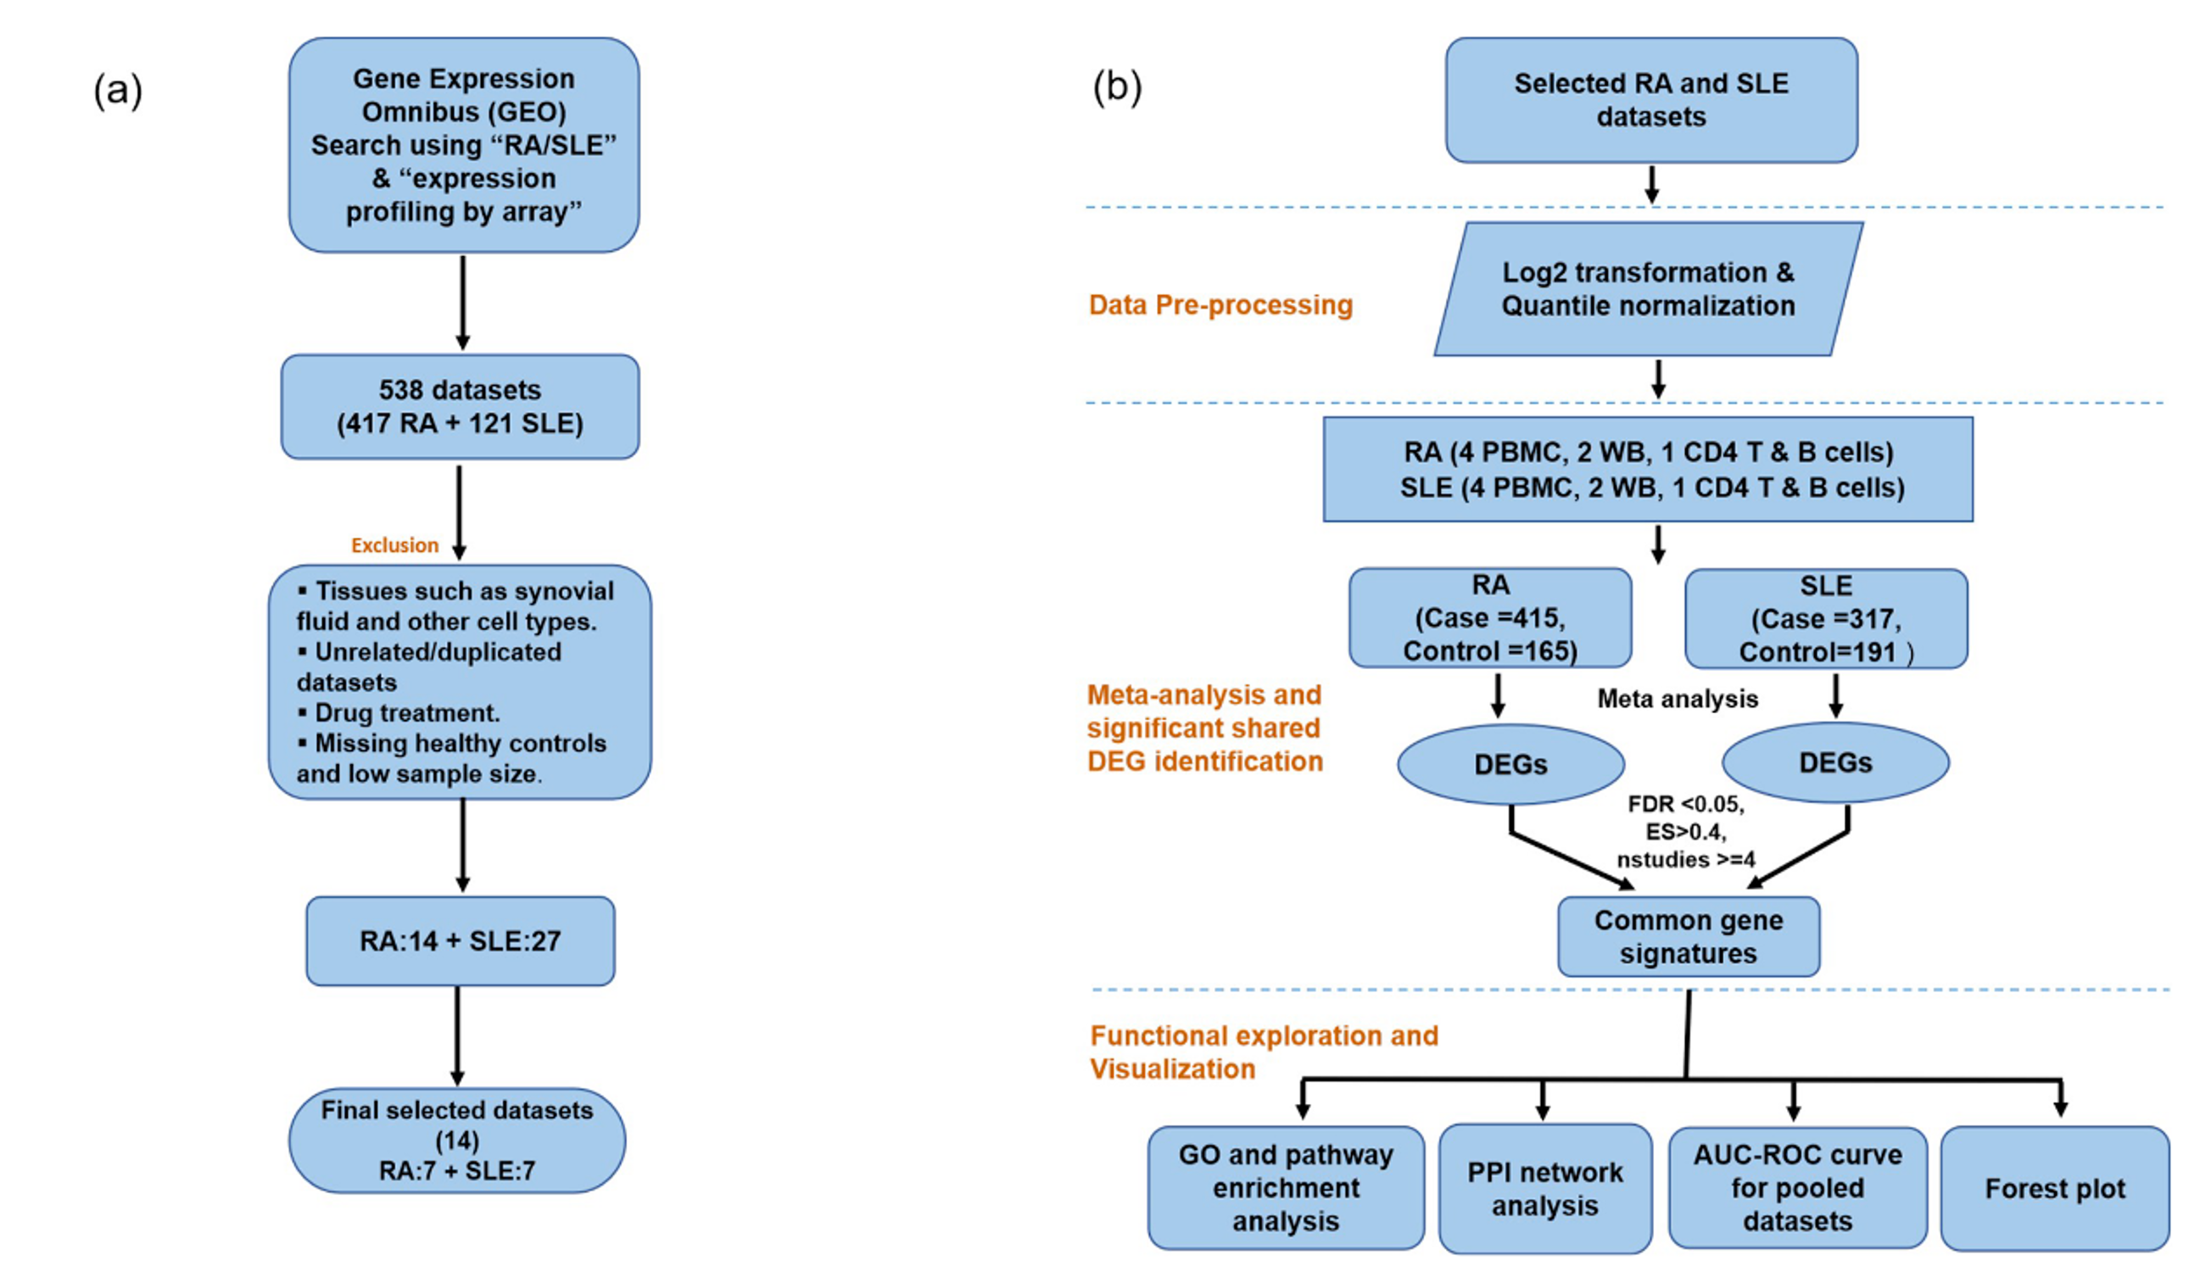
DHRS9 | 0.48190998 | 0.14522857 | 0.00090572 | 0.03411332 | 0.07470348 | 6 | 14.767206 | 0.01140475 | 65.8363619 | 1.91E-09 | 2.11E-08 | 5.1121163 | 0.95412889 | 0.98117379 | -0.5691946 | 0.19698569 | 0.00385827 | 0.04627024 | 0.09624105 | 4 | 8.25379826 | 0.04104758 | 1.7452963 | 0.9878496 | 1 | 55.0688387 | 4.28E-09 | 3.17E-08
LHFPL2 | 0.54527662 | 0.16396446 | 0.00088235 | 0.03350621 | 0.08503886 | 7 | 12.2762982 | 0.05608126 | 62.3107966 | 4.60E-08 | 3.92E-07 | 3.21643974 | 0.99862513 | 0.999998523 | -0.500792 | 0.13833314 | 0.00029439 | 0.00724701 | 0.05930361 | 6 | 11.1521859 | 0.0484447 | 3.25694172 | 0.99344206 | 1 | 56.6868172 | 9.00E-08 | 5.21E-07 | Common genes SLE and RA
SERTAD2 | -0.6261262 | 0.1872087 | 0.0008242 | 0.0317749 | 0.15625123 | 7 | 21.9148429 | 0.00125465 | 4.05231908 | 0.99514318 | 1 | 91.1449393 | 2.31E-13 | 4.22E-12 | -0.5976433 | 0.19105342 | 0.00175912 | 0.02656042 | 0.16744713 | 7 | 18.7037977 | 0.00469425 | 2.00300062 | 0.99991599 | 1 | 84.5525612 | 4.01E-12 | 5.06E-11
KLHL8 | 0.48531154 | 0.14391825 | 0.00074588 | 0.0297056 | 0.06587511 | 6 | 12.9055026 | 0.02428059 | 77.6644854 | 1.15E-11 | 1.92E-10 | 11.1941546 | 0.51235703 | 0.628137262 | 1.20249253 | 0.24194793 | 6.69E-07 | 5.12E-05 | 0.29291958 | 7 | 24.2608623 | 0.00046758 | 155.128766 | 6.75E-26 | 7.60E-24 | 0.23699005 | 1 | 1
FAM135A | 0.42803077 | 0.12506574 | 0.0006206 | 0.02647121 | 0.04044401 | 5 | 10.2268753 | 0.03677458 | 85.2304398 | 4.70E-14 | 1.20E-12 | 20.8768173 | 0.02196909 | 0.047088376 | -0.7613206 | 0.19119515 | 6.84E-05 | 0.00231504 | 0.10804208 | 4 | 12.7430519 | 0.00522654 | 1.1068494 | 0.99747899 | 1 | 94.4572677 | 5.77E-17 | 1.66E-15
NCAPG | 0.44904944 | 0.13101987 | 0.00060953 | 0.02632036 | 0.04013235 | 6 | 8.70788453 | 0.12129844 | 49.0100769 | 2.08E-06 | 1.28E-05 | 6.31489673 | 0.89938361 | 0.94640075 | 0.82968565 | 0.18532464 | 7.57E-06 | 0.00038969 | 0.17020548 | 7 | 23.3441062 | 0.00068905 | 124.238902 | 9.27E-20 | 4.76E-18 | 1.71193463 | 0.99996827 | 1
RBL2 | -0.8208174 | 0.23755856 | 0.00054984 | 0.02447553 | 0.30647404 | 7 | 39.3133667 | 6.21E-07 | 7.69687697 | 0.90451273 | 0.967288 | 182.832331 | 1.72E-31 | 5.64E-29 | 0.91230098 | 0.15438491 | 3.44E-09 | 6.05E-07 | 0.07910736 | 7 | 11.8414713 | 0.06560028 | 113.353516 | 1.25E-17 | 4.35E-16 | 0.40037679 | 1 | 1
IDH3B | -0.6348548 | 0.18236044 | 0.00049895 | 0.02276092 | 0.17338454 | 7 | 32.1897195 | 1.50E-05 | 8.09064057 | 0.88455055 | 0.95601815 | 137.554993 | 2.17E-22 | 1.76E-20 | -0.6722271 | 0.13582231 | 7.45E-07 | 5.62E-05 | 0.04695892 | 7 | 9.58501888 | 0.14325093 | 2.39537394 | 0.99975176 | 1 | 79.2178821 | 3.95E-11 | 4.21E-10
ACO1 | -0.590595 | 0.16932894 | 0.00048691 | 0.02234514 | 0.11660118 | 7 | 17.8794223 | 0.0065407 | 10.4935779 | 0.72528074 | 0.84675574 | 111.638438 | 2.69E-17 | 9.43E-16 | 0.86634978 | 0.13786052 | 3.29E-10 | 8.40E-08 | 0.05782338 | 7 | 11.3003221 | 0.07952641 | 109.673175 | 6.47E-17 | 2.05E-15 | 1.48801184 | 0.9999869 | 1
SLC22A4 | 0.60157251 | 0.1707911 | 0.00042787 | 0.02024411 | 0.09989839 | 7 | 13.3076042 | 0.03840307 | 85.2719938 | 2.94E-12 | 5.39E-11 | 5.91149942 | 0.96867299 | 0.989146445 | 1.10635132 | 0.08151971 | 5.90E-42 | 1.31E-37 | 0 | 4 | 2.30674257 | 0.51123044 | 122.462465 | 1.03E-22 | 7.70E-21 | 0.4489881 | 0.99991151 | 1
GPS2 | -0.7285506 | 0.20675571 | 0.00042552 | 0.02020937 | 0.18583545 | 7 | 19.3707154 | 0.00358128 | 2.70566297 | 0.99949024 | 1 | 119.911838 | 6.55E-19 | 2.99E-17 | -0.4939476 | 0.14543595 | 0.00068297 | 0.01345326 | 0.0654044 | 7 | 11.042658 | 0.08706695 | 2.00783614 | 0.99991474 | 1 | 59.5480372 | 1.41E-07 | 7.88E-07
SRGN | 0.58959413 | 0.16734267 | 0.00042625 | 0.02020937 | 0.1206523 | 7 | 21.2316824 | 0.00166677 | 143.644913 | 1.33E-23 | 1.93E-21 | 15.5554097 | 0.34127147 | 0.458875967 | -0.4914705 | 0.15359026 | 0.00137485 | 0.0222747 | 0.08094272 | 7 | 12.2829502 | 0.05594615 | 3.0157509 | 0.99904588 | 1 | 54.4966338 | 1.06E-06 | 5.04E-06
IMPDH2 | -0.9308978 | 0.26269284 | 0.00039459 | 0.01910396 | 0.35586059 | 7 | 30.0650968 | 3.82E-05 | 2.13397736 | 0.99987629 | 1 | 164.385178 | 9.30E-28 | 1.61E-25 | 1.33769346 | 0.46869944 | 0.00431652 | 0.04996891 | 0.77983879 | 4 | 33.9736133 | 2.01E-07 | 139.421485 | 3.13E-26 | 3.64E-24 | 0.29729165 | 0.99998193 | 1
CNNM3 | -0.7431651 | 0.20577891 | 0.00030446 | 0.01573857 | 0.15077798 | 6 | 14.6897653 | 0.01177352 | 2.25699252 | 0.99889826 | 1 | 121.541098 | 3.04E-20 | 1.75E-18 | 0.76769801 | 0.2324302 | 0.00095684 | 0.01726831 | 0.2828964 | 7 | 26.8660988 | 0.00015341 | 101.934264 | 2.02E-15 | 5.19E-14 | 4.61206257 | 0.99051313 | 1
MAPRE1 | -0.4760537 | 0.1309308 | 0.00027699 | 0.0147172 | 0.04912426 | 7 | 11.156825 | 0.08364882 | 6.45850798 | 0.95357977 | 0.99200782 | 73.2675385 | 4.91E-10 | 5.27E-09 | 1.12021025 | 0.28288556 | 7.50E-05 | 0.00248468 | 0.48603955 | 7 | 73.3076913 | 8.56E-14 | 198.768526 | 9.80E-35 | 2.29E-32 | 0.90933892 | 0.99999946 | 1
CAMP | 0.7720057 | 0.20966969 | 0.0002314 | 0.01283083 | 0.1889958 | 7 | 19.3524088 | 0.00360807 | 113.182836 | 1.35E-17 | 6.75E-16 | 4.39940468 | 0.99254385 | 0.999998523 | -1.6696462 | 0.32678193 | 3.23E-07 | 2.79E-05 | 0.39195031 | 5 | 17.4565731 | 0.0015754 | 0.18969827 | 0.99999994 | 1 | 175.211052 | 2.31E-32 | 7.88E-30
SRSF8 | -0.4990107 | 0.13540287 | 0.00022836 | 0.01274807 | 0.04489978 | 5 | 8.85823403 | 0.0647423 | 1.94864494 | 0.9967188 | 1 | 43.8405491 | 3.52E-06 | 1.90E-05 | -1.1225902 | 0.29082415 | 0.00011337 | 0.00341195 | 0.53583029 | 7 | 78.1132448 | 8.77E-15 | 3.30769929 | 0.9983915 | 1 | 226.305079 | 2.22E-40 | 2.59E-37
HIVEP2 | -0.5539316 | 0.149705 | 0.00021547 | 0.01212339 | 0.08699766 | 7 | 17.0076568 | 0.00925515 | 3.09019567 | 0.9989037 | 1 | 85.5317634 | 2.63E-12 | 4.12E-11 | -0.5595067 | 0.17682742 | 0.00155542 | 0.02434667 | 0.16041007 | 7 | 30.1500127 | 3.68E-05 | 14.8297269 | 0.38989255 | 0.55395661 | 111.62346 | 2.71E-17 | 8.15E-16
ANXA3 | 0.82252597 | 0.22164164 | 0.00020639 | 0.01172794 | 0.22460535 | 7 | 21.0143068 | 0.00182379 | 144.975737 | 7.25E-24 | 1.08E-21 | 3.86967767 | 0.99620037 | 0.999998523 | 0.45366676 | 0.15801492 | 0.00409127 | 0.04816581 | 0.09177867 | 6 | 13.8673562 | 0.01647431 | 100.421843 | 4.60E-16 | 1.29E-14 | 7.8313645 | 0.79816592 | 0.90986895
ALDOC | -0.546658 | 0.14228122 | 0.00012199 | 0.00761181 | 0.0500698 | 7 | 9.77983716 | 0.134235 | 4.48385008 | 0.99178027 | 1 | 71.9009459 | 8.72E-10 | 9.01E-09 | -0.6547069 | 0.08962373 | 2.77E-13 | 1.92E-10 | 0.01011927 | 7 | 7.32519567 | 0.29181726 | 43.3276248 | 7.59E-05 | 0.0002886 | 180.675781 | 4.72E-31 | 1.18E-28
POLG2 | -0.4628255 | 0.12044275 | 0.00012169 | 0.00761181 | 0.02011646 | 7 | 7.5170026 | 0.27566546 | 4.02436198 | 0.99531787 | 1 | 50.3098513 | 5.42E-06 | 2.81E-05 | -0.5040342 | 0.10299853 | 9.90E-07 | 7.09E-05 | 0 | 7 | 3.27485702 | 0.77364229 | 1.51181924 | 0.99998551 | 1 | 50.5508315 | 4.94E-06 | 2.09E-05
GSPT2 | -0.728593 | 0.18925177 | 0.00011818 | 0.00749705 | 0.10949359 | 6 | 12.0495837 | 0.03411465 | 0.3162312 | 0.99999998 | 1 | 63.7128777 | 4.71E-09 | 4.27E-08 | -0.6083216 | 0.17016528 | 0.00035038 | 0.00821502 | 0.11605546 | 7 | 14.8662524 | 0.02132287 | 2.74802613 | 0.9994419 | 1 | 76.4929013 | 1.26E-10 | 1.24E-09
KLHL25 | -0.5471599 | 0.14176056 | 0.0001135 | 0.00722014 | 0.04930859 | 7 | 9.71487829 | 0.13718408 | 3.34536317 | 0.99828654 | 1 | 72.5092504 | 6.75E-10 | 7.10E-09 | 1.35964658 | 0.38509355 | 0.00041447 | 0.00922071 | 0.94364026 | 7 | 88.4569245 | 1.11E-16 | 288.483581 | 2.97E-53 | 2.35E-50 | 4.94343126 | 0.98658447 | 1
VPS51 | -0.8461821 | 0.21922882 | 0.00011347 | 0.00722014 | 0.07421394 | 4 | 4.82964995 | 0.18470452 | 1.79225106 | 0.98673181 | 1 | 61.7949917 | 2.07E-10 | 2.35E-09 | -0.4083789 | 0.13454026 | 0.00240244 | 0.03315875 | 0.06902914 | 7 | 14.5919695 | 0.02367908 | 10.0113907 | 0.7613502 | 0.91028772 | 68.1047401 | 4.25E-09 | 3.15E-08
CLIC3 | -0.4033488 | 0.10415692 | 0.00010772 | 0.00696831 | 0.00126997 | 6 | 5.08559398 | 0.40552382 | 2.81774206 | 0.99669968 | 1 | 38.6980418 | 0.00011799 | 0.000460227 | -0.7457792 | 0.25908234 | 0.00399519 | 0.04736148 | 0.37446803 | 7 | 33.5142062 | 8.35E-06 | 3.25458759 | 0.99853093 | 1 | 114.362958 | 7.94E-18 | 2.60E-16
PDZD4 | -0.683061 | 0.17610745 | 0.00010503 | 0.00687218 | 0.0883984 | 6 | 10.74473 | 0.05668284 | 2.6678784 | 0.9974691 | 1 | 81.5256901 | 2.11E-12 | 3.33E-11 | -0.4230036 | 0.11030507 | 0.00012564 | 0.00369098 | 0.04085688 | 7 | 12.7930351 | 0.04644286 | 6.18042388 | 0.96173684 | 1 | 72.1113413 | 7.98E-10 | 6.76E-09
TNFSF13B | 0.7610347 | 0.19415119 | 8.86E-05 | 0.0060761 | 0.14663728 | 6 | 18.3784322 | 0.00250767 | 129.640895 | 7.29E-22 | 8.10E-20 | 7.09346922 | 0.85137536 | 0.911306706 | -0.680928 | 0.22671041 | 0.00266881 | 0.03576686 | 0.27753571 | 7 | 27.7553089 | 0.00010447 | 4.52742593 | 0.99136448 | 1 | 102.89041 | 1.32E-15 | 3.06E-14
DEFA4 | 0.54017303 | 0.13702604 | 8.08E-05 | 0.0056908 | 0.04140222 | 7 | 9.0977412 | 0.16815534 | 66.6030086 | 7.90E-09 | 7.88E-08 | 4.17724793 | 0.99430208 | 0.999998523 | -0.5531928 | 0.12585666 | 1.11E-05 | 0.00052849 | 0.03160618 | 7 | 8.45697845 | 0.20649801 | 2.95777779 | 0.99914621 | 1 | 62.0295303 | 5.15E-08 | 3.10E-07
PACSIN1 | -0.6790582 | 0.17104095 | 7.18E-05 | 0.0052889 | 0.09686203 | 6 | 13.7952091 | 0.01696396 | 7.63457658 | 0.81299562 | 0.90970967 | 124.78521 | 6.84E-21 | 4.27E-19 | 0.47364552 | 0.14226883 | 0.00087087 | 0.01613688 | 0.07326104 | 6 | 14.2346606 | 0.01418556 | 76.688843 | 1.76E-11 | 2.47E-10 | 11.8206438 | 0.46018947 | 0.59459236
EIF3L | -0.8450731 | 0.21069601 | 6.05E-05 | 0.00460259 | 0.06172533 | 4 | 4.50324806 | 0.21200075 | 1.64258528 | 0.99007965 | 1 | 57.9636263 | 1.17E-09 | 1.18E-08 | -0.5613651 | 0.14842957 | 0.00015555 | 0.00438399 | 0.07075094 | 7 | 11.4328775 | 0.0758844 | 3.0150841 | 0.99904708 | 1 | 67.7062791 | 5.01E-09 | 3.66E-08
B4GALT5 | 0.41855247 | 0.10180802 | 3.94E-05 | 0.0032424 | 0.01769463 | 7 | 8.03487155 | 0.23555965 | 53.6587033 | 1.47E-06 | 9.34E-06 | 2.58389157 | 0.99961092 | 0.999998523 | 0.83065583 | 0.20705106 | 6.02E-05 | 0.00210675 | 0.20640019 | 7 | 20.7016437 | 0.00207528 | 123.511716 | 1.29E-19 | 6.42E-18 | 3.00831728 | 0.99905924 | 1
CBX7 | -0.408858 | 0.09899567 | 3.63E-05 | 0.00304217 | 0.00031391 | 7 | 6.02397374 | 0.42050989 | 5.31302979 | 0.98096161 | 1 | 42.0108316 | 0.00012314 | 0.000478356 | -0.5181796 | 0.1690848 | 0.00217951 | 0.03090894 | 0.10926419 | 7 | 13.9236827 | 0.03050039 | 2.43620458 | 0.99972544 | 1 | 61.3524034 | 6.79E-08 | 4.01E-07
PBK | 0.42888129 | 0.10273506 | 2.98E-05 | 0.00263894 | 0 | 6 | 2.80294624 | 0.73033379 | 39.8028376 | 7.75E-05 | 0.00034868 | 1.14721691 | 0.99996966 | 0.999998523 | 0.40891743 | 0.12402478 | 0.00097702 | 0.01752745 | 0.04730887 | 7 | 11.1077814 | 0.08510189 | 85.2708793 | 2.94E-12 | 4.65E-11 | 6.52642486 | 0.95143157 | 1
TGS1 | -0.5515583 | 0.12847227 | 1.76E-05 | 0.00177661 | 0.04428989 | 6 | 10.1270711 | 0.07171377 | 9.79322008 | 0.63409569 | 0.77279358 | 127.191693 | 2.26E-21 | 1.57E-19 | -0.6273427 | 0.1822357 | 0.00057641 | 0.01189276 | 0.11712694 | 5 | 19.8850702 | 0.00052617 | 5.73369716 | 0.83711858 | 0.96651166 | 82.5962616 | 1.55E-13 | 2.51E-12
LRFN3 | -0.4570816 | 0.10336271 | 9.77E-06 | 0.00109718 | 0 | 6 | 3.88412488 | 0.566217 | 1.98046804 | 0.99943517 | 1 | 42.1802128 | 3.11E-05 | 0.000136933 | 0.99511588 | 0.16622148 | 2.14E-09 | 3.99E-07 | 0.11992053 | 7 | 17.3545096 | 0.00806498 | 151.872269 | 3.03E-25 | 3.19E-23 | 1.65676675 | 0.99997416 | 1
USP13 | -0.4080765 | 0.09173991 | 8.66E-06 | 0.00099652 | 0.01212867 | 7 | 7.57885436 | 0.27060865 | 8.5986812 | 0.85586853 | 0.93871303 | 90.0719172 | 3.68E-13 | 6.53E-12 | 1.07391348 | 0.27948293 | 0.00012179 | 0.00361127 | 0.44363363 | 7 | 36.8174102 | 1.91E-06 | 172.376753 | 2.27E-29 | 3.54E-27 | 0.73120053 | 0.99999987 | 1
NMT2 | -0.6270084 | 0.14075394 | 8.40E-06 | 0.00097684 | 0.07923735 | 7 | 20.5481875 | 0.00221083 | 3.60183652 | 0.99742337 | 1 | 147.010686 | 2.84E-24 | 3.26E-22 | -0.7728031 | 0.20829613 | 0.00020716 | 0.00550945 | 0.2520205 | 7 | 53.4384502 | 9.57E-10 | 1.73472515 | 0.99996553 | 1 | 128.947386 | 1.10E-20 | 6.05E-19
ACVR2A | 0.70928004 | 0.15810339 | 7.25E-06 | 0.00086938 | 0.09320003 | 7 | 15.5686052 | 0.01626661 | 96.2763526 | 2.44E-14 | 6.62E-13 | 1.92569387 | 0.99993406 | 0.999998523 | -0.4656958 | 0.15514557 | 0.00268503 | 0.03587886 | 0.11655436 | 7 | 29.1267792 | 5.76E-05 | 9.55525208 | 0.79392362 | 0.93432514 | 94.087378 | 6.38E-14 | 1.10E-12
LDOC1 | -0.459418 | 0.09858879 | 3.16E-06 | 0.00044711 | 0 | 7 | 5.1159303 | 0.52903262 | 4.2322041 | 0.99389947 | 1 | 46.4608142 | 2.36E-05 | 0.000106661 | 1.88919909 | 0.26379768 | 7.98E-13 | 4.54E-10 | 0.40337985 | 7 | 40.7800428 | 3.20E-07 | 361.060477 | 1.96E-68 | 4.36E-65 | 0.41795035 | 1 | 1
TNFAIP6 | 0.72365731 | 0.1542591 | 2.72E-06 | 0.00039874 | 0.08674762 | 7 | 14.8737058 | 0.02126207 | 112.674338 | 1.69E-17 | 8.23E-16 | 3.28159149 | 0.99846127 | 0.999998523 | -0.4905928 | 0.16051567 | 0.00224046 | 0.03153138 | 0.08745878 | 6 | 12.5180798 | 0.02833871 | 10.388275 | 0.58193779 | 0.7509967 | 76.4057084 | 1.99E-11 | 2.22E-10
HERC6 | 0.47811825 | 0.10137227 | 2.40E-06 | 0.00035919 | 0.01537881 | 6 | 6.76582605 | 0.23864674 | 107.863897 | 1.58E-17 | 7.76E-16 | 6.61468361 | 0.88199203 | 0.933993867 | 0.64848054 | 0.15201347 | 1.99E-05 | 0.00086066 | 0.0742435 | 7 | 11.5215854 | 0.07353325 | 70.1093882 | 1.84E-09 | 1.81E-08 | 0.93900771 | 0.99999934 | 1
EIF4B | -0.5342479 | 0.10961532 | 1.09E-06 | 0.00020886 | 0.03261604 | 7 | 11.1241621 | 0.08461402 | 7.75963516 | 0.90146872 | 0.96593946 | 82.9853884 | 7.88E-12 | 1.14E-10 | -0.6900236 | 0.14180935 | 1.14E-06 | 7.92E-05 | 0.04186852 | 6 | 7.75361973 | 0.17034707 | 2.28535026 | 0.99882658 | 1 | 72.7717657 | 9.67E-11 | 9.72E-10
TMEM8B | -0.5948675 | 0.12101054 | 8.84E-07 | 0.00017759 | 0.01349913 | 5 | 4.77837801 | 0.31080227 | 2.87061489 | 0.98430696 | 1 | 60.3490553 | 3.11E-09 | 2.93E-08 | -0.6324033 | 0.1431 | 9.90E-06 | 0.00048374 | 0.06013501 | 7 | 10.6040671 | 0.1014115 | 1.34862184 | 0.99999301 | 1 | 74.0453373 | 3.54E-10 | 3.20E-09
WDR59 | -0.6242457 | 0.12561179 | 6.71E-07 | 0.00014491 | 0.05098721 | 6 | 15.0586348 | 0.01011472 | 9.65619368 | 0.64609384 | 0.78349656 | 112.633566 | 1.80E-18 | 7.77E-17 | -0.6640477 | 0.20313878 | 0.00107953 | 0.01871018 | 0.21746213 | 7 | 28.4223179 | 7.82E-05 | 4.54634426 | 0.99117925 | 1 | 114.13616 | 8.79E-18 | 2.86E-16
AFG3L2 | -0.5431759 | 0.10863331 | 5.73E-07 | 0.00012618 | 0.01641768 | 6 | 6.46575981 | 0.26349772 | 5.40737673 | 0.94297147 | 0.98801638 | 58.4733876 | 4.28E-08 | 3.29E-07 | -0.5897418 | 0.13310457 | 9.39E-06 | 0.00046406 | 0.04760297 | 7 | 9.8477895 | 0.13121002 | 1.73894955 | 0.999965 | 1 | 67.1116596 | 6.41E-09 | 4.56E-08
ADCK3 | -0.5082488 | 0.10069848 | 4.48E-07 | 0.00010265 | 0.00028778 | 4 | 3.01367737 | 0.3895212 | 4.78053339 | 0.78075482 | 0.88730945 | 59.2654163 | 6.49E-10 | 6.84E-09 | -0.7088773 | 0.18892501 | 0.00017532 | 0.00483645 | 0.18785769 | 7 | 30.1477483 | 3.68E-05 | 9.45281461 | 0.80099624 | 0.93994298 | 122.522967 | 2.01E-19 | 8.80E-18
OASL | 0.40597334 | 0.07716361 | 1.43E-07 | 3.86E-05 | 0 | 7 | 3.70295601 | 0.71680031 | 42.2646374 | 0.00011222 | 0.00048896 | 4.86846325 | 0.98756032 | 0.998993617 | -0.608595 | 0.21316744 | 0.00430356 | 0.04994922 | 0.24827164 | 7 | 31.9716254 | 1.65E-05 | 3.04411657 | 0.99899353 | 1 | 101.612295 | 2.33E-15 | 5.13E-14
NFIL3 | 0.52363768 | 0.09906521 | 1.25E-07 | 3.45E-05 | 0 | 7 | 4.85337992 | 0.56275129 | 55.6215797 | 6.77E-07 | 4.59E-06 | 2.66551133 | 0.99953293 | 0.999998523 | 0.82944615 | 0.22288904 | 0.00019817 | 0.00531482 | 0.25632597 | 7 | 27.9461118 | 9.62E-05 | 116.088143 | 3.66E-18 | 1.42E-16 | 2.8103444 | 0.99936423 | 1
CCNA2 | 0.45575023 | 0.08268547 | 3.55E-08 | 1.23E-05 | 0 | 7 | 3.55638345 | 0.73645364 | 57.2340919 | 3.56E-07 | 2.55E-06 | 2.74841186 | 0.99944144 | 0.999998523 | 0.62425564 | 0.17166945 | 0.00027649 | 0.00689837 | 0.11092796 | 6 | 16.5611897 | 0.00541178 | 89.6067972 | 5.88E-14 | 1.19E-12 | 4.24581472 | 0.97858104 | 1
GLTSCR2 | -0.5091959 | 0.09027236 | 1.69E-08 | 7.05E-06 | 0.01442564 | 6 | 7.4471446 | 0.18945206 | 4.82966584 | 0.96342742 | 0.99658903 | 111.764354 | 2.68E-18 | 1.12E-16 | 0.90767445 | 0.2671922 | 0.00068108 | 0.01345326 | 0.43170717 | 7 | 64.0416048 | 6.77E-12 | 156.607995 | 3.41E-26 | 3.92E-24 | 3.96636115 | 0.99566515 | 1
VEGFB | -0.4368335 | 0.07724817 | 1.56E-08 | 6.72E-06 | 0 | 7 | 5.08827439 | 0.53254222 | 5.33259943 | 0.98062428 | 1 | 68.5420813 | 3.54E-09 | 3.29E-08 | -1.0324635 | 0.31037059 | 0.00087928 | 0.01623851 | 0.34263716 | 4 | 32.6974276 | 3.73E-07 | 0.75157224 | 0.99938365 | 1 | 203.562535 | 1.13E-39 | 1.20E-36
GALNT4 | 0.53619491 | 0.09335696 | 9.27E-09 | 4.52E-06 | 0.00972584 | 6 | 6.13227194 | 0.29356027 | 126.199988 | 3.57E-21 | 3.51E-19 | 5.8221719 | 0.92477939 | 0.963807245 | -0.9419558 | 0.2863641 | 0.00100414 | 0.01780323 | 0.40623438 | 6 | 39.2627768 | 2.10E-07 | 1.37237422 | 0.99991918 | 1 | 134.82421 | 6.62E-23 | 5.22E-21
CDK1 | 0.40021784 | 0.06732439 | 2.77E-09 | 1.51E-06 | 0 | 5 | 1.07761366 | 0.89780759 | 49.1179538 | 3.88E-07 | 2.75E-06 | 11.4926669 | 0.32044326 | 0.43690407 | -0.6338397 | 0.1718083 | 0.00022494 | 0.00585656 | 0.05981435 | 4 | 6.20594528 | 0.10200931 | 5.33598037 | 0.72113627 | 0.87580368 | 65.0272845 | 4.77E-11 | 5.03E-10
DDX60L | 0.77184058 | 0.11785624 | 5.79E-11 | 4.74E-08 | 0.00750537 | 4 | 3.34113577 | 0.34195823 | 50.4158645 | 3.40E-08 | 2.99E-07 | 1.8847112 | 0.98434454 | 0.997715525 | 1.33628346 | 0.31719245 | 2.52E-05 | 0.00103195 | 0.62374283 | 7 | 71.4936825 | 2.02E-13 | 263.947448 | 3.72E-48 | 2.17E-45 | 1.65480862 | 0.99997435 | 1
YTHDF2 | -0.9202741 | 0.138628 | 3.17E-11 | 3.16E-08 | 0.04754348 | 6 | 9.2614478 | 0.09907941 | 3.80549567 | 0.98669583 | 1 | 140.451013 | 4.86E-24 | 5.37E-22 | 1.25148672 | 0.3561953 | 0.00044227 | 0.00969827 | 0.68193644 | 6 | 63.0536885 | 2.84E-12 | 214.251241 | 3.69E-39 | 1.14E-36 | 0.36468466 | 0.99999996 | 1
ID3 | -0.6752778 | 0.10021657 | 1.60E-11 | 2.04E-08 | 0 | 7 | 5.69244184 | 0.45850917 | 1.51840925 | 0.9999851 | 1 | 76.535465 | 1.24E-10 | 1.45E-09 | -0.7261852 | 0.20728697 | 0.00045956 | 0.00997358 | 0.22521558 | 7 | 30.7131913 | 2.88E-05 | 4.47027657 | 0.99190672 | 1 | 123.992785 | 1.04E-19 | 4.75E-18
MPRIP | -0.4871496 | 0.07221539 | 1.52E-11 | 2.04E-08 | 0.00438146 | 5 | 4.65269474 | 0.32482375 | 7.68641763 | 0.65943675 | 0.79467291 | 94.8986258 | 5.69E-16 | 1.61E-14 | -0.5175275 | 0.16999018 | 0.00233102 | 0.03251966 | 0.13133549 | 7 | 21.7669658 | 0.0013344 | 4.3104657 | 0.99329003 | 1 | 75.4297925 | 1.97E-10 | 1.87E-09
RPS28 | -0.5628852 | 0.07617479 | 1.48E-13 | 3.38E-10 | 0.0026473 | 6 | 5.35401796 | 0.37421892 | 4.54820777 | 0.97139577 | 0.99990845 | 74.804503 | 4.00E-11 | 5.11E-10 | -1.4221543 | 0.28375652 | 5.39E-07 | 4.32E-05 | 0.22039414 | 4 | 10.2211154 | 0.01677713 | 0.00450044 | 1 | 1 | 115.248495 | 3.17E-21 | 1.88E-19
SLC26A8 | 0.63605641 | 0.08357738 | 2.73E-14 | 7.82E-11 | 0 | 6 | 3.68619417 | 0.59541981 | 66.922414 | 1.20E-09 | 1.37E-08 | 1.9686128 | 0.99945244 | 0.999998523 | -0.6489541 | 0.18767003 | 0.0005443 | 0.01135701 | 0.19404106 | 7 | 39.394108 | 5.99E-07 | 5.27251186 | 0.98164694 | 1 | 146.13875 | 4.25E-24 | 4.30E-22
ARHGAP32 | -0.6528225 | 0.07058099 | 2.26E-20 | 5.18E-16 | 0 | 5 | 2.03805026 | 0.72876035 | 3.12893962 | 0.97822464 | 1 | 94.2741661 | 7.58E-16 | 2.11E-14 | -0.610143 | 0.21146306 | 0.0039099 | 0.04669986 | 0.23462872 | 7 | 28.351487 | 8.07E-05 | 4.88924539 | 0.98729509 | 1 | 98.5938729 | 8.82E-15 | 1.78E-13

SLE Chasset
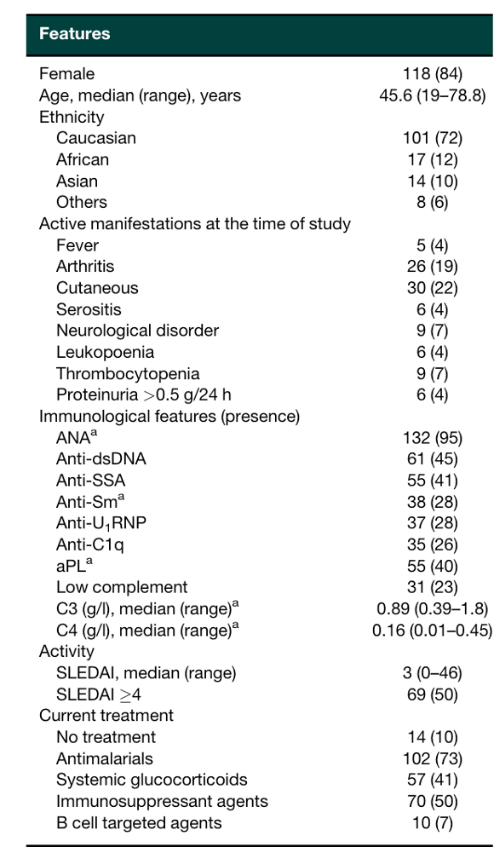
Genes
IFI27
IFI6
RSAD2
IFI44
IFI44L
USP18
LY6E
OAS1
SIGLEC1
ISG15
IFIT1
OAS3
HERC5
MX1
LAMP3
EPSTI1
IFIT3
OAS2
RTP4
PLSCR1
DNAPTP6
TYK1
CXCL10

Identification of highly active systemic lupus erythematosus by combined type I interferon and neutrophil gene scores vs classical serologic markers
https://doi.org/10.1093/rheumatology/keaa167

THESE GENES ARE USED TO CALCULATE IFN-score

SLE_Yiu
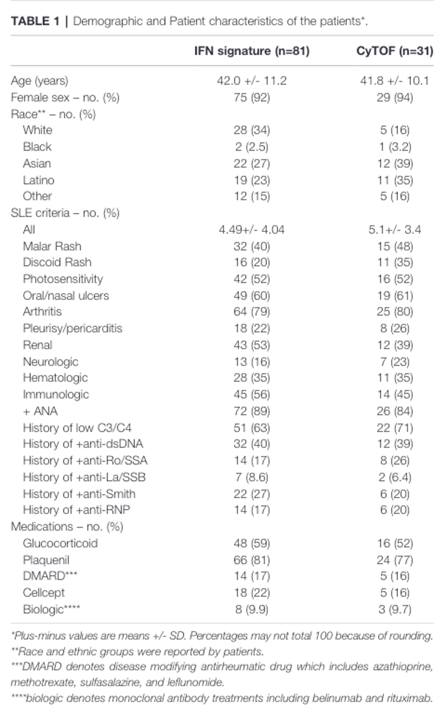
Genes | Protein
ACTB | β-actin
AGRN | Agrin
AICDA | Activation-induced cytidine deaminase
APOBEC3C | APOBEC-3C
B2M | β-2-microglobulin
C2 | Complement component 2
CAMP | cathelicidin antimicrobial peptide
CCR7 | C-C chemokine receptor type 7
CIC | Protein capicua homolog
DEFA1d | Defensin, alpha 1
DEFA3d | Defensin, alpha 3
ECRP | RNase A family, 2
EPST1 | Epithelial stromal interaction 1
FCGR1B | Fc fragment of IgG, high affinity Ib, receptor
GAPDH | glyceraldehyde-3-phosphate dehydrogenase
HERC5 | Probable E3 ubiquitin-protein ligase
IFI35 | IFN-induced 35 kDa protein
IFI44 | IFN-induced 44 kDa protein
IFI44L | IFN-induced 44 kDa protein like
IFIT1 | IFN-induced protein with tetratricopeptide repeats 1
IIFIT3 | IFN-induced protein tetratricopeptide repeats 3
IL1R2 | Interleukin 1 receptor, type II
IFITm3 | Interferon-induced transmembrane protein 3
IRF7 | Interferon regulatory factor 7
ISG15 | Interferon-induced 17 kDa protein
LGALS3BP | lectin, galactoside-binding, soluble, 3 binding protein
LY6E | Lymphocyte antigen 6E
MX1 | Interferon-induced GTP-binding protein 1
MX2 | Interferon-induced GTP-binding protein 2
OAS1 | 2'-5'-oligoadenylate synthetase 1
OAS2 | 2'-5'-oligoadenylate synthetase 2
OAS3 | 2'-5'-oligoadenylate synthetase 3
OASL | 2'-5'-Oligoadenylate Synthase-Like Protein
PLSCR1 | Phospholipid scramblase 1
RNASE2 | ribonuclease, RNase A family, 2
SERPING | C1-inhibitor
SIGLEC1 | sialic acid binding Ig-like lectin 1
STAT2 | Signal transducer and activator of transcription 2
TAP1 | Transporter associated with Antigen Processing 1
TNFRSF1 | CD120 (TNF superfamily)
TP63 | Tumor protein p63
TRDTR | T cell receptor delta locus
TYK1 | Leukocyte tyrosine kinase receptor
XAF1 | XIAP-associated factor 1

DOI: 10.3389/fimmu.2022.833636

