Details
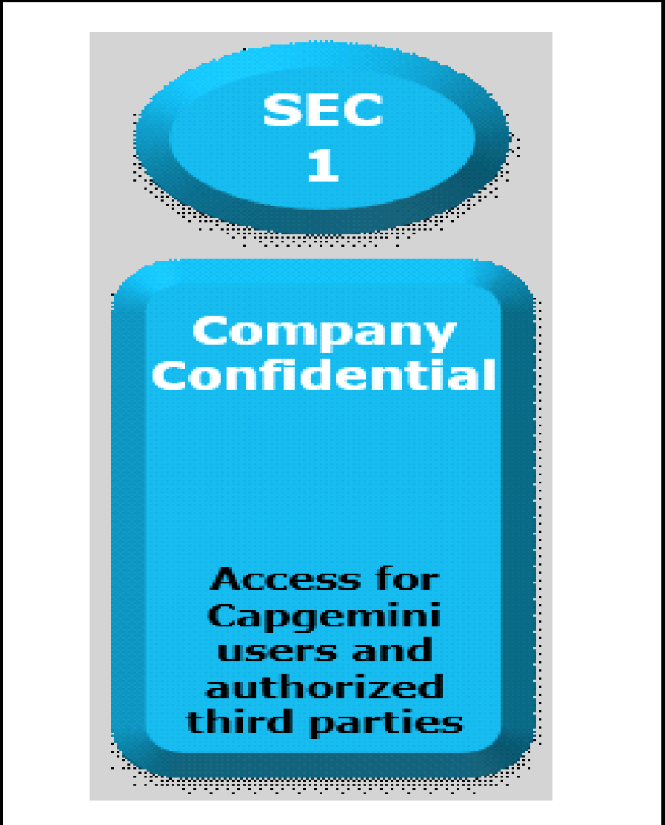

Documents Control Section

Project Details
Project Name | Alumni Management System |  | Project Id | Group 07
Project Revision History

Date | Version | Author | Brief Description of Changes |  | Approver Signature
2022-07-09 | Version 0.0 | Group 07 | Initial draft
16-09-2022 | Version 0.1 | Group 07 | Updated Version, Reworked on the whole document.
23-09-2022 | Version 0.2 | Group 07 | Final Version, Removed flow charts, Team participated list, Document revisions.

 |  |  |  |  |  | Using eSkills Matrix Tool for Skill Tracking
 |  |  |  |  |  | Not using eSkills Matrix Tool for Skill Tracking

