Cover sheet
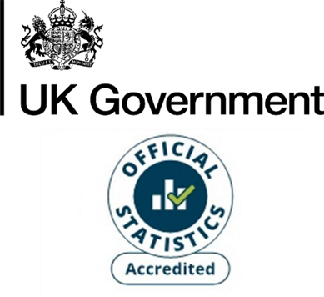
Energy consumption: England and Wales Local Authority Tables, 2023
National Energy Efficiency Data-Framework (NEED)
This workbook presents Accredited Official Statistics on annual domestic gas and electricity consumption for local authorities in England and Wales, by property and household characteristics. Both mean and median consumption estimates are provided.
The gas year 2023 refers to the period mid-May 2023 to mid-May 2024.
The electricity year 2023 refers to the period February 2023 to January 2024.
Contents
This cover sheet is followed by a table of contents for the subsequent data tables.
Revisions
These estimates have been revised since they were last published in 2025, mainly reflecting a small improvement in the matching of gas meters to properties.
Publication dates
Publication date: 11 June 2026
Next update: June 2027
Methodology
The HM Revenue & Customs (HMRC) Council Tax Database (formerly the Valuation Office Agency which became part of HMRC in April 2026) is used as the population of all domestic properties in England and Wales. Meter level gas/ electricity consumption as well as other data on property/ household characteristics is matched to these properties. Only properties to which gas/ electricity meters were successfully matched are included in this analysis.
For gas, only properties with an annual gas consumption in the range of 100 kWh to 50,000 kWh are included for the given year. For electricity the permitted range is 100 kWh to 25,000 kWh. Additionally, households with consumption values imputed from previous years have been excluded. Properties with missing information for certain key attributes are also excluded.
More information on how these statistics are calculated can be found in:
NEED methodology note
Units and no data
Mean and median consumption values are provided in kWh.
Where no value is provided this indicates that there was no data or that the result was suppressed to prevent disclosure.
Domestic NEED publication data and documents
Statistical releases (including data sources and methodology)
Consumption data tables
Impact of measures data tables
Property level domestic consumption data
Contact details
Responsible statistician: Hiten Shah
energyefficiency.stats@energysecurity.gov.uk
newsdesk@energysecurity.gov.uk

