Sheet1
 |  | Validation In Mvc
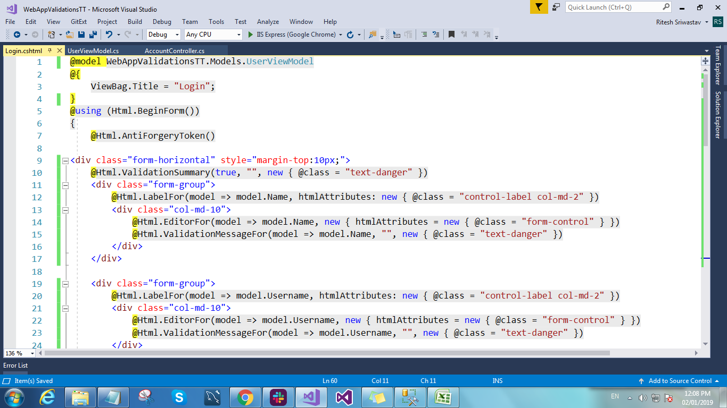
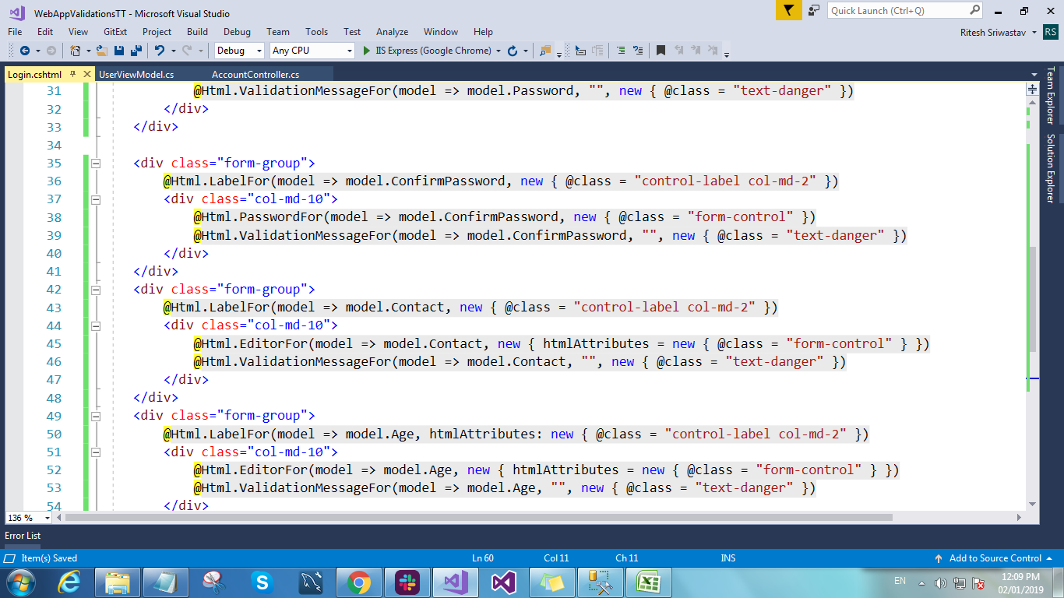
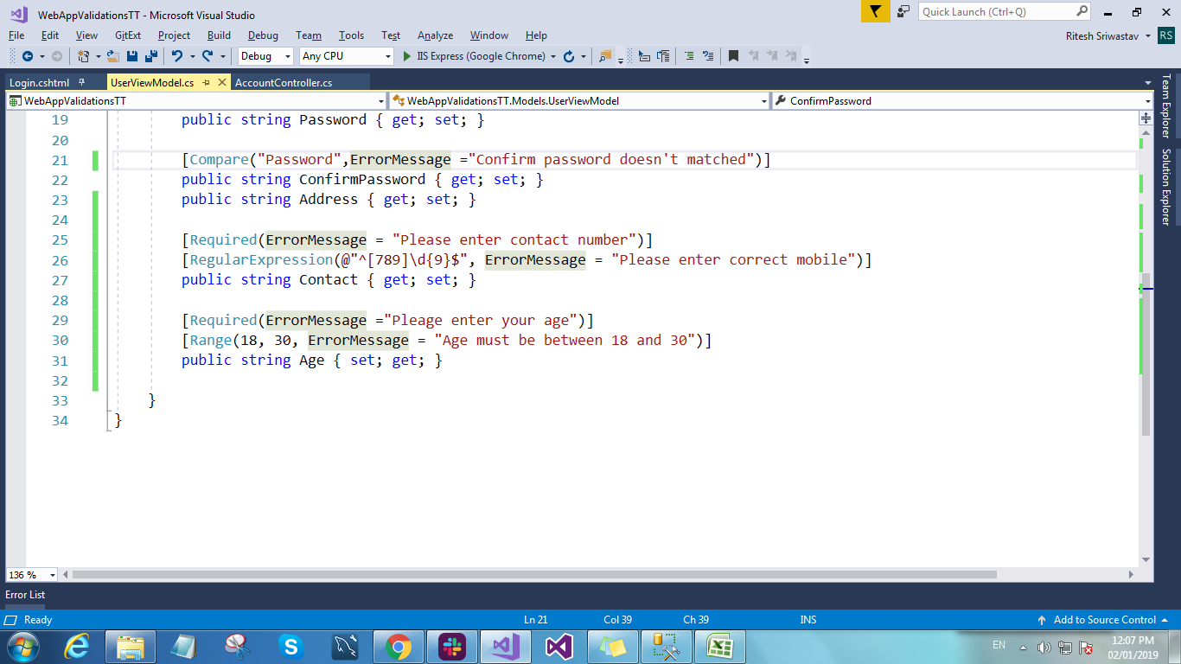
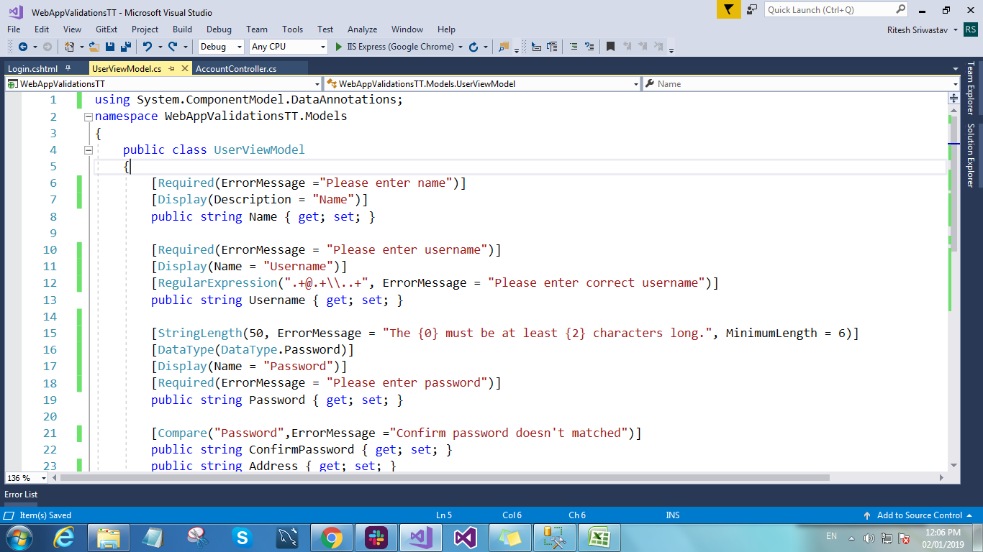
Sr. No. | Validation | OutPut
1 | Server Side

2 | Client Side | <script src="@Url.Content("~/Scripts/jquery-1.6.1.min.js")" type="text/javascript"></script> | Added on View Page
 |  | <script src="@Url.Content("~/Scripts/jquery.validate.js")" type="text/javascript"></script>
 |  | <script src="@Url.Content("~/Scripts/jquery.validate.unobtrusive.js")" type="text/javascript"></script>
 |  | <add key="ClientValidationEnabled" value="true"/> <add key="UnobtrusiveJavaScriptEnabled" value="true"/> | Added in web Config

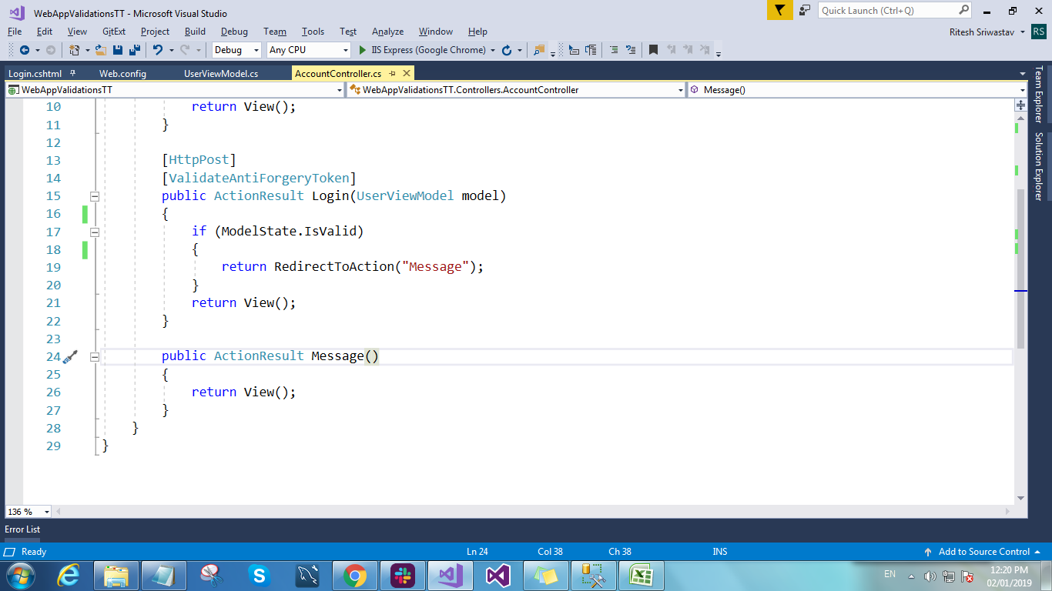
3 | Action filter | [ValidateAntiForgeryToken] Added on Action method for Action Filter. It is use on view page it is generated key which is use to stop the post data from other site.

