Instructions
Listing Loader
Listing Loader is for uploading listings of products that already exist on Amazon.com. If a product does not exist on Amazon.com, you must first add that product to the Amazon.com catalog.
Learn more
Listing Loader Menu – Excel 2003
How to use Listing Loader
Some of the advanced functions in this template require Microsoft Excel macros.
How to enable macros
Step 1 - Enter Listing Information
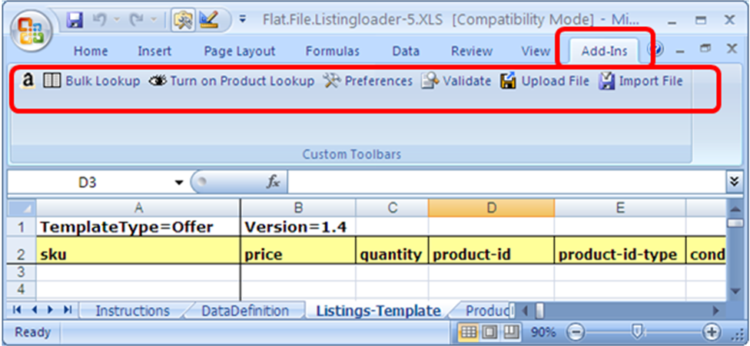
Listing Loader Menu – Excel 2007
Enter listing details for your products using one of these options: • Type your listing details directly into the Listings-Template tab. • Click the Import File macro button on the Listing Loader menu to import a text file that contains your listing details. Refer to the Data Definitions tab for information about required and optional listing details.
Step 2 - Perform Product Lookup (optional)
Product Lookup and Bulk Lookup require authorization through Amazon Marketplace Web Service (Amazon MWS).
Learn more
Product Lookup and Bulk Lookup check the Amazon.com catalog for the products you are trying to list, and then fill in the Title and ASIN-hint fields for existing products. You can use the Title and ASIN to confirm that your product matches to the correct Amazon.com product. Look up products using one of these options:
• Bulk - Fill in the product-id column for each listing and then click the "Bulk Lookup" macro button on the Listing Loader menu to check the Amazon.com catalog for all of the products. Depending on the number of listings, this can take a while to complete. If there are more than 1,000 listings, the workbook will be saved every 1,000 listings.
• Interactive - Click the "Turn On Product Lookup" macro button on the Listing Loader menu to check the Amazon.com catalog for each listing as you enter the product-id.
Step 3 - Review Product Lookup Results (optional)
If a product does not exist in the Amazon.com catalog, or has multiple matches, your listing information for that product will be put in one of these two tabs for your further action: • Products not Found • Products with Multiple Matches Follow the instructions in those tabs if any of your listings appear there.
Step 4 - Validate Listings (optional)
Click the Validate macro button on the Listing Loader menu to validate your data. This checks your listing data for completeness and can reduce upload failures caused by input errors.
Step 5 - Upload Listings to Amazon
Upload your listings to Amazon using one of these options:
• Upload Macro - Click the Upload macro button on the Listing Loader menu and provide your Amazon MWS credentials.
Learn more
• Seller Central - Save the Listings-Template tab as a tab-delimited text file (.txt) and upload that file from the inventory upload section in your seller account.

