sector3
AzimuthCellSec3 | 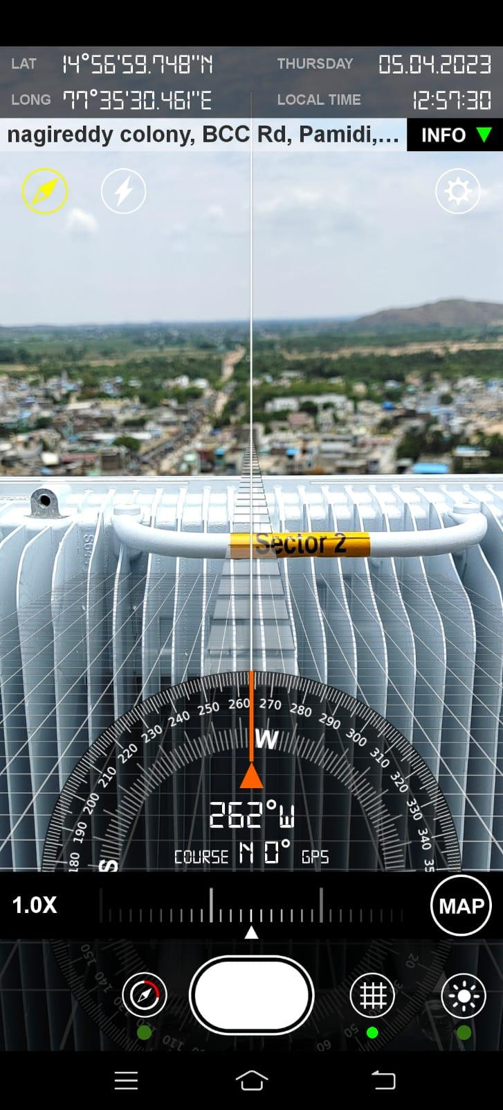

sector1
AzimuthCellSec1 | 