sector1
AzimuthCellSec1 | 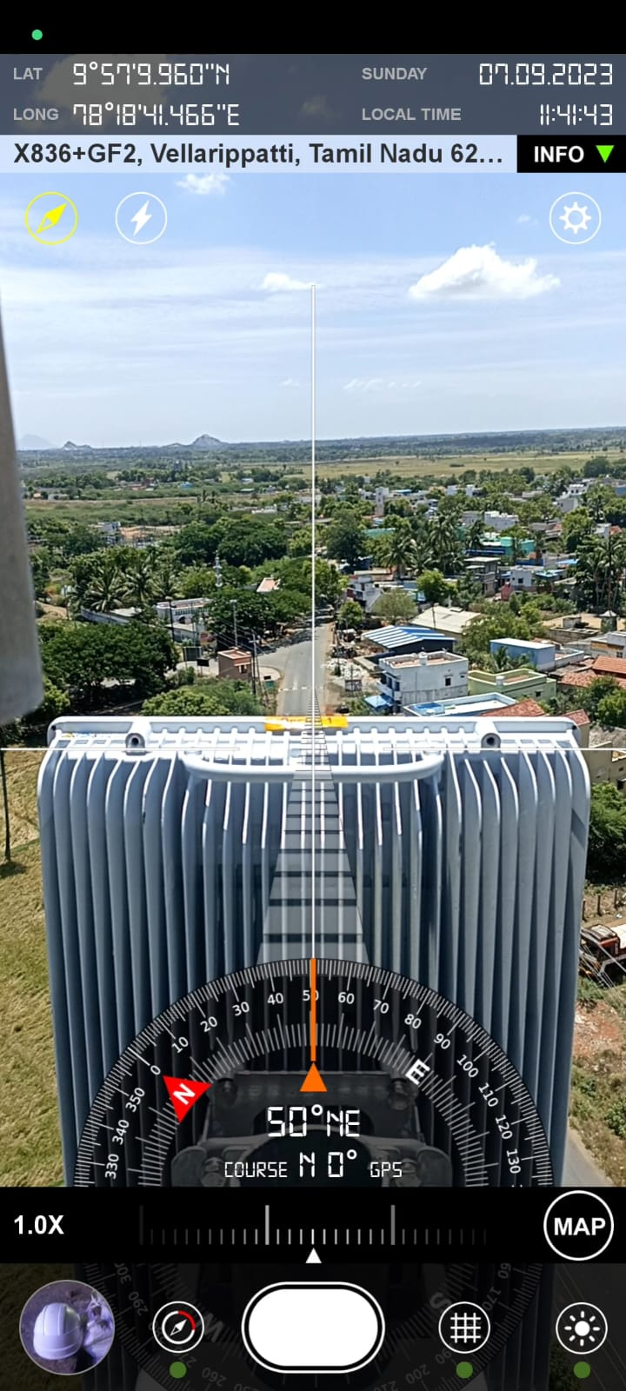

sector2
AzimuthCellSec2 | 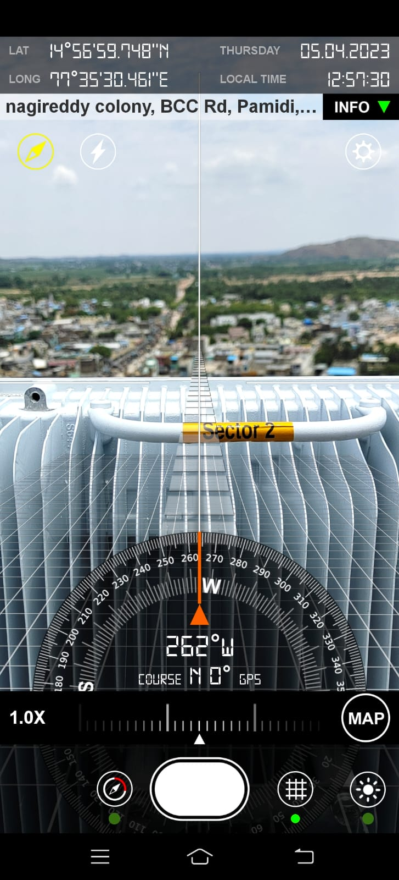

sector3
AzimuthCellSec3 | 