All pages
ID | Title | Describtion | Steps | Test Data | Expected Result | Actual Result | Category | Periority | Severity | Status | Attachment | Page
BUG001 | Profile picture not displayed properly | when viewing performance page , profile picture is not displayed correctly | 1-open OrangeHRM website in browser 2-Enter valid username and password 3-click "login" button 4- Navigate to performance page 5-Navigate to manage reviews | username : Admin password : admin123 | profile picture to be displayed correctly | instead of the acutal user image a placeholder photo appears with a "profile picture" watermark | UI/Functional | Medium | Medium |  | 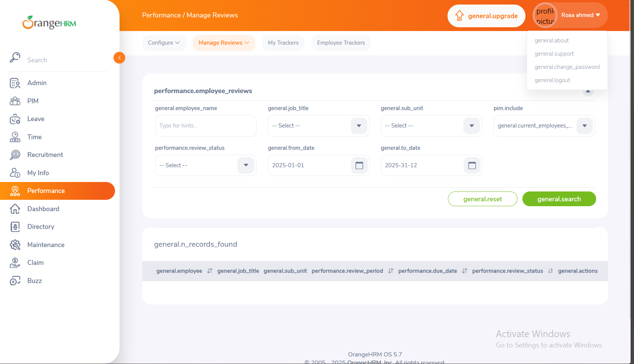 | performance
BUG002 | raw localalized text in section headings | several section headings and buttons display raw localized text instead of the acutal text | 1-open OrangeHRM website in browser 2-Enter valid username and password 3-click "login" button 4- Navigate to performance page 5-Navigate to manage reviews | username : Admin password : admin123 | actual text is displayed | displays raw text such as performance.employee_reviews, general.n_records_found | UI/Functional | High | High |  |  | performance
BUG003 | site does not respond after rejecting candidate | after shortlisting a candidate , then rejecting and saving , an error message is displayed and the website takes long to load | 1-open OrangeHRM website in browser 2-Enter valid username and password 3-click "login" button 4- Navigate to recruitment page 5-Navigate to candidates page | username : Admin password : admin124 | confermation message is displayed and the website runs normally | error message is displayed the website freezes | Funtional | High | High |  |  | performance
BUG004 | Dashboard widgets do not load | Widgets on Dashboard page fail to load after login | 1. Login as Admin 2. Navigate to Dashboard | Admin credentials | All widgets load and show data | Widgets show loading icon indefinitely | UI | High | Medium |  |  | Dashboard
BUG005 | Attendance data not updating in Dashboard | “Time at Work” widget shows stale data | 1. Login as Admin 2. Navigate to Dashboard | Admin credentials | Data reflects real-time attendance | Data remains static even after check-in/out | UI | Medium | Medium |  |  | Dashboard
BUG006 | Unable to add new employee | Save button in Add Employee page is unresponsive | 1. Go to PIM → Add Employee 2. Fill all required fields 3. Click Save | Employee info: First Name, Last Name, Employee ID | Employee is saved and redirected to details page | Save button unresponsive | Functional | High | High |  |  | PIM
BUG007 | Employee search not returning results | Searching existing employees returns no results | 1. Go to PIM → Employee List 2. Search for employee | Existing employee name or ID | Employee appears in list | No results displayed | Functional | High | Medium |  |  | PIM
BUG008 | Edit Employee details not saving | Editing employee details does not save changes | 1. Go to PIM → Employee List 2. Select employee → Edit 3. Update fields → Save | Phone, Address, Job Title | Changes should save | Fields revert to previous values | Functional | Medium | Medium |  |  | PIM
BUG009 | Profile picture upload fails | Uploading a new profile picture in My Info fails | 1. Go to My Info 2. Click profile picture 3. Upload valid image → Save | __ | Picture updates | Spinner disappears, old picture remains | UI | Medium | Medium |  |  | My Info
BUG010 | Personal info fields not editable | Phone, Address, DOB fields cannot be edited | 1. Go to My Info 2. Edit fields → Save | Phone, Address, DOB | Changes should save | Fields cannot be edited, no error message | Functional | Medium | Medium
BUG011 | Inconsistent website color scheme | The login page displays an unexpected blue color scheme instead of the expected orange theme consistent with OrangeHRM branding. | 1. Open the login page 2. Observe the background and button colors. | N/A | Background displays orange, buttons display matching orange theme | Background displays blue and login button also displays blue | UI | Medium | Low |  |  | Login
BUG012 | Incorrect navbar page name | The navbar displays "pim" instead of "My Info" . | 1-open OrangeHRM website in browser 2-Enter valid username and password 3-click "login" button 4- Navigate to the My Info page. 5- Observe the navbar title. | N/A | Navbar shows "My Info" | Navbar shows "pim" | UI | Medium | Low |  |  | My Info
BUG013 | New name not reflected above photo after save | Changing the Employee Full Name and saving updates the field, but the updated name does not display above the profile picture. | 1-open OrangeHRM website in browser 2-Enter valid username and password 3-click "login" button 4- Navigate to the My Info page. 5-Navigate to Personal Details. 6-Edit Employee Full Name (e.g., from "W fs" to "Roaa Sameh Ahmed") 7-Click Save. 8-Observe the name above the profile picture. | Employee Full Name: "Roaa Sameh Ahmed" | Name above profile picture updates to "Roaa Sameh Ahmed" | Name above profile picture remains "W fs" | UI/Functional | Medium | Medium |  |  | My Info
BUG014 | Save button accepts missing required fields | The Save button on the Contact Details page allows saving without validating required fields | 1-open OrangeHRM website in browser 2-Enter valid username and password 3-click "login" button 4- Navigate to the My Info page. 5- Leave the required fields empty in the Contact Details page. | Enter "roaa@osohrm.com" in Work Email field Updates Other Email to "roaa.personal@gmail.com" | Displays an error for missing required fields | Saves changes without error | Functional | High | Medium |  | 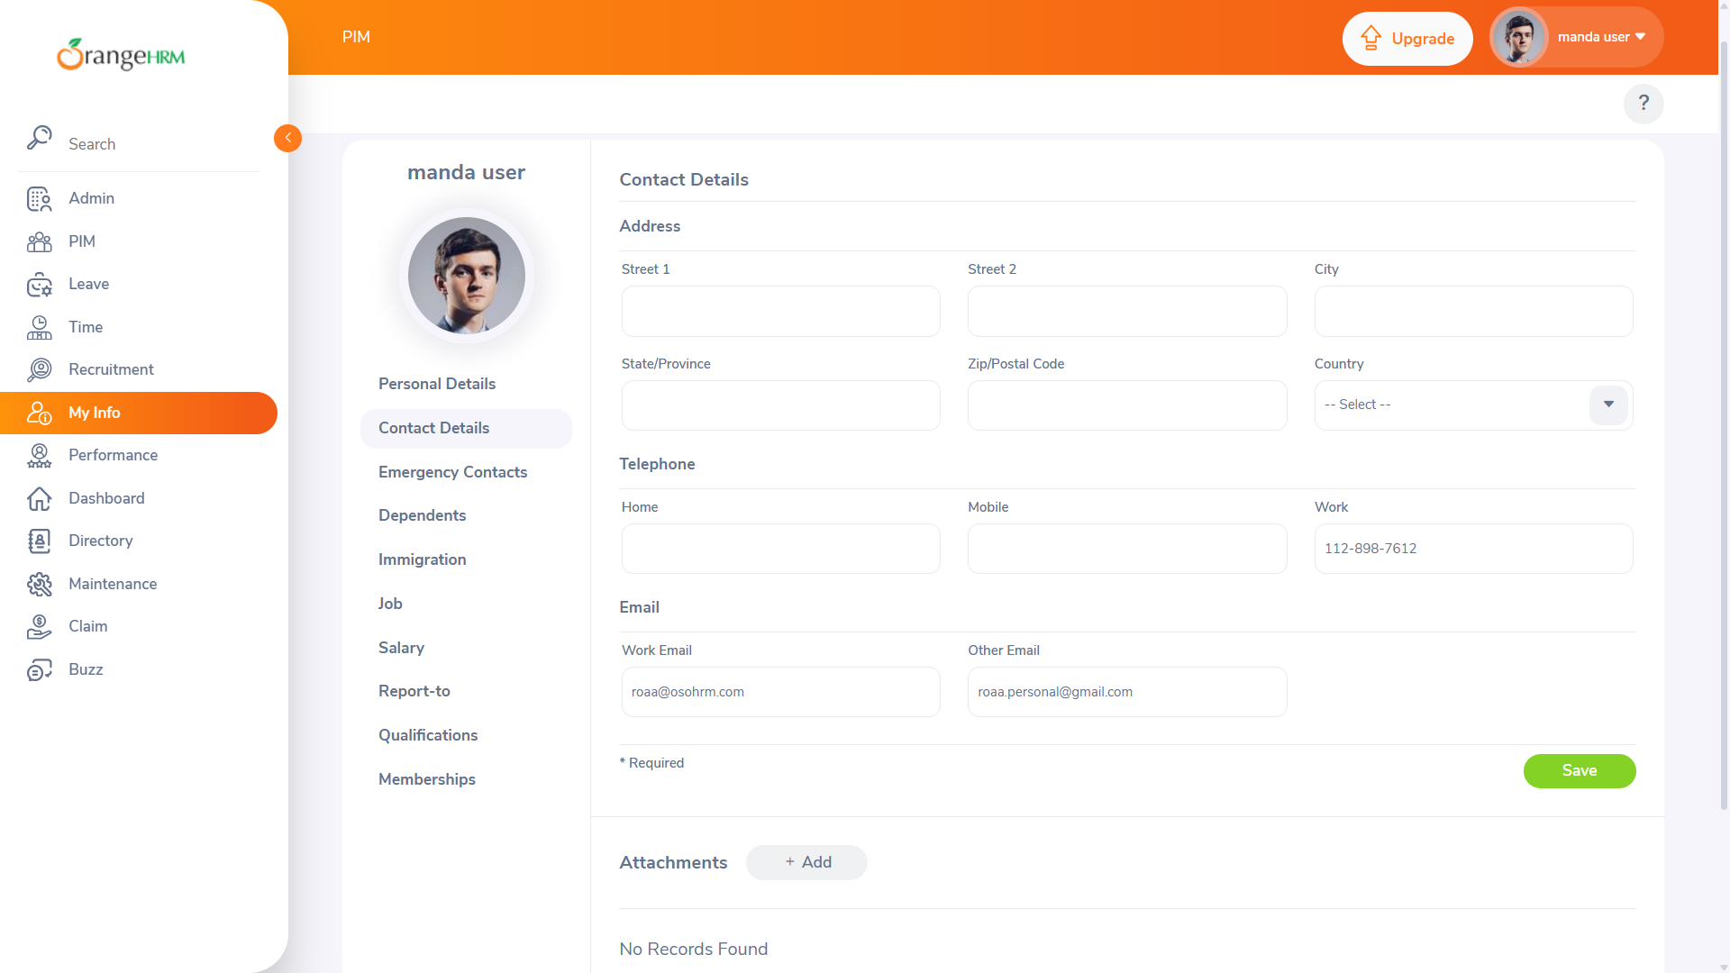 | My Info
BUG015 | Reset button not clearing Reference ID | The Reset button fails to clear the Reference ID field when clicked, while it resets the records correctly. | 1-open OrangeHRM website in browser 2-Enter valid username and password 3-click "login" button 4-click on "claim" button in the side bar 5-Enter "202307180000002" in Reference id field. 6- Click reset | Reference ID:"202307180000002" | Clears Reference ID field and resets records | Reference ID field retains "202307180000002" while records reset | UI/Functional | High | Medium |  | 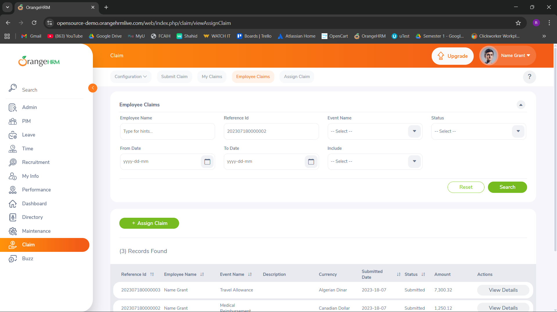 | Claim
BUG016 | Inconsistent website color scheme | The website color scheme changed unexpectedly (e.g., purple navbar instead of orange, darker theme) when opening the Employee Claims page. | 1-open OrangeHRM website in browser 2-Enter valid username and password 3-click "login" button 4-Observe the navbar and background colors. | N/A | Navbar displays orange color, consistent with previous design | Navbar displays purple color, darker theme | UI | Medium | Low |  | 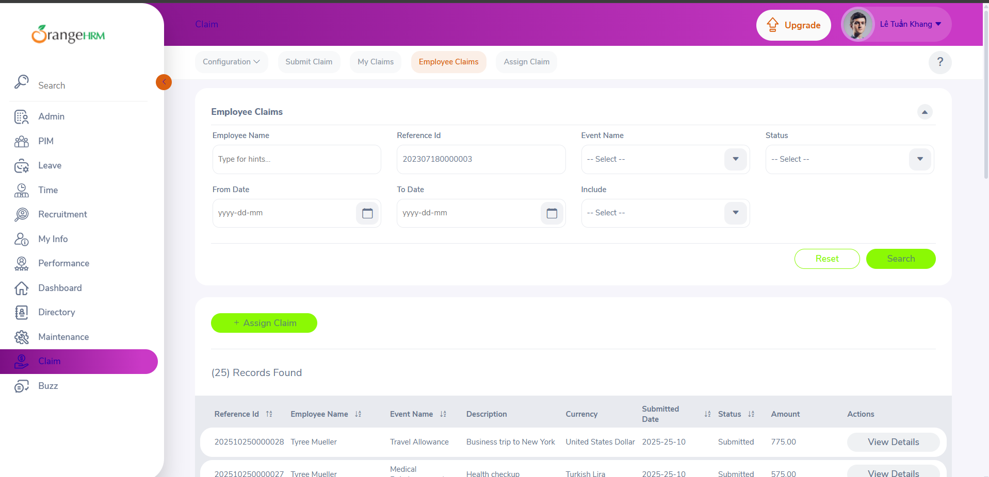 | Claim

