SOURCE
 | 1 | 1 | 2 | 2 | 3 | 3 | 4 | 4 | 5 | 5 | 6 | 6 | 7 | 7 | 8 | 8 | 9 | 9 | 10 | 10 | 11 | 11 | 12 | 12 | 13
READ FROM CHART
 | 0 | 1 | 2 | 3 | 4 | 5 | 6 | 7 | 8 | 9 | 10 | 11 | 12 | 13 | 14 | 15 | 16 | 17 | 18 | 19 | 20 | 21 | 22 | 23 | SUM
Day
Wkday | 10.8 | 11.8 | 11.8 | 11.8 | 11.2 | 8.5 | 6 | 4 | 1 | 0 | 0 | 0 | 0.1 | 0.8 | 1 | 1.6 | 1.7 | 0.6 | 0.2 | 0 | 0.5 | 2.2 | 6 | 8.2 | 99.8
Wkend | 10.8 | 11.8 | 11.8 | 11.8 | 11.2 | 8.5 | 6 | 4 | 1 | 0 | 0 | 0 | 0.1 | 0.8 | 1 | 1.6 | 1.7 | 0.6 | 0.2 | 0 | 0.5 | 2.2 | 6 | 8.2 | 99.8
PEAK | 10.8 | 11.8 | 11.8 | 11.8 | 11.2 | 8.5 | 6 | 4 | 1 | 0 | 0 | 0 | 0.1 | 0.8 | 1 | 1.6 | 1.7 | 0.6 | 0.2 | 0 | 0.5 | 2.2 | 6 | 8.2 | 99.8

in %
 | 0 | 1 | 2 | 3 | 4 | 5 | 6 | 7 | 8 | 9 | 10 | 11 | 12 | 13 | 14 | 15 | 16 | 17 | 18 | 19 | 20 | 21 | 22 | 23 | SUM
Wkday | 0.10821643287 | 0.11823647295 | 0.11823647295 | 0.11823647295 | 0.1122244489 | 0.085170340681 | 0.060120240481 | 0.040080160321 | 0.01002004008 | 0 | 0 | 0 | 0.001002004008 | 0.0080160320641 | 0.01002004008 | 0.016032064128 | 0.017034068136 | 0.0060120240481 | 0.002004008016 | 0 | 0.0050100200401 | 0.022044088176 | 0.060120240481 | 0.082164328657 | 1
Wkend | 0.10821643287 | 0.11823647295 | 0.11823647295 | 0.11823647295 | 0.1122244489 | 0.085170340681 | 0.060120240481 | 0.040080160321 | 0.01002004008 | 0 | 0 | 0 | 0.001002004008 | 0.0080160320641 | 0.01002004008 | 0.016032064128 | 0.017034068136 | 0.0060120240481 | 0.002004008016 | 0 | 0.0050100200401 | 0.022044088176 | 0.060120240481 | 0.082164328657 | 1
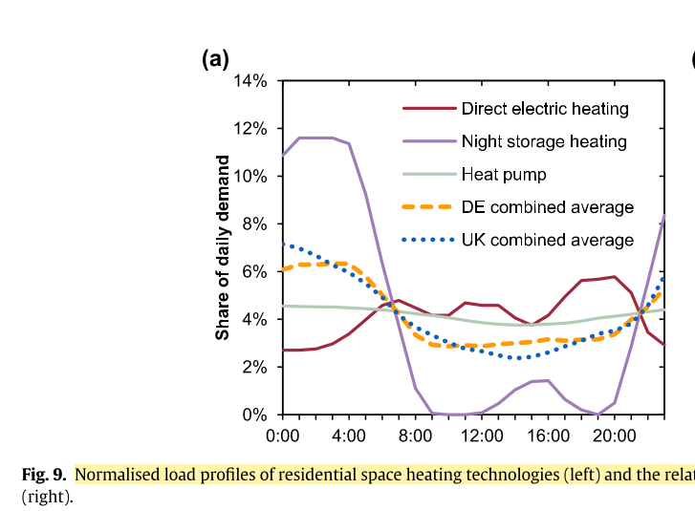
peak | 0.10821643287 | 0.11823647295 | 0.11823647295 | 0.11823647295 | 0.1122244489 | 0.085170340681 | 0.060120240481 | 0.040080160321 | 0.01002004008 | 0 | 0 | 0 | 0.001002004008 | 0.0080160320641 | 0.01002004008 | 0.016032064128 | 0.017034068136 | 0.0060120240481 | 0.002004008016 | 0 | 0.0050100200401 | 0.022044088176 | 0.060120240481 | 0.082164328657 | 1

 |  |  |  |  |  |  |  |  |  | Bossmann, T., & Staffell, I. (2015). The shape of future electricity demand: Exploring load curves in 2050s Germany and Britain. Energy, 90, 1317–1333. https://doi.org/10.1016/j.energy.2015.06.082

