Lighting
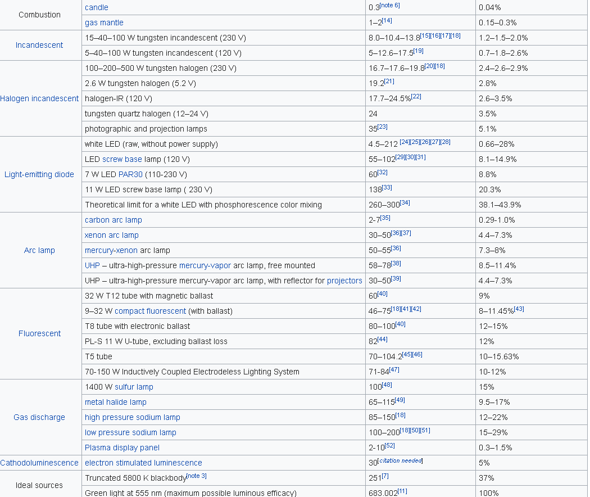
Calulating lighting efficiencies
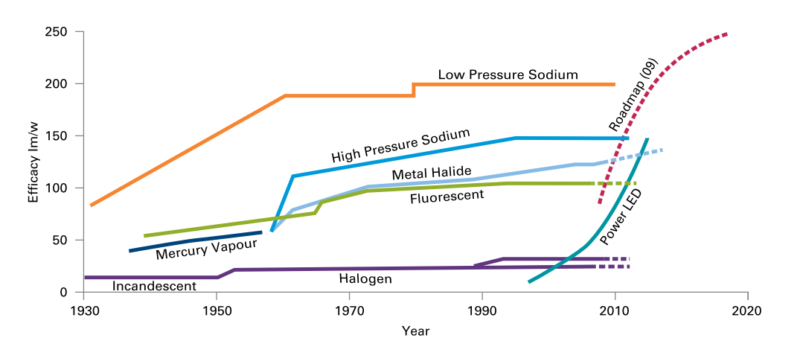
 | Source (Carbon Trust 2011): Bright ideas for efficient illumination |  |  |  |  | and wikipedia: https://en.wikipedia.org/wiki/Luminous_efficacy

 |  | Efficayy | Efficiency | Future luminous efficacy
 |  | 683 | 1
 | Light bulb | 20 | 0.029282576867 | 23 | 0.033674963397
 | Halogen | 25 | 0.036603221083 | 50 | 0.073206442167
 | Light saving | 150 | 0.2196193265 | 200 | 0.29282576867
 | Flureescent | 100 | 0.14641288433 | 150 | 0.2196193265
 | LED | 150 | 0.2196193265 | 300 | 0.439238653

Cooking
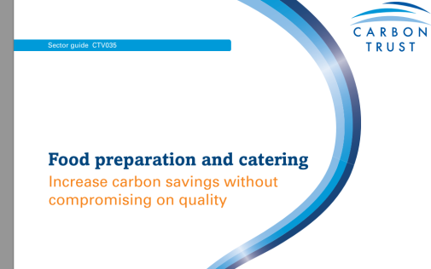
 |  | Current | Future
Induction Hob | elec | 0.75 | 0.9 | https://en.wikipedia.org/wiki/Induction_cooking#cite_note-8 |  |  | http://aceee.org/files/proceedings/2014/data/papers/9-702.pdf
Standard hob | elec | 0.6 | 0.7 |  |  |  | Average cooking efficiency of conventional electric technology lies somewhere between the 42% and 83% meas
 | gas | 0.4 | 0.5 |  | Induction Cooking Technology Design and Assessme
 | biomass | 0.4 | 0.5
 | hydrogen | 0.4 | 0.5

 |  |  |  |  | https://birdshillbiomass.uk/biomass-boiler-client-examples/biomass-boiler-cookers/

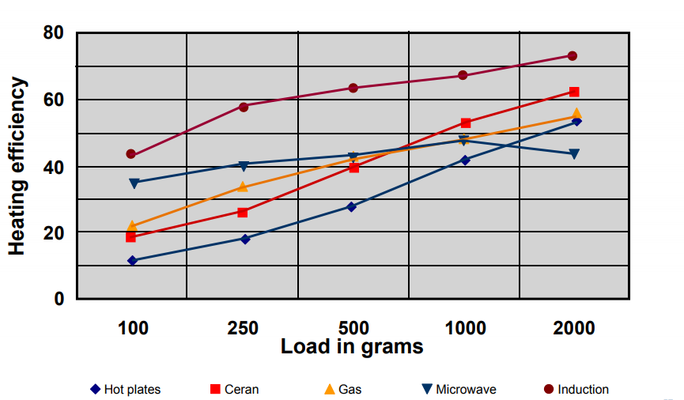

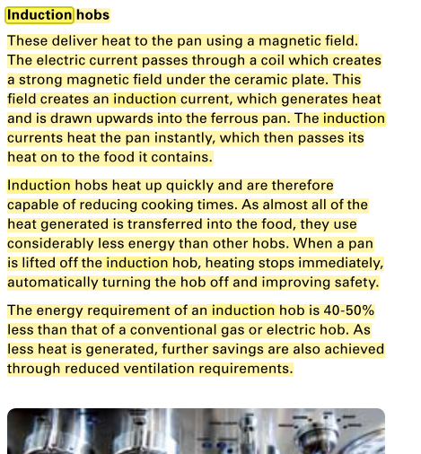

 |  |  |  |  |  | https://web.archive.org/web/20160919100541/http://www.ima.kth.se/utb/MJ2663/Electrolux.pdf#page=57

GSHP_ASHP
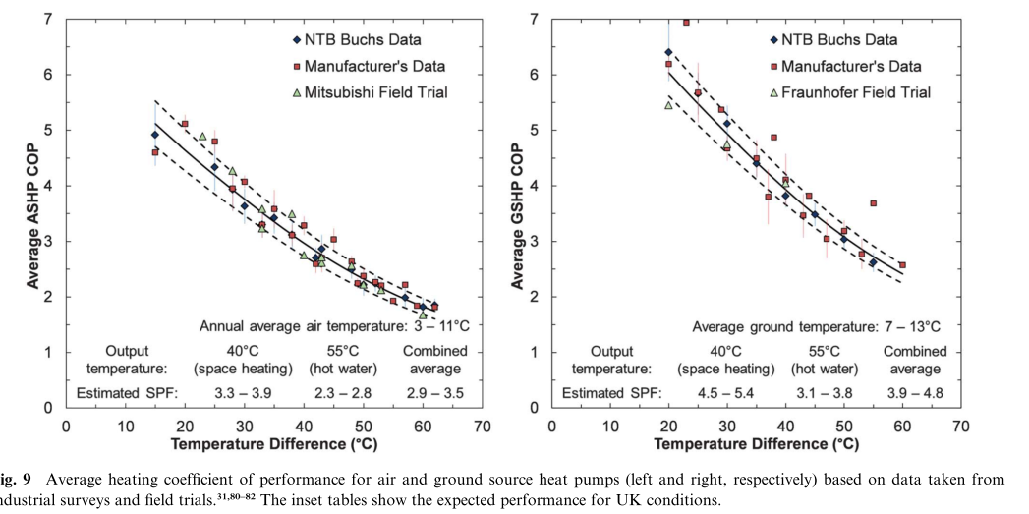

 | Staffel et al. 2012

As the potential future COP, a potential improvement of 1/3 is made

Cooling technologies
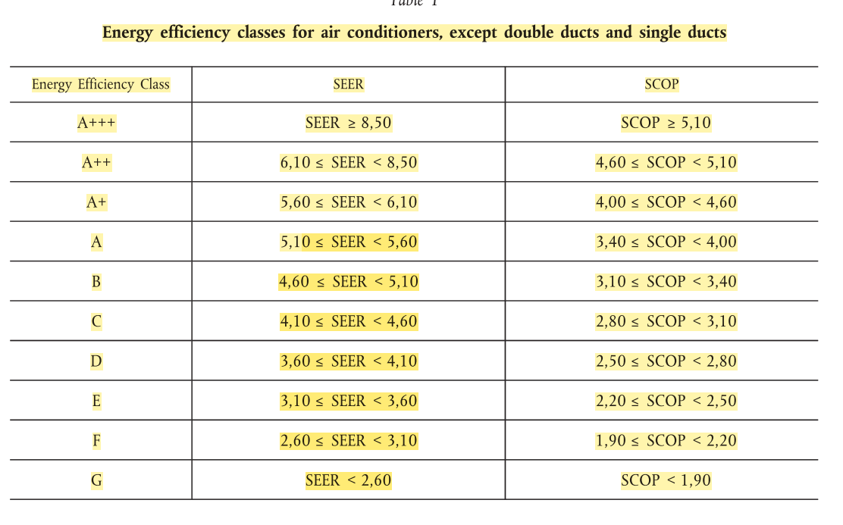
 |  |  | SEER (seasonal energy efficiency ratio) | Efficiency
 | Assumption total max efficiency |  | 10 | 1

 | Assumed efficiency today | Class B | 4.9 | 0.49

 | Assumed efficiency future | Class A+++ | 10 | 1

European Commission. (2011). EU Regulation No. 626/2011 - Energy labelling of air conditioners. Official Journal of the European Union, L 178(626), 1–72. Retrieved from http://eur-lex.europa.eu/legal-content/EN/TXT/PDF/?uri=CELEX:32011R0626&from=EN

boilers
up to 97 % efficiency |  | http://www.nef.org.uk/knowledge-hub/energy-in-the-home/oil-central-heating
old boilery typicall 70% efficiency |  | https://www.boilerguide.co.uk/articles/best-oil-boilers
 |  | https://www.which.co.uk/reviews/boilers/article/boiler-energy-efficiency

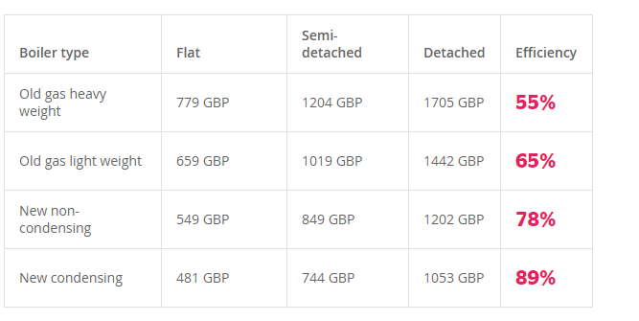

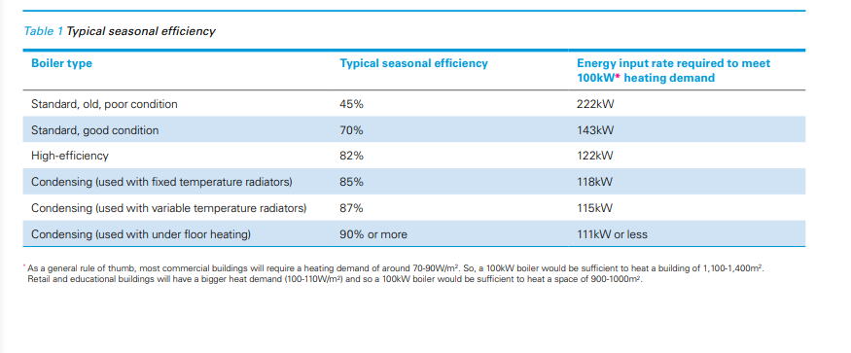

 | https://www.carbontrust.com/media/7411/ctv051_low_temperature_hot_water_boilers.pdf

District heating
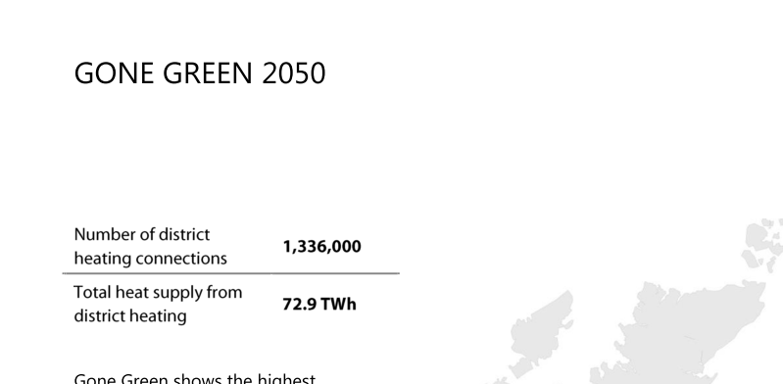
 |  | Burohappold Engineering. (2016). Summary Report: UK Spatial District Heating Analysis, (July 2016), 24. Retrieved from http://fes.nationalgrid.com/media/1215/160712-national-grid-dh-summary-report.pdf
Future potential

1336000 | home connections
25000000 | mio UK home connections

0.05344 | Suggested connections

Heating Technologies
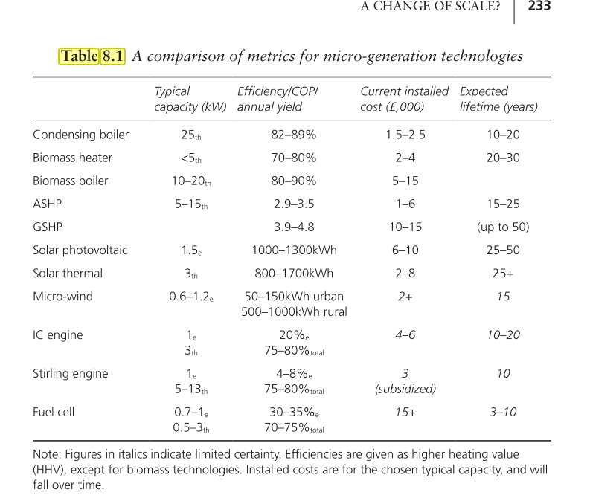

 | Biomass heater | 70

energy 2050. Making the Transition to a Secure Low Carbon Energy System

